Tech memo appendix e
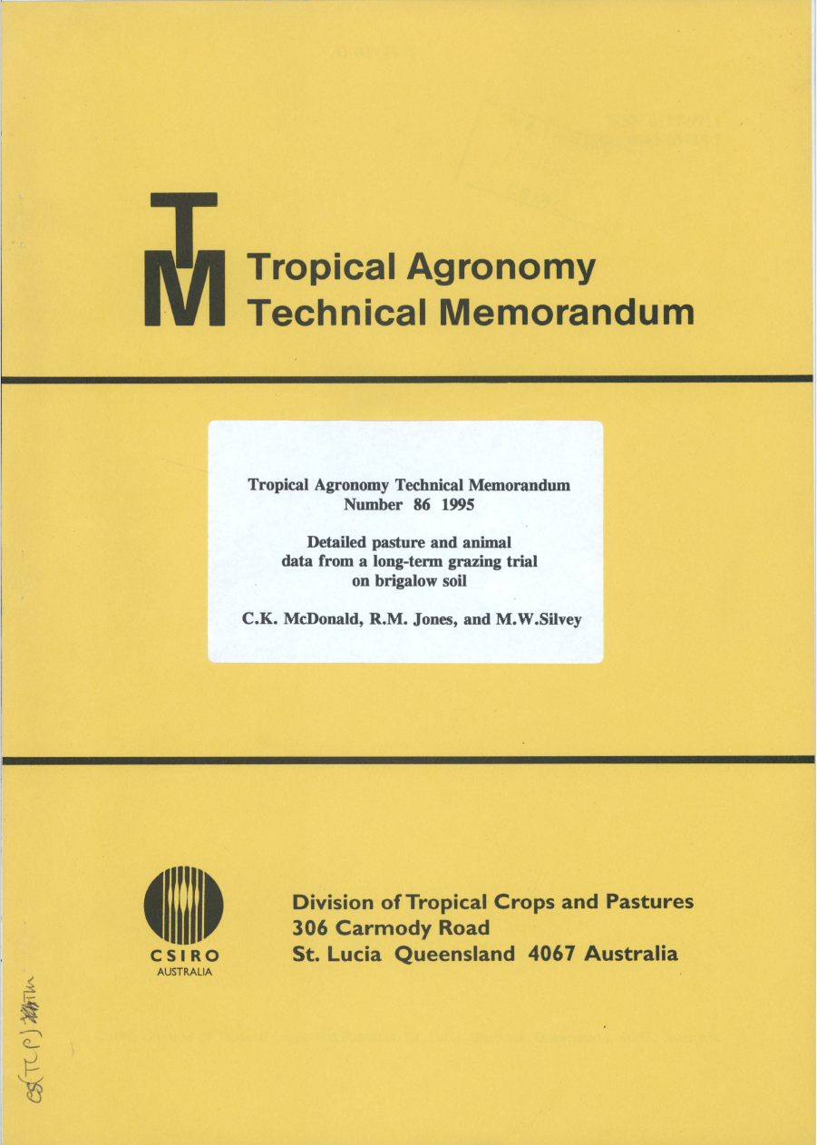
DATE | 1 | 1.4 | 1.8 | 2 | 2.2 | nitrogen | pasture_type | Tech memo appendix E digitised by Julian Rich
1973-06-27 | 60.5 | 64.5 | 65.4 | 65.7 | 57 | 0 | green_panic
1973-11-13 | 59.5 | 66 | 65.8 | 65.7 | 67 | 0 | green_panic
1974-01-17 | 58.8 | 57.7 | 53.2 | 54.2 | 56.6 | 0 | green_panic
1974-03-04 | 52.3 | 53.3 | 53.9 | 54.7 | 51 | 0 | green_panic
1974-04-30 | 48.1 | 49.1 | 47.7 | 47.5 | 51 | 0 | green_panic
1974-06-24 | 41.8 | 41.3 | 37.7 | 38.7 | 44.3 | 0 | green_panic
1974-08-20 | 44.8 | 44.8 | 40.4 | 38.3 | 38.7 | 0 | green_panic
1974-10-23 | 67.1 | 66.6 | 64.4 | 65.3 | 67 | 0 | green_panic
1974-12-19 | 61 | 60.7 | 62.4 | 57.8 | 64 | 0 | green_panic
1975-02-04 | 50.7 | 49.7 | 53 | 53.7 | 47.3 | 0 | green_panic
1975-04-01 | 53.7 | 58.3 | 57.3 | 60.3 | 61.3 | 0 | green_panic
1975-05-27 | 37.6 | 41.7 | 40.2 | 38.4 | 39.4 | 0 | green_panic
1973-06-27 | 61.9 | 63.9 | 65.3 | 63 | 66.4 | 100 | green_panic
1973-11-13 | 69.7 | 67.9 | 71.4 | 72.9 | 71.1 | 100 | green_panic
1974-01-17 | 54.3 | 56.6 | 52.8 | 55.8 | 55.9 | 100 | green_panic
1974-03-04 | 52.7 | 56.5 | 53.3 | 55.1 | 51.8 | 100 | green_panic
1974-04-30 | 50.2 | 49.4 | 52.8 | 52.5 | 50.3 | 100 | green_panic
1974-06-24 | 42.4 | 37.4 | 35.5 | 39.4 | 36.5 | 100 | green_panic
1974-08-20 | 42.3 | 39.2 | 37.8 | 40.6 | 34.8 | 100 | green_panic
1974-10-23 | 67.9 | 67.6 | 70.3 | 67.6 | 70.1 | 100 | green_panic
1974-12-19 | 63.4 | 63 | 62 | 61.5 | 62.2 | 100 | green_panic
1975-02-04 | 50 | 46.5 | 49.8 | 53 | 50.8 | 100 | green_panic
1975-04-01 | 54.5 | 54.4 | 57.7 | 58.3 | 55.3 | 100 | green_panic
1975-05-27 | 40.5 | 39.9 | 40.4 | 40.2 | 43.3 | 100 | green_panic
1974-12-19 | * | 55.3 | * | 54.1 | * | 0 | rhodes_grass
1975-02-04 | 44 | 47.7 | 48.2 | 44.9 | 51.4 | 0 | rhodes_grass
1975-04-01 | 51.5 | 53.8 | 56.5 | 55.2 | 52.1 | 0 | rhodes_grass
1975-05-27 | * | 36.5 | 39.6 | 38.8 | 34.3 | 0 | rhodes_grass
1974-12-19 | 54.5 | * | * | 53.8 | 57.7 | 100 | rhodes_grass
1975-02-04 | 44.2 | 48.7 | 42.6 | 39.5 | 47.6 | 100 | rhodes_grass
1975-04-01 | 47.9 | 53.7 | 51 | 55.1 | 52 | 100 | rhodes_grass
1975-05-27 | 31 | 29.5 | 35 | 32.8 | 29.6 | 100 | rhodes_grass
1974-12-19 | * | 54.5 | * | * | * | 0 | unsown_grasses
1975-02-04 | * | 48.1 | * | * | * | 0 | unsown_grasses
1975-05-27 | * | * | * | * | 44.3 | 0 | unsown_grasses
1974-12-19 | * | * | * | * | * | 100 | unsown_grasses
1975-02-04 | * | * | * | * | * | 100 | unsown_grasses
1975-05-27 | * | * | * | * | * | 100 | unsown_grasses

photo from lab book
