Metadata
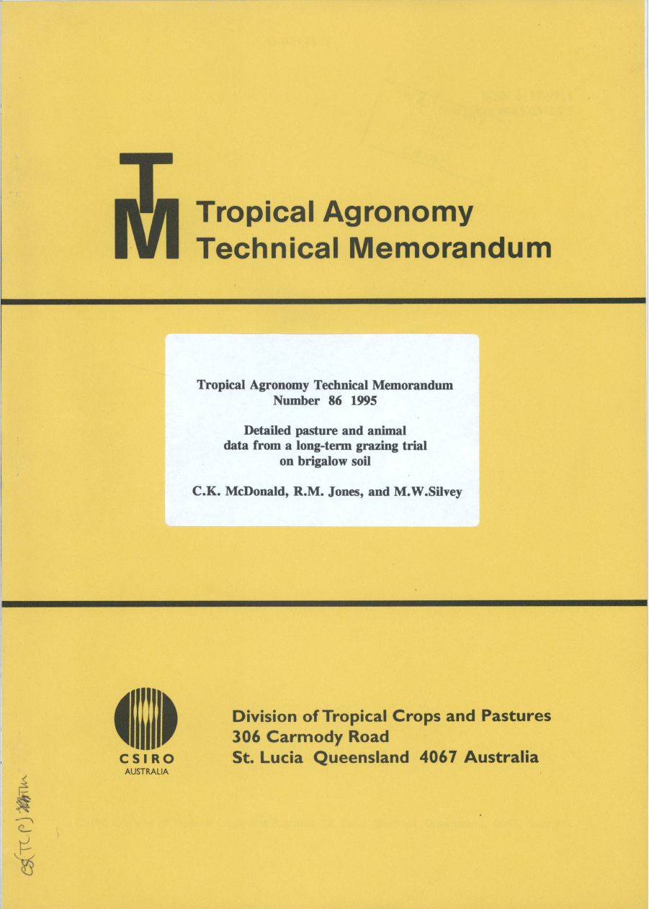
Take from this tech memo appendix f, photos shown in the 'photos' tab
Initial weight taken in May, then show monthly weight gain. The monthly weight gain was added to the initial weight and presented in the 'Observed' tab. Cattle (Belmont reds) were replaced each year in May and only spent 12 months on the paddock

Note: Cattle in stocking rates 1.8 and 2.0 both fert and no fert were delayed from bring them onto the paddocks due to a lack of herbage in the pastures I the final years of the trial. This appears as initial cattle weight recorded inSeptember for example.

Destocking: Stocking rate 2_2 no fert after 17/9/1980 and 2_2 fert after 26/5/1982

Photo
