Original data
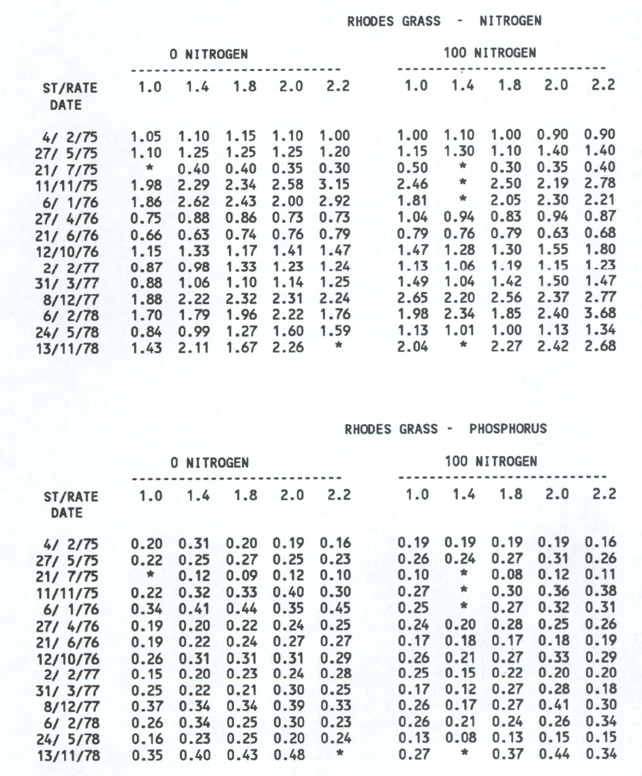
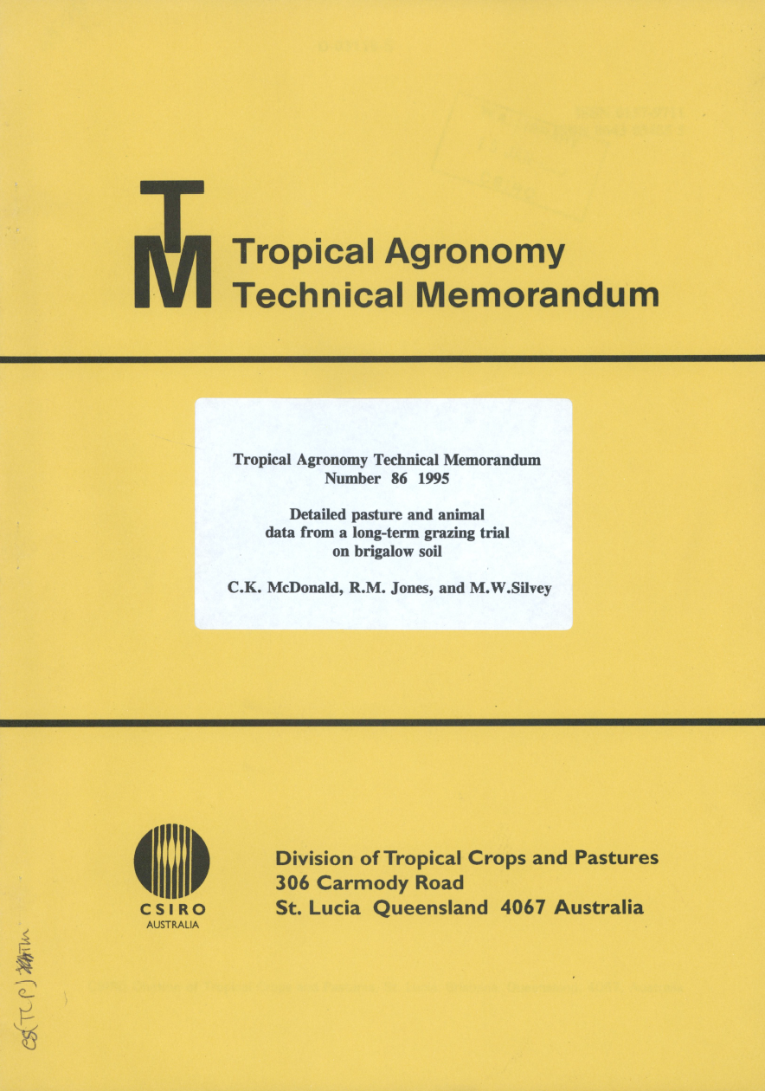
DATE | 1 | 1.4 | 1.8 | 2 | 2.2 | nitrogen | measurement_type | pasture_type
1975-02-06 | 1.05 | 1.1 | 1.15 | 1.1 | 1 | 0 | nitrogen | rhodes_grass
1975-05-27 | 1.1 | 1.25 | 1.25 | 1.25 | 1.2 | 0 | nitrogen | rhodes_grass
1975-07-21 | * | 0.4 | 0.4 | 0.35 | 0.3 | 0 | nitrogen | rhodes_grass
1975-11-11 | 1.98 | 2.29 | 2.34 | 2.58 | 3.15 | 0 | nitrogen | rhodes_grass
1976-01-06 | 1.86 | 2.62 | 2.43 | 2 | 2.92 | 0 | nitrogen | rhodes_grass
1976-04-27 | 0.75 | 0.88 | 0.86 | 0.73 | 0.73 | 0 | nitrogen | rhodes_grass
1976-06-21 | 0.66 | 0.63 | 0.74 | 0.76 | 0.79 | 0 | nitrogen | rhodes_grass
1976-10-12 | 1.15 | 1.33 | 1.17 | 1.41 | 1.47 | 0 | nitrogen | rhodes_grass
1977-02-02 | 0.87 | 0.98 | 1.33 | 1.23 | 1.24 | 0 | nitrogen | rhodes_grass
1977-03-31 | 0.88 | 1.06 | 1.1 | 1.14 | 1.25 | 0 | nitrogen | rhodes_grass
1977-12-08 | 1.88 | 2.22 | 2.32 | 2.31 | 2.24 | 0 | nitrogen | rhodes_grass
1978-02-06 | 1.7 | 1.79 | 1.96 | 2.22 | 1.76 | 0 | nitrogen | rhodes_grass
1978-05-24 | 0.84 | 0.99 | 1.27 | 1.6 | 1.59 | 0 | nitrogen | rhodes_grass
1978-11-13 | 1.43 | 2.11 | 1.67 | 2.26 | * | 0 | nitrogen | rhodes_grass
1975-02-06 | 1 | 1.1 | 1 | 0.9 | 0.9 | 100 | nitrogen | rhodes_grass
1975-05-27 | 1.15 | 1.3 | 1.1 | 1.4 | 1.4 | 100 | nitrogen | rhodes_grass
1975-07-21 | 0.5 | * | 0.3 | 0.35 | 0.4 | 100 | nitrogen | rhodes_grass
1975-11-11 | 2.46 | * | 2.5 | 2.19 | 2.78 | 100 | nitrogen | rhodes_grass
1976-01-06 | 1.81 | * | 2.05 | 2.3 | 2.21 | 100 | nitrogen | rhodes_grass
1976-04-27 | 1.04 | 0.94 | 0.83 | 0.94 | 0.87 | 100 | nitrogen | rhodes_grass
1976-06-21 | 0.79 | 0.76 | 0.79 | 0.63 | 0.68 | 100 | nitrogen | rhodes_grass
1976-10-12 | 1.47 | 1.28 | 1.3 | 1.55 | 1.8 | 100 | nitrogen | rhodes_grass
1977-02-02 | 1.13 | 1.06 | 1.19 | 1.15 | 1.23 | 100 | nitrogen | rhodes_grass
1977-03-31 | 1.49 | 1.04 | 1.42 | 1.5 | 1.47 | 100 | nitrogen | rhodes_grass
1977-12-08 | 2.65 | 2.2 | 2.56 | 2.37 | 2.77 | 100 | nitrogen | rhodes_grass
1978-02-06 | 1.98 | 2.34 | 1.85 | 2.4 | 3.68 | 100 | nitrogen | rhodes_grass
1978-05-24 | 1.13 | 1.01 | 1 | 1.13 | 1.34 | 100 | nitrogen | rhodes_grass
1978-11-13 | 2.04 | * | 2.27 | 2.42 | 2.68 | 100 | nitrogen | rhodes_grass
1975-02-04 | 0.2 | 0.31 | 0.2 | 0.19 | 0.16 | 0 | phosphorus | rhodes_grass
1975-05-27 | 0.22 | 0.25 | 0.27 | 0.25 | 0.23 | 0 | phosphorus | rhodes_grass
1975-07-21 | * | 0.12 | 0.09 | 0.12 | 0.1 | 0 | phosphorus | rhodes_grass
1975-11-11 | 0.22 | 0.32 | 0.33 | 0.4 | 0.3 | 0 | phosphorus | rhodes_grass
1976-01-06 | 0.34 | 0.41 | 0.44 | 0.35 | 0.45 | 0 | phosphorus | rhodes_grass
1976-04-27 | 0.19 | 0.2 | 0.22 | 0.24 | 0.25 | 0 | phosphorus | rhodes_grass
1976-06-21 | 0.19 | 0.22 | 0.24 | 0.27 | 0.27 | 0 | phosphorus | rhodes_grass
1976-10-12 | 0.26 | 0.31 | 0.31 | 0.31 | 0.29 | 0 | phosphorus | rhodes_grass
1977-02-02 | 0.15 | 0.2 | 0.23 | 0.24 | 0.28 | 0 | phosphorus | rhodes_grass
1977-03-31 | 0.25 | 0.22 | 0.21 | 0.3 | 0.25 | 0 | phosphorus | rhodes_grass
1977-12-08 | 0.37 | 0.34 | 0.34 | 0.39 | 0.33 | 0 | phosphorus | rhodes_grass
1978-02-06 | 0.26 | 0.34 | 0.25 | 0.3 | 0.23 | 0 | phosphorus | rhodes_grass
1978-05-24 | 0.16 | 0.23 | 0.25 | 0.2 | 0.24 | 0 | phosphorus | rhodes_grass
1978-11-13 | 0.35 | 0.4 | 0.43 | 0.48 | * | 0 | phosphorus | rhodes_grass
1975-02-04 | 0.19 | 0.19 | 0.19 | 0.19 | 0.16 | 100 | phosphorus | rhodes_grass
1975-05-27 | 0.26 | 0.24 | 0.27 | 0.31 | 0.26 | 100 | phosphorus | rhodes_grass
1975-07-21 | 0.1 | * | 0.08 | 0.12 | 0.11 | 100 | phosphorus | rhodes_grass
1975-11-11 | 0.27 | * | 0.3 | 0.36 | 0.38 | 100 | phosphorus | rhodes_grass
1976-01-06 | 0.25 | * | 0.27 | 0.32 | 0.31 | 100 | phosphorus | rhodes_grass
1976-04-27 | 0.24 | 0.2 | 0.28 | 0.25 | 0.26 | 100 | phosphorus | rhodes_grass
1976-06-21 | 0.17 | 0.18 | 0.17 | 0.18 | 0.19 | 100 | phosphorus | rhodes_grass
1976-10-12 | 0.26 | 0.21 | 0.27 | 0.33 | 0.29 | 100 | phosphorus | rhodes_grass
1977-02-02 | 0.25 | 0.15 | 0.22 | 0.2 | 0.2 | 100 | phosphorus | rhodes_grass
1977-03-31 | 0.17 | 0.12 | 0.27 | 0.28 | 0.18 | 100 | phosphorus | rhodes_grass
1977-12-08 | 0.26 | 0.17 | 0.27 | 0.41 | 0.3 | 100 | phosphorus | rhodes_grass
1978-02-06 | 0.26 | 0.21 | 0.24 | 0.26 | 0.34 | 100 | phosphorus | rhodes_grass
1978-05-24 | 0.13 | 0.08 | 0.13 | 0.15 | 0.15 | 100 | phosphorus | rhodes_grass
1978-11-13 | 0.27 | * | 0.37 | 0.44 | 0.34 | 100 | phosphorus | rhodes_grass
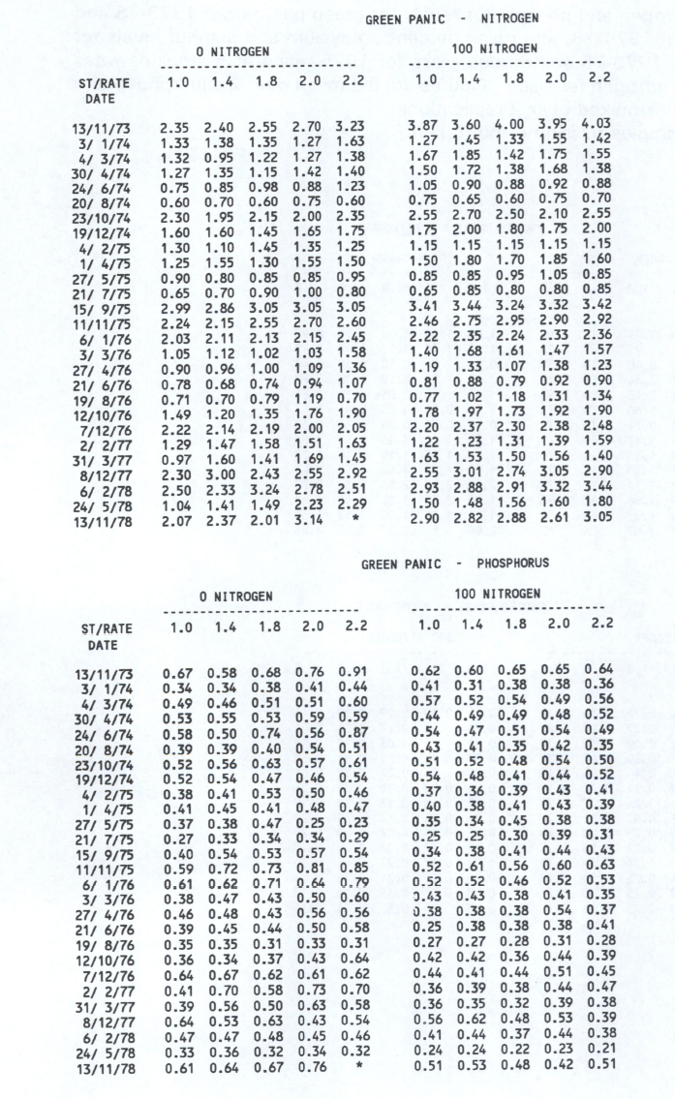
1973-11-13 | 2.35 | 2.4 | 2.55 | 2.7 | 3.23 | 0 | nitrogen | green_panic
1974-01-03 | 1.33 | 1.38 | 1.35 | 1.27 | 1.63 | 0 | nitrogen | green_panic
1974-03-04 | 1.32 | 0.95 | 1.22 | 1.27 | 1.38 | 0 | nitrogen | green_panic
1974-04-30 | 1.27 | 1.35 | 1.15 | 1.42 | 1.4 | 0 | nitrogen | green_panic
1974-06-24 | 0.75 | 0.85 | 0.98 | 0.88 | 1.23 | 0 | nitrogen | green_panic
1974-08-20 | 0.6 | 0.7 | 0.6 | 0.75 | 0.6 | 0 | nitrogen | green_panic
1974-10-23 | 2.3 | 1.95 | 2.15 | 2 | 2.35 | 0 | nitrogen | green_panic
1974-12-19 | 1.6 | 1.6 | 1.45 | 1.65 | 1.75 | 0 | nitrogen | green_panic
1975-02-04 | 1.3 | 1.1 | 1.45 | 1.35 | 1.25 | 0 | nitrogen | green_panic
1975-04-01 | 1.25 | 1.55 | 1.3 | 1.55 | 1.5 | 0 | nitrogen | green_panic
1975-05-27 | 0.9 | 0.8 | 0.85 | 0.85 | 0.95 | 0 | nitrogen | green_panic
1975-07-21 | 0.65 | 0.7 | 0.9 | 1 | 0.8 | 0 | nitrogen | green_panic
1975-09-15 | 2.99 | 2.86 | 3.05 | 3.05 | 3.05 | 0 | nitrogen | green_panic
1975-11-11 | 2.24 | 2.15 | 2.55 | 2.7 | 2.6 | 0 | nitrogen | green_panic
1976-01-06 | 2.03 | 2.11 | 2.13 | 2.15 | 2.45 | 0 | nitrogen | green_panic
1976-03-03 | 1.05 | 1.12 | 1.02 | 1.03 | 1.58 | 0 | nitrogen | green_panic
1976-04-27 | 0.9 | 0.96 | 1 | 1.09 | 1.36 | 0 | nitrogen | green_panic
1976-06-21 | 0.78 | 0.68 | 0.74 | 0.94 | 1.07 | 0 | nitrogen | green_panic
1976-08-19 | 0.71 | 0.7 | 0.79 | 1.19 | 0.7 | 0 | nitrogen | green_panic
1976-10-12 | 1.49 | 1.2 | 1.35 | 1.76 | 1.9 | 0 | nitrogen | green_panic
1976-12-07 | 2.22 | 2.14 | 2.19 | 2 | 2.05 | 0 | nitrogen | green_panic
1977-02-02 | 1.29 | 1.47 | 1.58 | 1.51 | 1.63 | 0 | nitrogen | green_panic
1977-03-31 | 0.97 | 1.6 | 1.41 | 1.69 | 1.45 | 0 | nitrogen | green_panic
1977-12-08 | 2.3 | 3 | 2.43 | 2.55 | 2.92 | 0 | nitrogen | green_panic
1978-02-06 | 2.5 | 2.33 | 3.24 | 2.78 | 2.51 | 0 | nitrogen | green_panic
1978-05-24 | 1.04 | 1.41 | 1.49 | 2.23 | 2.29 | 0 | nitrogen | green_panic
1978-11-13 | 2.07 | 2.37 | 2.01 | 3.14 | * | 0 | nitrogen | green_panic
1973-11-13 | 3.87 | 3.6 | 4 | 3.95 | 4.03 | 100 | nitrogen | green_panic
1974-01-03 | 1.27 | 1.45 | 1.33 | 1.55 | 1.42 | 100 | nitrogen | green_panic
1974-03-04 | 1.67 | 1.85 | 1.42 | 1.75 | 1.55 | 100 | nitrogen | green_panic
1974-04-30 | 1.5 | 1.72 | 1.38 | 1.68 | 1.38 | 100 | nitrogen | green_panic
1974-06-24 | 1.05 | 0.9 | 0.88 | 0.92 | 0.88 | 100 | nitrogen | green_panic
1974-08-20 | 0.75 | 0.65 | 0.6 | 0.75 | 0.7 | 100 | nitrogen | green_panic
1974-10-23 | 2.55 | 2.7 | 2.5 | 2.1 | 2.55 | 100 | nitrogen | green_panic
1974-12-19 | 1.75 | 2 | 1.8 | 1.75 | 2 | 100 | nitrogen | green_panic
1975-02-04 | 1.15 | 1.15 | 1.15 | 1.15 | 1.15 | 100 | nitrogen | green_panic
1975-04-01 | 1.5 | 1.8 | 1.7 | 1.85 | 1.6 | 100 | nitrogen | green_panic
1975-05-27 | 0.85 | 0.85 | 0.95 | 1.05 | 0.85 | 100 | nitrogen | green_panic
1975-07-21 | 0.65 | 0.85 | 0.8 | 0.8 | 0.85 | 100 | nitrogen | green_panic
1975-09-15 | 3.41 | 3.44 | 3.24 | 3.32 | 3.42 | 100 | nitrogen | green_panic
1975-11-11 | 2.46 | 2.75 | 2.95 | 2.9 | 2.92 | 100 | nitrogen | green_panic
1976-01-06 | 2.22 | 2.35 | 2.24 | 2.33 | 2.36 | 100 | nitrogen | green_panic
1976-03-03 | 1.4 | 1.68 | 1.61 | 1.47 | 1.57 | 100 | nitrogen | green_panic
1976-04-27 | 1.19 | 1.33 | 1.07 | 1.38 | 1.23 | 100 | nitrogen | green_panic
1976-06-21 | 0.81 | 0.88 | 0.79 | 0.92 | 0.9 | 100 | nitrogen | green_panic
1976-08-19 | 0.77 | 1.02 | 1.18 | 1.31 | 1.34 | 100 | nitrogen | green_panic
1976-10-12 | 1.78 | 1.97 | 1.73 | 1.92 | 1.9 | 100 | nitrogen | green_panic
1976-12-07 | 2.2 | 2.37 | 2.3 | 2.38 | 2.48 | 100 | nitrogen | green_panic
1977-02-02 | 1.22 | 1.23 | 1.31 | 1.39 | 1.59 | 100 | nitrogen | green_panic
1977-03-31 | 1.63 | 1.53 | 1.5 | 1.56 | 1.4 | 100 | nitrogen | green_panic
1977-12-08 | 2.55 | 3.01 | 2.74 | 3.05 | 2.9 | 100 | nitrogen | green_panic
1978-02-06 | 2.93 | 2.88 | 2.91 | 3.32 | 3.44 | 100 | nitrogen | green_panic
1978-05-24 | 1.5 | 1.48 | 1.56 | 1.6 | 1.8 | 100 | nitrogen | green_panic
1978-11-13 | 2.9 | 2.82 | 2.88 | 2.61 | 3.05 | 100 | nitrogen | green_panic
1973-11-13 | 0.67 | 0.58 | 0.68 | 0.76 | 0.91 | 0 | phosphorus | green_panic
1974-01-03 | 0.34 | 0.34 | 0.38 | 0.41 | 0.44 | 0 | phosphorus | green_panic
1974-03-04 | 0.49 | 0.46 | 0.51 | 0.51 | 0.6 | 0 | phosphorus | green_panic
1974-04-30 | 0.53 | 0.55 | 0.53 | 0.59 | 0.59 | 0 | phosphorus | green_panic
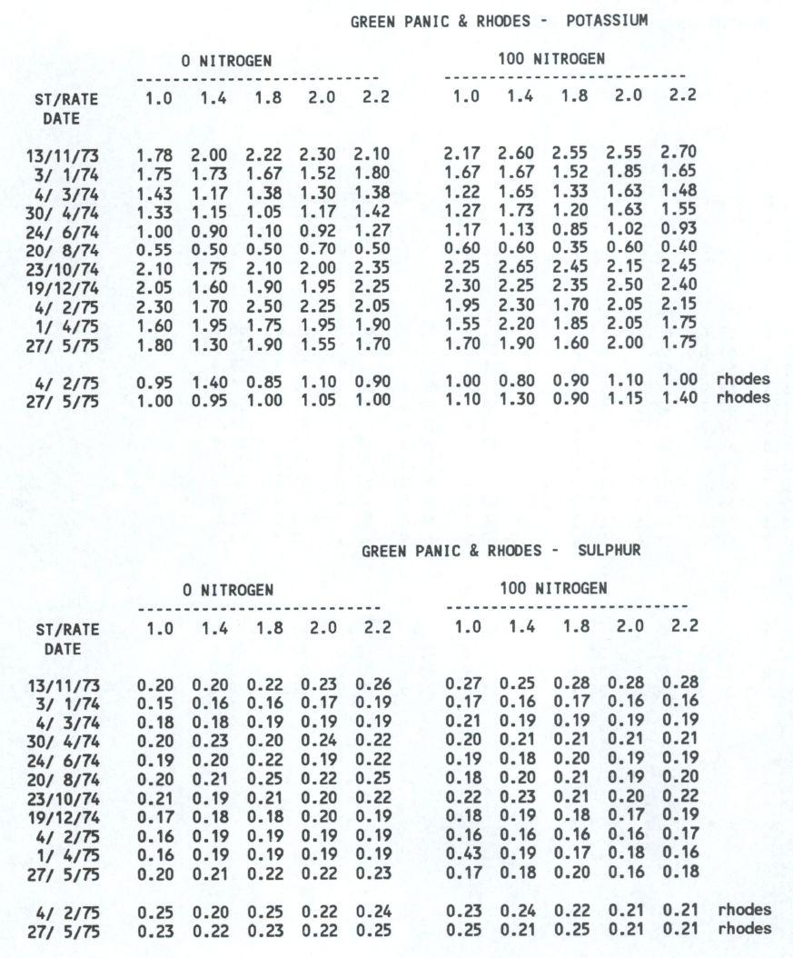
1974-06-24 | 0.58 | 0.5 | 0.74 | 0.56 | 0.87 | 0 | phosphorus | green_panic
1974-08-20 | 0.39 | 0.39 | 0.4 | 0.54 | 0.51 | 0 | phosphorus | green_panic
1974-10-23 | 0.52 | 0.56 | 0.63 | 0.57 | 0.61 | 0 | phosphorus | green_panic
1974-12-19 | 0.52 | 0.54 | 0.47 | 0.46 | 0.54 | 0 | phosphorus | green_panic
1975-02-04 | 0.38 | 0.41 | 0.53 | 0.5 | 0.46 | 0 | phosphorus | green_panic
1975-04-01 | 0.41 | 0.45 | 0.41 | 0.48 | 0.47 | 0 | phosphorus | green_panic
1975-05-27 | 0.37 | 0.38 | 0.47 | 0.25 | 0.23 | 0 | phosphorus | green_panic
1975-07-21 | 0.27 | 0.33 | 0.34 | 0.34 | 0.29 | 0 | phosphorus | green_panic
1975-09-15 | 0.4 | 0.54 | 0.53 | 0.57 | 0.54 | 0 | phosphorus | green_panic
1975-11-11 | 0.59 | 0.72 | 0.73 | 0.81 | 0.85 | 0 | phosphorus | green_panic
1976-01-06 | 0.61 | 0.62 | 0.71 | 0.64 | 0.79 | 0 | phosphorus | green_panic
1976-03-03 | 0.38 | 0.47 | 0.43 | 0.5 | 0.6 | 0 | phosphorus | green_panic
1976-04-27 | 0.46 | 0.48 | 0.43 | 0.56 | 0.56 | 0 | phosphorus | green_panic
1976-06-21 | 0.39 | 0.45 | 0.44 | 0.5 | 0.58 | 0 | phosphorus | green_panic
1976-08-19 | 0.35 | 0.35 | 0.31 | 0.33 | 0.31 | 0 | phosphorus | green_panic
1976-10-12 | 0.36 | 0.34 | 0.37 | 0.43 | 0.64 | 0 | phosphorus | green_panic
1976-12-07 | 0.64 | 0.67 | 0.62 | 0.61 | 0.62 | 0 | phosphorus | green_panic
1977-02-02 | 0.41 | 0.7 | 0.58 | 0.73 | 0.7 | 0 | phosphorus | green_panic
1977-03-31 | 0.39 | 0.56 | 0.5 | 0.63 | 0.58 | 0 | phosphorus | green_panic
1977-12-08 | 0.64 | 0.53 | 0.63 | 0.43 | 0.54 | 0 | phosphorus | green_panic
1978-02-06 | 0.47 | 0.47 | 0.48 | 0.45 | 0.46 | 0 | phosphorus | green_panic
1978-05-24 | 0.33 | 0.36 | 0.32 | 0.34 | 0.32 | 0 | phosphorus | green_panic
1978-11-13 | 0.61 | 0.64 | 0.67 | 0.76 | * | 0 | phosphorus | green_panic
1973-11-13 | 0.62 | 0.6 | 0.65 | 0.65 | 0.64 | 100 | phosphorus | green_panic
1974-01-03 | 0.41 | 0.31 | 0.38 | 0.38 | 0.36 | 100 | phosphorus | green_panic
1974-03-04 | 0.57 | 0.52 | 0.54 | 0.49 | 0.56 | 100 | phosphorus | green_panic
1974-04-30 | 0.44 | 0.49 | 0.49 | 0.48 | 0.52 | 100 | phosphorus | green_panic
1974-06-24 | 0.54 | 0.47 | 0.51 | 0.54 | 0.49 | 100 | phosphorus | green_panic
1974-08-20 | 0.43 | 0.41 | 0.35 | 0.42 | 0.35 | 100 | phosphorus | green_panic
1974-10-23 | 0.51 | 0.52 | 0.48 | 0.54 | 0.5 | 100 | phosphorus | green_panic
1974-12-19 | 0.54 | 0.48 | 0.41 | 0.44 | 0.52 | 100 | phosphorus | green_panic
1975-02-04 | 0.37 | 0.36 | 0.39 | 0.43 | 0.41 | 100 | phosphorus | green_panic
1975-04-01 | 0.4 | 0.38 | 0.41 | 0.43 | 0.39 | 100 | phosphorus | green_panic
1975-05-27 | 0.35 | 0.34 | 0.45 | 0.38 | 0.38 | 100 | phosphorus | green_panic
1975-07-21 | 0.25 | 0.25 | 0.3 | 0.39 | 0.31 | 100 | phosphorus | green_panic
1975-09-15 | 0.34 | 0.38 | 0.41 | 0.44 | 0.43 | 100 | phosphorus | green_panic
1975-11-11 | 0.52 | 0.61 | 0.56 | 0.6 | 0.63 | 100 | phosphorus | green_panic
1976-01-06 | 0.52 | 0.52 | 0.46 | 0.52 | 0.53 | 100 | phosphorus | green_panic
1976-03-03 | 0.43 | 0.43 | 0.38 | 0.41 | 0.35 | 100 | phosphorus | green_panic
1976-04-27 | 0.38 | 0.38 | 0.38 | 0.54 | 0.37 | 100 | phosphorus | green_panic
1976-06-21 | 0.25 | 0.38 | 0.38 | 0.38 | 0.41 | 100 | phosphorus | green_panic
1976-08-19 | 0.27 | 0.27 | 0.28 | 0.31 | 0.28 | 100 | phosphorus | green_panic
1976-10-12 | 0.42 | 0.42 | 0.36 | 0.44 | 0.39 | 100 | phosphorus | green_panic
1976-12-07 | 0.44 | 0.41 | 0.44 | 0.51 | 0.45 | 100 | phosphorus | green_panic
1977-02-02 | 0.36 | 0.39 | 0.38 | 0.44 | 0.47 | 100 | phosphorus | green_panic
1977-03-31 | 0.36 | 0.35 | 0.32 | 0.39 | 0.38 | 100 | phosphorus | green_panic
1977-12-08 | 0.56 | 0.62 | 0.48 | 0.53 | 0.39 | 100 | phosphorus | green_panic
1978-02-06 | 0.41 | 0.44 | 0.37 | 0.44 | 0.38 | 100 | phosphorus | green_panic
1978-05-24 | 0.24 | 0.24 | 0.22 | 0.23 | 0.21 | 100 | phosphorus | green_panic
1978-11-13 | 0.51 | 0.53 | 0.48 | 0.42 | 0.51 | 100 | phosphorus | green_panic
1973-11-13 | 2.35 | 2.4 | 2.55 | 2.7 | 3.23 | 0 | nitrogen | green_panic
1974-01-03 | 1.33 | 1.38 | 1.35 | 1.27 | 1.63 | 0 | nitrogen | green_panic
1974-03-04 | 1.32 | 0.95 | 1.22 | 1.27 | 1.38 | 0 | nitrogen | green_panic
1974-04-30 | 1.27 | 1.35 | 1.15 | 1.42 | 1.4 | 0 | nitrogen | green_panic
1974-06-24 | 0.75 | 0.85 | 0.98 | 0.88 | 1.23 | 0 | nitrogen | green_panic
1974-08-20 | 0.6 | 0.7 | 0.6 | 0.75 | 0.6 | 0 | nitrogen | green_panic
1974-10-23 | 2.3 | 1.95 | 2.15 | 2 | 2.35 | 0 | nitrogen | green_panic
1974-12-19 | 1.6 | 1.6 | 1.45 | 1.65 | 1.75 | 0 | nitrogen | green_panic
1975-02-04 | 1.3 | 1.1 | 1.45 | 1.35 | 1.25 | 0 | nitrogen | green_panic
1975-04-01 | 1.25 | 1.55 | 1.3 | 1.55 | 1.5 | 0 | nitrogen | green_panic
1975-05-27 | 0.9 | 0.8 | 0.85 | 0.85 | 0.95 | 0 | nitrogen | green_panic
1975-07-21 | 0.65 | 0.7 | 0.9 | 1 | 0.8 | 0 | nitrogen | green_panic
1975-09-15 | 2.99 | 2.86 | 3.05 | 3.05 | 3.05 | 0 | nitrogen | green_panic
1975-11-11 | 2.24 | 2.15 | 2.55 | 2.7 | 2.6 | 0 | nitrogen | green_panic
1976-01-06 | 2.03 | 2.11 | 2.13 | 2.15 | 2.45 | 0 | nitrogen | green_panic
1976-03-03 | 1.05 | 1.12 | 1.02 | 1.03 | 1.58 | 0 | nitrogen | green_panic
1976-04-27 | 0.9 | 0.96 | 1 | 1.09 | 1.36 | 0 | nitrogen | green_panic
1976-06-21 | 0.78 | 0.68 | 0.74 | 0.94 | 1.07 | 0 | nitrogen | green_panic
1976-08-19 | 0.71 | 0.7 | 0.79 | 1.19 | 0.7 | 0 | nitrogen | green_panic
1976-10-12 | 1.49 | 1.2 | 1.35 | 1.76 | 1.9 | 0 | nitrogen | green_panic
1976-12-07 | 2.22 | 2.14 | 2.19 | 2 | 2.05 | 0 | nitrogen | green_panic
1977-02-02 | 1.29 | 1.47 | 1.58 | 1.51 | 1.63 | 0 | nitrogen | green_panic
1977-03-31 | 0.97 | 1.6 | 1.41 | 1.69 | 1.45 | 0 | nitrogen | green_panic
1977-12-08 | 2.3 | 3 | 2.43 | 2.55 | 2.92 | 0 | nitrogen | green_panic
1978-02-06 | 2.5 | 2.33 | 3.24 | 2.78 | 2.51 | 0 | nitrogen | green_panic
1978-05-24 | 1.04 | 1.41 | 1.49 | 2.23 | 2.29 | 0 | nitrogen | green_panic
1978-11-13 | 2.07 | 2.37 | 2.01 | 3.14 | * | 0 | nitrogen | green_panic
1973-11-13 | 3.87 | 3.6 | 4 | 3.95 | 4.03 | 100 | nitrogen | green_panic
1974-01-03 | 1.27 | 1.45 | 1.33 | 1.55 | 1.42 | 100 | nitrogen | green_panic
1974-03-04 | 1.67 | 1.85 | 1.42 | 1.75 | 1.55 | 100 | nitrogen | green_panic
1974-04-30 | 1.5 | 1.72 | 1.38 | 1.68 | 1.38 | 100 | nitrogen | green_panic
1974-06-24 | 1.05 | 0.9 | 0.88 | 0.92 | 0.88 | 100 | nitrogen | green_panic
1974-08-20 | 0.75 | 0.65 | 0.6 | 0.75 | 0.7 | 100 | nitrogen | green_panic
1974-10-23 | 2.55 | 2.7 | 2.5 | 2.1 | 2.55 | 100 | nitrogen | green_panic
1974-12-19 | 1.75 | 2 | 1.8 | 1.75 | 2 | 100 | nitrogen | green_panic
1975-02-04 | 1.15 | 1.15 | 1.15 | 1.15 | 1.15 | 100 | nitrogen | green_panic
1975-04-01 | 1.5 | 1.8 | 1.7 | 1.85 | 1.6 | 100 | nitrogen | green_panic
1975-05-27 | 0.85 | 0.85 | 0.95 | 1.05 | 0.85 | 100 | nitrogen | green_panic
1975-07-21 | 0.65 | 0.85 | 0.8 | 0.8 | 0.85 | 100 | nitrogen | green_panic
1975-09-15 | 3.41 | 3.44 | 3.24 | 3.32 | 3.42 | 100 | nitrogen | green_panic
1975-11-11 | 2.46 | 2.75 | 2.95 | 2.9 | 2.92 | 100 | nitrogen | green_panic
1976-01-06 | 2.22 | 2.35 | 2.24 | 2.33 | 2.36 | 100 | nitrogen | green_panic
1976-03-03 | 1.4 | 1.68 | 1.61 | 1.47 | 1.57 | 100 | nitrogen | green_panic
1976-04-27 | 1.19 | 1.33 | 1.07 | 1.38 | 1.23 | 100 | nitrogen | green_panic
1976-06-21 | 0.81 | 0.88 | 0.79 | 0.92 | 0.9 | 100 | nitrogen | green_panic
1976-08-19 | 0.77 | 1.02 | 1.18 | 1.31 | 1.34 | 100 | nitrogen | green_panic
1976-10-12 | 1.78 | 1.97 | 1.73 | 1.92 | 1.9 | 100 | nitrogen | green_panic
1976-12-07 | 2.2 | 2.37 | 2.3 | 2.38 | 2.48 | 100 | nitrogen | green_panic
1977-02-02 | 1.22 | 1.23 | 1.31 | 1.39 | 1.59 | 100 | nitrogen | green_panic
1977-03-31 | 1.63 | 1.53 | 1.5 | 1.56 | 1.4 | 100 | nitrogen | green_panic
1977-12-08 | 2.55 | 3.01 | 2.74 | 3.05 | 2.9 | 100 | nitrogen | green_panic
1978-02-06 | 2.93 | 2.88 | 2.91 | 3.32 | 3.44 | 100 | nitrogen | green_panic
1978-05-24 | 1.5 | 1.48 | 1.56 | 1.6 | 1.8 | 100 | nitrogen | green_panic
1978-11-13 | 2.9 | 2.82 | 2.88 | 2.61 | 3.05 | 100 | nitrogen | green_panic
1973-11-13 | 0.67 | 0.58 | 0.68 | 0.76 | 0.91 | 0 | phosphorus | green_panic
1974-01-03 | 0.34 | 0.34 | 0.38 | 0.41 | 0.44 | 0 | phosphorus | green_panic
1974-03-04 | 0.49 | 0.46 | 0.51 | 0.51 | 0.6 | 0 | phosphorus | green_panic
1974-04-30 | 0.53 | 0.55 | 0.53 | 0.59 | 0.59 | 0 | phosphorus | green_panic
1974-06-24 | 0.58 | 0.5 | 0.74 | 0.56 | 0.87 | 0 | phosphorus | green_panic
1974-08-20 | 0.39 | 0.39 | 0.4 | 0.54 | 0.51 | 0 | phosphorus | green_panic
1974-10-23 | 0.52 | 0.56 | 0.63 | 0.57 | 0.61 | 0 | phosphorus | green_panic
1974-12-19 | 0.52 | 0.54 | 0.47 | 0.46 | 0.54 | 0 | phosphorus | green_panic
1975-02-04 | 0.38 | 0.41 | 0.53 | 0.5 | 0.46 | 0 | phosphorus | green_panic
1975-04-01 | 0.41 | 0.45 | 0.41 | 0.48 | 0.47 | 0 | phosphorus | green_panic
1975-05-27 | 0.37 | 0.38 | 0.47 | 0.25 | 0.23 | 0 | phosphorus | green_panic
1975-07-21 | 0.27 | 0.33 | 0.34 | 0.34 | 0.29 | 0 | phosphorus | green_panic
1975-09-15 | 0.4 | 0.54 | 0.53 | 0.57 | 0.54 | 0 | phosphorus | green_panic
1975-11-11 | 0.59 | 0.72 | 0.73 | 0.81 | 0.85 | 0 | phosphorus | green_panic
1976-01-06 | 0.61 | 0.62 | 0.71 | 0.64 | 0.79 | 0 | phosphorus | green_panic
1976-03-03 | 0.38 | 0.47 | 0.43 | 0.5 | 0.6 | 0 | phosphorus | green_panic
1976-04-27 | 0.46 | 0.48 | 0.43 | 0.56 | 0.56 | 0 | phosphorus | green_panic
1976-06-21 | 0.39 | 0.45 | 0.44 | 0.5 | 0.58 | 0 | phosphorus | green_panic
1976-08-19 | 0.35 | 0.35 | 0.31 | 0.33 | 0.31 | 0 | phosphorus | green_panic
1976-10-12 | 0.36 | 0.34 | 0.37 | 0.43 | 0.64 | 0 | phosphorus | green_panic
1976-12-07 | 0.64 | 0.67 | 0.62 | 0.61 | 0.62 | 0 | phosphorus | green_panic
1977-02-02 | 0.41 | 0.7 | 0.58 | 0.73 | 0.7 | 0 | phosphorus | green_panic
1977-03-31 | 0.39 | 0.56 | 0.5 | 0.63 | 0.58 | 0 | phosphorus | green_panic
1977-12-08 | 0.64 | 0.53 | 0.63 | 0.43 | 0.54 | 0 | phosphorus | green_panic
1978-02-06 | 0.47 | 0.47 | 0.48 | 0.45 | 0.46 | 0 | phosphorus | green_panic
1978-05-24 | 0.33 | 0.36 | 0.32 | 0.34 | 0.32 | 0 | phosphorus | green_panic
1978-11-13 | 0.61 | 0.64 | 0.67 | 0.76 | * | 0 | phosphorus | green_panic
1973-11-13 | 0.62 | 0.6 | 0.65 | 0.65 | 0.64 | 100 | phosphorus | green_panic
1974-01-03 | 0.41 | 0.31 | 0.38 | 0.38 | 0.36 | 100 | phosphorus | green_panic
1974-03-04 | 0.57 | 0.52 | 0.54 | 0.49 | 0.56 | 100 | phosphorus | green_panic
1974-04-30 | 0.44 | 0.49 | 0.49 | 0.48 | 0.52 | 100 | phosphorus | green_panic
1974-06-24 | 0.54 | 0.47 | 0.51 | 0.54 | 0.49 | 100 | phosphorus | green_panic
1974-08-20 | 0.43 | 0.41 | 0.35 | 0.42 | 0.35 | 100 | phosphorus | green_panic
1974-10-23 | 0.51 | 0.52 | 0.48 | 0.54 | 0.5 | 100 | phosphorus | green_panic
1974-12-19 | 0.54 | 0.48 | 0.41 | 0.44 | 0.52 | 100 | phosphorus | green_panic
1975-02-04 | 0.37 | 0.36 | 0.39 | 0.43 | 0.41 | 100 | phosphorus | green_panic
1975-04-01 | 0.4 | 0.38 | 0.41 | 0.43 | 0.39 | 100 | phosphorus | green_panic
1975-05-27 | 0.35 | 0.34 | 0.45 | 0.38 | 0.38 | 100 | phosphorus | green_panic
1975-07-21 | 0.25 | 0.25 | 0.3 | 0.39 | 0.31 | 100 | phosphorus | green_panic
1975-09-15 | 0.34 | 0.38 | 0.41 | 0.44 | 0.43 | 100 | phosphorus | green_panic
1975-11-11 | 0.52 | 0.61 | 0.56 | 0.6 | 0.63 | 100 | phosphorus | green_panic
1976-01-06 | 0.52 | 0.52 | 0.46 | 0.52 | 0.53 | 100 | phosphorus | green_panic
1976-03-03 | 0.43 | 0.43 | 0.38 | 0.41 | 0.35 | 100 | phosphorus | green_panic
1976-04-27 | 0.38 | 0.38 | 0.38 | 0.54 | 0.37 | 100 | phosphorus | green_panic
1976-06-21 | 0.25 | 0.38 | 0.38 | 0.38 | 0.41 | 100 | phosphorus | green_panic
1976-08-19 | 0.27 | 0.27 | 0.28 | 0.31 | 0.28 | 100 | phosphorus | green_panic
1976-10-12 | 0.42 | 0.42 | 0.36 | 0.44 | 0.39 | 100 | phosphorus | green_panic
1976-12-07 | 0.44 | 0.41 | 0.44 | 0.51 | 0.45 | 100 | phosphorus | green_panic
1977-02-02 | 0.36 | 0.39 | 0.38 | 0.44 | 0.47 | 100 | phosphorus | green_panic
1977-03-31 | 0.36 | 0.35 | 0.32 | 0.39 | 0.38 | 100 | phosphorus | green_panic
1977-12-08 | 0.56 | 0.62 | 0.48 | 0.53 | 0.39 | 100 | phosphorus | green_panic
1978-02-06 | 0.41 | 0.44 | 0.37 | 0.44 | 0.38 | 100 | phosphorus | green_panic
1978-05-24 | 0.24 | 0.24 | 0.22 | 0.23 | 0.21 | 100 | phosphorus | green_panic
1978-11-13 | 0.51 | 0.53 | 0.48 | 0.42 | 0.51 | 100 | phosphorus | green_panic

