Metadata
 | Paddock 1967-1972 | Paddock 1973+
 | 1 | 1
 | 2 | 2
Source: Image found below right found is Cam McDonalds hardcopy records | 3 | 3
Year - 1967 determined from Soil N numbers from the same document were an exact match for 1967 number. | 4 | 4
Paddock conversions from 36 to 40 paddocks in 1973 involved dividing paddock (top number in the maps) of 13, 18, 26 and 29. Side by side comparison of paddocks show below left, conversion table in column W and X | 5 | 5
 | 6 | 6
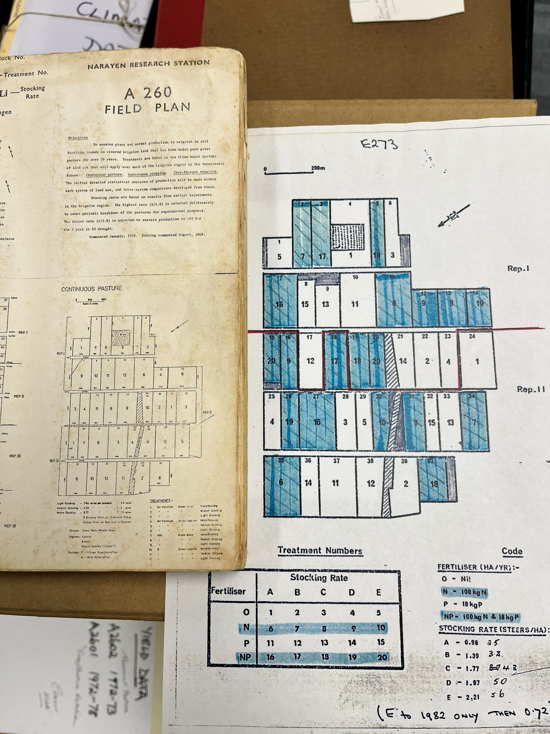
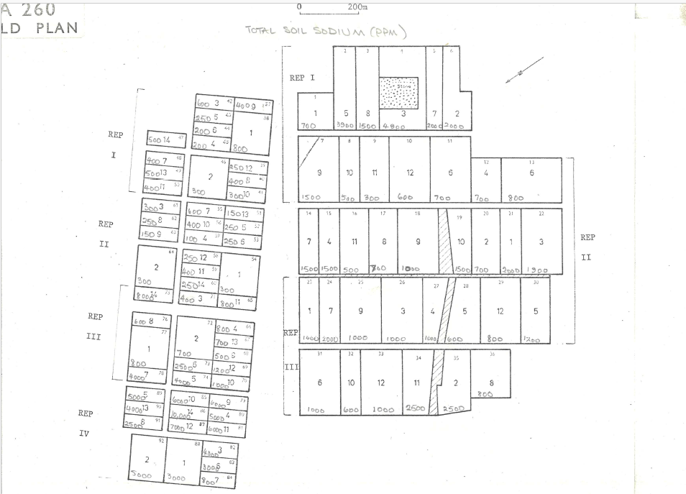
 | 7 | 7
 | 8 | 8
 | 9 | 9
 | 10 | 10
 | 11 | 11
 | 12 | 12
 | 13 | 13
 | 13 | 14
 | 14 | 15
 | 15 | 16
 | 16 | 17
 | 17 | 18
 | 18 | 19
 | 18 | 20
 | 19 | 21
 | 20 | 22
 | 21 | 23
 | 22 | 24
 | 23 | 25
 | 24 | 26
 | 25 | 27
 | 26 | 28
 | 26 | 29
 | 27 | 30
 | 28 | 31
 | 29 | 32
 | 29 | 33
 | 30 | 34
 | 31 | 35
 | 32 | 36
 | 33 | 37
 | 34 | 38
 | 35 | 39
 | 36 | 40

