Raw data
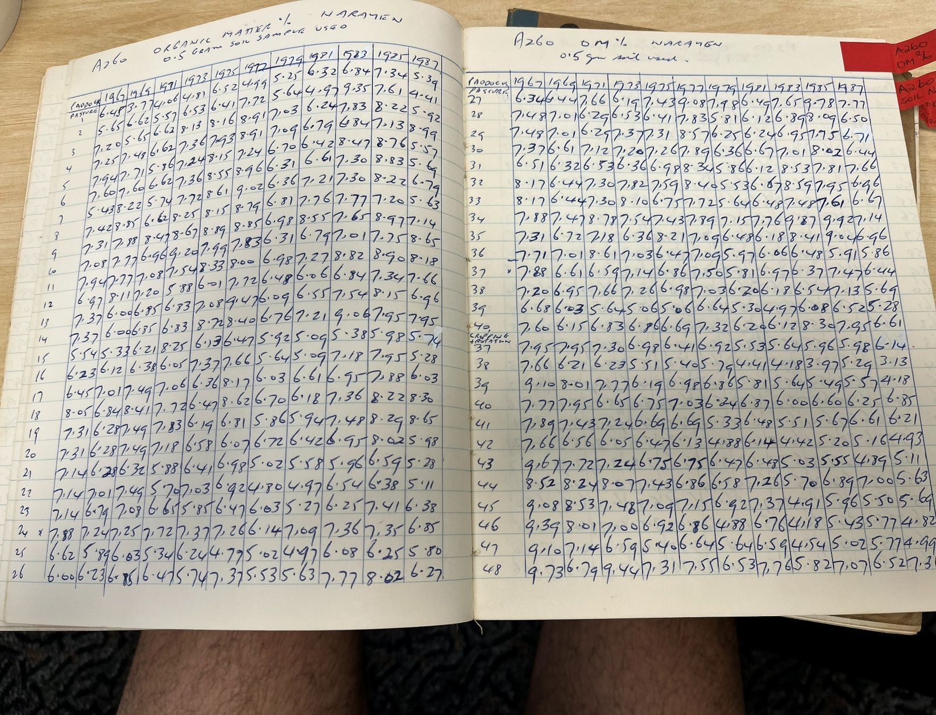
1973 | 1975 | 1977 | 1979 | 1981 | 1983 | 1985 | 1987
4.81 | 6.52 | 4.99 | 5.25 | 6.32 | 6.84 | 7.34 | 5.39
6.53 | 6.41 | 7.72 | 5.64 | 4.97 | 9.35 | 7.61 | 4.41
8.13 | 8.16 | 8.91 | 7.03 | 6.24 | 7.83 | 8.22 | 5.92
7.36 | 7.93 | 8.91 | 7.09 | 6.79 | 6.84 | 7.13 | 8.99
7.24 | 8.15 | 7.24 | 6.7 | 6.42 | 8.47 | 8.76 | 5.57
7.36 | 8.55 | 8.96 | 6.31 | 6.61 | 7.3 | 8.83 | 5.69
7.72 | 8.61 | 9.02 | 6.36 | 7.21 | 7.3 | 8.22 | 6.79
8.25 | 8.15 | 8.79 | 6.81 | 7.76 | 7.77 | 7.2 | 5.63
8.67 | 8.89 | 8.85 | 6.98 | 8.55 | 7.65 | 8.97 | 7.14
9.2 | 9.99 | 7.83 | 6.31 | 6.79 | 7.01 | 7.75 | 8.65
7.54 | 8.33 | 8 | 6.98 | 7.27 | 8.82 | 8.9 | 8.18
5.88 | 6.01 | 7.72 | 6.48 | 6.06 | 6.84 | 7.34 | 7.66
6.83 | 7.08 | 9.47 | 6.09 | 6.55 | 7.54 | 8.15 | 6.96
6.83 | 8.72 | 8.4 | 6.76 | 7.21 | 9.06 | 7.95 | 7.95
8.25 | 6.13 | 6.47 | 5.92 | 5.09 | 5.38 | 5.98 | 5.74
6.05 | 7.37 | 7.66 | 5.64 | 5.09 | 7.18 | 7.95 | 5.28
7.06 | 6.36 | 8.17 | 6.03 | 6.61 | 6.95 | 7.88 | 6.03
7.72 | 6.47 | 8.62 | 6.7 | 6.18 | 7.36 | 8.22 | 8.3
7.83 | 6.19 | 6.81 | 5.86 | 5.94 | 7.48 | 8.29 | 8.65
7.18 | 6.58 | 6.07 | 6.72 | 6.42 | 6.95 | 8.02 | 5.98
5.88 | 6.41 | 6.98 | 5.02 | 5.58 | 5.96 | 6.59 | 5.28
5.7 | 7.03 | 6.92 | 4.8 | 4.97 | 6.54 | 6.38 | 5.11
6.65 | 5.85 | 6.47 | 6.03 | 5.27 | 6.25 | 7.41 | 6.38
7.72 | 7.37 | 7.26 | 6.14 | 7.09 | 7.36 | 7.35 | 6.85
5.34 | 6.24 | 4.99 | 5.02 | 4.97 | 6.08 | 6.25 | 5.8
6.47 | 5.74 | 7.37 | 5.53 | 5.63 | 7.77 | 8.02 | 6.27
6.19 | 7.43 | 9.08 | 7.98 | 6.49 | 7.65 | 9.78 | 7.77
6.53 | 6.41 | 7.83 | 5.81 | 6.12 | 6.89 | 8.09 | 6.5

7.37 | 7.31 | 8.57 | 6.25 | 6.24 | 6.95 | 7.75 | 6.71
7.2 | 7.26 | 7.89 | 6.36 | 6.67 | 7.01 | 8.02 | 6.44
6.36 | 6.98 | 8.34 | 5.86 | 6.12 | 8.53 | 7.81 | 7.66
7.82 | 7.59 | 8.4 | 5.53 | 6.67 | 8.59 | 7.95 | 6.96
8.1 | 6.75 | 7.72 | 5.64 | 6.48 | 7.48 | 7.61 | 6.67
7.54 | 7.43 | 7.89 | 9.15 | 7.76 | 9.87 | 9.92 | 7.14
6.36 | 8.21 | 7.09 | 6.48 | 6.18 | 8.41 | 9.04 | 6.96
7.03 | 6.47 | 7.09 | 5.97 | 6.06 | 6.48 | 5.91 | 5.86
7.14 | 6.86 | 7.5 | 5.81 | 6.97 | 6.37 | 7.47 | 6.44
7.26 | 6.98 | 7.03 | 6.2 | 6.18 | 6.54 | 7.13 | 5.69
5.06 | 5.06 | 6.64 | 5.3 | 4.97 | 6.08 | 6.52 | 5.28
6.86 | 6.69 | 7.32 | 6.2 | 6.12 | 8.3 | 7.95 | 6.61

Metadata
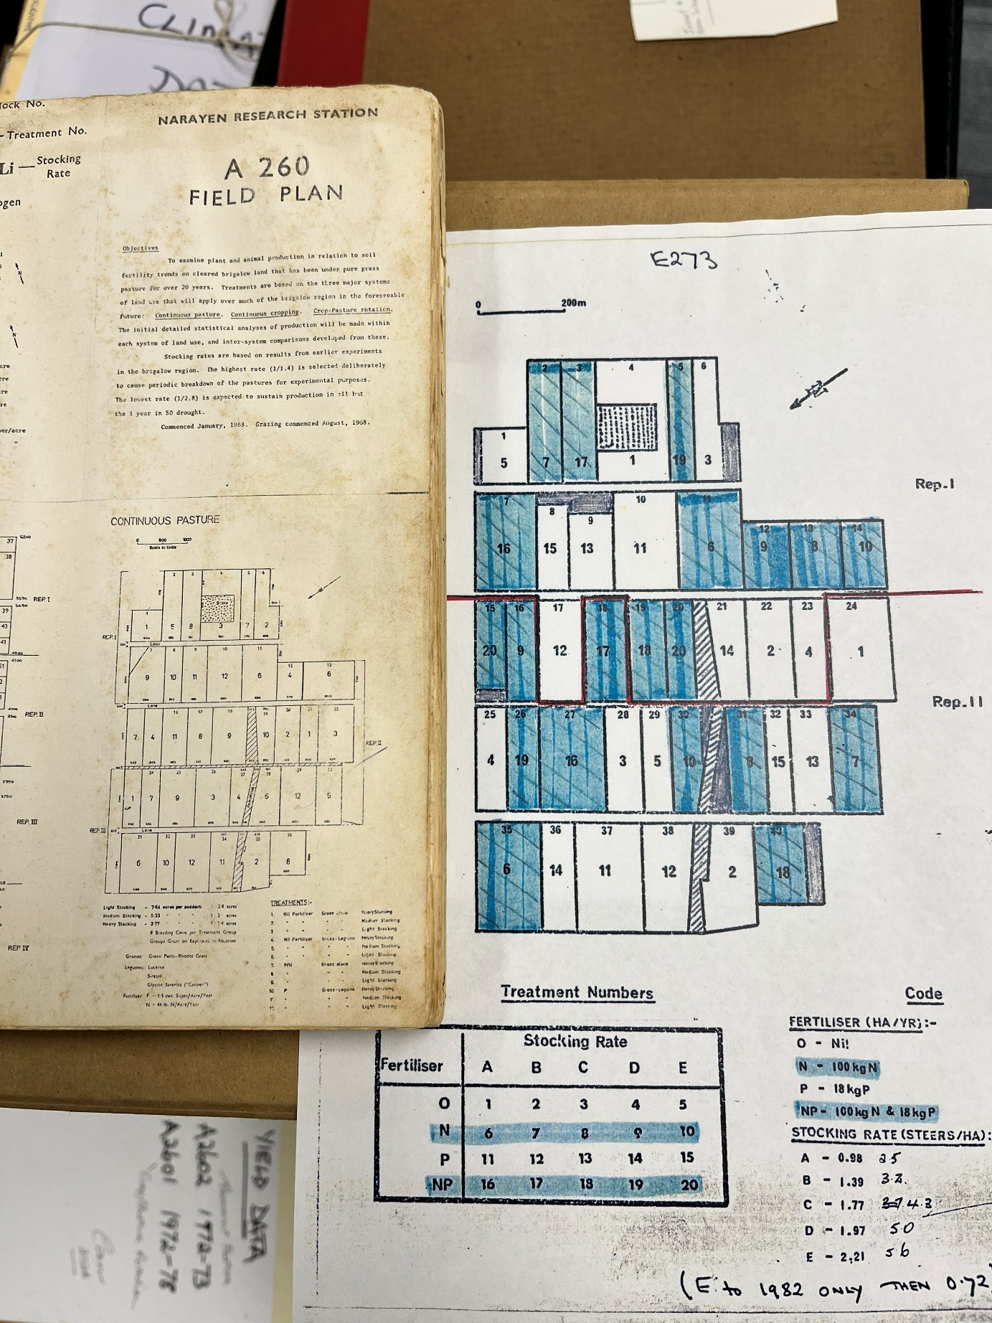
Percent organic matter per year per paddock

Title: A260 Organic matter % Narayen
Source: Cam McDonald’s lab book titled ' Soil analyse lab book 3. Paddock no. relate to the experiment field plan paddock no. for the long term pasture trial (see photo below).

%OM measurements are for all 40 paddocks with year in each column from 1967 to 1985, for odd numbered years.

