Trends
Paddock 1967-1972 | Paddock 1973+ | Sample | Stocking | N | Year | TotalSoilN
1 | 1 | A | 2.2 | 0 | 1967 | 0.3385
1 | 1 | A | 2.2 | 0 | 1969 | 0.3653 | Row Labels | Average of TotalSoilN
1 | 1 | A | 2.2 | 0 | 1971 | 0.3654 | 0 | 0.33
1 | 1 | A | 2.2 | 0 | 1973 | 0.3438 | 1 | 0.35
1 | 1 | A | 2.2 | 0 | 1975 | 0.3245 | 1.4 | 0.30
1 | 1 | A | 2.2 | 0 | 1977 | 0.3436 | 1.8 | 0.35
1 | 1 | A | 2.2 | 0 | 1979 | 0.296 | 2 | 0.31
1 | 1 | A | 2.2 | 0 | 1981 | 0.3136 | 2.2 | 0.33
1 | 1 | A | 2.2 | 0 | 1983 | 0.3012 | 100 | 0.35
1 | 1 | A | 2.2 | 0 | 1985 | 0.348 | 1 | 0.35
1 | 1 | A | 2.2 | 0 | 1987 | 0.148 | 1.4 | 0.37
1 | 1 | B | 2.2 | 0 | 1967 | 0.3081 | 1.8 | 0.35
1 | 1 | B | 2.2 | 0 | 1969 | 0.3669 | 2 | 0.33
1 | 1 | B | 2.2 | 0 | 1971 | 0.3724 | 2.2 | 0.34
1 | 1 | B | 2.2 | 0 | 1973 | 0.3196 | Grand Total | 0.34
1 | 1 | B | 2.2 | 0 | 1975 | 0.3481
1 | 1 | B | 2.2 | 0 | 1977 | 0.3323
1 | 1 | B | 2.2 | 0 | 1979 | 0.3025
1 | 1 | B | 2.2 | 0 | 1981 | 0.3136
1 | 1 | B | 2.2 | 0 | 1983 | 0.3012
1 | 1 | B | 2.2 | 0 | 1985 | 0.3853
1 | 1 | B | 2.2 | 0 | 1987 | 0.224
2 | 2 | A | 1.4 | 100 | 1967 | 0.2803
2 | 2 | A | 1.4 | 100 | 1969 | 0.3756
2 | 2 | A | 1.4 | 100 | 1971 | 0.4084
2 | 2 | A | 1.4 | 100 | 1973 | 0.3526
2 | 2 | A | 1.4 | 100 | 1975 | 0.3195
2 | 2 | A | 1.4 | 100 | 1977 | 0.3565
2 | 2 | A | 1.4 | 100 | 1979 | 0.311
2 | 2 | A | 1.4 | 100 | 1981 | 0.3154
2 | 2 | A | 1.4 | 100 | 1983 | 0.3999
2 | 2 | A | 1.4 | 100 | 1985 | 0.3992
2 | 2 | A | 1.4 | 100 | 1987 | 0.251
2 | 2 | B | 1.4 | 100 | 1967 | 0.2963
2 | 2 | B | 1.4 | 100 | 1969 | 0.3939
2 | 2 | B | 1.4 | 100 | 1971 | 0.3647
2 | 2 | B | 1.4 | 100 | 1973 | 0.3693
2 | 2 | B | 1.4 | 100 | 1975 | 0.3424
2 | 2 | B | 1.4 | 100 | 1977 | 0.3684
2 | 2 | B | 1.4 | 100 | 1979 | 0.3653
2 | 2 | B | 1.4 | 100 | 1981 | 0.3133
2 | 2 | B | 1.4 | 100 | 1983 | 0.3615
2 | 2 | B | 1.4 | 100 | 1985 | 0.4172
2 | 2 | B | 1.4 | 100 | 1987 | 0.314
3 | 3 | A | 1.4 | 100 | 1967 | 0.3445
3 | 3 | A | 1.4 | 100 | 1969 | 0.3735
3 | 3 | A | 1.4 | 100 | 1971 | 0.4128
3 | 3 | A | 1.4 | 100 | 1973 | 0.3864
3 | 3 | A | 1.4 | 100 | 1975 | 0.3978
3 | 3 | A | 1.4 | 100 | 1977 | 0.4442
3 | 3 | A | 1.4 | 100 | 1979 | 0.3829
3 | 3 | A | 1.4 | 100 | 1981 | 0.3599
3 | 3 | A | 1.4 | 100 | 1983 | 0.3451
3 | 3 | A | 1.4 | 100 | 1985 | 0.4238
3 | 3 | A | 1.4 | 100 | 1987 | 0.308
3 | 3 | B | 1.4 | 100 | 1967 | 0.4042
3 | 3 | B | 1.4 | 100 | 1969 | 0.3656
3 | 3 | B | 1.4 | 100 | 1971 | 0.3837
3 | 3 | B | 1.4 | 100 | 1973 | 0.4095
3 | 3 | B | 1.4 | 100 | 1975 | 0.3785
3 | 3 | B | 1.4 | 100 | 1977 | 0.3911
3 | 3 | B | 1.4 | 100 | 1979 | 0.368
3 | 3 | B | 1.4 | 100 | 1981 | 0.3501
3 | 3 | B | 1.4 | 100 | 1983 | 0.3396
3 | 3 | B | 1.4 | 100 | 1985 | 0.3719
3 | 3 | B | 1.4 | 100 | 1987 | 0.28
4 | 4 | A | 1 | 0 | 1967 | 0.3974
4 | 4 | A | 1 | 0 | 1969 | 0.3775
4 | 4 | A | 1 | 0 | 1971 | 0.4202
4 | 4 | A | 1 | 0 | 1973 | 0.343
4 | 4 | A | 1 | 0 | 1975 | 0.3446
4 | 4 | A | 1 | 0 | 1977 | 0.3723
4 | 4 | A | 1 | 0 | 1979 | 0.3346
4 | 4 | A | 1 | 0 | 1981 | 0.351
4 | 4 | A | 1 | 0 | 1983 | 0.3122
4 | 4 | A | 1 | 0 | 1985 | 0.362
4 | 4 | A | 1 | 0 | 1987 | 0.3
4 | 4 | B | 1 | 0 | 1967 | 0.295
4 | 4 | B | 1 | 0 | 1969 | 0.3891
4 | 4 | B | 1 | 0 | 1971 | 0.398
4 | 4 | B | 1 | 0 | 1973 | 0.3741
4 | 4 | B | 1 | 0 | 1975 | 0.3417
4 | 4 | B | 1 | 0 | 1977 | 0.3966
4 | 4 | B | 1 | 0 | 1979 | 0.3239
4 | 4 | B | 1 | 0 | 1981 | 0.3195
4 | 4 | B | 1 | 0 | 1983 | 0.3286
4 | 4 | B | 1 | 0 | 1985 | 0.4052
4 | 4 | B | 1 | 0 | 1987 | 0.243
5 | 5 | A | 2 | 100 | 1967 | 0.3674
5 | 5 | A | 2 | 100 | 1969 | 0.3866
5 | 5 | A | 2 | 100 | 1971 | 0.4342
5 | 5 | A | 2 | 100 | 1973 | 0.3744
5 | 5 | A | 2 | 100 | 1975 | 0.3707
5 | 5 | A | 2 | 100 | 1977 | 0.3733
5 | 5 | A | 2 | 100 | 1979 | 0.3381
5 | 5 | A | 2 | 100 | 1981 | 0.3148
5 | 5 | A | 2 | 100 | 1983 | 0.3176
5 | 5 | A | 2 | 100 | 1985 | 0.4392
5 | 5 | A | 2 | 100 | 1987 | 0.309
5 | 5 | B | 2 | 100 | 1967 | 0.4108
5 | 5 | B | 2 | 100 | 1969 | 0.3936
5 | 5 | B | 2 | 100 | 1971 | 0.3754
5 | 5 | B | 2 | 100 | 1973 | 0.3801
5 | 5 | B | 2 | 100 | 1975 | 0.3913
5 | 5 | B | 2 | 100 | 1977 | 0.4341
5 | 5 | B | 2 | 100 | 1979 | 0.3839
5 | 5 | B | 2 | 100 | 1981 | 0.3739
5 | 5 | B | 2 | 100 | 1983 | 0.356
5 | 5 | B | 2 | 100 | 1985 | 0.3853
5 | 5 | B | 2 | 100 | 1987 | 0.336
6 | 6 | A | 1.8 | 0 | 1967 | 0.4413
6 | 6 | A | 1.8 | 0 | 1969 | 0.3935
6 | 6 | A | 1.8 | 0 | 1971 | 0.4116
6 | 6 | A | 1.8 | 0 | 1973 | 0.3935
6 | 6 | A | 1.8 | 0 | 1975 | 0.406
6 | 6 | A | 1.8 | 0 | 1977 | 0.4127
6 | 6 | A | 1.8 | 0 | 1979 | 0.3744
6 | 6 | A | 1.8 | 0 | 1981 | 0.356
6 | 6 | A | 1.8 | 0 | 1983 | 0.3121
6 | 6 | A | 1.8 | 0 | 1985 | 0.4245
6 | 6 | A | 1.8 | 0 | 1987 | 0.327
6 | 6 | B | 1.8 | 0 | 1967 | 0.3985
6 | 6 | B | 1.8 | 0 | 1969 | 0.3956
6 | 6 | B | 1.8 | 0 | 1971 | 0.3945
6 | 6 | B | 1.8 | 0 | 1973 | 0.407
6 | 6 | B | 1.8 | 0 | 1975 | 0.3704
6 | 6 | B | 1.8 | 0 | 1977 | 0.4413
6 | 6 | B | 1.8 | 0 | 1979 | 0.367
6 | 6 | B | 1.8 | 0 | 1981 | 0.3626
6 | 6 | B | 1.8 | 0 | 1983 | 0.3286
6 | 6 | B | 1.8 | 0 | 1985 | 0.4445
6 | 6 | B | 1.8 | 0 | 1987 | 0.327
7 | 7 | A | 1 | 100 | 1967 | 0.2684
7 | 7 | A | 1 | 100 | 1969 | 0.3653
7 | 7 | A | 1 | 100 | 1971 | 0.3648
7 | 7 | A | 1 | 100 | 1973 | 0.3679
7 | 7 | A | 1 | 100 | 1975 | 0.3495
7 | 7 | A | 1 | 100 | 1977 | 0.3554
7 | 7 | A | 1 | 100 | 1979 | 0.3606
7 | 7 | A | 1 | 100 | 1981 | 0.3783
7 | 7 | A | 1 | 100 | 1983 | 0.3067
7 | 7 | A | 1 | 100 | 1985 | 0.3799
7 | 7 | A | 1 | 100 | 1987 | 0.242
7 | 7 | B | 1 | 100 | 1967 | 0.2742
7 | 7 | B | 1 | 100 | 1969 | 0.3612
7 | 7 | B | 1 | 100 | 1971 | 0.3767
7 | 7 | B | 1 | 100 | 1973 | 0.3549
7 | 7 | B | 1 | 100 | 1975 | 0.3622
7 | 7 | B | 1 | 100 | 1977 | 0.3312
7 | 7 | B | 1 | 100 | 1979 | 0.3574
7 | 7 | B | 1 | 100 | 1981 | 0.2977
7 | 7 | B | 1 | 100 | 1983 | 0.2902
7 | 7 | B | 1 | 100 | 1985 | 0.4006
7 | 7 | B | 1 | 100 | 1987 | 0.291
8 | 8 | A | 2.2 | 0 | 1967 | 0.4005
8 | 8 | A | 2.2 | 0 | 1969 | 0.3707
8 | 8 | A | 2.2 | 0 | 1971 | 0.3521
8 | 8 | A | 2.2 | 0 | 1973 | 0.3368
8 | 8 | A | 2.2 | 0 | 1975 | 0.3479
8 | 8 | A | 2.2 | 0 | 1977 | 0.3297
8 | 8 | A | 2.2 | 0 | 1979 | 0.307
8 | 8 | A | 2.2 | 0 | 1981 | 0.3727
8 | 8 | A | 2.2 | 0 | 1983 | 0.2847
8 | 8 | A | 2.2 | 0 | 1985 | 0.3174
8 | 8 | A | 2.2 | 0 | 1987 | 0.188
8 | 8 | B | 2.2 | 0 | 1967 | 0.4584
8 | 8 | B | 2.2 | 0 | 1969 | 0.3668
8 | 8 | B | 2.2 | 0 | 1971 | 0.296
8 | 8 | B | 2.2 | 0 | 1973 | 0.342
8 | 8 | B | 2.2 | 0 | 1975 | 0.2979
8 | 8 | B | 2.2 | 0 | 1977 | 0.3833
8 | 8 | B | 2.2 | 0 | 1979 | 0.2837
8 | 8 | B | 2.2 | 0 | 1981 | 0.2809
8 | 8 | B | 2.2 | 0 | 1983 | 0.2737
8 | 8 | B | 2.2 | 0 | 1985 | 0.3001
8 | 8 | B | 2.2 | 0 | 1987 | 0.25
9 | 9 | A | 1.8 | 0 | 1967 | 0.3543
9 | 9 | A | 1.8 | 0 | 1969 | 0.3937
9 | 9 | A | 1.8 | 0 | 1971 | 0.3943
9 | 9 | A | 1.8 | 0 | 1973 | 0.3428
9 | 9 | A | 1.8 | 0 | 1975 | 0.353
9 | 9 | A | 1.8 | 0 | 1977 | 0.3218
9 | 9 | A | 1.8 | 0 | 1979 | 0.3055
9 | 9 | A | 1.8 | 0 | 1981 | 0.3649
9 | 9 | A | 1.8 | 0 | 1983 | 0.2737
9 | 9 | A | 1.8 | 0 | 1985 | 0.4012
9 | 9 | A | 1.8 | 0 | 1987 | 0.266
9 | 9 | B | 1.8 | 0 | 1967 | 0.3705
9 | 9 | B | 1.8 | 0 | 1969 | 0.3936
9 | 9 | B | 1.8 | 0 | 1971 | 0.3819
9 | 9 | B | 1.8 | 0 | 1973 | 0.3839
9 | 9 | B | 1.8 | 0 | 1975 | 0.3399
9 | 9 | B | 1.8 | 0 | 1977 | 0.3599
9 | 9 | B | 1.8 | 0 | 1979 | 0.3007
9 | 9 | B | 1.8 | 0 | 1981 | 0.3782
9 | 9 | B | 1.8 | 0 | 1983 | 0.3012
9 | 9 | B | 1.8 | 0 | 1985 | 0.3487
9 | 9 | B | 1.8 | 0 | 1987 | 0.285
10 | 10 | A | 1 | 0 | 1967 | 0.3203
10 | 10 | A | 1 | 0 | 1969 | 0.42
10 | 10 | A | 1 | 0 | 1971 | 0.3532
10 | 10 | A | 1 | 0 | 1973 | 0.436
10 | 10 | A | 1 | 0 | 1975 | 0.4174
10 | 10 | A | 1 | 0 | 1977 | 0.4174
10 | 10 | A | 1 | 0 | 1979 | 0.335
10 | 10 | A | 1 | 0 | 1981 | 0.3335
10 | 10 | A | 1 | 0 | 1983 | 0.2957
10 | 10 | A | 1 | 0 | 1985 | 0.37
10 | 10 | A | 1 | 0 | 1987 | 0.261
10 | 10 | B | 1 | 0 | 1967 | 0.2979
10 | 10 | B | 1 | 0 | 1969 | 0.318
10 | 10 | B | 1 | 0 | 1971 | 0.3006
10 | 10 | B | 1 | 0 | 1973 | 0.3994
10 | 10 | B | 1 | 0 | 1975 | 0.3942
10 | 10 | B | 1 | 0 | 1977 | 0.3942
10 | 10 | B | 1 | 0 | 1979 | 0.3289
10 | 10 | B | 1 | 0 | 1981 | 0.3352
10 | 10 | B | 1 | 0 | 1983 | 0.3066
10 | 10 | B | 1 | 0 | 1985 | 0.3739
10 | 10 | B | 1 | 0 | 1987 | 0.229
11 | 11 | A | 1 | 100 | 1967 | 0.3976
11 | 11 | A | 1 | 100 | 1969 | 0.446
11 | 11 | A | 1 | 100 | 1971 | 0.4168
11 | 11 | A | 1 | 100 | 1973 | 0.3905
11 | 11 | A | 1 | 100 | 1975 | 0.4063
11 | 11 | A | 1 | 100 | 1977 | 0.4231
11 | 11 | A | 1 | 100 | 1979 | 0.3902
11 | 11 | A | 1 | 100 | 1981 | 0.4097
11 | 11 | A | 1 | 100 | 1983 | 0.3506
11 | 11 | A | 1 | 100 | 1985 | 0.4485
11 | 11 | A | 1 | 100 | 1987 | 0.264
11 | 11 | B | 1 | 100 | 1967 | 0.3699
11 | 11 | B | 1 | 100 | 1969 | 0.407
11 | 11 | B | 1 | 100 | 1971 | 0.395
11 | 11 | B | 1 | 100 | 1973 | 0.3949
11 | 11 | B | 1 | 100 | 1975 | 0.399
11 | 11 | B | 1 | 100 | 1977 | 0.437
11 | 11 | B | 1 | 100 | 1979 | 0.3915
11 | 11 | B | 1 | 100 | 1981 | 0.372
11 | 11 | B | 1 | 100 | 1983 | 0.3999
11 | 11 | B | 1 | 100 | 1985 | 0.3919
11 | 11 | B | 1 | 100 | 1987 | 0.289
12 | 12 | A | 2 | 100 | 1967 | 0.3964
12 | 12 | A | 2 | 100 | 1969 | 0.4038
12 | 12 | A | 2 | 100 | 1971 | 0.4119
12 | 12 | A | 2 | 100 | 1973 | 0.3712
12 | 12 | A | 2 | 100 | 1975 | 0.3072
12 | 12 | A | 2 | 100 | 1977 | 0.4172
12 | 12 | A | 2 | 100 | 1979 | 0.3926
12 | 12 | A | 2 | 100 | 1981 | 0.3397
12 | 12 | A | 2 | 100 | 1983 | 0.3176
12 | 12 | A | 2 | 100 | 1985 | 0.3799
12 | 12 | A | 2 | 100 | 1987 | 0.314
12 | 12 | B | 2 | 100 | 1967 | 0.4495
12 | 12 | B | 2 | 100 | 1969 | 0.4216
12 | 12 | B | 2 | 100 | 1971 | 0.403
12 | 12 | B | 2 | 100 | 1973 | 0.3458
12 | 12 | B | 2 | 100 | 1975 | 0.3317
12 | 12 | B | 2 | 100 | 1977 | 0.3748
12 | 12 | B | 2 | 100 | 1979 | 0.3751
12 | 12 | B | 2 | 100 | 1981 | 0.3638
12 | 12 | B | 2 | 100 | 1983 | 0.2957
12 | 12 | B | 2 | 100 | 1985 | 0.2009
12 | 12 | B | 2 | 100 | 1987 | 0.345
13 | 13 | A | 1.8 | 100 | 1967 | 0.27
13 | 13 | A | 1.8 | 100 | 1969 | 0.3995
13 | 13 | A | 1.8 | 100 | 1971 | 0.4087
13 | 13 | A | 1.8 | 100 | 1973 | 0.3365
13 | 13 | A | 1.8 | 100 | 1975 | 0.3501
13 | 13 | A | 1.8 | 100 | 1977 | 0.3851
13 | 13 | A | 1.8 | 100 | 1979 | 0.3413
13 | 13 | A | 1.8 | 100 | 1981 | 0.3658
13 | 13 | A | 1.8 | 100 | 1983 | 0.2628
13 | 13 | A | 1.8 | 100 | 1985 | 0.3367
13 | 13 | A | 1.8 | 100 | 1987 | 0.3
13 | 13 | B | 1.8 | 100 | 1967 | 0.3479
13 | 13 | B | 1.8 | 100 | 1969 | 0.352
13 | 13 | B | 1.8 | 100 | 1971 | 0.3922
13 | 13 | B | 1.8 | 100 | 1973 | 0.341
13 | 13 | B | 1.8 | 100 | 1975 | 0.3457
13 | 13 | B | 1.8 | 100 | 1977 | 0.3778
13 | 13 | B | 1.8 | 100 | 1979 | 0.3302
13 | 13 | B | 1.8 | 100 | 1981 | 0.3034
13 | 13 | B | 1.8 | 100 | 1983 | 0.3066
13 | 13 | B | 1.8 | 100 | 1985 | 0.4857
13 | 13 | B | 1.8 | 100 | 1987 | 0.417
13 | 14 | A | 2.2 | 100 | 1967 | 0.27
13 | 14 | A | 2.2 | 100 | 1969 | 0.3995
13 | 14 | A | 2.2 | 100 | 1971 | 0.4087
13 | 14 | A | 2.2 | 100 | 1973 | 0.3793
13 | 14 | A | 2.2 | 100 | 1975 | 0.3825
13 | 14 | A | 2.2 | 100 | 1977 | 0.444
13 | 14 | A | 2.2 | 100 | 1979 | 0.3814
13 | 14 | A | 2.2 | 100 | 1981 | 0.4073
13 | 14 | A | 2.2 | 100 | 1983 | 0.3396
13 | 14 | A | 2.2 | 100 | 1985 | 0.344
13 | 14 | A | 2.2 | 100 | 1987 | 0.278
13 | 14 | B | 2.2 | 100 | 1967 | 0.3479
13 | 14 | B | 2.2 | 100 | 1969 | 0.352
13 | 14 | B | 2.2 | 100 | 1971 | 0.3922
13 | 14 | B | 2.2 | 100 | 1973 | 0.3796
13 | 14 | B | 2.2 | 100 | 1975 | 0.4023
13 | 14 | B | 2.2 | 100 | 1977 | 0.4326
13 | 14 | B | 2.2 | 100 | 1979 | 0.4403
13 | 14 | B | 2.2 | 100 | 1981 | 0.4122
13 | 14 | B | 2.2 | 100 | 1983 | 0.4603
13 | 14 | B | 2.2 | 100 | 1985 | 0.4398
13 | 14 | B | 2.2 | 100 | 1987 | 0.287
14 | 15 | A | 2.2 | 100 | 1967 | 0.2785
14 | 15 | A | 2.2 | 100 | 1969 | 0.2889
14 | 15 | A | 2.2 | 100 | 1971 | 0.3127
14 | 15 | A | 2.2 | 100 | 1973 | 0.3235
14 | 15 | A | 2.2 | 100 | 1975 | 0.3027
14 | 15 | A | 2.2 | 100 | 1977 | 0.3365
14 | 15 | A | 2.2 | 100 | 1979 | 0.2962
14 | 15 | A | 2.2 | 100 | 1981 | 0.2924
14 | 15 | A | 2.2 | 100 | 1983 | 0.2353
14 | 15 | A | 2.2 | 100 | 1985 | 0.2934
14 | 15 | A | 2.2 | 100 | 1987 | 0.169
14 | 15 | B | 2.2 | 100 | 1967 | 0.2475
14 | 15 | B | 2.2 | 100 | 1969 | 0.2967
14 | 15 | B | 2.2 | 100 | 1971 | 0.3222
14 | 15 | B | 2.2 | 100 | 1973 | 0.3088
14 | 15 | B | 2.2 | 100 | 1975 | 0.3074
14 | 15 | B | 2.2 | 100 | 1977 | 0.3209
14 | 15 | B | 2.2 | 100 | 1979 | 0.2926
14 | 15 | B | 2.2 | 100 | 1981 | 0.2632
14 | 15 | B | 2.2 | 100 | 1983 | 0.2518
14 | 15 | B | 2.2 | 100 | 1985 | 0.3054
14 | 15 | B | 2.2 | 100 | 1987 | 0.209
15 | 16 | A | 2 | 100 | 1967 | 0.2449
15 | 16 | A | 2 | 100 | 1969 | 0.2899
15 | 16 | A | 2 | 100 | 1971 | 0.3077
15 | 16 | A | 2 | 100 | 1973 | 0.2896
15 | 16 | A | 2 | 100 | 1975 | 0.2875
15 | 16 | A | 2 | 100 | 1977 | 0.3401
15 | 16 | A | 2 | 100 | 1979 | 0.2904
15 | 16 | A | 2 | 100 | 1981 | 0.2664
15 | 16 | A | 2 | 100 | 1983 | 0.2792
15 | 16 | A | 2 | 100 | 1985 | 0.3759
15 | 16 | A | 2 | 100 | 1987 | 0.22
15 | 16 | B | 2 | 100 | 1967 | 0.2326
15 | 16 | B | 2 | 100 | 1969 | 0.3153
15 | 16 | B | 2 | 100 | 1971 | 0.3049
15 | 16 | B | 2 | 100 | 1973 | 0.3141
15 | 16 | B | 2 | 100 | 1975 | 0.3382
15 | 16 | B | 2 | 100 | 1977 | 0.3174
15 | 16 | B | 2 | 100 | 1979 | 0.2902
15 | 16 | B | 2 | 100 | 1981 | 0.2531
15 | 16 | B | 2 | 100 | 1983 | 0.2463
15 | 16 | B | 2 | 100 | 1985 | 0.366
15 | 16 | B | 2 | 100 | 1987 | 0.234
16 | 17 | A | 1.4 | 0 | 1967 | 0.3385
16 | 17 | A | 1.4 | 0 | 1969 | 0.3411
16 | 17 | A | 1.4 | 0 | 1971 | 0.3428
16 | 17 | A | 1.4 | 0 | 1973 | 0.3501
16 | 17 | A | 1.4 | 0 | 1975 | 0.3086
16 | 17 | A | 1.4 | 0 | 1977 | 0.3266
16 | 17 | A | 1.4 | 0 | 1979 | 0.3015
16 | 17 | A | 1.4 | 0 | 1981 | 0.3355
16 | 17 | A | 1.4 | 0 | 1983 | 0.2628
16 | 17 | A | 1.4 | 0 | 1985 | 0.3453
16 | 17 | A | 1.4 | 0 | 1987 | 0.211
16 | 17 | B | 1.4 | 0 | 1967 | 0.2879
16 | 17 | B | 1.4 | 0 | 1969 | 0.357
16 | 17 | B | 1.4 | 0 | 1971 | 0.3299
16 | 17 | B | 1.4 | 0 | 1973 | 0.3525
16 | 17 | B | 1.4 | 0 | 1975 | 0.3106
16 | 17 | B | 1.4 | 0 | 1977 | 0.3094
16 | 17 | B | 1.4 | 0 | 1979 | 0.3269
16 | 17 | B | 1.4 | 0 | 1981 | 0.3355
16 | 17 | B | 1.4 | 0 | 1983 | 0.2737
16 | 17 | B | 1.4 | 0 | 1985 | 0.3673
16 | 17 | B | 1.4 | 0 | 1987 | 0.26
17 | 18 | A | 1.4 | 100 | 1967 | 0.3022
17 | 18 | A | 1.4 | 100 | 1969 | 0.3723
17 | 18 | A | 1.4 | 100 | 1971 | 0.4302
17 | 18 | A | 1.4 | 100 | 1973 | 0.3493
17 | 18 | A | 1.4 | 100 | 1975 | 0.3374
17 | 18 | A | 1.4 | 100 | 1977 | 0.3838
17 | 18 | A | 1.4 | 100 | 1979 | 0.3785
17 | 18 | A | 1.4 | 100 | 1981 | 0.3636
17 | 18 | A | 1.4 | 100 | 1983 | 0.2902
17 | 18 | A | 1.4 | 100 | 1985 | 0.3959
17 | 18 | A | 1.4 | 100 | 1987 | 0.309
17 | 18 | B | 1.4 | 100 | 1967 | 0.3182
17 | 18 | B | 1.4 | 100 | 1969 | 0.4127
17 | 18 | B | 1.4 | 100 | 1971 | 0.3869
17 | 18 | B | 1.4 | 100 | 1973 | 0.3748
17 | 18 | B | 1.4 | 100 | 1975 | 0.3256
17 | 18 | B | 1.4 | 100 | 1977 | 0.3758
17 | 18 | B | 1.4 | 100 | 1979 | 0.374
17 | 18 | B | 1.4 | 100 | 1981 | 0.3289
17 | 18 | B | 1.4 | 100 | 1983 | 0.3281
17 | 18 | B | 1.4 | 100 | 1985 | 0.3873
17 | 18 | B | 1.4 | 100 | 1987 | 0.298
18 | 19 | A | 1.8 | 100 | 1967 | 0.2948
18 | 19 | A | 1.8 | 100 | 1969 | 0.3985
18 | 19 | A | 1.8 | 100 | 1971 | 0.4168
18 | 19 | A | 1.8 | 100 | 1973 | 0.4147
18 | 19 | A | 1.8 | 100 | 1975 | 0.3413
18 | 19 | A | 1.8 | 100 | 1977 | 0.3969
18 | 19 | A | 1.8 | 100 | 1979 | 0.3872
18 | 19 | A | 1.8 | 100 | 1981 | 0.3229
18 | 19 | A | 1.8 | 100 | 1983 | 0.3939
18 | 19 | A | 1.8 | 100 | 1985 | 0.4072
18 | 19 | A | 1.8 | 100 | 1987 | 0.306
18 | 19 | B | 1.8 | 100 | 1967 | 0.3413
18 | 19 | B | 1.8 | 100 | 1969 | 0.3552
18 | 19 | B | 1.8 | 100 | 1971 | 0.408
18 | 19 | B | 1.8 | 100 | 1973 | 0.3875
18 | 19 | B | 1.8 | 100 | 1975 | 0.3948
18 | 19 | B | 1.8 | 100 | 1977 | 0.4232
18 | 19 | B | 1.8 | 100 | 1979 | 0.3597
18 | 19 | B | 1.8 | 100 | 1981 | 0.3327
18 | 19 | B | 1.8 | 100 | 1983 | 0.2677
18 | 19 | B | 1.8 | 100 | 1985 | 0.4079
18 | 19 | B | 1.8 | 100 | 1987 | 0.347
18 | 20 | A | 2.2 | 100 | 1967 | 0.2948
18 | 20 | A | 2.2 | 100 | 1969 | 0.3985
18 | 20 | A | 2.2 | 100 | 1971 | 0.4168
18 | 20 | A | 2.2 | 100 | 1973 | 0.3752
18 | 20 | A | 2.2 | 100 | 1975 | 0.344
18 | 20 | A | 2.2 | 100 | 1977 | 0.3523
18 | 20 | A | 2.2 | 100 | 1979 | 0.3084
18 | 20 | A | 2.2 | 100 | 1981 | 0.3531
18 | 20 | A | 2.2 | 100 | 1983 | 0.3171
18 | 20 | A | 2.2 | 100 | 1985 | 0.4378
18 | 20 | A | 2.2 | 100 | 1987 | 0.283
18 | 20 | B | 2.2 | 100 | 1967 | 0.3413
18 | 20 | B | 2.2 | 100 | 1969 | 0.3552
18 | 20 | B | 2.2 | 100 | 1971 | 0.408
18 | 20 | B | 2.2 | 100 | 1973 | 0.3827
18 | 20 | B | 2.2 | 100 | 1975 | 0.3724
18 | 20 | B | 2.2 | 100 | 1977 | 0.3672
18 | 20 | B | 2.2 | 100 | 1979 | 0.3653
18 | 20 | B | 2.2 | 100 | 1981 | 0.3503
18 | 20 | B | 2.2 | 100 | 1983 | 0.3226
18 | 20 | B | 2.2 | 100 | 1985 | 0.3846
18 | 20 | B | 2.2 | 100 | 1987 | 0.217
19 | 21 | A | 2 | 0 | 1967 | 0.2892
19 | 21 | A | 2 | 0 | 1969 | 0.3209
19 | 21 | A | 2 | 0 | 1971 | 0.3275
19 | 21 | A | 2 | 0 | 1973 | 0.2754
19 | 21 | A | 2 | 0 | 1975 | 0.2782
19 | 21 | A | 2 | 0 | 1977 | 0.3315
19 | 21 | A | 2 | 0 | 1979 | 0.3275
19 | 21 | A | 2 | 0 | 1981 | 0.2873
19 | 21 | A | 2 | 0 | 1983 | 0.2842
19 | 21 | A | 2 | 0 | 1985 | 0.2961
19 | 21 | A | 2 | 0 | 1987 | 0.19
19 | 21 | B | 2 | 0 | 1967 | 0.3414
19 | 21 | B | 2 | 0 | 1969 | 0.3504
19 | 21 | B | 2 | 0 | 1971 | 0.3373
19 | 21 | B | 2 | 0 | 1973 | 0.3232
19 | 21 | B | 2 | 0 | 1975 | 0.3006
19 | 21 | B | 2 | 0 | 1977 | 0.3077
19 | 21 | B | 2 | 0 | 1979 | 0.3206
19 | 21 | B | 2 | 0 | 1981 | 0.2458
19 | 21 | B | 2 | 0 | 1983 | 0.2677
19 | 21 | B | 2 | 0 | 1985 | 0.3447
19 | 21 | B | 2 | 0 | 1987 | 0.19
20 | 22 | A | 1.4 | 0 | 1967 | 0.2929
20 | 22 | A | 1.4 | 0 | 1969 | 0.3824
20 | 22 | A | 1.4 | 0 | 1971 | 0.3816
20 | 22 | A | 1.4 | 0 | 1973 | 0.309
20 | 22 | A | 1.4 | 0 | 1975 | 0.3128
20 | 22 | A | 1.4 | 0 | 1977 | 0.3502
20 | 22 | A | 1.4 | 0 | 1979 | 0.3003
20 | 22 | A | 1.4 | 0 | 1981 | 0.2703
20 | 22 | A | 1.4 | 0 | 1983 | 0.2951
20 | 22 | A | 1.4 | 0 | 1985 | 0.4085
20 | 22 | A | 1.4 | 0 | 1987 | 0.226
20 | 22 | B | 1.4 | 0 | 1967 | 0.3681
20 | 22 | B | 1.4 | 0 | 1969 | 0.3295
20 | 22 | B | 1.4 | 0 | 1971 | 0.3387
20 | 22 | B | 1.4 | 0 | 1973 | 0.3194
20 | 22 | B | 1.4 | 0 | 1975 | 0.3344
20 | 22 | B | 1.4 | 0 | 1977 | 0.3785
20 | 22 | B | 1.4 | 0 | 1979 | 0.2958
20 | 22 | B | 1.4 | 0 | 1981 | 0.2928
20 | 22 | B | 1.4 | 0 | 1983 | 0.2787
20 | 22 | B | 1.4 | 0 | 1985 | 0.3347
20 | 22 | B | 1.4 | 0 | 1987 | 0.218
21 | 23 | A | 2 | 0 | 1967 | 0.3401
21 | 23 | A | 2 | 0 | 1969 | 0.3709
21 | 23 | A | 2 | 0 | 1971 | 0.3915
21 | 23 | A | 2 | 0 | 1973 | 0.3839
21 | 23 | A | 2 | 0 | 1975 | 0.3194
21 | 23 | A | 2 | 0 | 1977 | 0.3881
21 | 23 | A | 2 | 0 | 1979 | 0.3566
21 | 23 | A | 2 | 0 | 1981 | 0.35
21 | 23 | A | 2 | 0 | 1983 | 0.3006
21 | 23 | A | 2 | 0 | 1985 | 0.362
21 | 23 | A | 2 | 0 | 1987 | 0.246
21 | 23 | B | 2 | 0 | 1967 | 0.3412
21 | 23 | B | 2 | 0 | 1969 | 0.3573
21 | 23 | B | 2 | 0 | 1971 | 0.399
21 | 23 | B | 2 | 0 | 1973 | 0.3616
21 | 23 | B | 2 | 0 | 1975 | 0.3575
21 | 23 | B | 2 | 0 | 1977 | 0.3614
21 | 23 | B | 2 | 0 | 1979 | 0.3849
21 | 23 | B | 2 | 0 | 1981 | 0.2592
21 | 23 | B | 2 | 0 | 1983 | 0.2896
21 | 23 | B | 2 | 0 | 1985 | 0.4312
21 | 23 | B | 2 | 0 | 1987 | 0.303
22 | 24 | A | 1 | 0 | 1967 | 0.3819
22 | 24 | A | 1 | 0 | 1969 | 0.3947
22 | 24 | A | 1 | 0 | 1971 | 0.3931
22 | 24 | A | 1 | 0 | 1973 | 0.4312
22 | 24 | A | 1 | 0 | 1975 | 0.3377
22 | 24 | A | 1 | 0 | 1977 | 0.437
22 | 24 | A | 1 | 0 | 1979 | 0.3914
22 | 24 | A | 1 | 0 | 1981 | 0.3229
22 | 24 | A | 1 | 0 | 1983 | 0.35
22 | 24 | A | 1 | 0 | 1985 | 0.4731
22 | 24 | A | 1 | 0 | 1987 | 0.273
22 | 24 | B | 1 | 0 | 1967 | 0.3712
22 | 24 | B | 1 | 0 | 1969 | 0.4197
22 | 24 | B | 1 | 0 | 1971 | 0.3999
22 | 24 | B | 1 | 0 | 1973 | 0.3369
22 | 24 | B | 1 | 0 | 1975 | 0.3605
22 | 24 | B | 1 | 0 | 1977 | 0.4038
22 | 24 | B | 1 | 0 | 1979 | 0.3859
22 | 24 | B | 1 | 0 | 1981 | 0.3614
22 | 24 | B | 1 | 0 | 1983 | 0.339
22 | 24 | B | 1 | 0 | 1985 | 0.4265
22 | 24 | B | 1 | 0 | 1987 | 0.286
23 | 25 | A | 2 | 0 | 1967 | 0.2485
23 | 25 | A | 2 | 0 | 1969 | 0.307
23 | 25 | A | 2 | 0 | 1971 | 0.3086
23 | 25 | A | 2 | 0 | 1973 | 0.2782
23 | 25 | A | 2 | 0 | 1975 | 0.2913
23 | 25 | A | 2 | 0 | 1977 | 0.3147
23 | 25 | A | 2 | 0 | 1979 | 0.2827
23 | 25 | A | 2 | 0 | 1981 | 0.2366
23 | 25 | A | 2 | 0 | 1983 | 0.2732
23 | 25 | A | 2 | 0 | 1985 | 0.3161
23 | 25 | A | 2 | 0 | 1987 | 0.203
23 | 25 | B | 2 | 0 | 1967 | 0.2999
23 | 25 | B | 2 | 0 | 1969 | 0.3011
23 | 25 | B | 2 | 0 | 1971 | 0.3197
23 | 25 | B | 2 | 0 | 1973 | 0.2719
23 | 25 | B | 2 | 0 | 1975 | 0.3205
23 | 25 | B | 2 | 0 | 1977 | 0.2932
23 | 25 | B | 2 | 0 | 1979 | 0.27
23 | 25 | B | 2 | 0 | 1981 | 0.2624
23 | 25 | B | 2 | 0 | 1983 | 0.2677
23 | 25 | B | 2 | 0 | 1985 | 0.3194
23 | 25 | B | 2 | 0 | 1987 | 0.218
24 | 26 | A | 2 | 100 | 1967 | 0.252
24 | 26 | A | 2 | 100 | 1969 | 0.3253
24 | 26 | A | 2 | 100 | 1971 | 0.3167
24 | 26 | A | 2 | 100 | 1973 | 0.3032
24 | 26 | A | 2 | 100 | 1975 | 0.2955
24 | 26 | A | 2 | 100 | 1977 | 0.312
24 | 26 | A | 2 | 100 | 1979 | 0.3349
24 | 26 | A | 2 | 100 | 1981 | 0.3078
24 | 26 | A | 2 | 100 | 1983 | 0.3226
24 | 26 | A | 2 | 100 | 1985 | 0.3553
24 | 26 | A | 2 | 100 | 1987 | 0.243
24 | 26 | B | 2 | 100 | 1967 | 0.2687
24 | 26 | B | 2 | 100 | 1969 | 0.3185
24 | 26 | B | 2 | 100 | 1971 | 0.3308
24 | 26 | B | 2 | 100 | 1973 | 0.3028
24 | 26 | B | 2 | 100 | 1975 | 0.3271
24 | 26 | B | 2 | 100 | 1977 | 0.3589
24 | 26 | B | 2 | 100 | 1979 | 0.3343
24 | 26 | B | 2 | 100 | 1981 | 0.2967
24 | 26 | B | 2 | 100 | 1983 | 0.3171
24 | 26 | B | 2 | 100 | 1985 | 0.4019
24 | 26 | B | 2 | 100 | 1987 | 0.218
25 | 27 | A | 1 | 100 | 1967 | 0.2863
25 | 27 | A | 1 | 100 | 1969 | 0.3332
25 | 27 | A | 1 | 100 | 1971 | 0.3846
25 | 27 | A | 1 | 100 | 1973 | 0.3231
25 | 27 | A | 1 | 100 | 1975 | 0.3331
25 | 27 | A | 1 | 100 | 1977 | 0.3822
25 | 27 | A | 1 | 100 | 1979 | 0.3844
25 | 27 | A | 1 | 100 | 1981 | 0.2976
25 | 27 | A | 1 | 100 | 1983 | 0.3665
25 | 27 | A | 1 | 100 | 1985 | 0.3613
25 | 27 | A | 1 | 100 | 1987 | 0.263
25 | 27 | B | 1 | 100 | 1967 | 0.2919
25 | 27 | B | 1 | 100 | 1969 | 0.3283
25 | 27 | B | 1 | 100 | 1971 | 0.3361
25 | 27 | B | 1 | 100 | 1973 | 0.3307
25 | 27 | B | 1 | 100 | 1975 | 0.3294
25 | 27 | B | 1 | 100 | 1977 | 0.3433
25 | 27 | B | 1 | 100 | 1979 | 0.3415
25 | 27 | B | 1 | 100 | 1981 | 0.3241
25 | 27 | B | 1 | 100 | 1983 | 0.2786
25 | 27 | B | 1 | 100 | 1985 | 0.523
25 | 27 | B | 1 | 100 | 1987 | 0.323
26 | 28 | A | 1.8 | 0 | 1967 | 0.3034
26 | 28 | A | 1.8 | 0 | 1969 | 0.3798
26 | 28 | A | 1.8 | 0 | 1971 | 0.3617
26 | 28 | A | 1.8 | 0 | 1973 | 0.3308
26 | 28 | A | 1.8 | 0 | 1975 | 0.3474
26 | 28 | A | 1.8 | 0 | 1977 | 0.3474
26 | 28 | A | 1.8 | 0 | 1979 | 0.3289
26 | 28 | A | 1.8 | 0 | 1981 | 0.3152
26 | 28 | A | 1.8 | 0 | 1983 | 0.3006
26 | 28 | A | 1.8 | 0 | 1985 | 0.3387
26 | 28 | A | 1.8 | 0 | 1987 | 0.224
26 | 28 | B | 1.8 | 0 | 1967 | 0.3205
26 | 28 | B | 1.8 | 0 | 1969 | 0.3532
26 | 28 | B | 1.8 | 0 | 1971 | 0.3449
26 | 28 | B | 1.8 | 0 | 1973 | 0.3229
26 | 28 | B | 1.8 | 0 | 1975 | 0.3447
26 | 28 | B | 1.8 | 0 | 1977 | 0.3447
26 | 28 | B | 1.8 | 0 | 1979 | 0.3171
26 | 28 | B | 1.8 | 0 | 1981 | 0.2956
26 | 28 | B | 1.8 | 0 | 1983 | 0.2897
26 | 28 | B | 1.8 | 0 | 1985 | 0.3693
26 | 28 | B | 1.8 | 0 | 1987 | 0.232
26 | 29 | A | 2.2 | 0 | 1967 | 0.3034
26 | 29 | A | 2.2 | 0 | 1969 | 0.3798
26 | 29 | A | 2.2 | 0 | 1971 | 0.3617
26 | 29 | A | 2.2 | 0 | 1973 | 0.3558
26 | 29 | A | 2.2 | 0 | 1975 | 0.3277
26 | 29 | A | 2.2 | 0 | 1977 | 0.3326
26 | 29 | A | 2.2 | 0 | 1979 | 0.363
26 | 29 | A | 2.2 | 0 | 1981 | 0.3085
26 | 29 | A | 2.2 | 0 | 1983 | 0.2897
26 | 29 | A | 2.2 | 0 | 1985 | 0.3586
26 | 29 | A | 2.2 | 0 | 1987 | 0.244
26 | 29 | B | 2.2 | 0 | 1967 | 0.3205
26 | 29 | B | 2.2 | 0 | 1969 | 0.3532
26 | 29 | B | 2.2 | 0 | 1971 | 0.3449
26 | 29 | B | 2.2 | 0 | 1973 | 0.3113
26 | 29 | B | 2.2 | 0 | 1975 | 0.3572
26 | 29 | B | 2.2 | 0 | 1977 | 0.3501
26 | 29 | B | 2.2 | 0 | 1979 | 0.3389
26 | 29 | B | 2.2 | 0 | 1981 | 0.2859
26 | 29 | B | 2.2 | 0 | 1983 | 0.3006
26 | 29 | B | 2.2 | 0 | 1985 | 0.3806
26 | 29 | B | 2.2 | 0 | 1987 | 0.242
27 | 30 | A | 2.2 | 100 | 1967 | 0.3461
27 | 30 | A | 2.2 | 100 | 1969 | 0.3399
27 | 30 | A | 2.2 | 100 | 1971 | 0.3691
27 | 30 | A | 2.2 | 100 | 1973 | 0.3289
27 | 30 | A | 2.2 | 100 | 1975 | 0.3007
27 | 30 | A | 2.2 | 100 | 1977 | 0.2628
27 | 30 | A | 2.2 | 100 | 1979 | 0.3406
27 | 30 | A | 2.2 | 100 | 1981 | 0.3274
27 | 30 | A | 2.2 | 100 | 1983 | 0.3281
27 | 30 | A | 2.2 | 100 | 1985 | 0.3546
27 | 30 | A | 2.2 | 100 | 1987 | 0.264
27 | 30 | B | 2.2 | 100 | 1967 | 0.3213
27 | 30 | B | 2.2 | 100 | 1969 | 0.352
27 | 30 | B | 2.2 | 100 | 1971 | 0.3711
27 | 30 | B | 2.2 | 100 | 1973 | 0.3493
27 | 30 | B | 2.2 | 100 | 1975 | 0.3255
27 | 30 | B | 2.2 | 100 | 1977 | 0.2693
27 | 30 | B | 2.2 | 100 | 1979 | 0.3357
27 | 30 | B | 2.2 | 100 | 1981 | 0.2991
27 | 30 | B | 2.2 | 100 | 1983 | 0.3061
27 | 30 | B | 2.2 | 100 | 1985 | 0.3886
27 | 30 | B | 2.2 | 100 | 1987 | 0.308
28 | 31 | A | 1.8 | 100 | 1967 | 0.2834
28 | 31 | A | 1.8 | 100 | 1969 | 0.3634
28 | 31 | A | 1.8 | 100 | 1971 | 0.3304
28 | 31 | A | 1.8 | 100 | 1973 | 0.3247
28 | 31 | A | 1.8 | 100 | 1975 | 0.3165
28 | 31 | A | 1.8 | 100 | 1977 | 0.3379
28 | 31 | A | 1.8 | 100 | 1979 | 0.3571
28 | 31 | A | 1.8 | 100 | 1981 | 0.3079
28 | 31 | A | 1.8 | 100 | 1983 | 0.3719
28 | 31 | A | 1.8 | 100 | 1985 | 0.4065
28 | 31 | A | 1.8 | 100 | 1987 | 0.29
28 | 31 | B | 1.8 | 100 | 1967 | 0.2651
28 | 31 | B | 1.8 | 100 | 1969 | 0.3456
28 | 31 | B | 1.8 | 100 | 1971 | 0.3565
28 | 31 | B | 1.8 | 100 | 1973 | 0.3509
28 | 31 | B | 1.8 | 100 | 1975 | 0.3484
28 | 31 | B | 1.8 | 100 | 1977 | 0.3422
28 | 31 | B | 1.8 | 100 | 1979 | 0.3384
28 | 31 | B | 1.8 | 100 | 1981 | 0.3487
28 | 31 | B | 1.8 | 100 | 1983 | 0.339
28 | 31 | B | 1.8 | 100 | 1985 | 0.3779
28 | 31 | B | 1.8 | 100 | 1987 | 0.28
29 | 32 | A | 2.2 | 0 | 1967 | 0.3789
29 | 32 | A | 2.2 | 0 | 1969 | 0.4013
29 | 32 | A | 2.2 | 0 | 1971 | 0.3829
29 | 32 | A | 2.2 | 0 | 1973 | 0.401
29 | 32 | A | 2.2 | 0 | 1975 | 0.4137
29 | 32 | A | 2.2 | 0 | 1977 | 0.3683
29 | 32 | A | 2.2 | 0 | 1979 | 0.3666
29 | 32 | A | 2.2 | 0 | 1981 | 0.3555
29 | 32 | A | 2.2 | 0 | 1983 | 0.339
29 | 32 | A | 2.2 | 0 | 1985 | 0.3926
29 | 32 | A | 2.2 | 0 | 1987 | 0.28
29 | 32 | B | 2.2 | 0 | 1967 | 0.3179
29 | 32 | B | 2.2 | 0 | 1969 | 0.3917
29 | 32 | B | 2.2 | 0 | 1971 | 0.3719
29 | 32 | B | 2.2 | 0 | 1973 | 0.3808
29 | 32 | B | 2.2 | 0 | 1975 | 0.3597
29 | 32 | B | 2.2 | 0 | 1977 | 0.3456
29 | 32 | B | 2.2 | 0 | 1979 | 0.3475
29 | 32 | B | 2.2 | 0 | 1981 | 0.3913
29 | 32 | B | 2.2 | 0 | 1983 | 0.3555
29 | 32 | B | 2.2 | 0 | 1985 | 0.3999
29 | 32 | B | 2.2 | 0 | 1987 | 0.268
29 | 33 | A | 1.8 | 0 | 1967 | 0.3789
29 | 33 | A | 1.8 | 0 | 1969 | 0.4013
29 | 33 | A | 1.8 | 0 | 1971 | 0.3829
29 | 33 | A | 1.8 | 0 | 1973 | 0.3956
29 | 33 | A | 1.8 | 0 | 1975 | 0.3717
29 | 33 | A | 1.8 | 0 | 1977 | 0.3462
29 | 33 | A | 1.8 | 0 | 1979 | 0.3666
29 | 33 | A | 1.8 | 0 | 1981 | 0.3295
29 | 33 | A | 1.8 | 0 | 1983 | 0.3281
29 | 33 | A | 1.8 | 0 | 1985 | 0.3986
29 | 33 | A | 1.8 | 0 | 1987 | 0.243
29 | 33 | B | 1.8 | 0 | 1967 | 0.3179
29 | 33 | B | 1.8 | 0 | 1969 | 0.3917
29 | 33 | B | 1.8 | 0 | 1971 | 0.3719
29 | 33 | B | 1.8 | 0 | 1973 | 0.4084
29 | 33 | B | 1.8 | 0 | 1975 | 0.3418
29 | 33 | B | 1.8 | 0 | 1977 | 0.3517
29 | 33 | B | 1.8 | 0 | 1979 | 0.3796
29 | 33 | B | 1.8 | 0 | 1981 | 0.38
29 | 33 | B | 1.8 | 0 | 1983 | 0.35
29 | 33 | B | 1.8 | 0 | 1985 | 0.3573
29 | 33 | B | 1.8 | 0 | 1987 | 0.28
30 | 34 | A | 1.4 | 100 | 1967 | 0.3167
30 | 34 | A | 1.4 | 100 | 1969 | 0.4168
30 | 34 | A | 1.4 | 100 | 1971 | 0.4373
30 | 34 | A | 1.4 | 100 | 1973 | 0.4039
30 | 34 | A | 1.4 | 100 | 1975 | 0.3642
30 | 34 | A | 1.4 | 100 | 1977 | 0.4123
30 | 34 | A | 1.4 | 100 | 1979 | 0.4442
30 | 34 | A | 1.4 | 100 | 1981 | 0.4291
30 | 34 | A | 1.4 | 100 | 1983 | 0.5036
30 | 34 | A | 1.4 | 100 | 1985 | 0.4731
30 | 34 | A | 1.4 | 100 | 1987 | 0.311
30 | 34 | B | 1.4 | 100 | 1967 | 0.4391
30 | 34 | B | 1.4 | 100 | 1969 | 0.3871
30 | 34 | B | 1.4 | 100 | 1971 | 0.4055
30 | 34 | B | 1.4 | 100 | 1973 | 0.3982
30 | 34 | B | 1.4 | 100 | 1975 | 0.4065
30 | 34 | B | 1.4 | 100 | 1977 | 0.4111
30 | 34 | B | 1.4 | 100 | 1979 | 0.4376
30 | 34 | B | 1.4 | 100 | 1981 | 0.3913
30 | 34 | B | 1.4 | 100 | 1983 | 0.4487
30 | 34 | B | 1.4 | 100 | 1985 | 0.4658
30 | 34 | B | 1.4 | 100 | 1987 | 0.297
31 | 35 | A | 1 | 100 | 1967 | 0.292
31 | 35 | A | 1 | 100 | 1969 | 0.342
31 | 35 | A | 1 | 100 | 1971 | 0.3331
31 | 35 | A | 1 | 100 | 1973 | 0.3326
31 | 35 | A | 1 | 100 | 1975 | 0.364
31 | 35 | A | 1 | 100 | 1977 | 0.3495
31 | 35 | A | 1 | 100 | 1979 | 0.3443
31 | 35 | A | 1 | 100 | 1981 | 0.3183
31 | 35 | A | 1 | 100 | 1983 | 0.3774
31 | 35 | A | 1 | 100 | 1985 | 0.3759
31 | 35 | A | 1 | 100 | 1987 | 0.232
31 | 35 | B | 1 | 100 | 1967 | 0.3399
31 | 35 | B | 1 | 100 | 1969 | 0.3338
31 | 35 | B | 1 | 100 | 1971 | 0.3506
31 | 35 | B | 1 | 100 | 1973 | 0.3062
31 | 35 | B | 1 | 100 | 1975 | 0.3187
31 | 35 | B | 1 | 100 | 1977 | 0.2951
31 | 35 | B | 1 | 100 | 1979 | 0.3136
31 | 35 | B | 1 | 100 | 1981 | 0.3379
31 | 35 | B | 1 | 100 | 1983 | 0.3445
31 | 35 | B | 1 | 100 | 1985 | 0.3999
31 | 35 | B | 1 | 100 | 1987 | 0.27
32 | 36 | A | 2 | 0 | 1967 | 0.367
32 | 36 | A | 2 | 0 | 1969 | 0.3257
32 | 36 | A | 2 | 0 | 1971 | 0.3596
32 | 36 | A | 2 | 0 | 1973 | 0.3361
32 | 36 | A | 2 | 0 | 1975 | 0.2872
32 | 36 | A | 2 | 0 | 1977 | 0.3327
32 | 36 | A | 2 | 0 | 1979 | 0.3049
32 | 36 | A | 2 | 0 | 1981 | 0.2993
32 | 36 | A | 2 | 0 | 1983 | 0.2792
32 | 36 | A | 2 | 0 | 1985 | 0.3074
32 | 36 | A | 2 | 0 | 1987 | 0.248
32 | 36 | B | 2 | 0 | 1967 | 0.2694
32 | 36 | B | 2 | 0 | 1969 | 0.3308
32 | 36 | B | 2 | 0 | 1971 | 0.3769
32 | 36 | B | 2 | 0 | 1973 | 0.3341
32 | 36 | B | 2 | 0 | 1975 | 0.3136
32 | 36 | B | 2 | 0 | 1977 | 0.3467
32 | 36 | B | 2 | 0 | 1979 | 0.3193
32 | 36 | B | 2 | 0 | 1981 | 0.2812
32 | 36 | B | 2 | 0 | 1983 | 0.3012
32 | 36 | B | 2 | 0 | 1985 | 0.2542
32 | 36 | B | 2 | 0 | 1987 | 0.222
33 | 37 | A | 1 | 0 | 1967 | 0.3308
33 | 37 | A | 1 | 0 | 1969 | 0.3179
33 | 37 | A | 1 | 0 | 1971 | 0.3485
33 | 37 | A | 1 | 0 | 1973 | 0.3257
...

Lab book photos
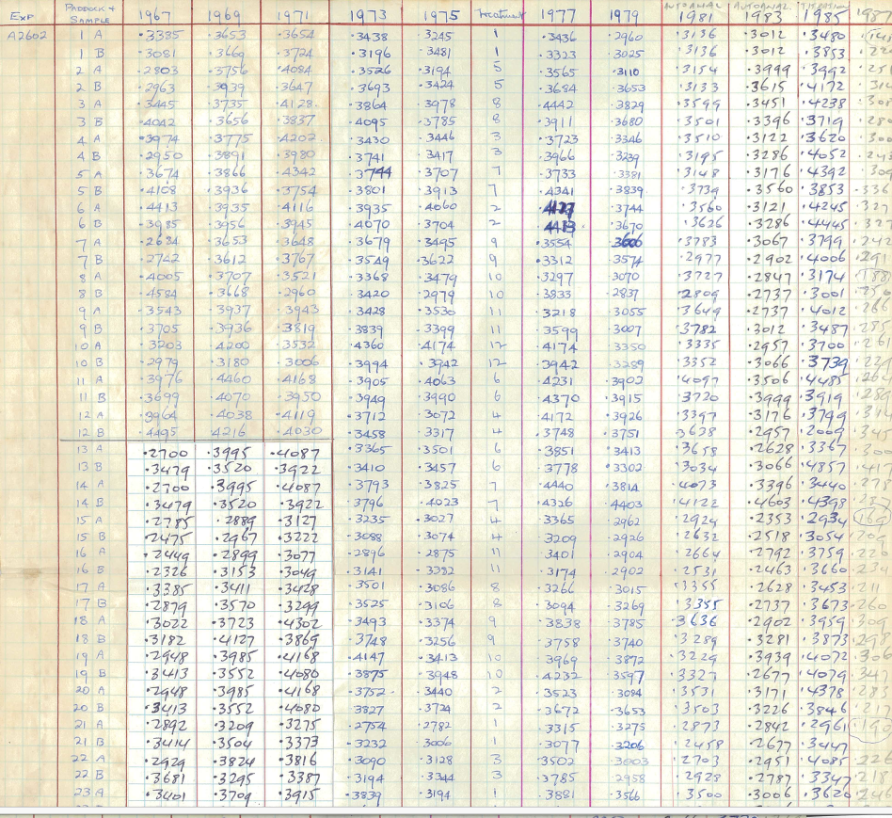
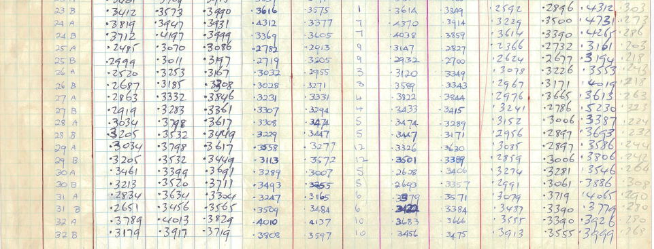

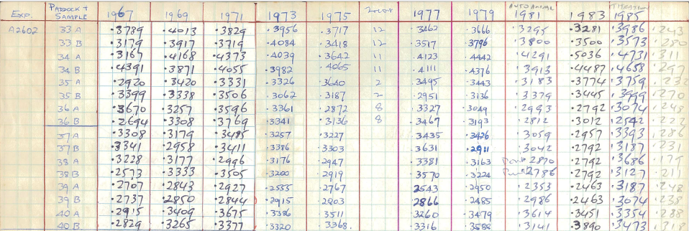

Other metadata
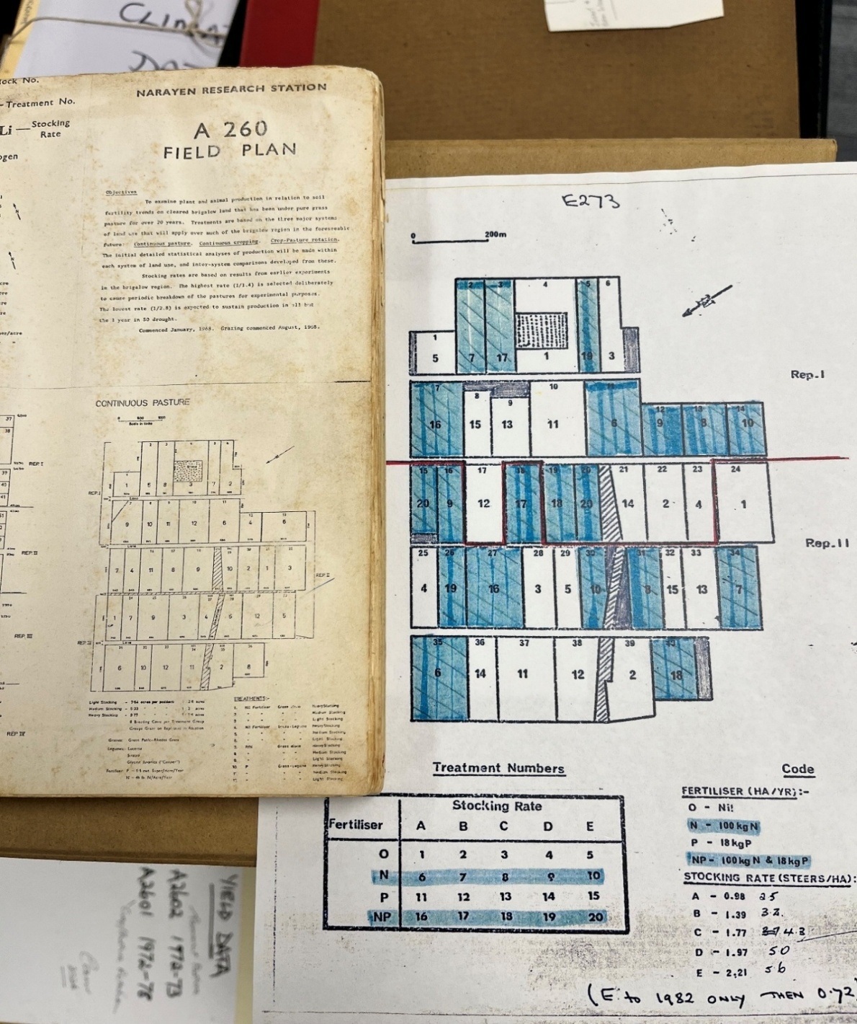
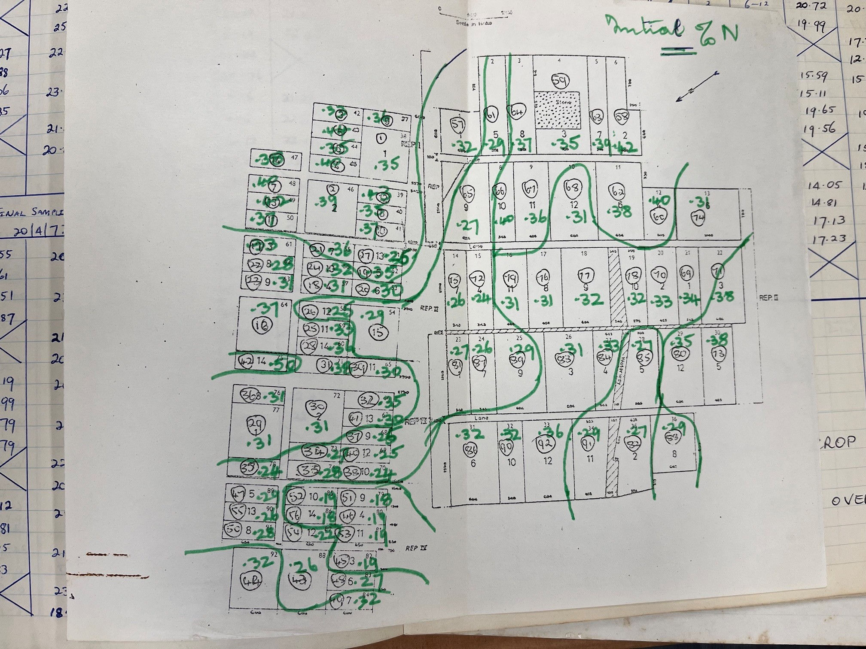
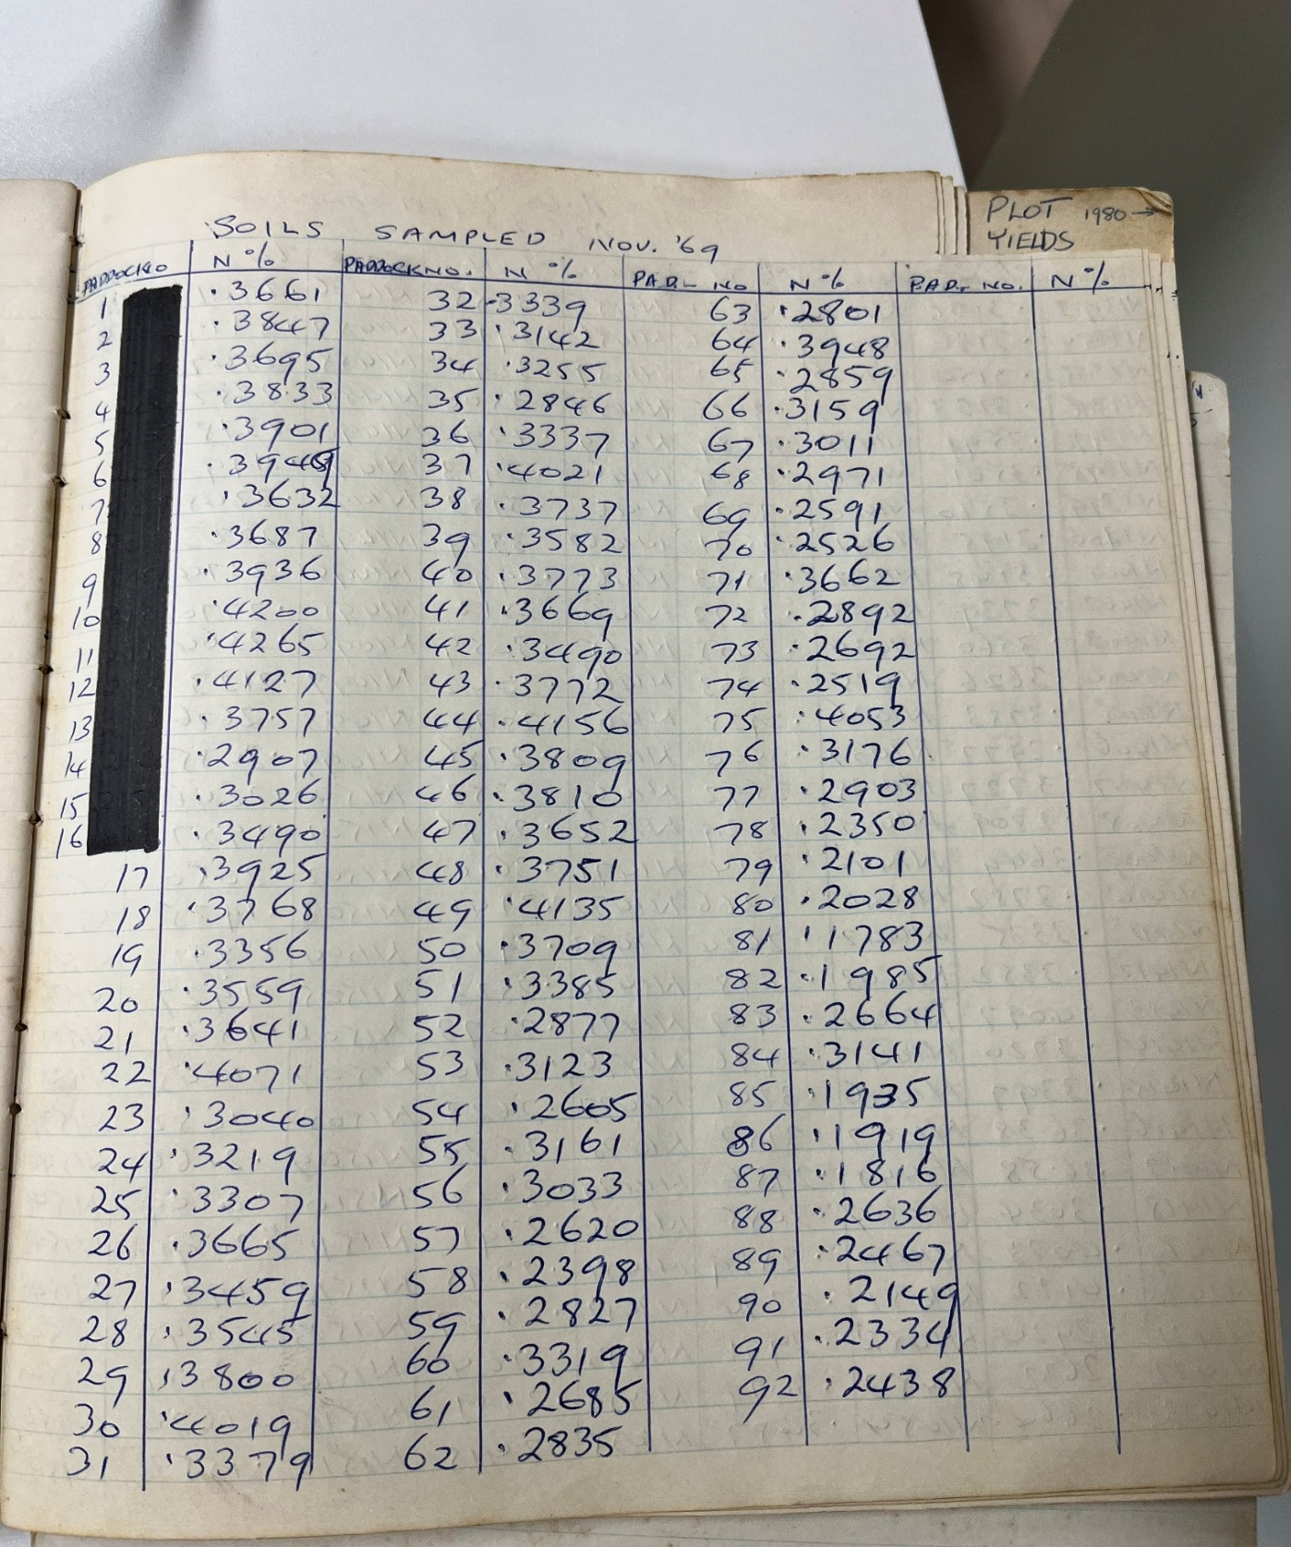
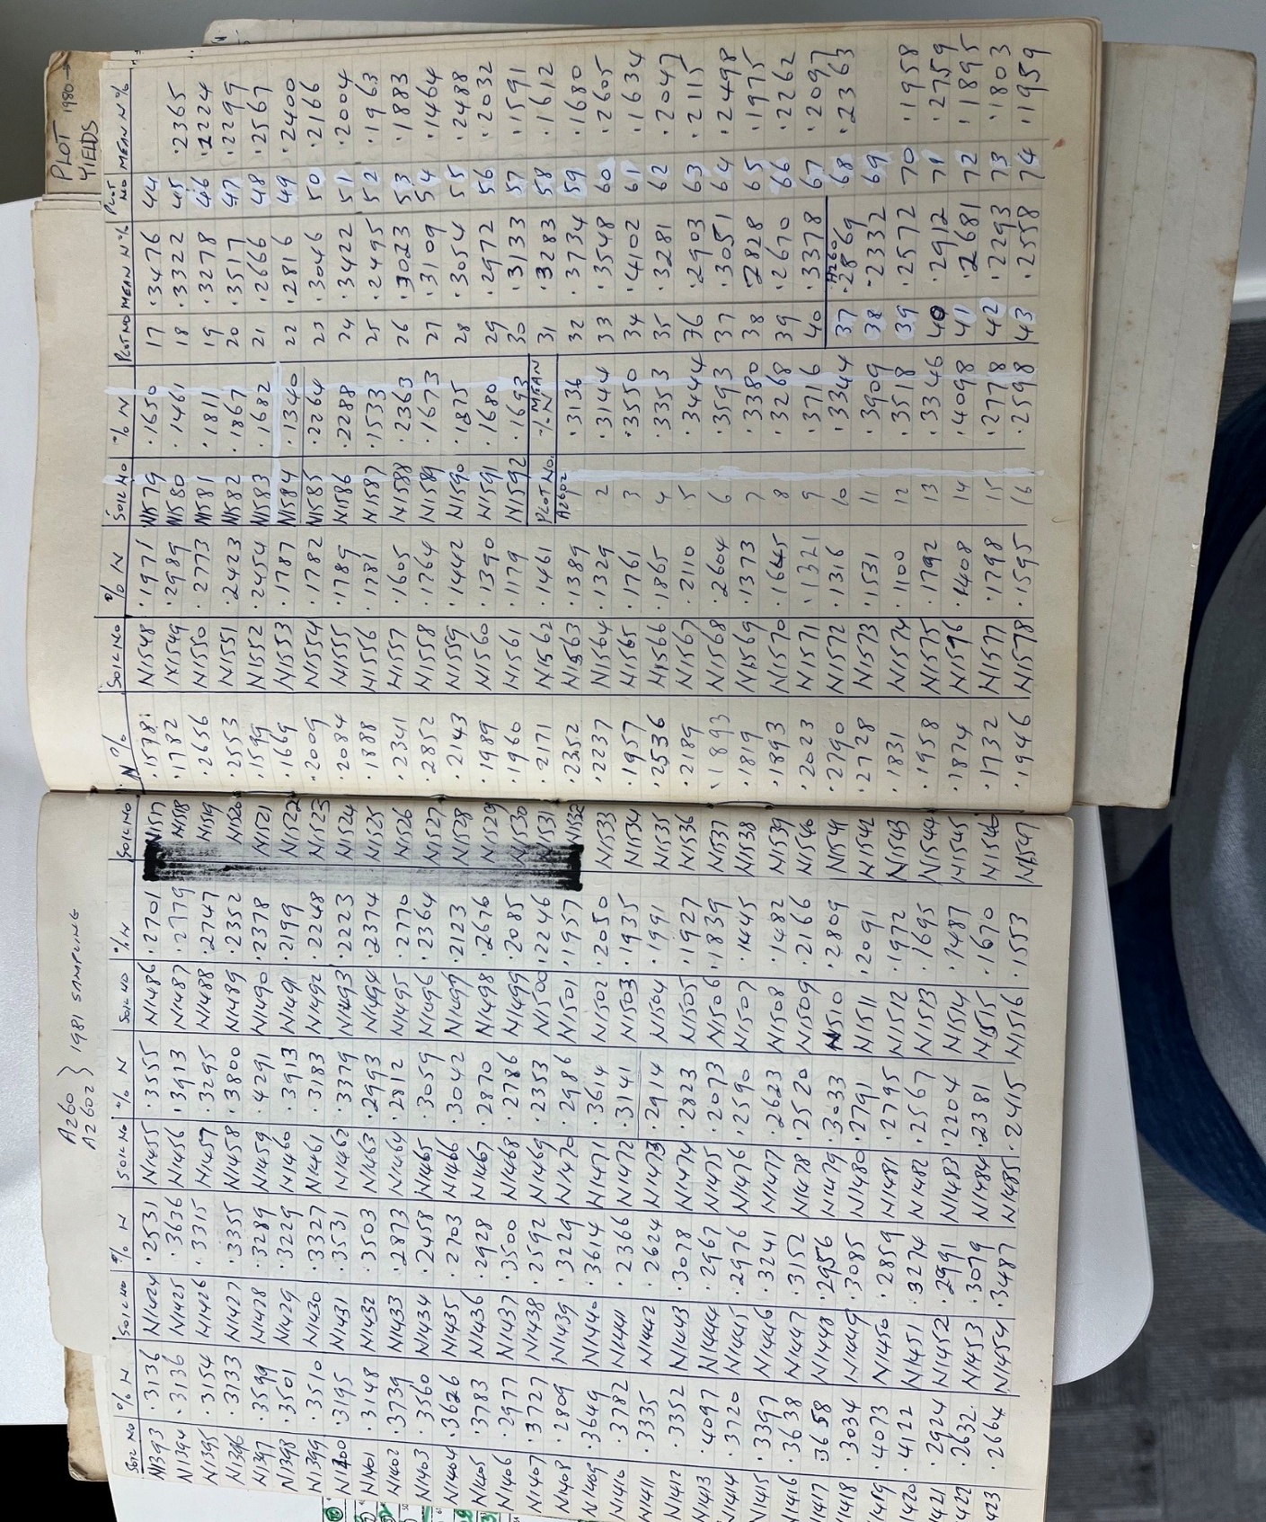
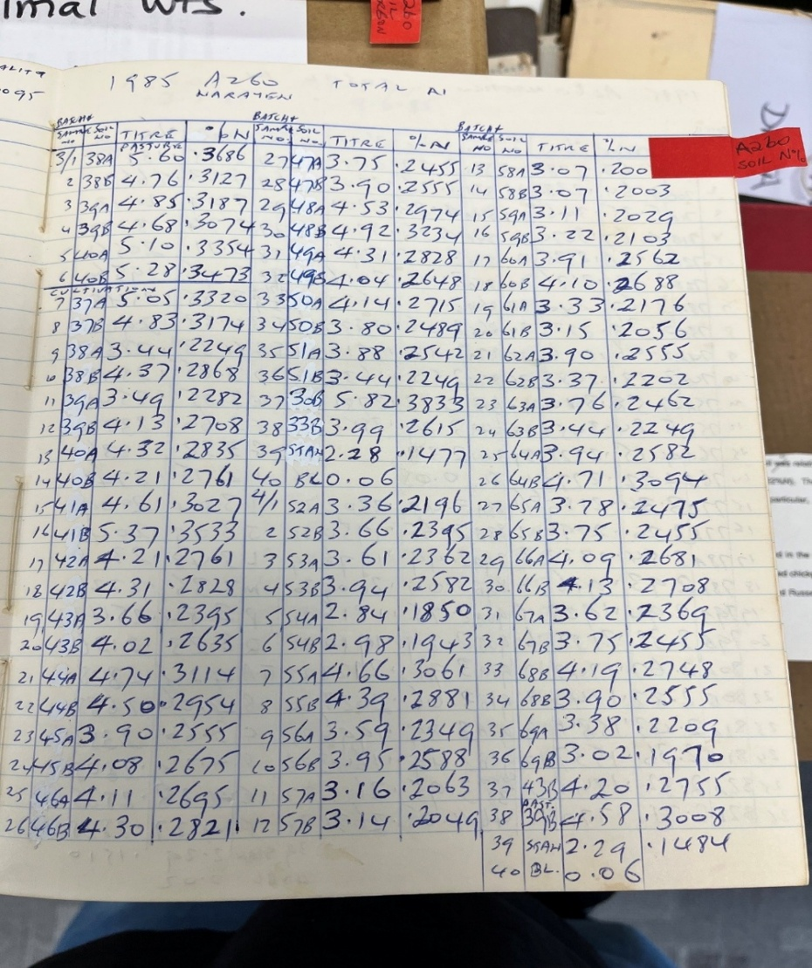
Data surce was from lab books provided by Cam McDonald
Photos of the lab books under 'Lab book photos' tab.
Note: Paddock were changed in 1973 to commence phase 2 of the trial with new treatments. The old 36 paddock field design was converted to a 40 paddock design (see side by side photo of paddocks) by splitting paddock number 13, 18, 26 and 29 (paddock no. is the top number, bottom number is the treatment number)
In the 1985 data, samples were split into A and B analytical replicates, these are maintained in the spreadsheet.

Total soil N measurements were cross checked with photos and info below:
1967? Data: Map found in J.S. Russell soil analyse lab book 1
1969 Data: Lab book labedl ' Narayen experiment results, Pasture, crop & soil, N&P
1981 Data: Lab book labedl ' Narayen experiment results, Pasture, crop & soil, N&P
1985 Data: Soil analyses lab book 3

