INSTRUCTIONS
Excel Upload Orders Instructions:

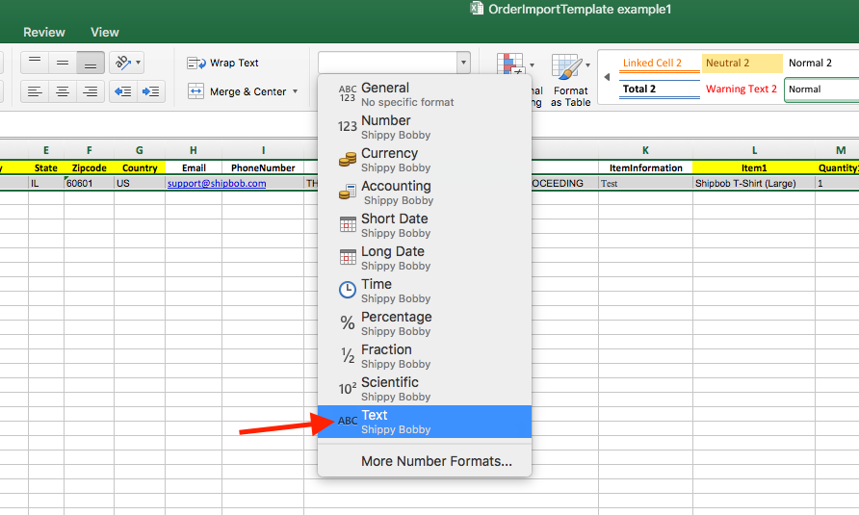
Step 1 | Add your orders to the "Add Orders Here" tab.
 | 1A | You can add up to 10 items per order. "Item1" and "Quantity1" correspond to each other, e.g. Item1 = ShipBob T-Shirt (L) and Quantity1 = 3 means "this order has 3 Large ShipBob T-Shirts in it"
 | 1B | Ensure that the values in the "Item1", "Item2", etc columns match EXACTLY the name of your Product in ShipBob.
 | 1C | Ensure that the formatting for all rows is "Text". If any of your fields (even Zip Code) are numeric, your upload will fail (see image on right)
 | 1D | Ensure that all fmandatory ields in YELLOW are filled in for every order (Name, Address1, City, State, Zipcode, Country, Item1, Quantity1)
 |  | Shipping Internationally? Some countries do not have Zip Codes. If this is the case, please put the country abbreviation there instead. The zip code field MUST have a value or your upload will fail. You can reference this on the "Country Codes & Names" tab of this document.
 |  | A note on Zip Codes: all US zip codes must be 5 digit. If the Zip Code starts with a 0, you must ensure the 0 is written in the cell, e.g. "02341"
 | 1E | Please do not upload more than 1,000 orders at any time.
 | 1F | If you are copying data from elsewhere, please ensure you paste VALUES only in this file
 | 1G | "Store Order Id" is an optional field for adding any reference to your orders. This will be reflected in the dashboard corresponding to your order.
Step 2 | Save the file with a unique name, e.g. "ShipbobOrderUpload10.22.2018"
 | 2A | DO NOT DELETE this tab, or any of the tabs in this document. Do not add additional tabs (if you have, delete them before upload).
 | 2B | Ensure the 1st tab is "Add Orders Here".
Step 3 | Visit your ShipBob Orders page and click "Import Orders". Follow the instructions.
 | 3A | You should receive confirmation that your orders will be imported
 | 3B | If the system tells you "0 orders to be imported", check the above steps or the "FAQs and Troubleshooting" section below.
 | 3C | If your upload is successful, always spot check your ShipBob Orders page to ensure everything was done correctly.

FAQs & Troubleshooting

My order upload says "0 orders to import" even though I have orders.
This means your upload has failed. Go through steps 1-3 above and ensure that each step has been done correctly (especially those pesky zip codes!)

I tried uploading my form and got an error saying I've already tried to upload that file.
Rename your file according to step 2 above, and try again. Make sure to check your Orders page so you aren't doubling up on the same uploaded orders!

I uploaded my orders via Excel, but now they are listed under "Exception Orders" saying I have no inventory to fulfill.
Your items may be out of stock or over-allocated. Look at your Products page for more details.
You may have input a Product Name that didn't match exactly with the products you have inventory for. See step 1b above and visit your Products page on web.shipbob.com to see the correct names of each product.

I have more orders than I expected (e.g. I only thought I was uploading 10 and it says there are 50 orders to import)
If you have used filters on the Excel file to remove orders, they will NOT be removed from the upload and still be uploaded as new orders. If you would like to remove orders from the "Add Orders Here" tab, delete them entirely.

