Diff_U2C_U2A_ADC
STT | Heading (U2C) | U2C | U2A | Note
1 | 44.1.1 Number of Units | 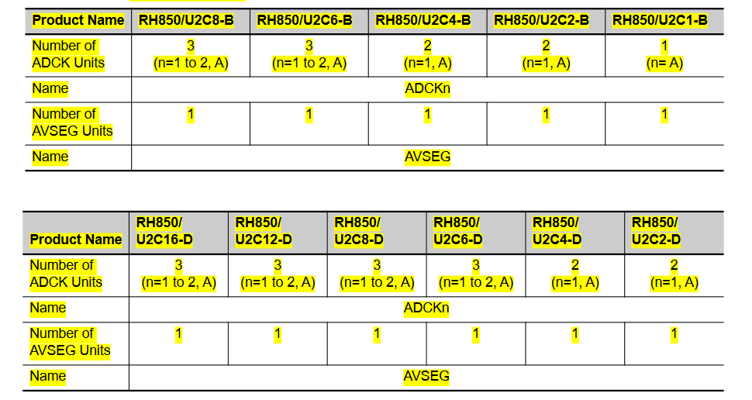 Number of Units | Number of Units | Modify Gen_Testbench_ETVPF.m
2 | 44.1.2 Register Base Addresses | 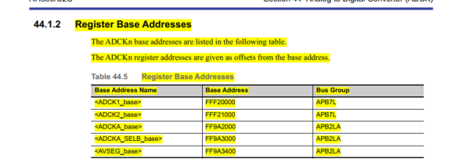 Base addresses: | 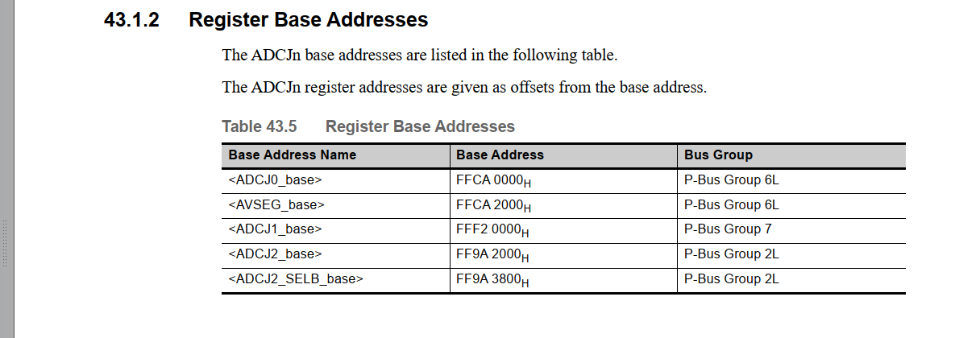 Base addresses: | Modify Registers.h
3 | 44.1.5 External Input/Output Signals | 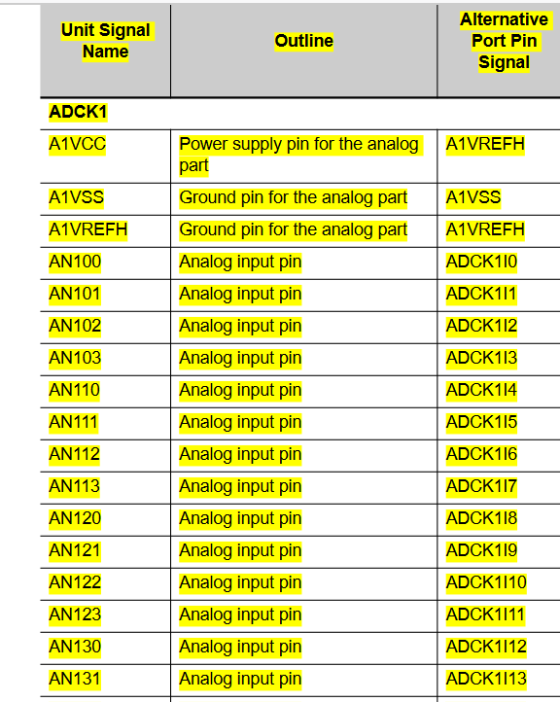 | 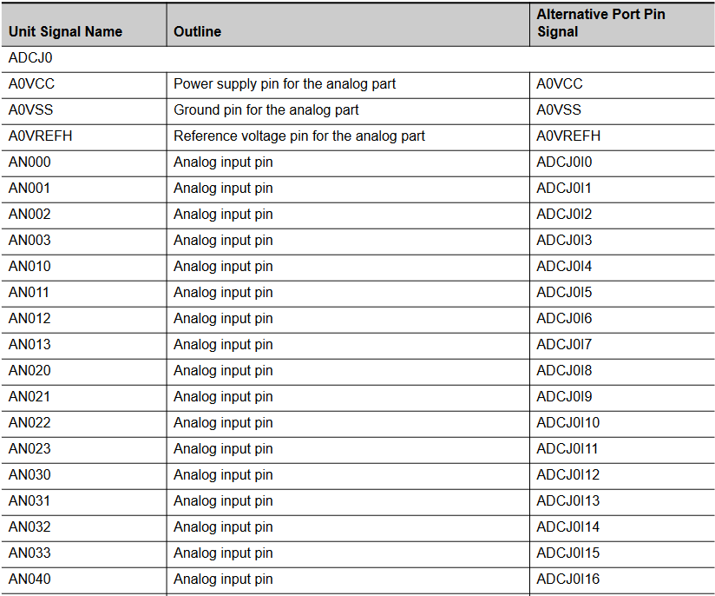 |  Modify Mask in S-Function
4 | 44.3.1 List of Registers | 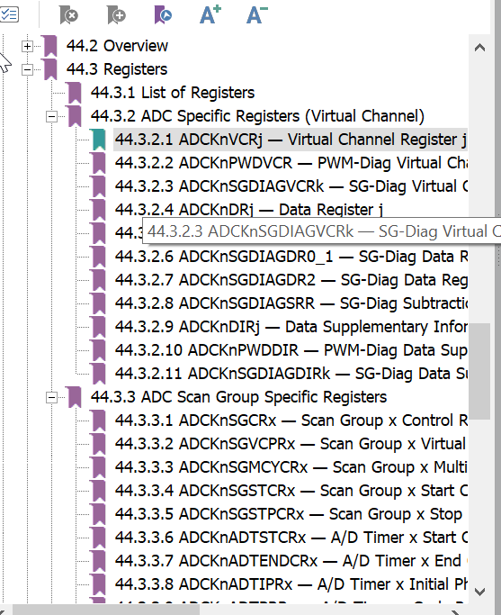 The name of registers | 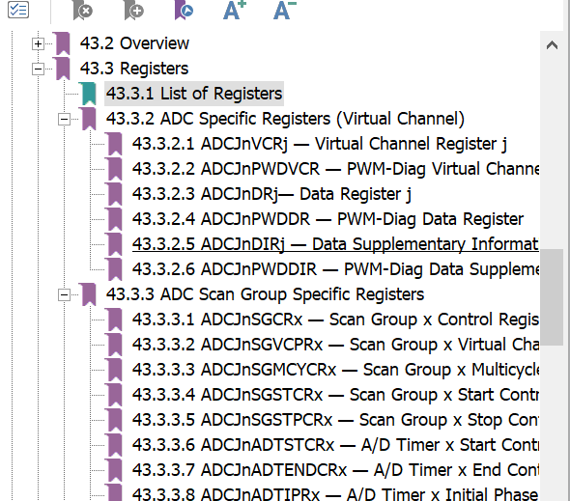 The name of registers | Modify Registers.h
5 | 44.3.2.1 Virtual Channel Register j

