Diff_U2C_U2B_ADC
STT | Heading (U2C) |  | U2C | U2B |  | Heading (U2B) | Note
 | 44.1 Features |  |  |  | 50.1 Features
1 | 44.1.1 Number of Units |  | 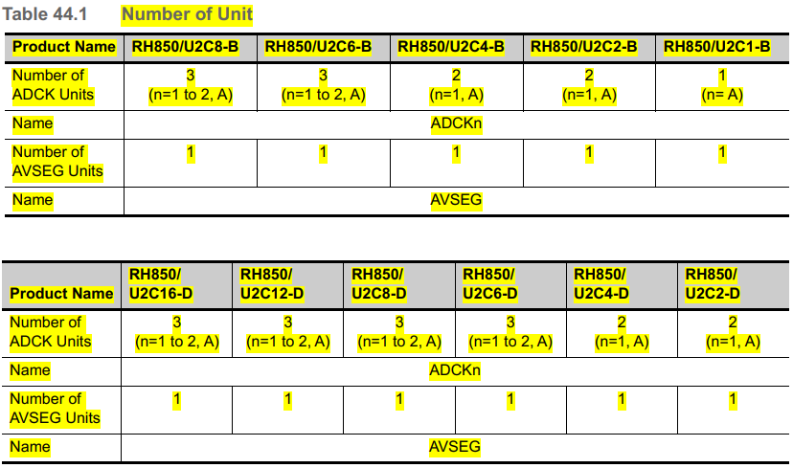 Number Unit | 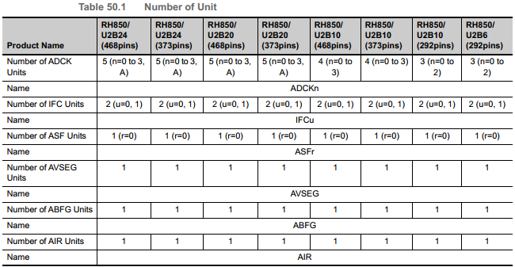 Number Unit | 50.1.1 Number of Units
2 |  |  | 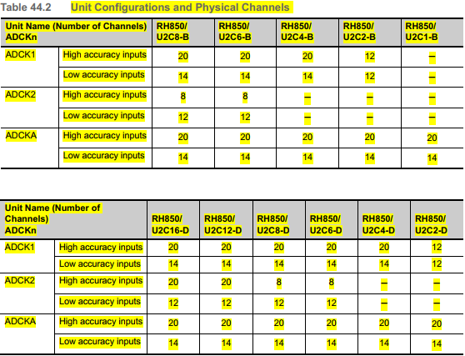 Physical Channels | 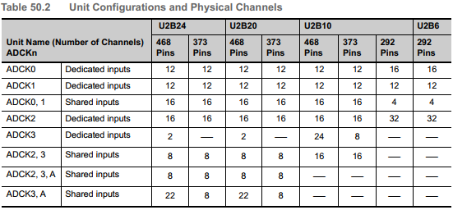 Physical Channels
3 |  |  | 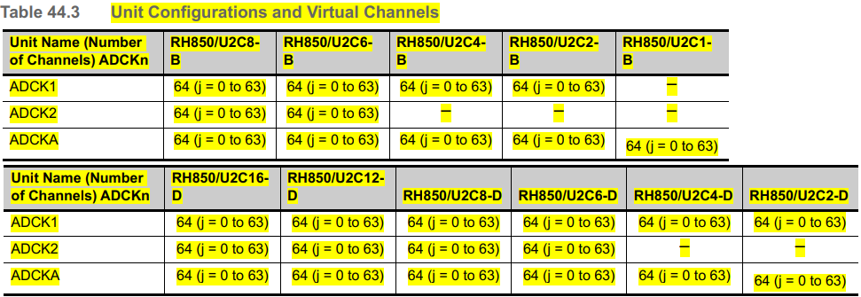 Virtual Channels | 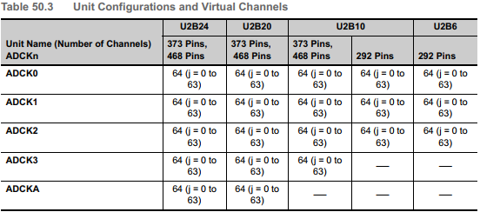 Virtual Channels
4 | 44.1.2 Register Base Addresses |  | Base Addresses | 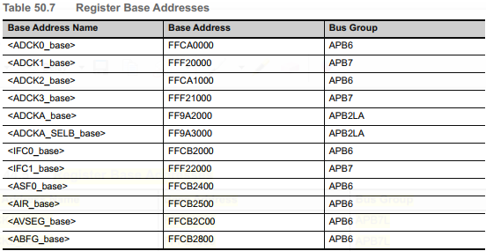 Base Addresses | 50.1.2 Register Base Addresses
5 | 44.1.3 Clock suply |  | Clock | 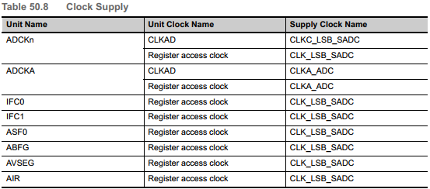 Clock | 50.1.3 Clock suply
6 | 44.1.4 Interrupt Request and Error Notifications |  | Interrupt Request + ADCK1 + ADCK2 + ADCKA | Interrupt Request + ADCK0 + ADCK1 + ADCK2 + ADCK3 + ADCKA + AFS0 + ABPG + AIR + ADCK3 + ADCKA | 50.1.4 Interrupt Request and Error Notifications
7 |  |  | 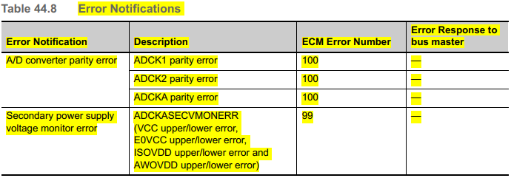 Error Notifications | 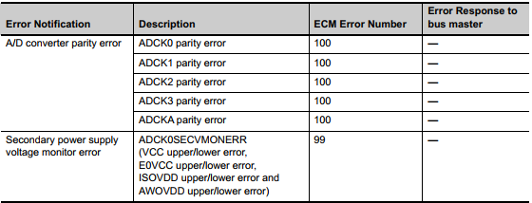 Error Notifications
8 | 44.1.5 External Input/Output Signals |  | ADCK1 ADCK2 ADCKA | ADCK0 ADCK1 ADCK2 ADCK3 and DCKA Common | 50.1.5 External Input/Output Signals
9 | 44.1.6 Reset Source |  |  |  | 50.1.6 Reset Source
10 | 44.1.7 Internal Input/Output Signals |  |  | 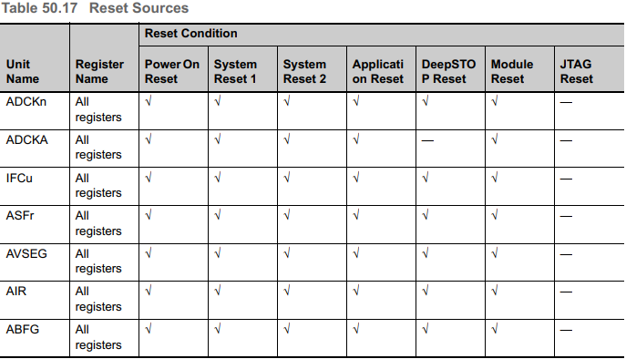 | 50.1.7 Internal Input/Output Signals
 | 44.2 Overview |  |  |  | 50.2 Overview
 |  | 44.2.2 Block Diagram | ADCK1 block diagram: Figure 44.1 Block diagram of ADCK1 - page 6285 ADCK2 block diagram: Figure 44.2 Block diagram of ADCK2 - page 6286 ADCKA block diagram : Figure 44.3 Block diagram of ADCKA - page 6287 ( *.rh850u2c.pdf file) | The block diagram of ADCK0 is shown in: Section 50.2.2.1, ADCK0 block diagram [For U2B-FCC only] < page: 7911> Section 50.2.2.2, ADCK0 block diagram [U2B6] < page: 7912> Section 50.2.2.3, ADCK0 block diagram [U2B10/U2B20/U2B24] < page: 7913> The block diagram of ADCK1 is shown in: Section 50.2.2.4, ADCK1 block diagram [For U2B-FCC only] < page: 7914> Section 50.2.2.5, ADCK1 block diagram [U2B6] < page: 7915> Section 50.2.2.6, ADCK1 block diagram [U2B10/U2B20/U2B24] < page: 7916> The block diagram of ADCK2 is shown in: Section 50.2.2.7, ADCK2 block diagram [For U2B-FCC only] < page: 7917> Section 50.2.2.8, ADCK2 block diagram[U2B6] < page: 7918> Section 50.2.2.9, ADCK2 block diagram[U2B10/U2B20/U2B24] < page: 7919> The block diagram of ADCK3 is shown in: Section 50.2.2.10, ADCK3 block diagram [U2B10/U2B20/U2B24] < page: 7920> The block diagram of ADCKA is shown in: Section 50.2.2.11, ADCKA block diagram [U2B20/U2B24] < page: 7921> (*.rh850u2b.pdf file)
 |  | 44.2.3 Explanation of Terms | _Physical channel Physical channel means ANnpq that is an A/D conversion target of the 12-bit A/D converter. _Virtual Channel Virtual channel means a structure to enable settings (such as A/D conversion type and physical channel) necessary for A/D conversion by setting a single register. Physical channel numbers can be freely selected for each virtual channel (ADCKnVCRj) by setting the GCTRL[5:0] bits in ADCKnVCRj. _Scan Group Set arbitrary number of consecutive virtual channels and activate a scan group by a startup trigger to perform A/D conversion continuously in ascending order with the virtual channel setting. The priority is set for each scan group as follows: SG-Diag <SG0 < SG1 < SG2 < SG3 < SG4 | _Physical channel Physical channel means ANnpq that is an A/D conversion target of the 12-bit A/D converter. _Virtual Channel Virtual channel means a structure to enable settings (such as A/D conversion type and physical channel) necessary for A/D conversion by setting a single register. Physical channel numbers can be freely selected for each virtual channel (ADCKnVCRj) by setting the GCTRL[5:0] bits in ADCKnVCRj. _Scan Group Set arbitrary number of consecutive virtual channels and activate a scan group by a startup trigger to perform A/D conversion continuously in ascending order with the virtual channel setting. The priority is set for each scan group as follows: SG0 < SG1 < SG2 < SG3 < SG4
 | 44.3 Registers |  |  |  | 50.3 Registers
12 | List of Registers |  | ADC Specific Registers (Virtual Channel) ADC Scan Group Specific Register Hardware Trigger Specific Register ADC Specific Registers (Control) ADC Specific Registers (Safety-Related) [Test Function] ADC Test Specific Registers | ADC Specific Registers (Virtual Channel) ADC Scan Group Specific Registers Hardware Trigger Specific Register ADC Specific Registers (Control) ADC Specific Registers (Safety-Related)
 | 44.4 Function |  |  |  | 50.4 Function
 |  | Setting Procedure | _Initial Setting Procedure (Figure 44.7 Initial Setting Flow - page : 6436) (Figure 44.8 Initial Setting Flow [For Internal Use Only] - page 6437) ( *.rh850u2c.pdf file) | _Initial Setting Procedure + Settings of each register (except for ADCKnSGDIAGCR, ADCKnSGCR0 to ADCKnSGCR4) after reset until startup trigger input are arranged in a random order. ( Figure 50.15 Initial Setting Flow - page : 8039) (*.rh850u2b.pdf file)
 |  | Startup Method | _SG0 Startup Flow: Figure 50.17 Startup Flow (SG0) - page: 6438. _SG1/SG2 Startup Flow: Figure 50.18 Startup Flow (SG1 and SG2) - page 6439 _SG3/SG4 Startup Flow: Figure 50.18 Startup Flow (SG3 and SG4) - page 6440 _SG-Diag Startup Flow: Figure 50.18 Startup Flow (SG1 and SG2) - page 6441 ( *.rh850u2c.pdf file) | _SG0 Startup Flow: Figure 50.17 Startup Flow (SG0) - page: 8040. _SG1/SG2 Startup Flow: Figure 50.18 Startup Flow (SG1 and SG2) - page 8041 _SG3/SG4 Startup Flow: Figure 50.18 Startup Flow (SG3 and SG4) - page 8042 _SG-Diag Startup Flow: Figure 50.18 Startup Flow (SG1 and SG2) - page 8043 (*.rh850u2b.pdf file)
 |  | Termination Procedure | _Forced Termination Flow of All Scan Groups: If any scan group uses the ASF, write 0 to the ASFrST bit in ASFrCTL1 of the ASF to clear the cumulative counter and all accumulators in the ASF. (Figure 44.14 Forced Termination Flow of All Scan Groups - page:6443 ). _Individual Stopping Flow of Scan Group x(1) (Figure 50.22 Individual Stopping Flow of Scan Groups (1) - page: 6445) _Individual Stopping Flow of Scan Group x(2) (Figure 50.22 Individual Stopping Flow of Scan Groups (7) - page: 6447) _Individual Stopping Flow of WM-Diag Figure 50.24 Individual Stopping Flow of SG-Diag (1) (In the case of judging the SGDiagend of the last physical channel) - page 6449. Figure 50.25 Individual Stopping Flow of SG-Diag (2) - page 8050. _Individual Stopping Flow of SG-Diag Figure 44.18 Individual Stopping Flow of SG-Diag (1) (In the case of judging the SGDiagend of the last physical channel) - page 6450 | _Forced Termination Flow of All Scan Groups: If any scan group uses the ASF, write 0 to the ASFrST bit in ASFrCTL1 of the ASF to clear the cumulative counter and all accumulators in the ASF. (Figure 50.21 Forced Termination Flow of All Scan Groups - page:8044 ). _Individual Stopping Flow of Scan Group x(1) (Figure 50.22 Individual Stopping Flow of Scan Groups (1) - page: 8046 ) _Individual Stopping Flow of Scan Group x(2) (Figure 50.22 Individual Stopping Flow of Scan Groups (7) - page: 8048 ) _Individual Stopping Flow of SG-Diag Figure 50.24 Individual Stopping Flow of SG-Diag (1) (In the case of judging the SGDiagend of the last physical channel) - page 8050. Figure 50.25 Individual Stopping Flow of SG-Diag (2) - page 8050.
 |  | Restrictions on Updating Settings | Updating method : Stop scan group → Update register settings → Start scan group. Table 44.131 Register Updatable Period for Initial Setting Flow (1/2) - page 6452. Table 44.131 Register Updatable Period for Initial Setting Flow (2/2) - page 6453. | Updating method : Stop scan group → Update register settings → Start scan group. Table 50.116 Register Updatable Period for Initial Setting Flow (1/2) - page 8052. Table 50.116 Register Updatable Period for Initial Setting Flow (2/2) - page 8053
 |  | Examples of Normal A/D Conversion Operation | Analog inputs of physical channels are A/D-converted in normal A/D conversion. For A/D conversion operations, see Section 50.4.13, Scan Mode - page 6457 | Analog inputs of physical channels are A/D-converted in normal A/D conversion. For A/D conversion operations, see Section 50.4.13, Scan Mode - page 8104
 |  | Diagnosis Functions | The ADCK is equipped with the following four diagnostic functions. + Wiring-break detection mode 1 (pull-down) + Wiring-break detection mode 2 (pull-down or pull-up) + Voltage monitoring function | The ADCK is equipped with the following four diagnostic functions. + Wiring-break detection mode 1 (pull-down) + Wiring-break detection mode 2 (pull-down or pull-up) + Voltage monitoring function + Strong Pulldown function
 |  | Wait Function | The ADCK can insert a wait before the A/D conversion sampling time. Decide whether to insert a wait by the CNVCLS[3:0] setting in ADCKnVCRj. Table 44.139 A/D Conversion Types in Which a Wait Can Be Inserted - page 6494 Table 44.140 Wait Time and the Number of Wait Time Tables - page 6495 Table 44.141 Wait Time Setting Table - page 6495 Figure 44.42 Wait function when addition mode - page 6495. (1) Example of Wait Function (Multicycle Scan Mode that Scan Count is Once) - page 6496 (2) Example of Wait Function (Multicycle Scan Mode that Scan Count is Twice) - page 6497 (3) Example of Wait Function (Continuous Scan Mode) - page 6498 (4) Example of Wait Function (Synchronous Suspension) - page 6499 (5) Example of Wait Function (Asynchronous Suspension) - page 6500 | The ADCK can insert a wait before the A/D conversion sampling time. Decide whether to insert a wait by the CNVCLS[3:0] setting in ADCKnVCRj. Table 50.124 A/D Conversion Types in Which a Wait Can Be Inserted - page 8095 Table 50.125 Wait Time and the Number of Wait Time Tables - page 8096 Table 50.126 Wait Time Setting Table - page 8096 Figure 50.47 Wait function when addition mode - page 8096. (1) Example of Wait Function (Multicycle Scan Mode that Scan Count is Once) - page 8097 (2) Example of Wait Function (Multicycle Scan Mode that Scan Count is Twice) - page 8098 (3) Example of Wait Function (Continuous Scan Mode) - page 8099 (4) Example of Wait Function (Synchronous Suspension) - page 8100 (5) Example of Wait Function (Asynchronous Suspension) - page 8101
 |  | Sampling time Setting | Table 50.131 Sampling Time Setting Table - page 6503 Figure 50.54 Logic Diagram of Sampling Period -- page 6503 | Table 50.131 Sampling Time Setting Table - page 8103 Figure 50.54 Logic Diagram of Sampling Period -- page 8103
 |  | Scan Mode | _Multicycle Scan Mode. + Multicycle scan mode is enabled by setting SCANMD in ADCKnSGCRx to 0. Figure 50.55 Example of Multicycle Scan Mode Operation - page 6504 _Continuous Scan Mode. + In this mode, A/D conversion of virtual channels assigned to the target SGx is repeated unlimitedly. Figure 50.56 Example of Multicycle Scan Mode Operation - page 6505 | _Multicycle Scan Mode. + Multicycle scan mode is enabled by setting SCANMD in ADCKnSGCRx to 0. Figure 50.55 Example of Multicycle Scan Mode Operation - page 8104 _Continuous Scan Mode. + In this mode, A/D conversion of virtual channels assigned to the target SGx is repeated unlimitedly. Figure 50.56 Example of Multicycle Scan Mode Operation - page 8105
 |  | Example of A/D Timer Operation | Figure 50.57 Example of A/D Timer Operation - 6506 | Figure 50.57 Example of A/D Timer Operation - 8106
 |  | Trigger Function | The ADCK has software triggers and hardware triggers. Table 50.132 List of Availability of the Trigger Function in Each Scan Group - page 6507 | The ADCK has software triggers and hardware triggers. Table 50.132 List of Availability of the Trigger Function in Each Scan Group - page 8107
 |  | Diag Scan Group [Example of SG-Diag] |  | The Diag scan group provided for diagnosis operates in single scan mode. (Single scan mode means a multicycle mode of SG0 to SG4 with no multicycle.) Figure 50.66 Outline of Diag Scan Group Operation - page 8117. Figure 50.67 Updating Physical Channels - page 8118.
 |  | Example of Suspend and Resume Operation | When a start trigger of a high-priority scan group is accepted during operation of a low-priority scan group, the suspension function suspends the operation of the low-priority scan group and executes the high-priority scan group. The priority order of scan groups 0 to 4 is as follows: Low High Low High SG0 < SG1 < SG2 (PWM-Diag ^2) [For Internal Use Only] < SG3 < SG4 (PWM-Diag^1) Note 1. When ADCKnPWDCR.PWE = 1, SG4 operates in the PWM-Diag. Note 2. When PWDCR.PWE = 1 and PWDSGSR.PWSGC = 1, SG2 operates in the PWM-Diag | When a start trigger of a high-priority scan group is accepted during operation of a low-priority scan group, the suspension function suspends the operation of the low-priority scan group and executes the high-priority scan group. The priority order of scan groups 0 to 4 is as follows: Low High SG0 < SG1 < SG2 < SG3 < SG4
 |  | Example of Track and Hold Operation (T&H) | The T&H processing function performs A/D conversion of multiple analog inputs at the same time. This function is achieved by holding analog input voltages simultaneously in up to six T&H circuits and then performing A/D conversion of outputs from the T&H circuits. Figure 50.79 Recommended T&H Operation Flow - page 6543 | The T&H processing function performs A/D conversion of multiple analog inputs at the same time. This function is achieved by holding analog input voltages simultaneously in up to six T&H circuits and then performing A/D conversion of outputs from the T&H circuits. Figure 50.79 Recommended T&H Operation Flow - page 8132
 |  | Interrupt Request Functions | _Scan End Interrupt Request + (1) INT_ADx Interrupt Request. > The ADCK generates a scan end interrupt request (INT_ADx) at the end of scan group x*1 and at the end of ADCKnVCRj Table 50.137 INT_ADx Generation Enable/Disable Setting - page 6554. > The INT_ADx signal is generated when the A/D conversion result is stored in the data register (ADCKnDRj). Figure 50.86 Example of Multicycle Scan Mode Operation - page 6554 + (2) INT_SD Interrupt Request. > ADCK generates SG-Diag end interrupt request (INT_SD). The SG-Diag end interrupt can activate the DMAC. Table 50.138 INT_SD Generation Enable/Disable Setting - page 6555 Figure 50.87 Example of INT_SD Interrupt Operation (1) (ADCKnSGDIAGCR.ISM=0) page 6555 Figure 50.88 Example of INT_SD Interrupt Operation (2) (ADCKnSGDIAGCR.ISM=1) page 6556 _A/D Error Interrupt Request (INT_ADE) When AD errors occur, the ADCK generates an AD error interrupt (INT_ADE). _Parity Error Interrupt Request. _MPX Interrupt Request The ADCK can generate an MPX interrupt request (INT_MPX). _Upper/Lower Limit Check | _Scan End Interrupt Request + (1) INT_ADx Interrupt Request. > The ADCK generates a scan end interrupt request (INT_ADx) at the end of scan group x*1 and at the end of ADCKnVCRj Table 50.137 INT_ADx Generation Enable/Disable Setting - page 8142. > The INT_ADx signal is generated when the A/D conversion result is stored in the data register (ADCKnDRj). Figure 50.86 Example of Multicycle Scan Mode Operation - page 8142 + (2) INT_SD Interrupt Request. > ADCK generates SG-Diag end interrupt request (INT_SD). The SG-Diag end interrupt can activate the DMAC. Table 50.138 INT_SD Generation Enable/Disable Setting - page 8143 Figure 50.87 Example of INT_SD Interrupt Operation (1) (ADCKnSGDIAGCR.ISM=0) page 8143 Figure 50.88 Example of INT_SD Interrupt Operation (2) (ADCKnSGDIAGCR.ISM=1) page 8144 _A/D Error Interrupt Request (INT_ADE) When AD errors occur, the ADCK generates an AD error interrupt (INT_ADE). _Parity Error Interrupt Request. _MPX Interrupt Request The ADCK can generate an MPX interrupt request (INT_MPX). _Upper/Lower Limit Check
 |  | SVSTOP Function | The SVSTOP is output from the on-chip debugger to operate. | The SVSTOP is output from the on-chip debugger to operate. Table 50.156 Conditions during SVSTOP Operation page - 8163
 |  | Monitoring Function Using the A/D Conversion Monitor Pin | The processing timing of the virtual channel specified by ADCKnADENDPv can be monitored using the ADENDv pin. Figure 50.94 A/D A/D Conversion Monitoring Timing - page 6591 | The processing timing of the virtual channel specified by ADCKnADENDPv can be monitored using the ADENDv pin. Figure 50.94 A/D A/D Conversion Monitoring Timing - page 8164
 |  | External Module Option Function | _ GTM Entry Function: ADCK can output an entry request (dfreq) to the GTM according to the settings of GTMENT in ADCKnVCRj and GTMENTSGxE in ADCKnGTMENTSGER to enter GTM. Figure 44.122 GTM Entry Timing Chart - page 6594 | _Function to Transfer A/D Conversion Result to EMU. ADCK0, ADCK1 and ADCK2 can output A/D conversion end signals and A/D conversion data corresponding to virtual channels 0/1/2, and scan group 4 scan end signal to the EMU. _DFE/GTM/ASF Entry Function. Figure 50.96 DFE/GTM/ASF Entry Timing Chart page 8167. _Floating-Point Conversion of A/D Conversion Result A/D conversion results stored in ADCKnDRj[15:0] or ADCKnDIRj.DRj[15:0] of ADCK can be read as a floating-point format by reading them from the IFC side. _Interface Function between GTM and ADC This function is the same as the DFE entry function
 |  | Analog Input Sampling and Scan Group Processing Time | ADCK has embedded-sample & hold circuit. After SGST bit of ADCKnSGSTCRx is set to 1 and scan group start delay time (tD) has passed, the ADC executes sampling and then starts sequential compare transition processing | ADCK has embedded-sample & hold circuit. After SGST bit of ADCKnSGSTCRx is set to 1 and scan group start delay time (tD) has passed, the ADC executes sampling and then starts sequential compare transition processing
 | 44.5 Notes on Using |  |  |  | 50.5 Notes on Using
14 |  |  | 27 define Notes on Using | 8 define Notes on Using + Notes on switching clocks + Notes on Using Module Standby Mode + Notes on Using T&H + Notes on Using MPX + Notes of Upper/Lower Limit Check Function and Status Register + Notes on Using Analog Input Pins + Notes on Using Module Reset Function + Notes on Using ADCK3 or ADCKA
 | 44.6 Definitions with Respect to A/D Conversion Accuracy |  |  |  | 50.6 Definitions with Respect to A/D Conversion Accuracy
16 | Definitions with Respect to A/D Conversion Accuracy |  | (1) Resolution Number of digital output codes of A/D converter (2) Quantization error An error that A/D converter essentially has, which is given as 1/2LSB (3) Offset error Deviation from ideal A/D conversion characteristic of analog input voltage value when digital output changes from the minimum voltage value 000H to 001H, excluding quantization error (4) Full-scale error Deviation from ideal A/D conversion characteristic of analog input voltage value when digital output changes from FFEH to FFFH, excluding quantization error (5) DNL (Differential non-linearity error) Deviation between ideal digital output code width (Vq) and actual digital output code width (Va), which is given as (Va - Vq)/Vq, excluding offset error, full-scale error, and quantization error (6) INL (Integral non-linearity error) Deviation from ideal A/D conversion characteristic from zero voltage to full-scale voltage, which is given as integral of DNL from 000H to an arbitrary digital output code, excluding offset error, full-scale error, and quantization error (7) Total error Deviation between digital value and analog input value, including offset error, full-scale error, quantization error, DNL, and INL | (1) Resolution Number of digital output codes of A/D converter (2) Quantization error An error that A/D converter essentially has, which is given as 1/2LSB (3) Offset error Deviation from ideal A/D conversion characteristic of analog input voltage value when digital output changes from the minimum voltage value 000H to 001H, excluding quantization error (4) Full-scale error Deviation from ideal A/D conversion characteristic of analog input voltage value when digital output changes from FFEH to FFFH, excluding quantization error (5) DNL (Differential non-linearity error) Deviation between ideal digital output code width (Vq) and actual digital output code width (Va), which is given as (Va - Vq)/Vq, excluding offset error, full-scale error, and quantization error (6) INL (Integral non-linearity error) Deviation from ideal A/D conversion characteristic from zero voltage to full-scale voltage, which is given as integral of DNL from 000H to an arbitrary digital output code, excluding offset error, full-scale error, and quantization error (7) Total error Deviation between digital value and analog input value, including offset error, full-scale error, quantization error, DNL, and INL
 | 44.8 ADC Summation Function (ASF) |  |  |  | 50.6 ADC Summation Function (ASF)
18 |  | Overview |  | The features of ASF are as follows: + Support module: ADCK0 + Number of accumulation channels: 16 channels + Entry from ADCK: In response to an ASF entry request from ADCK, DFE data is entered into a summation channel of ASF, referring to the DFE tag. The number of the summation channel is indicated by the value of the DFE tag. + Accumulation data register: 32 bits + Accumulation end interrupt: Each time an accumulation of a specified number of values has been performed on each channel, an interrupt request (ASI00 to ASI15) can be made to the CPU
19 |  | Block Diagram |  | Figure 50.100 ASF0 Block Diagram - page 8186
20 |  | Registers |  | List of Registers : Table 50.174 List of Registers (1/2) - page 8187. ASF Specific Registers: (1) ASFrDRi — Accumulation Data Register I - page 8189 (2) ASFrCMPi — Accumulation Compare Match Register I - page 8191 (3) ASFrCTL0 — Accumulation Counter Control Register 0 - page 8193 (4) ASFrCTL1 — Accumulation Counter Control Register 1 - page 8194 (5) ASFrCNT — Accumulation Count Read Register - page 8195 (6) ASFrRTDRi — Accumulation Data/Intermediate Accumulation Count Value Read Register i - page 8196
21 |  | Operation |  | (1) Operation start - page 8200 (2) Operation Stop and Restart - page 8202 (3) Channel Stop - page 8202 (4) Accumulation End Interrupt Request Function - page 8203
 | 44.10 ADC Boundary Flag Generator (ABFG) |  |  |  | 50.10 ADC Boundary Flag Generator (ABFG)
23 |  | Overview |  | ABFG has the following functions. Boundary Flag Control + This function generates a boundary flag by using virtual channel conversion end pulse signals with their respective upper-limit/lower-limit error pulse signals provided by the SAR-ADC, DeltaSigma ADC and Cyclic ADC converters. Boundary Pulse Control + This function generates an interrupt request and/or DMAC request that indicates the current state of the boundary flag. Noise Filter + The boundary flag, and boundary pulse are generated by signals passed through a filter to reduce noise.
 |  | Block Diagram |  | Figure 50.113 ABFG Block Diagram - page 8231
 |  | Registers |  | List of Registers: Table 50.192 List of Registers - page 8232. ABFG Specific Registers: (1) ABFGBFGCRw —Boundary Flag Control Register w - page 8233 (2) ABFGCNTCRw — Filter Counter Control Register w - page 8237 (3) ABFGBFSRw — Boundary Flag Status Register w - page 8239

