Diff_U2C_U2B_OSTM
STT | Heading (U2C) | U2C | U2A | Note
1 | 32.1.1 Number of Units | 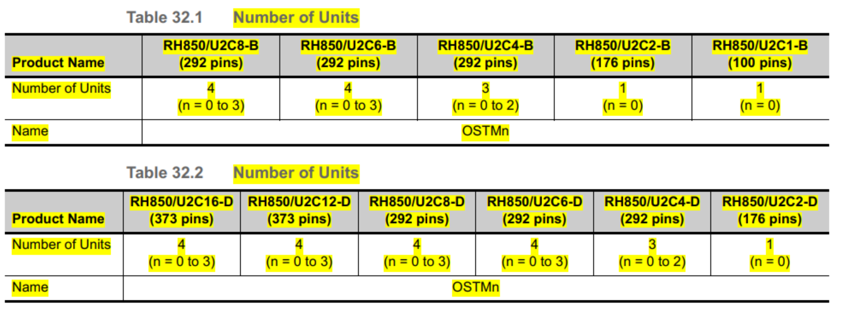 | 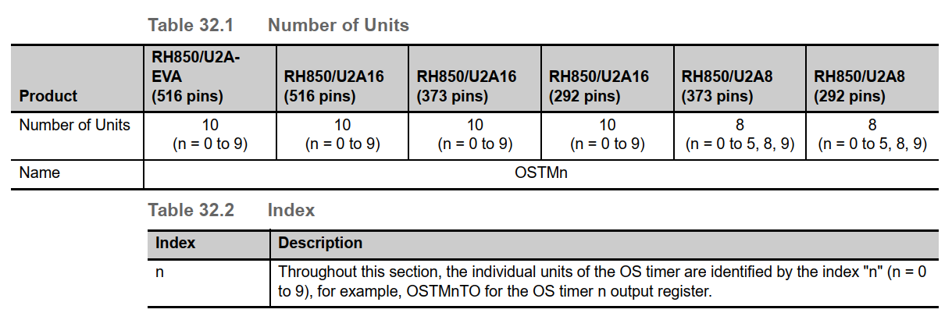 | Register.h
2 | 32.1.2 Register Base Addresses |  | 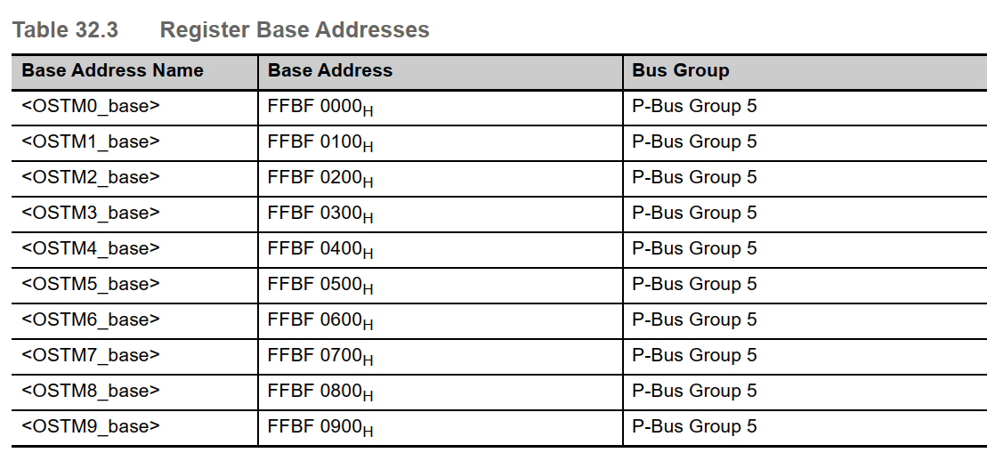 | Register.h
3 | 32.1.4 Interrupt Requests and Error Notifications | - Interrupt and DMA/DTS Requests - Error Notifications | - Interrupt and DMA/DTS Requests - Error Notifications

