Diff_U2C_U2A_PORT
STT | Heading (U2C) | U2C | U2A | Note
1 | 2.1 Term Definition | 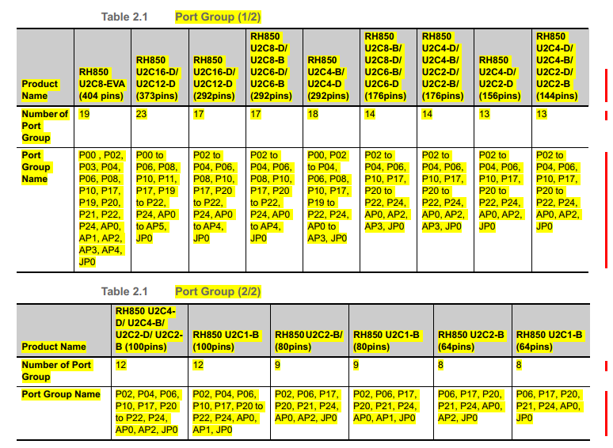 Port group | Port group | Number of port group and port group name
2 | 2.3.1 Introduction | 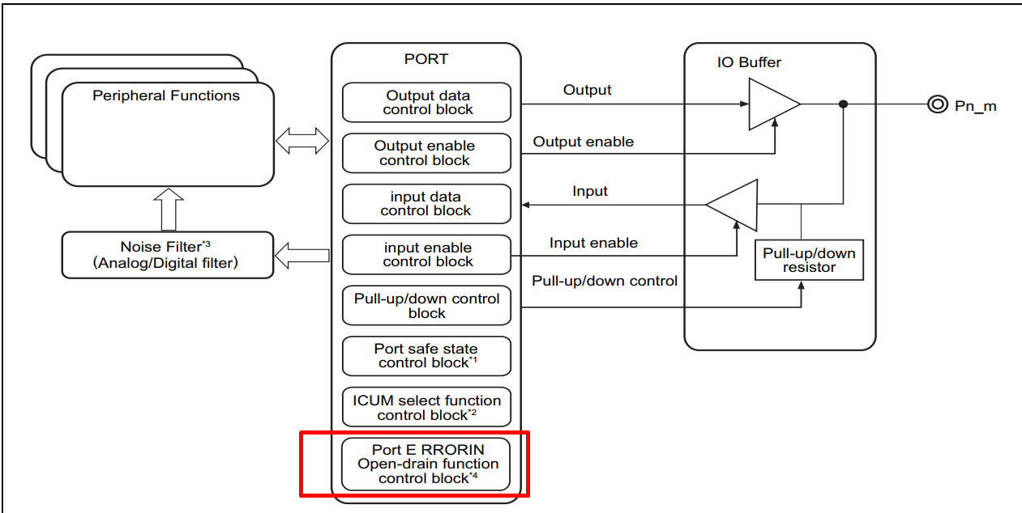 | 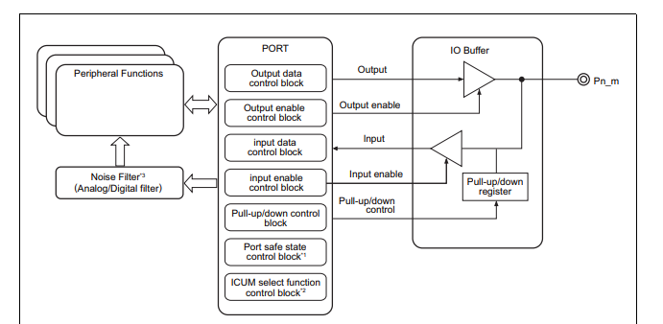 | U2A don't have Port ERRORIN Open-drain function control block
3 | 2.3.4 Operation Mode | 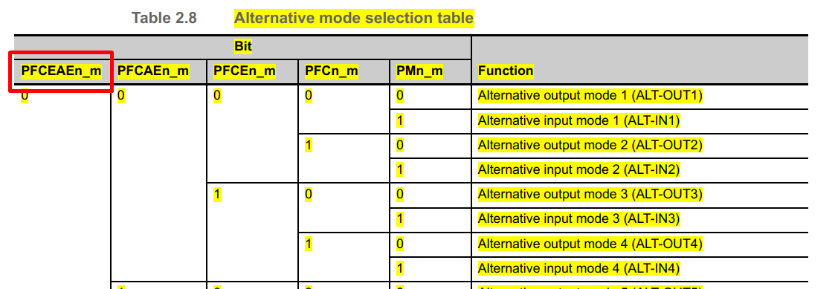 | 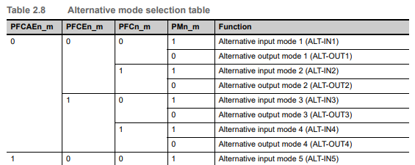 | The number of bits to set Alternative mode in U2C more than U2A
4 | 2.4 Port Functions | 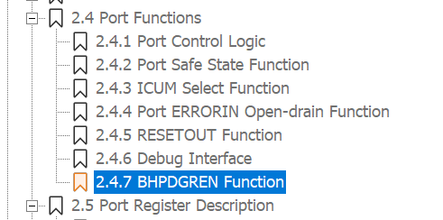 | 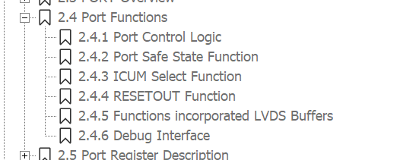 | The number of Port functions in U2C more than U2A
5 | 2.4 Port Functions | 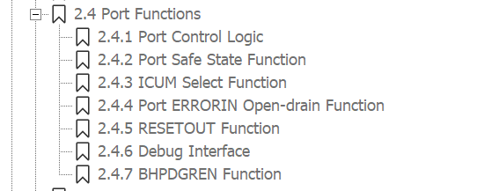 | 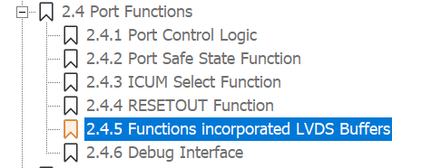 | New port function in U2A: Functions incorporated LVDS Buffers
6 | 2.4.3 ICUM Select Function |  | f | The target pins
7 | 2.5 Port Register Description |  |  | Modify Register.h
8
9
10
11
12
13
14
15
16
17
18
19
20

