Diff_U2C_U2B_PORT
STT | Heading (U2C) | U2C | U2A | Note
1 | 2.1 Term Definition | 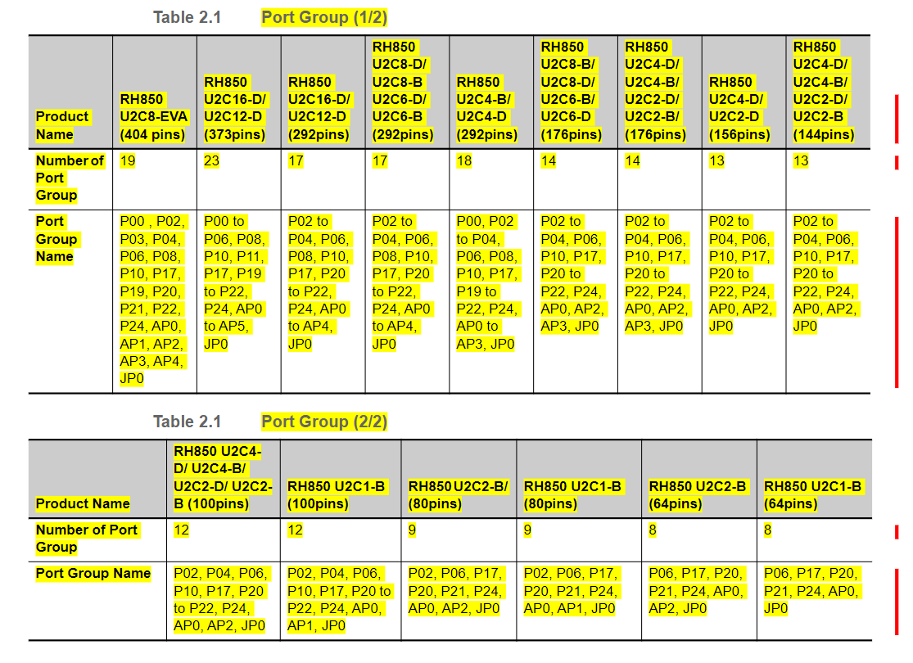 | 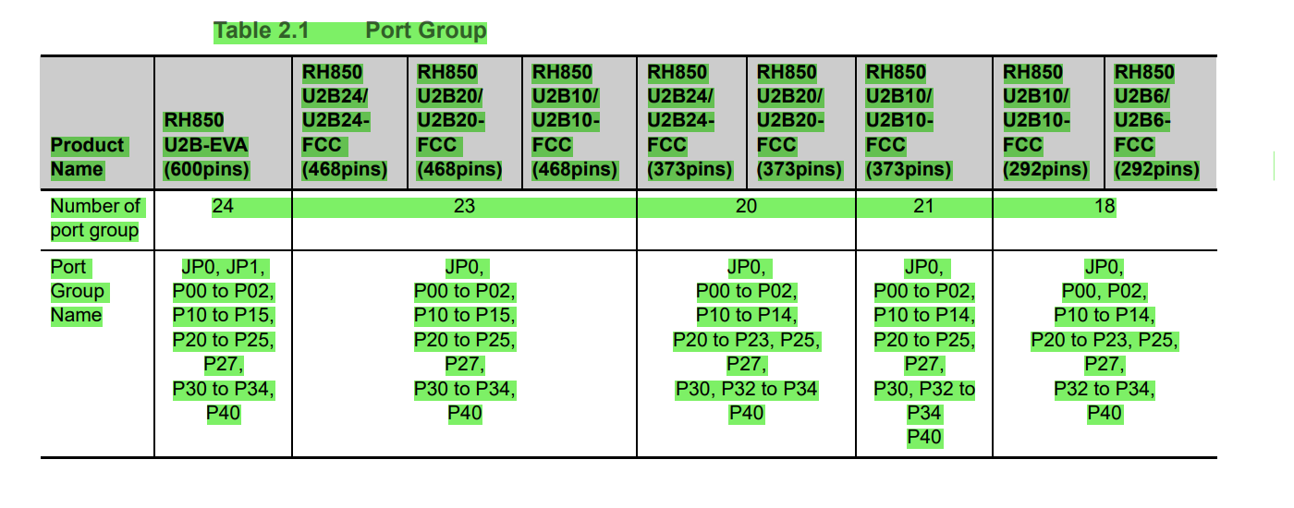 | Port group
2 | 2.2.2 Pin Status | 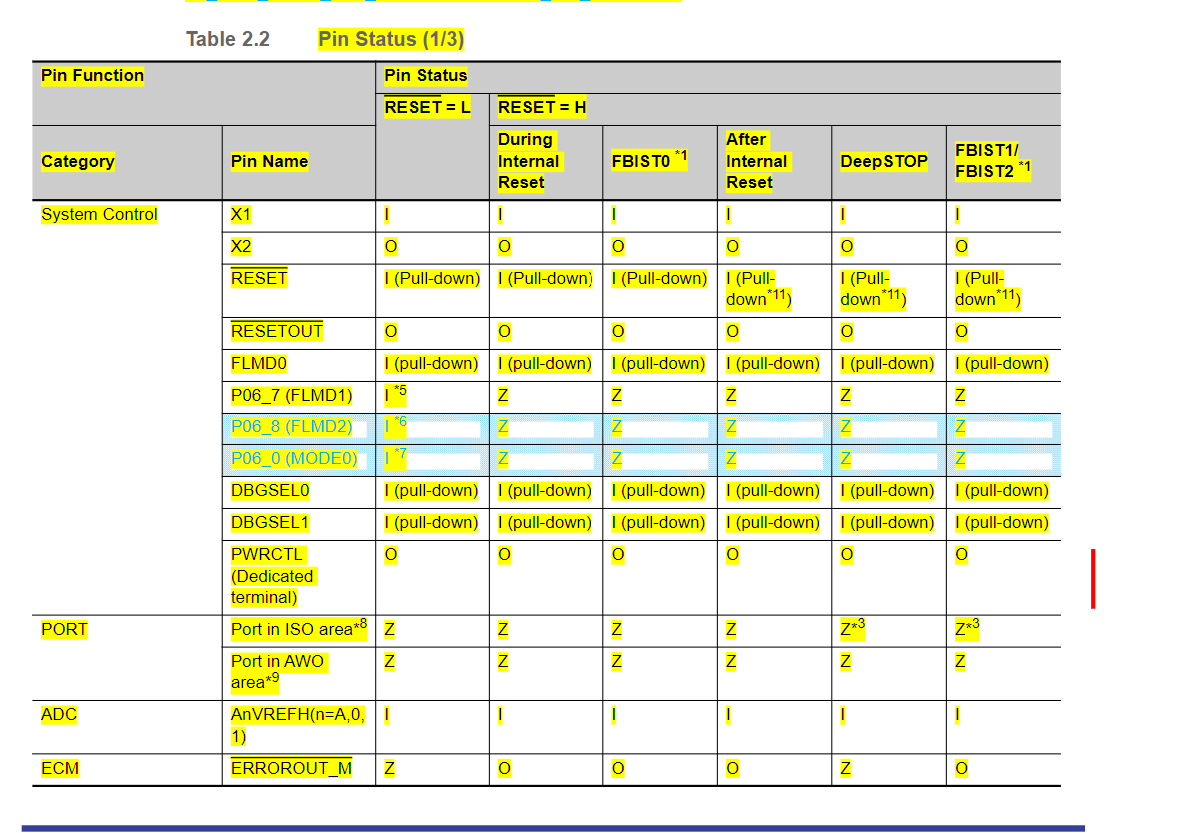 | 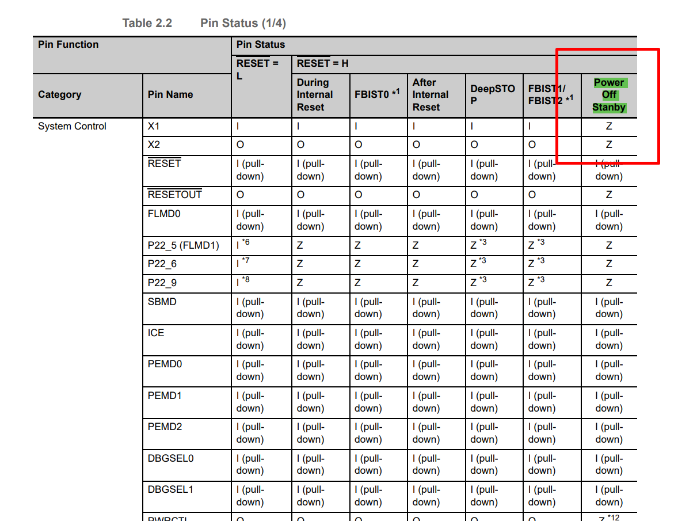 | Pin Status-> RESET=H->Power off Stanby
3 | 2.2.4 Handling of Unused Pins | 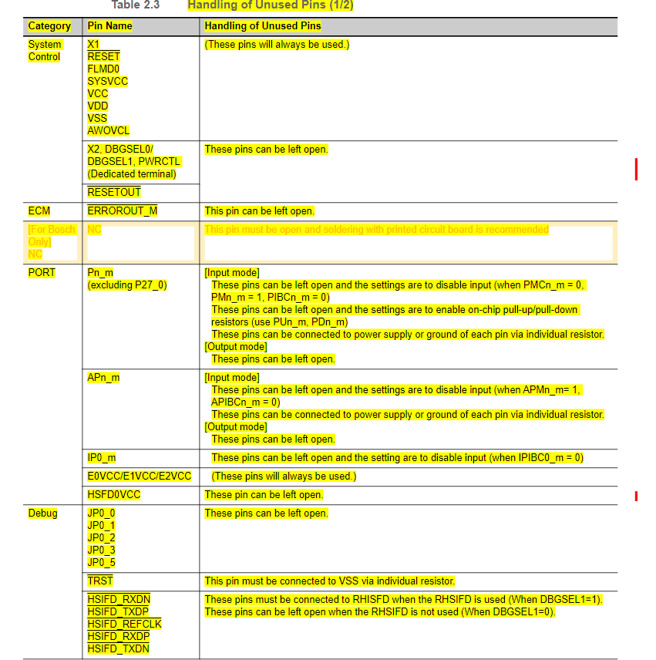 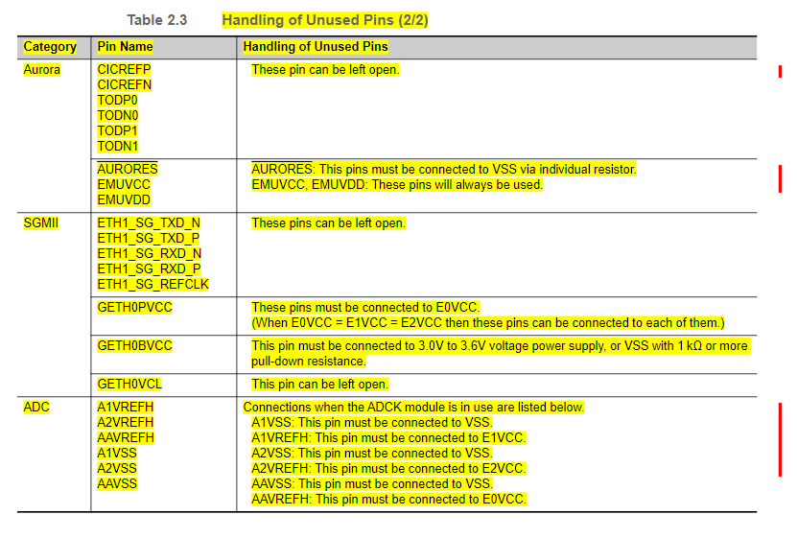 | 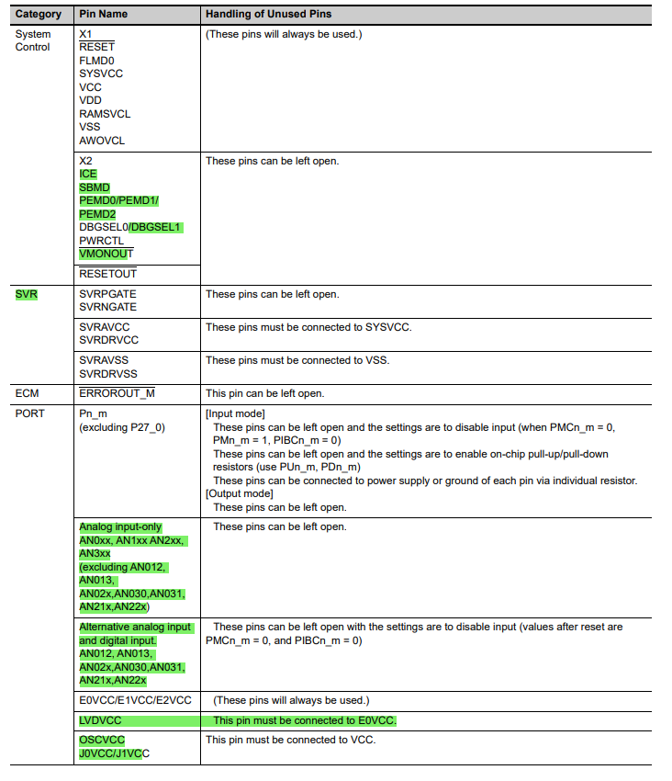 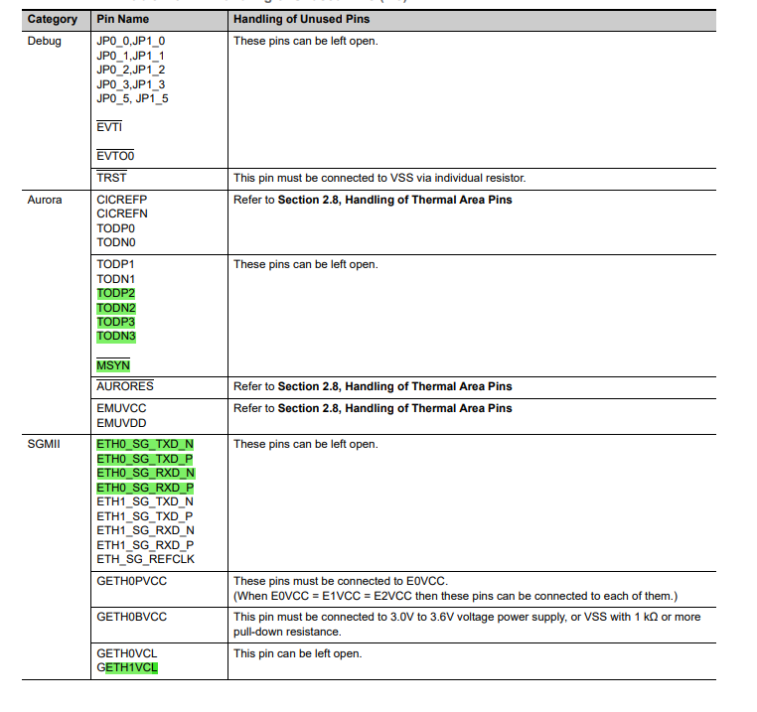 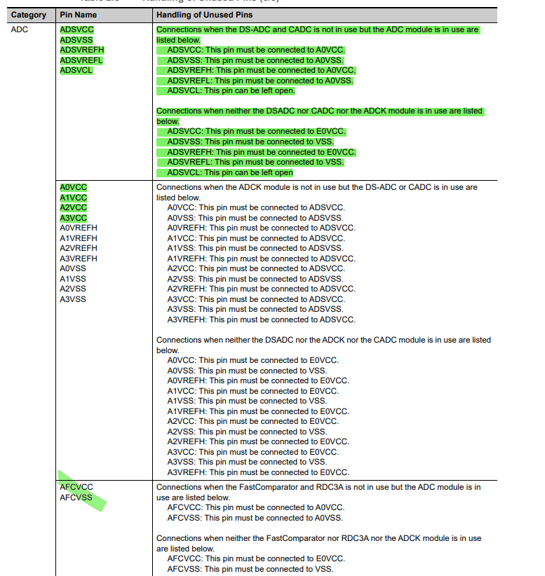 | There are some new pin names
4 | 2.1 PORT Overview | 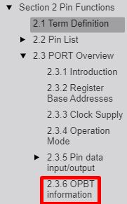 | 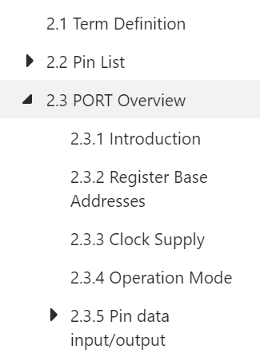
5 | 2.4.2 Port Safe State Function | 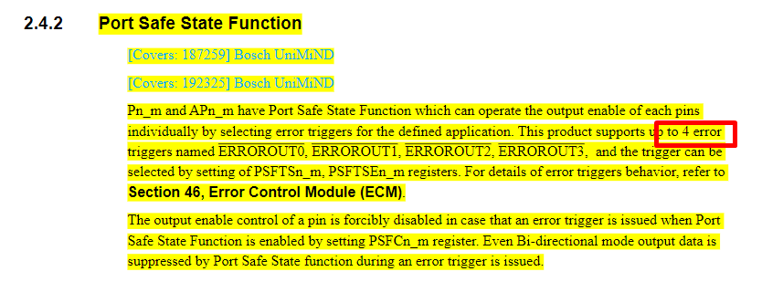 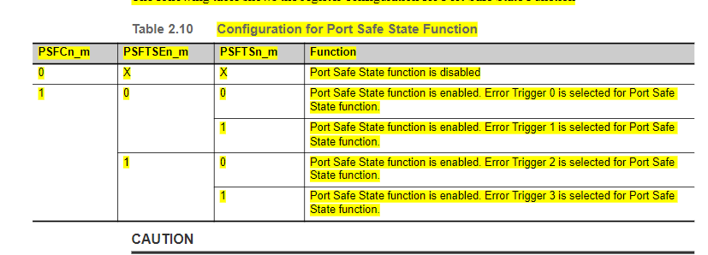 | 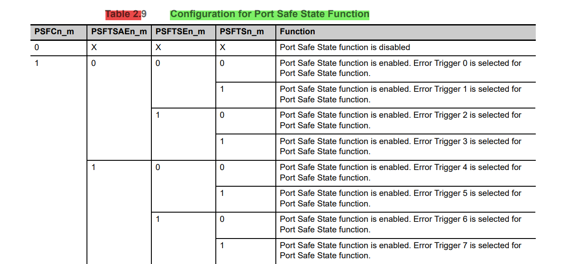 | U2B has more error triggers than U2C
6 | 2.4.3 ICUM Select Function
7 | 2.4.4 Port ERRORIN Open-drain Function
8 | 2.4 Port Functions | 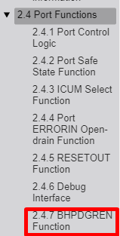 | 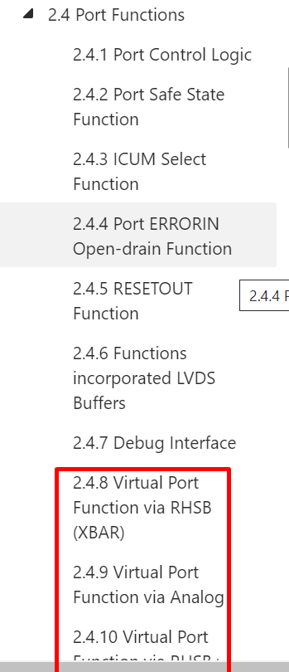 | U2B has more port function than U2C
9 | 2.5 Port Register Description | 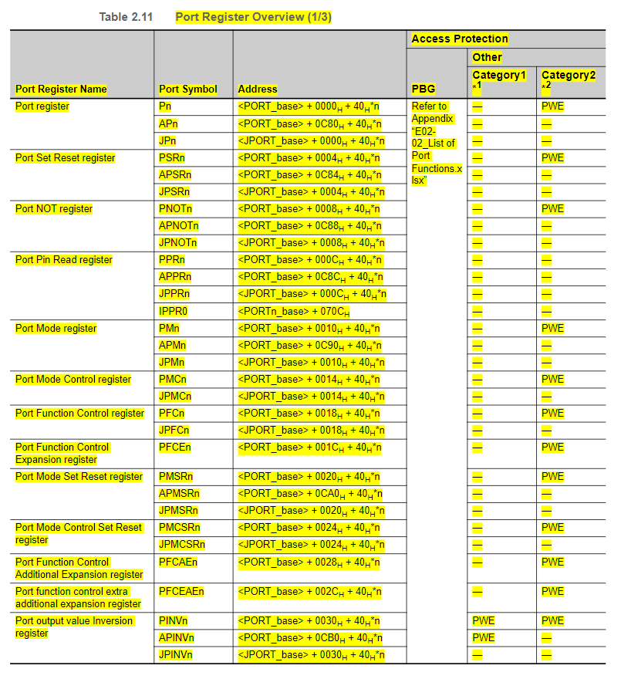 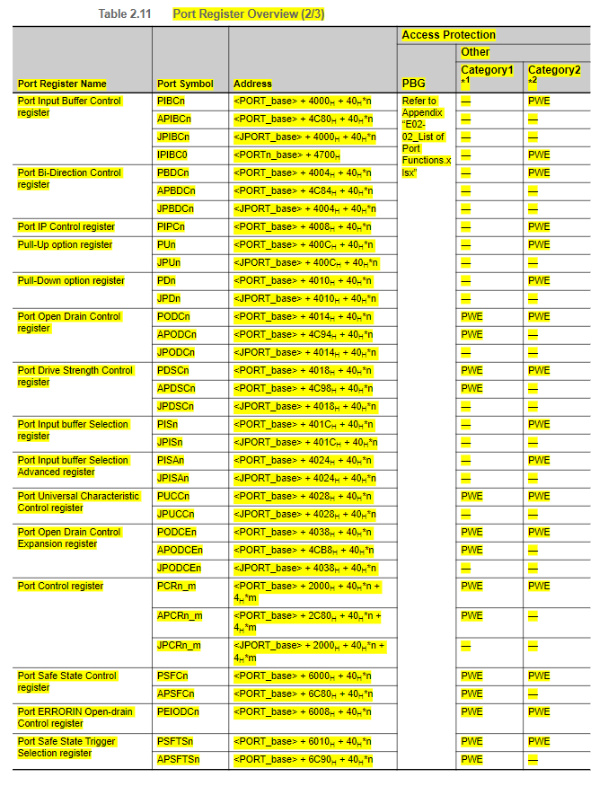 | 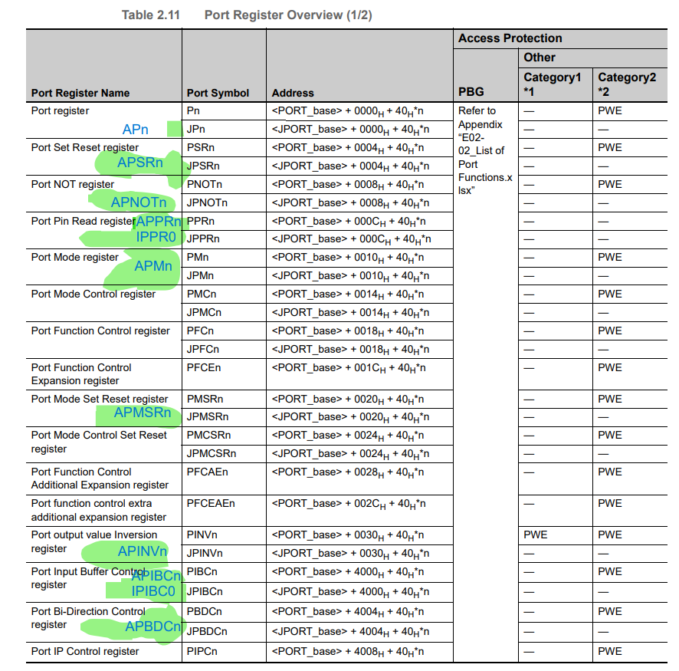 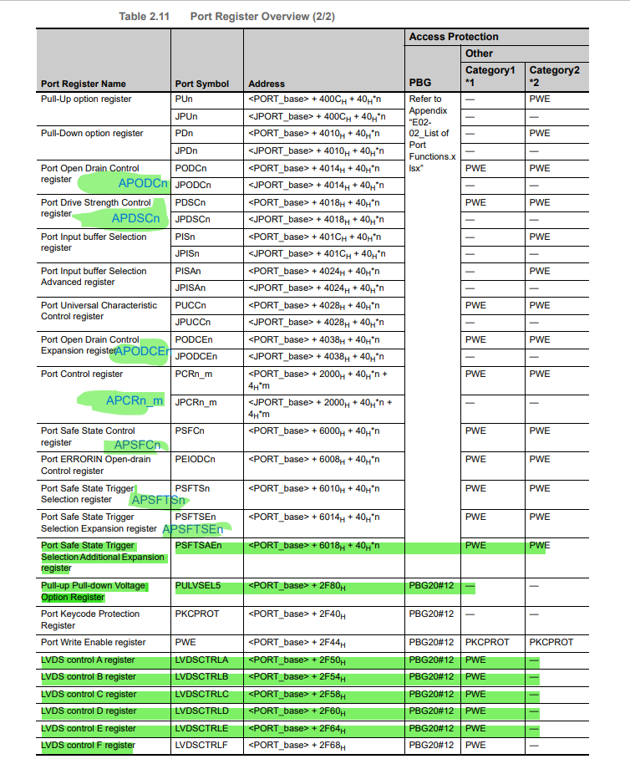 | U2B omitted registers and added many new registers
10 | 2.5.31 PWE — Port Write Enable register | 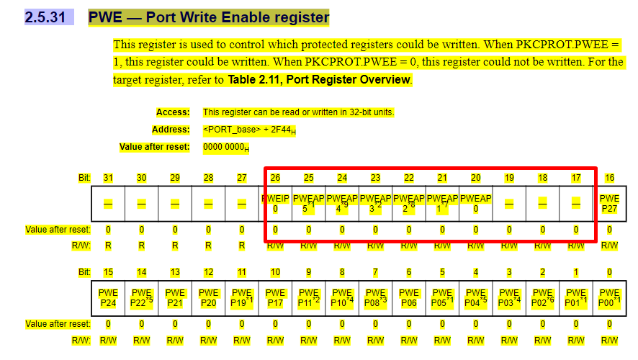 | 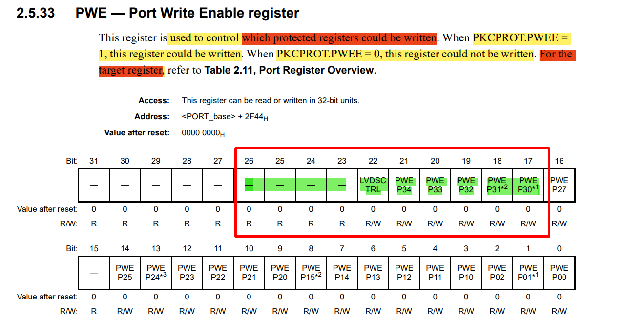 | different about some bit fields
11 | Section 2 Pin Function | 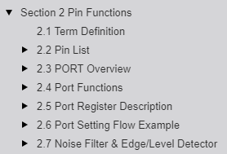 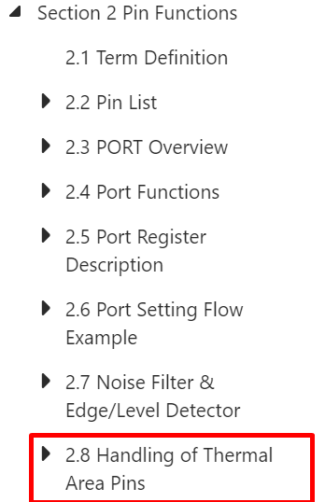
12
13
14
15
16
17
18
19
20
21
22
23
24
25
26
27
28

