Лист1
№ | O'quvchi ismi | dushanba | seshanba | chorshanba | payshanba | juma | shanba
1 | Student 1 | 10 | 9 | 7 | 6 | 5 | 4
2 | Student 2 | 5 | 3 | 8 | 10 | 4 | 3
3 | Student 3 | 8 | 10 | 8 | 9 | 7 | 4
4 | Student 4 | 3 | 4 | 6 | 8 | 10 | 9
5 | Student 5 | 2 | 3 | 4 | 6 | 7 | 9
6 | Student 6 | 9 | 6 | 9 | 9 | 10 | 8
7 | Student 7 | 9 | 4 | 6 | 3 | 4 | 6
8 | Student 8 | 8 | 10 | 7 | 8 | 6 | 5
9 | Student 9 | 7 | 7 | 3 | 10 | 2 | 5
10 | Student 10 | 8 | 8 | 9 | 5 | 4 | 9

Jami o'quvchilar soni: |  | 10
Eng yuqori ball |  | 10
Eng past ball |  | 2

№ | O'quvchi ismi | Hafta davomida to'plangan ballar |  |  | Eng yuqori ball |  | Eng past ball
1 | Student 1 | 41 |  |  | 51 |  | 31
2 | Student 2 | 33
3 | Student 3 | 46
4 | Student 4 | 40
5 | Student 5 | 31
6 | Student 6 | 51
7 | Student 7 | 32
8 | Student 8 | 44
9 | Student 9 | 34
10 | Student 10 | 43

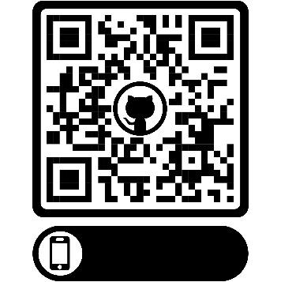

Online yuklab olish uchun bu yerga bosing.

