Лист2
Oziq ovqat | jami | dushanba | seshanba | chorshanba | payshanba | juma | shanba | sotilgan | olingan narx | sotilgan narx | tushum | oz narxi | foyda | ishchi haqi | soliq | 12%
Go'sht | 200 | 15 | 9 | 7 | 12 | 14 | 21 | 78 | 70000 | 80000 | 6240000 | 5460000 | 780000 | 1248000 | 5491200 | 658944
grunch | 60 | 5 | 3 | 8 | 10 | 15 | 3 | 44 | 20000 | 30000 | 1320000 | 880000 | 440000 | 264000 | 1161600 | 139392
tuxum | 90 | 8 | 14 | 8 | 9 | 7 | 4 | 50 | 1500 | 20000 | 1000000 | 75000 | 925000 | 200000 | 880000 | 105600
shakar | 50 | 3 | 4 | 6 | 8 | 10 | 9 | 40 | 1500 | 20000 | 800000 | 60000 | 740000 | 160000 | 704000 | 84480
qand | 40 | 2 | 3 | 4 | 6 | 7 | 9 | 31 | 20000 | 23000 | 713000 | 620000 | 93000 | 142600 | 627440 | 75292.8
quruq meva | 100 | 15 | 19 | 17 | 18 | 10 | 15 | 94 | 1800 | 20000 | 1880000 | 169200 | 1710800 | 376000 | 1654400 | 198528
moy | 60 | 9 | 4 | 6 | 3 | 14 | 18 | 54 | 1500 | 18000 | 972000 | 81000 | 891000 | 194400 | 855360 | 102643.2
sabzavot | 40 | 8 | 10 | 7 | 8 | 6 | 5 | 44 | 6000 | 8000 | 352000 | 264000 | 88000 | 70400 | 309760 | 37171.2
tovuq goshti | 80 | 12 | 18 | 17 | 10 | 2 | 5 | 64 | 30000 | 35000 | 2240000 | 1920000 | 320000 | 448000 | 1971200 | 236544
kalbasa | 66 | 10 | 8 | 9 | 13 | 4 | 9 | 53 | 25000 | 30000 | 1590000 | 1325000 | 265000 | 318000 | 1399200 | 167904
Итог | 786 | 87 | 92 | 89 | 97 | 89 | 98 | 552 | 177300 | 284000 | 17107000 | 10854200 | 6252800 | 3421400 | 15054160 | 1806499.2

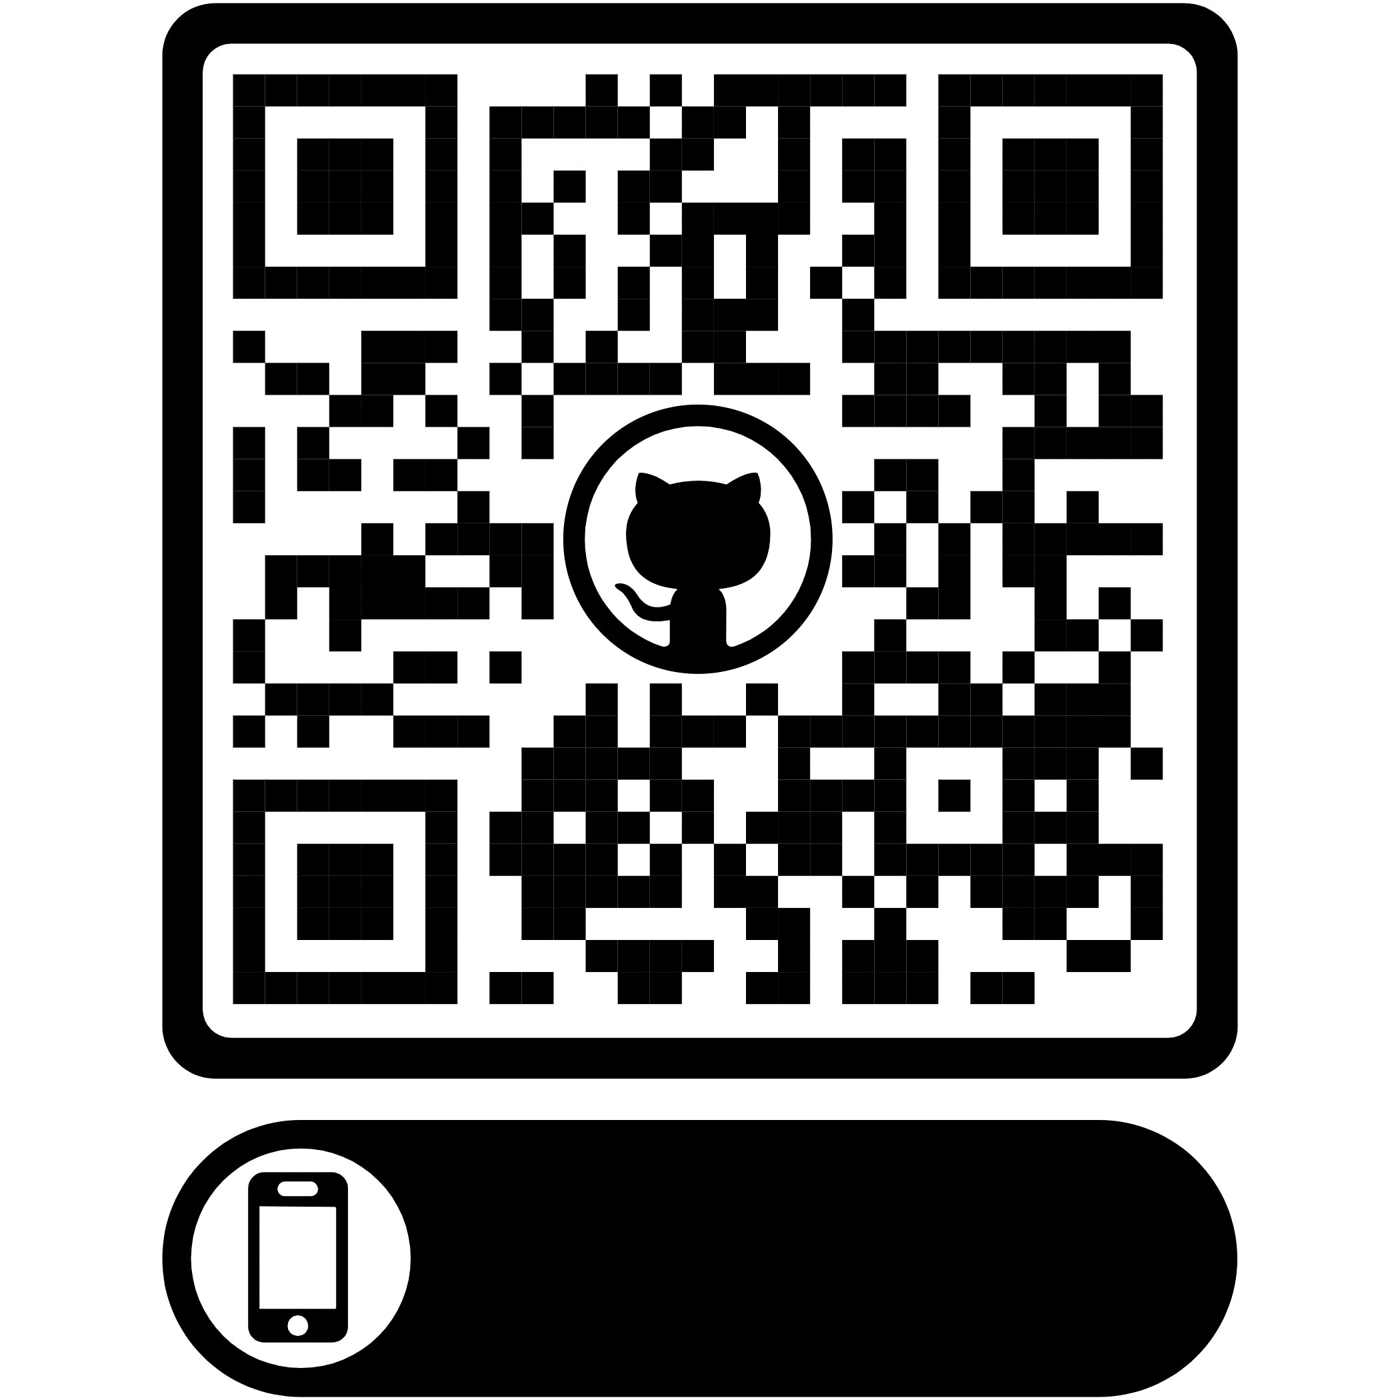

 |  |  | Yuklab olish uchun bu yerga bosing

