Sheet1
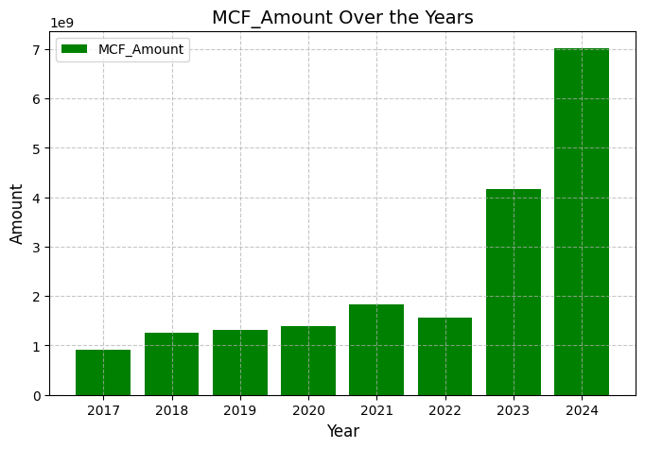
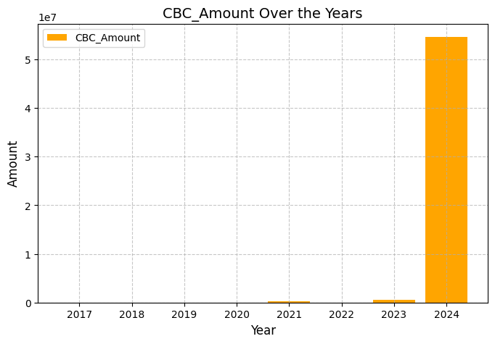
Financial Data Chart
 | LME Files | LME Amount | MCF Files | MCF Amount | CBC Files | CBC Amount
2024 | 11723 | EGP 11,115,911,288 | 7340 | EGP 7,017,650,487
2023 | 14756 | EGP 8,515,308,258 | 5170 | EGP 4,162,810,940
2022 | 14203 | EGP 7,674,227,806 | 6496 | EGP 1,559,758,038
2021 | 11674 | EGP 4,440,917,826 | 9596 | EGP 1,838,939,692
2020 | 11109 | EGP 3,759,999,803 | 7562 | EGP 1,394,410,320
2019 | 11538 | EGP 3,847,413,458 | 7554 | EGP 1,323,658,331
2018 | 10836 | EGP 2,595,373,505 | 7368 | EGP 1,253,762,105
2017 | 11446 | EGP 2,258,379,714 | 6648 | EGP 909,053,245
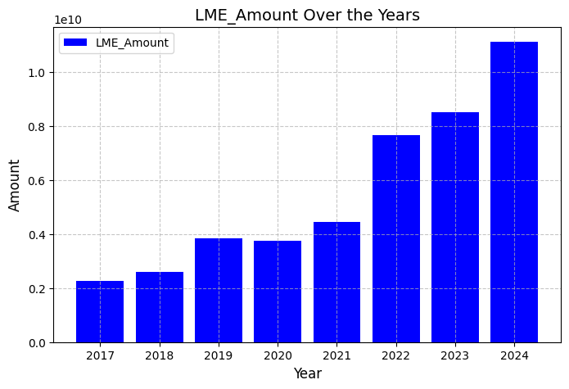
Year | LME Files | LME Amount | MCF Files | MCF Amount | CBC Files | CBC Amount
2024 | 11723 | EGP 11,115,911,288 | 7340 | EGP 7,017,650,487
2023 | 14756 | EGP 8,515,308,258 | 5170 | EGP 4,162,810,940
2022 | 14203 | EGP 7,674,227,806 | 6496 | EGP 1,559,758,038
2021 | 11674 | EGP 4,440,917,826 | 9596 | EGP 1,838,939,692
2020 | 11109 | EGP 3,759,999,803 | 7562 | EGP 1,394,410,320
2019 | 11538 | EGP 3,847,413,458 | 7554 | EGP 1,323,658,331
2018 | 10836 | EGP 2,595,373,505 | 7368 | EGP 1,253,762,105
2017 | 11446 | EGP 2,258,379,714 | 6648 | EGP 909,053,245
Total | 97,285 | EGP 44,207,531,658 | 57,734 | EGP 19,460,043,158 | 0 | EGP 0

 |  |  | 8 Years Total
 |  | Assets Files | Assets Amount | CBC Files | CBC Amount
 |  | 155,019 | EGP 63,667,574,816 | 0 | EGP 0

