Аркуш1
Author: | Eduard Maievskyi |  |  | Screenshots
Name: | Log In page
Fuction: | Comments, describe
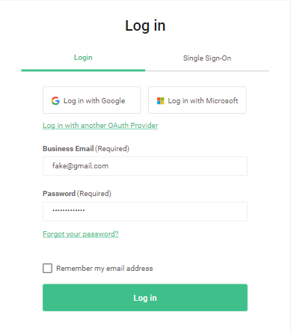
Purpose: | Checking Log In page to valid and not valid fill input fields
Case: 1 | all valid *log in* page
# | Steps | Expected results | Passed / Fail
Introduction | Open site from url: https://telnyx.com and passed cookeis page | The site is open and cookies passed | TRUE
 | Go to the comments at the bottom of the page | The comments is available | TRUE
# | Steps | Expected results | Passed / Fail
1 | Click on 'Log In' link | Opened https://portal.telnyx.com/#/login/sign-in | TRUE
2 | Fill email field | Email is filled in | TRUE
3 | Fill password field | Password is filled in | TRUE
4 | Click on 'Check Box' | Check Box is clickable | TRUE
5 | Click on 'Log In' button | Log In button is clickable | TRUE
Result: | Logged in to your account on the site

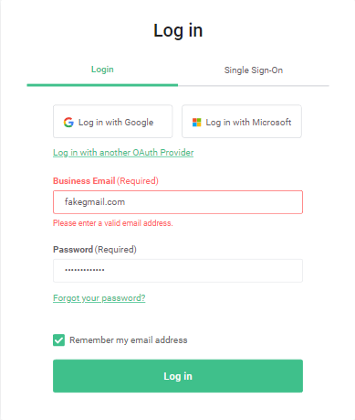
Case: 2 | with not valid email *log in* page
# | Steps | Expected results | Passed / Fail
Introduction | Open site from url: https://telnyx.com and passed cookeis page | The site is open and cookies passed | TRUE
 | Go to the comments at the bottom of the page | The comments is available | TRUE
# | Steps | Expected results | Passed / Fail
1 | Click on 'Log In' link | Opened https://portal.telnyx.com/#/login/sign-in | TRUE
2 | Fill email field with a mistake | Email is filled in | TRUE
3 | Fill password field | Password is filled in | TRUE
4 | Click on 'Check Box' | Check Box is clickable | TRUE
5 | Click on 'Log In' button | Log In button is clickable | TRUE
6 | Take a screenshot of the error message | Got a screenshot | TRUE
Result: | Saw the error message and took a screenshot

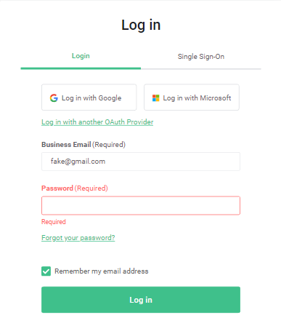

Case: 3 | with not valid password *log in* page
# | Steps | Expected results | Passed / Fail
Introduction | Open site from url: https://telnyx.com and passed cookeis page | The site is open and cookies passed | TRUE
 | Go to the comments at the bottom of the page | The comments is available | TRUE
# | Steps | Expected results | Passed / Fail
1 | Click on 'Log In' link | Opened https://portal.telnyx.com/#/login/sign-in | TRUE
2 | Fill email field | Email is filled in | TRUE
3 | Fill password field with a mistake | Password is filled in | TRUE
4 | Click on 'Check Box' | Check Box is clickable | TRUE
5 | Click on 'Log In' button | Log In button is clickable | TRUE
6 | Take a screenshot of the error message | Got a screenshot | TRUE
Result: | Saw the error message and took a screenshot

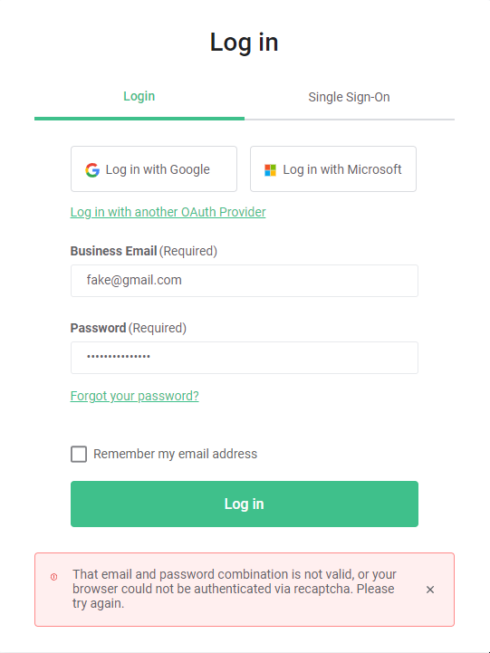

Case: 4 | with not click on check box *log in* page
# | Steps | Expected results | Passed / Fail
Introduction | Open site from url: https://telnyx.com and passed cookeis page | The site is open and cookies passed | TRUE
 | Go to the comments at the bottom of the page | The comments is available | TRUE
# | Steps | Expected results | Passed / Fail
1 | Click on 'Log In' link | Opened https://portal.telnyx.com/#/login/sign-in | TRUE
2 | Fill email field | Email is filled in | TRUE
3 | Fill password field | Password is filled in | TRUE
4 | Didn't click on 'Check Box' | Nothing | TRUE
5 | Click on 'Log In' button | Log In button is clickable | TRUE
6 | Take a screenshot of the error message | Got a screenshot | TRUE
Result: | Saw the error message and took a screenshot

Name: | Main page
Fuction: | Comments, describe
Purpose: | Checking Main page assert title and loading element
Case: 1 | Assert main menu in https://telnyx.com/ page
# | Steps | Expected results | Passed / Fail
Introduction | Open site from url: https://telnyx.com and passed cookeis page | The site is open and cookies passed | TRUE
 | Go to the comments at the bottom of the page | The comments is available | TRUE
# | Steps | Expected results | Passed / Fail
1 | Click on button 'Product' | Button is clickable | TRUE
2 | Assert inner text button | Inner text is right | TRUE
3 | Click on button 'Solutions' | Button is clickable | TRUE
4 | Assert inner text button | Inner text is right | TRUE
5 | Click on button 'Resources' | Button is clickable | TRUE
6 | Assert inner text button | Inner text is right | TRUE
7 | Click on button 'Company' | Button is clickable | TRUE
8 | Assert inner text button | Inner text is right | TRUE
9 | Click on button 'Pricing' | Button is clickable | TRUE
10 | Assert inner text button | Inner text is right | TRUE
Result: | See all button clickable and have right inner text

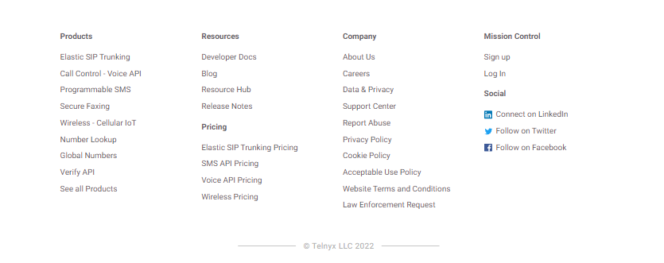
Case: 2 | Assert bottom main menu in https://telnyx.com/ page
# | Steps | Expected results | Passed / Fail
Introduction | Open site from url: https://telnyx.com and passed cookeis page | The site is open and cookies passed | TRUE
 | Go to the comments at the bottom of the page | The comments is available | TRUE
# | Steps | Expected results | Passed / Fail
1 | Click on button 'Product' | Button is clickable | TRUE
2 | Check element is visible ,assert inner text button | Is visible ,inner text is right | TRUE
3 | Click on button 'Resources' | Button is clickable | TRUE
4 | Check element is visible ,assert inner text button | Is visible ,inner text is right | TRUE
5 | Click on button 'Pricing' | Button is clickable | TRUE
6 | Check element is visible ,assert inner text button | Is visible ,inner text is right | TRUE
7 | Click on button 'Company' | Button is clickable | TRUE
8 | Check element is visible ,assert inner text button | Is visible ,inner text is right | TRUE
9 | Click on button 'Mission Control' | Button is clickable | TRUE
10 | Check element is visible ,assert inner text button | Is visible ,inner text is right | TRUE
11 | Click on button 'Social' | Button is clickable | TRUE
12 | Check element is visible ,assert inner text button | Is visible ,inner text is right | TRUE
Result: | All title is visivle and have right inner text

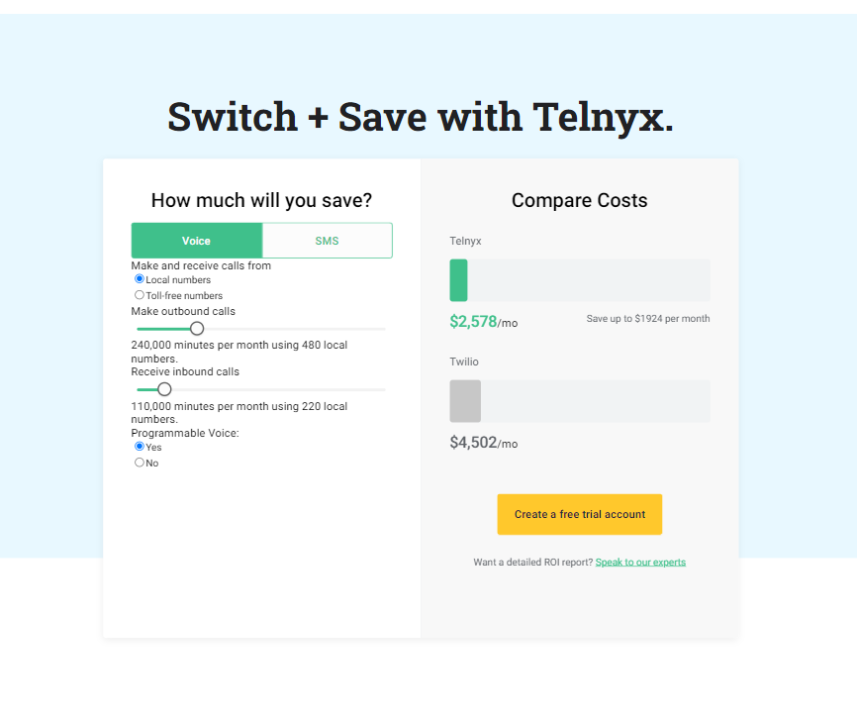

Case: 3 | Check loading element in https://telnyx.com/ page
# | Steps | Expected results | Passed / Fail
Introduction | Open site from url: https://telnyx.com and passed cookeis page | The site is open and cookies passed | TRUE
 | Go to the comments at the bottom of the page | The comments is available | TRUE
# | Steps | Expected results | Passed / Fail
1 | Check element in page | element is not found(visible) | TRUE
2 | Scroll to element | scrolled to element | TRUE
3 | Wait 2 second (time to complete all action in element) | Test waited 2 second | TRUE
4 | Check element is visible | Element is visible | TRUE
Result: | Element was loaded after scroll

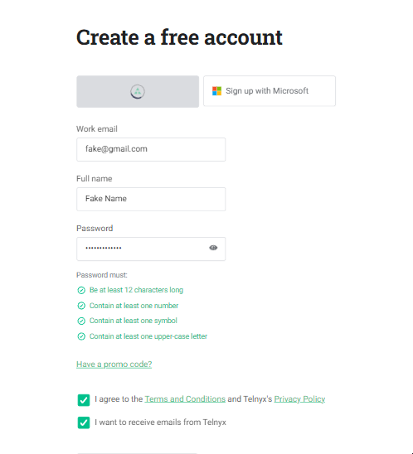
Name: | Sign Up page
Fuction: | Comments, describe
Purpose: | Checking Sign Up page to valid and not valid fill input fields
Case: 1 | all valid *Sign Up* page
# | Steps | Expected results | Passed / Fail
Introduction | Open site from url: https://telnyx.com and passed cookeis page | The site is open and cookies passed | TRUE
 | Go to the comments at the bottom of the page | The comments is available | TRUE
# | Steps | Expected results | Passed / Fail
1 | Click on 'Sign Up' link | Opened https://telnyx.com/sign-up | TRUE
2 | Fill email field | Email is filled in | TRUE
3 | Fill full name field | Full Name is filled in | TRUE
4 | Fill password field | Password is filled in | TRUE
5 | Click on 'Check Box first' | Check Box is clickable | TRUE
6 | Click on 'Check Box second' | Check Box is clickable | TRUE
7 | Click on 'Create Account' button | Log In button is clickable | TRUE
Result: | Register form work right , all fields valid

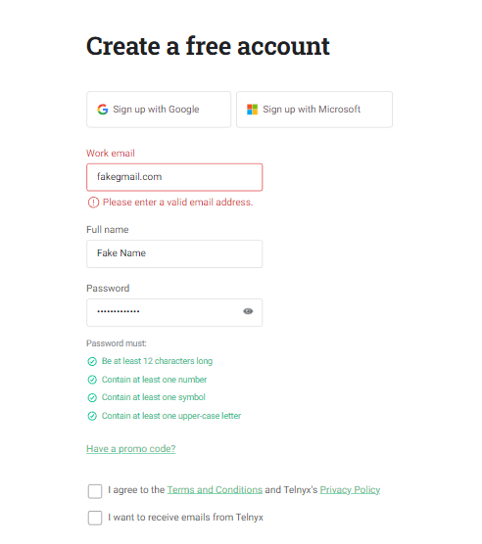
Case: 2 | with not valid email *Sign Up* page
# | Steps | Expected results | Passed / Fail
Introduction | Open site from url: https://telnyx.com and passed cookeis page | The site is open and cookies passed | TRUE
 | Go to the comments at the bottom of the page | The comments is available | TRUE
# | Steps | Expected results | Passed / Fail
1 | Click on 'Sign Up' link | Opened https://telnyx.com/sign-up | TRUE
2 | Fill email field with a mistake | Email is filled in | TRUE
3 | Fill full name field | Full Name is filled in | TRUE
4 | Fill password field | Password is filled in | TRUE
5 | Click on 'Create Account' button | Log In button is clickable | TRUE
6 | Take a screenshot of the error message | Got a screenshot | TRUE
Result: | Saw the error message and took a screenshot

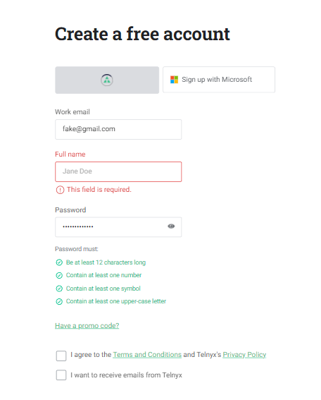

Case: 3 | with not valid full name *Sign Up* page
# | Steps | Expected results | Passed / Fail
Introduction | Open site from url: https://telnyx.com and passed cookeis page | The site is open and cookies passed | TRUE
 | Go to the comments at the bottom of the page | The comments is available | TRUE
# | Steps | Expected results | Passed / Fail
1 | Click on 'Sign Up' link | Opened https://telnyx.com/sign-up | TRUE
2 | Fill email field | Email is filled in | TRUE
3 | Fill full name field without name | Nothing | TRUE
4 | Fill password field | Password is filled in | TRUE
5 | Click on 'Create Account' button | Log In button is clickable | TRUE
6 | Take a screenshot of the error message | Got a screenshot | TRUE
Result: | Saw the error message and took a screenshot

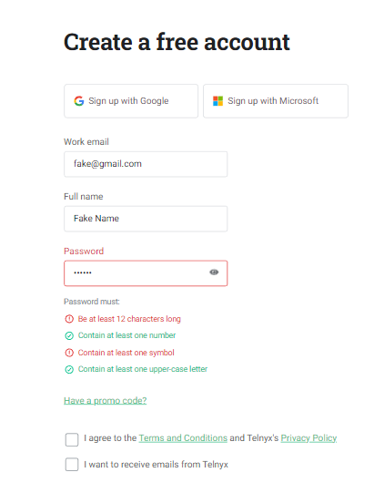
Case: 4 | with not valid password *Sign Up* page
# | Steps | Expected results | Passed / Fail
Introduction | Open site from url: https://telnyx.com and passed cookeis page | The site is open and cookies passed | TRUE
 | Go to the comments at the bottom of the page | The comments is available | TRUE
# | Steps | Expected results | Passed / Fail
1 | Click on 'Sign Up' link | Opened https://telnyx.com/sign-up | TRUE
2 | Fill email field | Email is filled in | TRUE
3 | Fill full name field | Nothing | TRUE
4 | Fill password field with a mistake (6 symbol) min 12 | Password is filled in | TRUE
5 | Click on 'Create Account' button | Log In button is clickable | TRUE
6 | Take a screenshot of the error message | Got a screenshot | TRUE
Result: | Saw the error message and took a screenshot

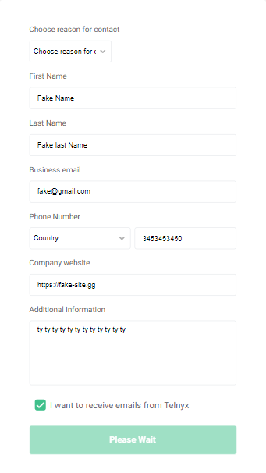
Name: | Talk to expert page
Fuction: | Comments, describe
Purpose: | Just checking the form for incorrect alert messages
Case: 1 | all valid *Talk To Expert* page
# | Steps | Expected results | Passed / Fail
Introduction | Open site from url: https://telnyx.com and passed cookeis page | The site is open and cookies passed | TRUE
 | Go to the comments at the bottom of the page | The comments is available | TRUE
# | Steps | Expected results | Passed / Fail
1 | Click on 'Talk to an Expert' link | Opened https://telnyx.com/contact-us | TRUE
2 | Choose an option in first selecter list | The option has changed | TRUE
3 | Fill first name field | First name is filled in | TRUE
3 | Fill last name field | Last name is filled in | TRUE
3 | Fill email field | Email is filled in | TRUE
2 | Choose an option in second selecter list | The option has changed | TRUE
4 | Fill phone field | Phone is filled in | TRUE
4 | Fill web site field | Web site is filled in | TRUE
5 | Fill additional information field | Field is filled in | TRUE
6 | Click on 'Check Box' | Check Box is clickable | TRUE
7 | Click on 'Submit' button | Log In button is clickable | TRUE
Result: | All form valid and see result on screenshot

