Sheet1
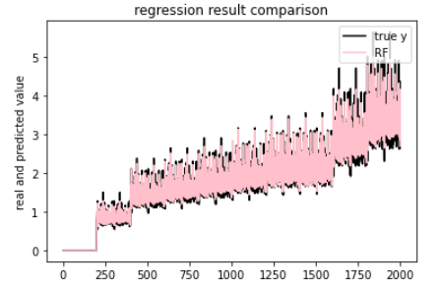
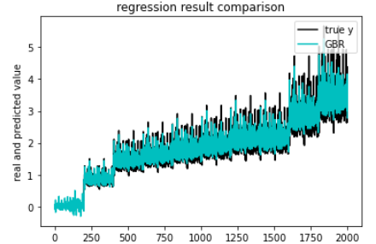
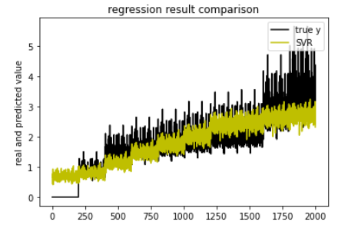
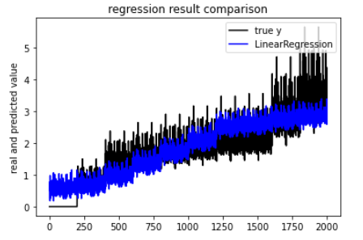
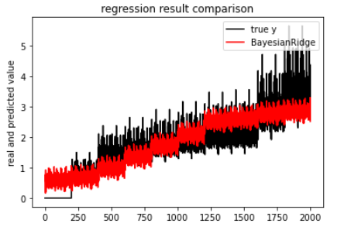
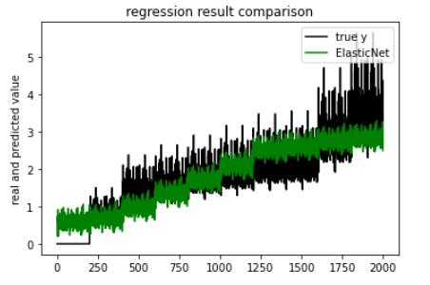
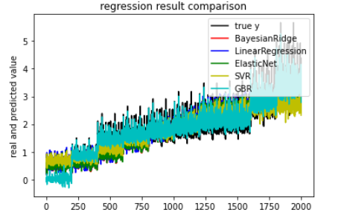

regression metrics | ev | mae | mse | r2
Bayesian | 0.743142 | 0.397761 | 0.251448 | 0.743142
Linear | 0.744634 | 0.396905 | 0.249988 | 0.744634
ElasticNet | 0.741044 | 0.399463 | 0.253502 | 0.741044
SVR | 0.753751 | 0.363874 | 0.241377 | 0.75343
GBR | 0.966496 | 0.123706 | 0.032799 | 0.966496
RandomForest | 0.93662 | 0.15549 | 0.06448 | 0.25393

