ECI dist
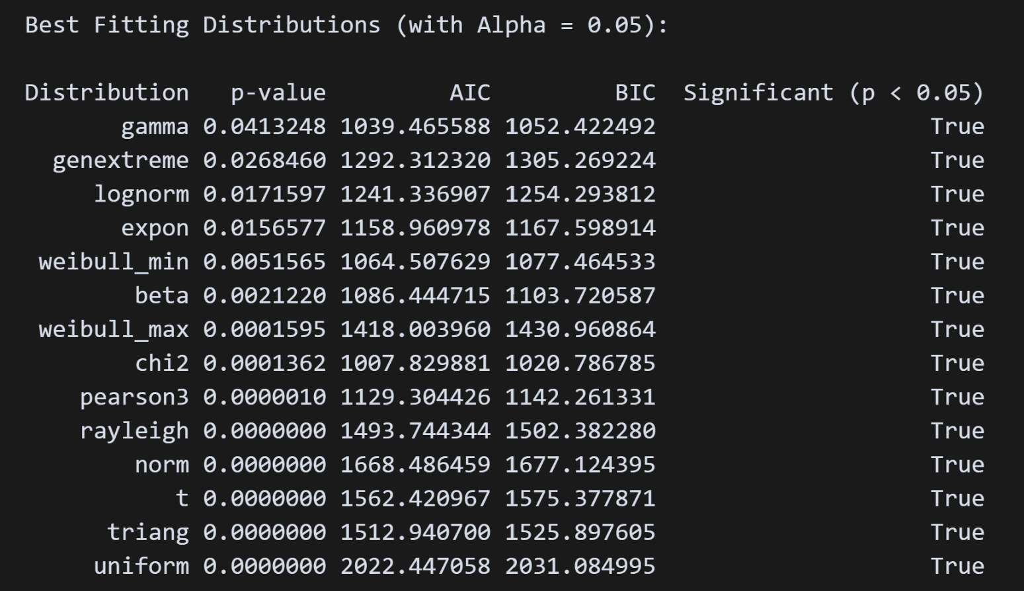
ECI – Distribution |  |  |  | No Fitted Distribution! | Python file: statistics.ipynb
City | Country | Rank | ECI
LONDON | GB |  | 5.39429488 |  |  | n | 555
PARIS | FR |  | 5.31384291 |  |  | MEAN | 0.27351
MADRID | ES |  | 4.77200242 |  |  | MEDIAN | -0.07045
BRUSSELS | BE |  | 4.39457348 |  |  | MODE | -0.76782
FRANKFURT | DE |  | 4.15395283 |  |  | S. DEVIATION | 1.08394
DUBLIN | IE |  | 4.01657115 |  |  | MAD | 0.81334
CARDIFF | GB |  | 3.79235772 |  |  | Q1 | -0.52012
HELSINKI | FI |  | 3.73409233 |  |  | Q3 | 0.71791
BARCELONA | ES |  | 3.56356026 |  |  | IQR | 1.23802
MILANO | IT |  | 3.45214138 |  |  | DISTRIBUTION TEST | Null
AMSTERDAM | NL |  | 3.45118739 |  |  | P-Value | Null
HAMBURG | DE |  | 3.41326941
VIENNA | AT |  | 3.38543287 |  |  | Max Values | 5.39429488
MUNICH | DE |  | 3.38074730 |  |  | Min Value | -0.76782450
WARSAW | PL |  | 3.28906196
MOSCOU | RU |  | 3.27942583
ROTTERDAM | NL |  | 3.19424511
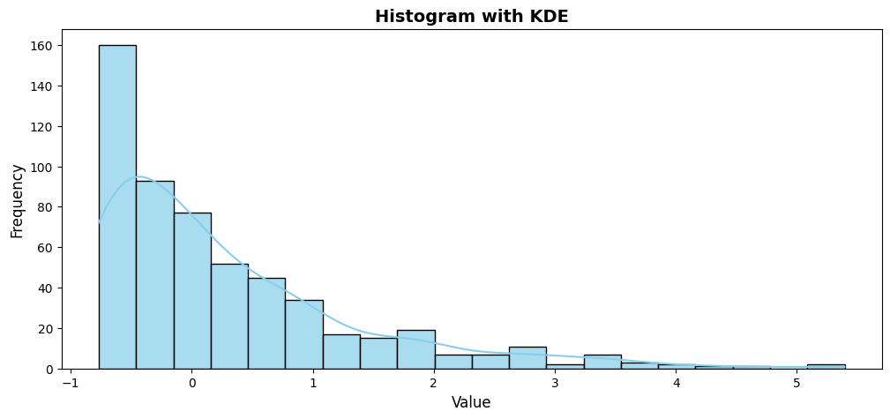
ESSEN | DE |  | 3.15512015
OSLO | NO |  | 2.92098334
BERLIN | DE |  | 2.89957930
STOCKHOLM | SE |  | 2.88643193
COLOGNE BONN | DE |  | 2.88317447
ST PETERSBOURG | RU |  | 2.88105131
LEEDS | GB |  | 2.83170063
BRISTOL | GB |  | 2.82660801
BIRMINGHAM GB | GB |  | 2.73785398
LYON | FR |  | 2.73095120
ROMA | IT |  | 2.69688767
MANCHESTER GB | GB |  | 2.64147838
BUDAPEST | HU |  | 2.54915849
SOUTHAMPTON | GB |  | 2.51304059
TOULOUSE | FR |  | 2.50269362
ZURICH | CH |  | 2.48934401
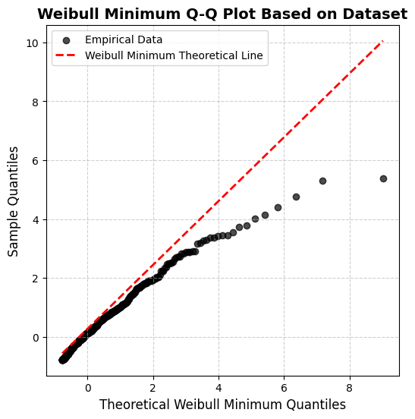
HANOVER | DE |  | 2.47681229
ANTWERP | BE |  | 2.37563320
MARSEILLE | FR |  | 2.33107315
STUTTGART | DE |  | 2.24602398
LUXEMBOURG | LU |  | 2.23418358
SAMARA | RU |  | 2.23146287
LILLE | FR |  | 2.10429555
KIEV | UA |  | 2.04393857
COPENHAGEN | DK |  | 2.04065540
NOVOSIBIRSK | RU |  | 2.03949806
NICE | FR |  | 1.97775425
UFA | RU |  | 1.97579075
GLASGOW | GB |  | 1.95720535
VENICE | IT |  | 1.93395655
PADERBORN | DE |  | 1.91741484
ROUEN | FR |  | 1.91202486
BALE MULHOUSE | CH |  | 1.90581046
NANTES | FR |  | 1.90552280
MANNHEIM | DE |  | 1.90197660
STRASBOURG | FR |  | 1.84372628
SEVILLE | ES |  | 1.81948309
NUREMBERG | DE |  | 1.81729612
POZNAN | PL |  | 1.81502335
DUSSELDORF | DE |  | 1.80877734
ATHENS | GR |  | 1.79432386
KRASNOYARSK | RU |  | 1.78429428
KAZAN | RU |  | 1.74333020
PRAGUE | CZ |  | 1.72078786
LISBON | PT |  | 1.71967065
BREMEN | DE |  | 1.68556555
EKATERINBURG | RU |  | 1.68179463
EDINBURGH | GB |  | 1.67283164
VALENCIA ES | ES |  | 1.66019335
BERNE | CH |  | 1.65540338
BILBAO | ES |  | 1.61377839
BORDEAUX | FR |  | 1.59184410
ENSHEDE | NL |  | 1.52517755
DRESDEN | DE |  | 1.50705538
IRKUTSK | RU |  | 1.45660603
SOFIA | BG |  | 1.45424122
GENEVA | CH |  | 1.44228801
IZHEVSK | RU |  | 1.43237226
MONTPELLIER | FR |  | 1.40467901
LEIPZIG HALLE | DE |  | 1.40151595
CLERMONT FERRAND | FR |  | 1.37739086
LIVERPOOL | GB |  | 1.35760393
DORTMUND | DE |  | 1.30683310
KARLSRUHE | DE |  | 1.29485194
TALLINN | EE |  | 1.29223621
BUCHAREST | RO |  | 1.22802546
LA ROCHELLE | FR |  | 1.20570764
CHARLEROI | BE |  | 1.17482847
BOLOGNA | IT |  | 1.16253964
NIZHNIY NOVGOROD | RU |  | 1.15746858
MALAGA | ES |  | 1.15461082
VLADIVOSTOK | RU |  | 1.14228979
RENNES | FR |  | 1.12545385
PORTO | PT |  | 1.11364326
ST ETIENNE | FR |  | 1.10646022
ERFURT | DE |  | 1.10364616
FLORENCE | IT |  | 1.09371035
EINDHOVEN | NL |  | 1.07861037
NOTTINGHAM | GB |  | 1.05524848
MAGNITOGORSK | RU |  | 1.04422420
TORINO | IT |  | 1.03898691
SAARBRUCKEN | DE |  | 1.02118572
BESANCON | FR |  | 1.00285740
DIJON | FR |  | 0.99827459
ORENBURG | RU |  | 0.99113857
VIGO | ES |  | 0.98525653
LJUBLJANA | SI |  | 0.98391856
PERM | RU |  | 0.96919846
KHABAROVSK | RU |  | 0.95491330
ZAGREB | HR |  | 0.95285132
CHELYABINSK | RU |  | 0.93097303
BRAUNSCHWEIG | DE |  | 0.92616576
KRAKOW | PL |  | 0.92459113
NEWCASTLE GB | GB |  | 0.91017194
LINZ | AT |  | 0.90877704
TENERIFE | ES |  | 0.90225261
LIEGE | BE |  | 0.89081372
VALLADOLID | ES |  | 0.88448124
BEAUVAIS | FR |  | 0.88027704
ROSTOCK LAAGE | DE |  | 0.86551824
CALAIS DUNKERQUE | FR |  | 0.86087690
AVIGNON | FR |  | 0.85803341
MUNSTER | DE |  | 0.85481433
ANNECY | FR |  | 0.85430260
NOVOKUZNETSK | RU |  | 0.83675230
METZ NANCY | FR |  | 0.83573805
ZARAGOZA | ES |  | 0.82146821
TVER | RU |  | 0.80462017
GRENOBLE | FR |  | 0.79862784
GOTEBORG | SE |  | 0.77798229
BRATISLAVA | SK |  | 0.77699588
ULYANOVSK | RU |  | 0.77255024
CAMBRIDGE | GB |  | 0.76858076
TYUMEN | RU |  | 0.76571278
KRASNODAR | RU |  | 0.76057690
ROSTOV | RU |  | 0.74756213
MAASTRICHT | NL |  | 0.74333599
VORONEZH | RU |  | 0.72935770
BELFAST | GB |  | 0.72927848
NAPOLI | IT |  | 0.72570021
SURGUT | RU |  | 0.71839996
ARKHANGELSK | RU |  | 0.71797615
GDANSK | PL |  | 0.71784048
REIMS | FR |  | 0.71570632
OVIEDO | ES |  | 0.69377993
CORK | IE |  | 0.68631639
ORLEANS | FR |  | 0.68180715
WROCLAW | PL |  | 0.67005795
TOURS | FR |  | 0.66381219
MURMANSK | RU |  | 0.65715442
BIARRITZ | FR |  | 0.64904969
LUBECK | DE |  | 0.64849734
KRISTIANSAND | NO |  | 0.64762391
AMIENS | FR |  | 0.62149330
STAVANGER | NO |  | 0.61346320
CAEN | FR |  | 0.60915539
KATOWICE | PL |  | 0.60829550
KALININGRAD | RU |  | 0.59474771
BADAJOZ | ES |  | 0.58653957
ABERDEEN | GB |  | 0.58066810
EXETER | GB |  | 0.57768777
ANGERS | FR |  | 0.57255268
MALMO | SE |  | 0.56476046
GRONINGEN | NL |  | 0.56387026
LA CORUNA | ES |  | 0.56204493
KASSEL | DE |  | 0.55445834
RIGA | LV |  | 0.55409731
FRIEDRICHSHAFEN | DE |  | 0.54924665
OREL | RU |  | 0.53189391
LE HAVRE | FR |  | 0.52911336
FREIBURG | DE |  | 0.51934836
VOLOGDA | RU |  | 0.51438963
PAMPLONA | ES |  | 0.50755017
CHEREPOVETS | RU |  | 0.49973029
AARHUS | DK |  | 0.49240589
SAN SEBASTIAN | ES |  | 0.48202461
CHAMBERY | FR |  | 0.46296381
GRAZ | AT |  | 0.45266099
LIMOGES | FR |  | 0.45031423
BERGEN | NO |  | 0.44394697
LAS PALMAS | ES |  | 0.41421419
VALENCE | FR |  | 0.40532079
KORTRIJK | BE |  | 0.39230656
LA ROCHE SUR YON | FR |  | 0.38796673
CORDOBA ES | ES |  | 0.38142249
TOMSK | RU |  | 0.37720489
RYAZAN | RU |  | 0.37522795
LEIDEN | NL |  | 0.36834961
PENZA | RU |  | 0.36781783
VANNES | FR |  | 0.36764577
VILNIUS | LT |  | 0.36601118
ALTENRHEIN | CH |  | 0.35794626
GENOA | IT |  | 0.34088042
AUGSBURG | DE |  | 0.33738246
DONESTK | UA |  | 0.33432060
YUZHNO-SAKHALINSK | RU |  | 0.32849636
MURCIA | ES |  | 0.31170268
ALMETYEVSK | RU |  | 0.30090953
KALUGA | RU |  | 0.29041617
NIMES | FR |  | 0.28780425
TRONDHEIM | NO |  | 0.28006231
VOLGOGRAD | RU |  | 0.27789535
BILLUND | DK |  | 0.26870170
SMOLENSK | RU |  | 0.26174877
PARMA | IT |  | 0.25531797
TROYES BARBEREY | FR |  | 0.25298722
SARANSK | RU |  | 0.24771951
GLOUCESTER CHELTENHAM | GB |  | 0.24435144
LODZ | PL |  | 0.22829660
CHITA | RU |  | 0.22358256
KOMSOMOLSK-NA-AMURE | RU |  | 0.21593995
SALZBURG | AT |  | 0.21002974
LE MANS | FR |  | 0.20569756
PIESTANY SLOVAKIA | SK |  | 0.20127241
BARNAUL | RU |  | 0.20114529
IVANOVO | RU |  | 0.20056618
TARBES | FR |  | 0.19729636
PISA | IT |  | 0.19585981
RZESZOW | PL |  | 0.19078441
QUIMPER | FR |  | 0.18975132
KIEL | DE |  | 0.18931388
ALICANTE | ES |  | 0.18861238
PAU | FR |  | 0.18780061
FARNBOROUGH | GB |  | 0.18472512
COLMAR | FR |  | 0.17751724
VICENZA | IT |  | 0.17723872
ASTRAKHAN | RU |  | 0.16793594
LOGRONO | ES |  | 0.16140889
TARRAGONA | ES |  | 0.15417978
VERONA | IT |  | 0.14579787
KLAGENFURT | AT |  | 0.14178793
YAROSLAV | RU |  | 0.13311711
KHARKOV | UA |  | 0.13096101
PERPIGNAN | FR |  | 0.12691369
PALMA DE MALLORCA | ES |  | 0.12447530
LVOV | UA |  | 0.12257502
LORIENT | FR |  | 0.11994431
GERONA | ES |  | 0.11939927
VITORIA ES | ES |  | 0.11505969
NORWICH | GB |  | 0.11494941
STAVROPOL | RU |  | 0.11433814
TRIESTE | IT |  | 0.10850337
LIPETSK | RU |  | 0.10771429
ANAPA | RU |  | 0.10702273
KEMEROVO | RU |  | 0.10646743
EPINAL | FR |  | 0.10517987
KIROV | RU |  | 0.10350931
ALBI | FR |  | 0.10236602
KURSK | RU |  | 0.07790722
TAMPERE | FI |  | 0.06970543
ST BRIEUC | FR |  | 0.05869412
ANCONA | IT |  | 0.05690402
VARNA | BG |  | 0.05667894
BREST FR | FR |  | 0.04633042
ROANNE | FR |  | 0.04349048
MEMMINGEN | DE |  | 0.03336022
GRANADA | ES |  | 0.03085526
SOCHI | RU |  | 0.03037886
TOULON | FR |  | 0.01504263
NEVERS | FR |  | 0.01427483
INGOLSTADT | DE |  | 0.01380581
CARCASSONNE | FR |  | 0.01119882
TURKU | FI |  | 0.01022554
ISTANBUL | TR |  | 0.00118929
VLADIKAVKAZ | RU |  | -0.00209275
OSTEND | BE |  | -0.01941950
MACON CHARNAY | FR |  | -0.02548372
ALMERIA | ES |  | -0.03205717
CHOLET | FR |  | -0.03459486
HAHN | DE |  | -0.03813436
BERGERAC | FR |  | -0.04093924
BYDGOSZCZ | PL |  | -0.04357841
JEREZ | ES |  | -0.04443565
ST MORITZ | CH |  | -0.04933721
NABEREZHNYE CHELNY | RU |  | -0.05118526
ST NAZAIRE | FR |  | -0.05774682
AUXERRE | FR |  | -0.06332767
COVENTRY | GB |  | -0.06448353
LUGANO | CH |  | -0.06534544
ODENSE | DK |  | -0.06918963
DUNDEE | GB |  | -0.07045487
BRNO | CZ |  | -0.07328777
MONTBELLIARD | FR |  | -0.07996156
AGEN | FR |  | -0.08307009
VELIKII NOVGOROD | RU |  | -0.08443317
KARUP | DK |  | -0.08897774
ANGELHOLM | SE |  | -0.09957538
OXFORD | GB |  | -0.10098168
SANTIAGO DE COMPOSTELA | ES |  | -0.10128633
TERNOPIL | UA |  | -0.10260759
BELGOROD | RU |  | -0.10274534
POITIERS | FR |  | -0.10322385
ODESSA | UA |  | -0.10592420
LEON | ES |  | -0.10623567
RYBINSK | RU |  | -0.10945174
SANTANDER | ES |  | -0.11180365
VLADIMIR | RU |  | -0.11252235
SZCZYTNO | PL |  | -0.11294170
LAPEENRANTA | RU |  | -0.11779857
NALCHIK | RU |  | -0.12607562
CHEBOKSARY | RU |  | -0.13949636
SHANNON | IE |  | -0.14091078
MONCHENGLADBACH | DE |  | -0.14250977
KOSTROMA | RU |  | -0.14307542
SCHWERIN | DE |  | -0.14842225
PERUGIA | IT |  | -0.15219582
PECS | HU |  | -0.17875368
BOURG EN BRESSE | FR |  | -0.17956292
SALAMANQUE | ES |  | -0.18061661
CHERNIGIV | UA |  | -0.18489144
DEAUVILLE | FR |  | -0.18590437
NORILSK | RU |  | -0.18719975
NOVYI URENGOI | RU |  | -0.19202741
SARMELLEK | HU |  | -0.19608334
AJACCIO | FR |  | -0.19647981
GIBRALTAR | GB |  | -0.19857995
OREBRO TAEBY | SE |  | -0.19976298
BEREZNIKI | RU |  | -0.20234265
FUNCHAL | PT |  | -0.20304653
BADEN BADEN | DE |  | -0.20559421
WATERFORD | IE |  | -0.20796036
NIORT | FR |  | -0.21193272
PSKOV | RU |  | -0.21347962
BEZIERS | FR |  | -0.21469525
KOSICE | SK |  | -0.21667003
BLAGOVESHCHENSK | RU |  | -0.21729936
BOURGES | FR |  | -0.22240442
ZHITOMIR | UA |  | -0.22320546
THESSALONIKI | GR |  | -0.22620512
BLOIS | FR |  | -0.22948122
CHALON SUR SAONE | FR |  | -0.23167066
MARIBOR | SI |  | -0.23301992
ESBJERG | DK |  | -0.24011193
ELISTA | RU |  | -0.24088140
IRAKLION | GR |  | -0.24461722
RODEZ | FR |  | -0.24918569
VICHY | FR |  | -0.25067186
TIMISOARA | RO |  | -0.25284504
INNSBRUCK | AT |  | -0.25397026
NORRKOPING | SE |  | -0.25431600
AALESUND | NO |  | -0.25751189
PETROZAVODSK | RU |  | -0.26011928
PLOVDIV | BG |  | -0.26451705
PESCARA | IT |  | -0.27261505
CHERBOURG | FR |  | -0.27701313
SIEGEN | DE |  | -0.28269863
SIBIU | RO |  | -0.28387242
EMDEN | DE |  | -0.28570428
CAGLIARI | IT |  | -0.28698811
SIMFEROPOL | UA |  | -0.29312837
CATANIA | IT |  | -0.29320218
ARMAVIR | RU |  | -0.29589238
LINKOPING | SE |  | -0.30170063
REUS | ES |  | -0.30324523
OULU | FI |  | -0.30911817
SUNDSVALL | SE |  | -0.30944455
NICOSIA | CY |  | -0.31676373
PALERMO | IT |  | -0.32426619
AALBORG | DK |  | -0.32694683
KIROVOGRAD | UA |  | -0.33552231
ANGOULEME | FR |  | -0.34017149
HUMBERSIDE | GB |  | -0.34243245
MIKOLAIV | UA |  | -0.34403183
LUBLIN | PL |  | -0.34702865
TAMBOV | RU |  | -0.34953780
IOSHKAR-OLA | RU |  | -0.36031792
BOURNEMOUTH | GB |  | -0.36156045
TROMSO | NO |  | -0.36179190
SIENA | IT |  | -0.36465776
SWANSEA | GB |  | -0.36539106
PORI | FI |  | -0.36593184
BURGAS | BG |  | -0.36693911
CLUJ NAPOCA | RO |  | -0.36702914
BASTIA | FR |  | -0.36745970
CHATEAUROUX | FR |  | -0.36789876
BARI | IT |  | -0.37282416
JONKOPING | SE |  | -0.37539808
BRIVE | FR |  | -0.37892057
MINERALNYE VODY | RU |  | -0.38236017
MOULINS | FR |  | -0.39079320
KAUNAS | LT |  | -0.39676918
IBIZA | ES |  | -0.40679071
NARYAN-MAR | RU |  | -0.40774822
CHICHESTER | GB |  | -0.40796101
OSTRAVA | CZ |  | -0.41097213
KONGSBERG | NO |  | -0.41363824
KAVALA | GR |  | -0.41687077
MAGADAN | RU |  | -0.41736863
ABAKAN | RU |  | -0.41995168
SLIAC | SK |  | -0.42010359
BOLZANO | IT |  | -0.42135298
GALWAY | IE |  | -0.43229596
TARTU | EE |  | -0.43888030
TULA | RU |  | -0.43929350
LYDD | GB |  | -0.44086998
INVERNESS | GB |  | -0.44519055
RIJEKA | HR |  | -0.44658917
SPLIT | HR |  | -0.45382490
VAASA | FI |  | -0.46289717
ALGHERO | IT |  | -0.46889616
ALBACETE | ES |  | -0.47121661
ARRECIFE | ES |  | -0.47286863
BRINDISI | IT |  | -0.47639616
ALES | FR |  | -0.48047032
KRISTIANSUND | NO |  | -0.48517691
SKIEN | NO |  | -0.49059177
FARO | PT |  | -0.49177203
GUERNSEY | GB |  | -0.49367791
AURILLAC | FR |  | -0.49382474
BRAGA | PT |  | -0.49757087
LAMEZIA TERME | IT |  | -0.49868330
DEBRECEN | HU |  | -0.49903783
KHERSON | UA |  | -0.50195386
HOF | DE |  | -0.50350953
CANNES | FR |  | -0.50423097
BLACKPOOL | GB |  | -0.51245288
SION | CH |  | -0.51746728
ORSK | RU |  | -0.51828137
UZHGOROD | UA |  | -0.51925372
AKROTIRI | CY |  | -0.52097885
BORLANGE | SE |  | -0.52783206
KIRKENES | NO |  | -0.53019408
CHARLEVILLE MEZIERES | FR |  | -0.53089507
CUNEO | IT |  | -0.55610417
BODO | NO |  | -0.56051011
KRISTIANSTAD | SE |  | -0.56451101
PULA | HR |  | -0.57070075
BRASOV | RO |  | -0.57239916
KUOPIO | FI |  | -0.57573323
REGGIO CALABRIA | IT |  | -0.57669226
RONNEBY | SE |  | -0.57908682
JYVASKYLA | FI |  | -0.58030010
SKELLEFTEA | SE |  | -0.58043808
TYNDA | RU |  | -0.58130972
KARLSTAD | SE |  | -0.58248503
LAHR | DE |  | -0.58419475
ZADAR | HR |  | -0.58447310
KOKKOLA | FI |  | -0.58472615
ESKILSTUNA | SE |  | -0.58588277
ROVANIEMI | FI |  | -0.58744602
COGNAC | FR |  | -0.58746399
LIDKOPING | SE |  | -0.58964588
GROSSETO | IT |  | -0.59646416
VAXJOE | SE |  | -0.59705872
CEUTA | ES |  | -0.60026050
THISTED | DK |  | -0.60154221
IASI | RO |  | -0.60398162
SANDEFJORD | NO |  | -0.61083788
CRAIOVA | RO |  | -0.61221764
LULEA | SE |  | -0.61329322
CUXHAVEN NORDHOLZSPIEKA | DE |  | -0.61349594
PALANGA | LT |  | -0.61510866
KEMI | FI |  | -0.61775668
IZMIR | TR |  | -0.61828065
CONSTANTA | RO |  | -0.62289200
HALMSTAD | SE |  | -0.62634587
HAVERFORDWEST | GB |  | -0.62840862
MONTLUCON | FR |  | -0.62960068
FORLI | IT |  | -0.63424924
MOLDE | NO |  | -0.63467932
JOENSUU | FI |  | -0.63534016
LIEPAJA | LV |  | -0.63720063
RODOS | GR |  | -0.63840981
UMEA | SE |  | -0.63935269
TROLLHATTAN | SE |  | -0.64212698
DUBROVNIK | HR |  | -0.64516925
KIRUNA | SE |  | -0.64827823
ZHITOMIR | UA |  | -0.64951157
SONDERBORG | DK |  | -0.65065087
MISKOLC | HU |  | -0.65142781
HAGFORS | SE |  | -0.65409774
SKOPJE | MK |  | -0.66225719
ANKARA | TR |  | -0.66932722
FOGGIA | IT |  | -0.67008363
VOLOS | GR |  | -0.67228592
SIAULIAI | LT |  | -0.67409423
MORLAIX | FR |  | -0.67443921
BIALYSTOK | PL |  | -0.67544862
PUERTO DEL ROSARIO | ES |  | -0.67875136
LANDIVISIAU | FR |  | -0.67940976
ALTENBURG | DE |  | -0.68035928
KALMAR | SE |  | -0.68085802
LARNACA | CY |  | -0.68168827
KARLOVY VARY | CZ |  | -0.68456458
FLENSBURG | DK |  | -0.68873067
PATRAS ARAXOS | GR |  | -0.69031405
MALTA | MT |  | -0.69466199
BURSA | TR |  | -0.69567754
MARIEHAMN | FI |  | -0.69720683
BACAU | RO |  | -0.69826876
KISHINEV | MD |  | -0.69863215
SVEG | SE |  | -0.69923863
OLBIA | IT |  | -0.70018691
IOANNINA | GR |  | -0.70137133
MELILLA | ES |  | -0.70508644
ALTA | NO |  | -0.70537599
PORTOROZ | SI |  | -0.70542845
VISEU | PT |  | -0.70747081
KAJAANI | FI |  | -0.70865460
DAX | FR |  | -0.71065665
TIRANA | AL |  | -0.71089952
CROTONE | IT |  | -0.71357035
ZWEIBRUCKEN | DE |  | -0.71738652
TRAPANI | IT |  | -0.72061761
VASTERAS | SE |  | -0.72090444
ALBENGA | IT |  | -0.72122951
LERWICK | GB |  | -0.72255154
CHANIA | GR |  | -0.72365891
LARISSA | GR |  | -0.72664256
TORSBY | SE |  | -0.72855191
SEINAJOKI | FI |  | -0.73182065
STORUMAN | SE |  | -0.73441303
LYCKSELE | SE |  | -0.73529677
ADANA | TR |  | -0.73542604
REYKJAVIK | IS |  | -0.73572587
AKUREYRI | IS |  | -0.73793104
TRABZON | TR |  | -0.73797185
ASTANA | KZ |  | -0.73806219
KASTORIA | GR |  | -0.73905248
MINSK | BY |  | -0.73986901
VISBY | SE |  | -0.74215068
JERSEY | GB |  | -0.74349245
FLORO | NO |  | -0.74897065
ROROS | NO |  | -0.75038158
BANJA LUKA | BA |  | -0.75086684
MORA | SE |  | -0.75119789
SKOVDE | SE |  | -0.75304321
KUUSAMO | FI |  | -0.75335939
KHANTY MANSIISK | RU |  | -0.75342101
ALEXANDROUPOLIS | GR |  | -0.75425562
RONNE | DK |  | -0.75805475
ANTALYA | TR |  | -0.75847368
VILHELMINA | SE |  | -0.75867248
TORTOLI | IT |  | -0.75908468
SARAJEVO | BA |  | -0.75953708
BRYANSK | RU |  | -0.75973308
FAGERNES | NO |  | -0.75973308
BRAGANCA | PT |  | -0.76090329
KONYA | TR |  | -0.76090329
FAIRFORD | GB |  | -0.76105395
KRAMFORS | SE |  | -0.76105395
KURGAN | RU |  | -0.76136786
VILA REAL | PT |  | -0.76229296
KOZANI | GR |  | -0.76340832
OMSK | RU |  | -0.76340832
CAMPBELTOWN | GB |  | -0.76370558
BAKU | AZ |  | -0.76395394
TBILISSI | GE |  | -0.76395394
YEREVAN | AM |  | -0.76395394
KIRKWALL | GB |  | -0.76523842
ORADEA | RO |  | -0.76523842
ALMATY | KZ |  | -0.76782450
ISLE OF MAN | GB |  | -0.76782450
MOSTAR | BA |  | -0.76782450
OHRID | MK |  | -0.76782450
PAVLODAR | KZ |  | -0.76782450
PETROPAVLOVSK KAMCHATS | RU |  | -0.76782450
TUZLA | BA |  | -0.76782450

H0 GEV
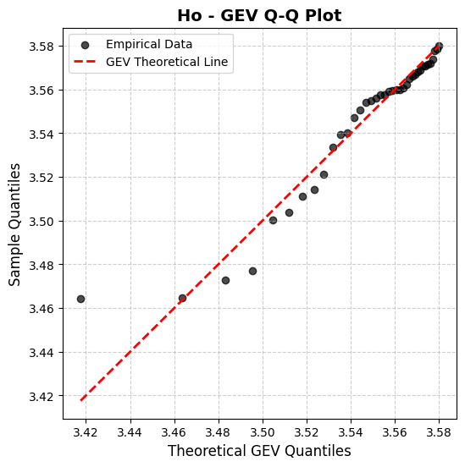
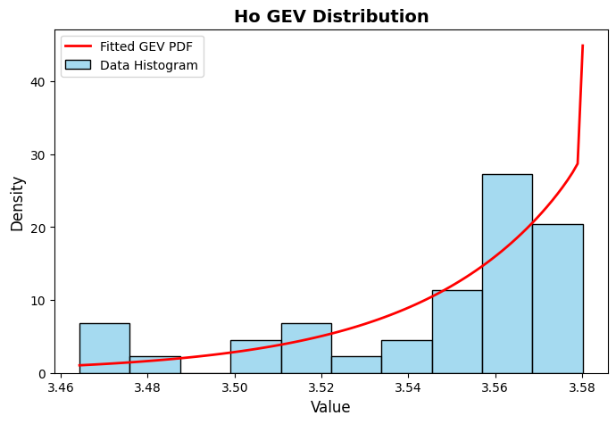
Appendix C.1: Statistical Analysis of H0 (Complexity Indicator)

H0 – GEV Distribution |  |  |  | GEV Test: 0.66458 |  | Python file: statistics.ipynb
 | Rank | Ηo | Max-Min (4 STD gap) Score | GEV SCORE | Gap | GEV Formula
Amsterdam | 34 | 3.500159 | 0.139294 | 0.101695 | 0.037599
Antwerp | 16 | 3.559990 | 0.677643 | 0.556714 | 0.120928
Athens | 31 | 3.514057 | 0.228240 | 0.150614 | 0.077625 | S(X) = The standardized value (between 0 and 1)
Barcelona | 37 | 3.464700 | 0.011353 | 0.037468 | -0.026115 | FGEV(x;kσ) = The GEV cumulative distribution function (CDF)
Berlin | 8 | 3.570890 | 0.819324 | 0.762292 | 0.057032 | See F(x) at the bottom left of this page
Bologna | 38 | 3.464309 | 0.010735 | 0.037059 | -0.026324 | k = Shape Parameter | 1.0125
Bratislava | 11 | 3.566933 | 0.766332 | 0.679859 | 0.086473 | Fréchet (Type II, heavy-tailed, k>0)
Brussels | 23 | 3.554710 | 0.613846 | 0.478511 | 0.135335 | σ = Scale Parameter | 3.5455
Bucharest | 9 | 3.568643 | 0.789017 | 0.714284 | 0.074733 | μ = Location Parameter | 0.0351
Budapest | 24 | 3.553913 | 0.604492 | 0.467718 | 0.136774
Copenhagen | 10 | 3.568094 | 0.781698 | 0.703039 | 0.078659 | Max-Min Formula
Dublin | 17 | 3.559817 | 0.675498 | 0.553956 | 0.121542
Gdansk | 3 | 3.577765 | 0.915597 | 0.931643 | -0.016045
Geneva | 33 | 3.503665 | 0.159671 | 0.112277 | 0.047394
Glasgow | 29 | 3.533615 | 0.390420 | 0.262228 | 0.128192
Graz | 28 | 3.539395 | 0.446634 | 0.309078 | 0.137556 | Max H0 Score | 3.583500
Hamburg | 14 | 3.562397 | 0.707771 | 0.596581 | 0.111190 | Standard dev. | 0.033242
Helsinki | 6 | 3.571442 | 0.826850 | 0.774594 | 0.052256 | Min H0 = (Max - 4*std) | 3.450532
Lisbon | 15 | 3.560833 | 0.688121 | 0.570357 | 0.117763
Ljubljana | 19 | 3.559311 | 0.669263 | 0.545968 | 0.123295 | Mean Ηo | 3.545
London | 26 | 3.547055 | 0.526943 | 0.384480 | 0.142462 | Median Ηo | 3.558
Luxembourg City | 25 | 3.550639 | 0.566802 | 0.425914 | 0.140887 | STD Ηo | 0.033
Madrid | 12 | 3.566067 | 0.754976 | 0.663083 | 0.091893 | MAD Ηo | 0.026
Malmo | 30 | 3.521145 | 0.282013 | 0.184086 | 0.097927
Marseille | 7 | 3.570920 | 0.819732 | 0.762956 | 0.056777 | Gap Mean | 0.076158
Nicosia | 35 | 3.477041 | 0.039747 | 0.053011 | -0.013264 | Gap Median | 0.089183
Oslo | 5 | 3.571714 | 0.830577 | 0.780732 | 0.049845 | Gap STD | 0.058678
Paris | 13 | 3.564849 | 0.739147 | 0.640207 | 0.098940 | Gap MAD | 0.048583
Riga | 2 | 3.578658 | 0.928502 | 0.956564 | -0.028061
Rome | 1 | 3.580137 | 0.950051 | 1.000000 | -0.049949
Sofia | 18 | 3.559407 | 0.670440 | 0.547475 | 0.122965
Stockholm | 22 | 3.556082 | 0.630117 | 0.497688 | 0.132429
Tallinn | 4 | 3.573784 | 0.859192 | 0.829157 | 0.030035
Tirana | 32 | 3.511004 | 0.206829 | 0.138154 | 0.068675
Vienna | 27 | 3.539981 | 0.452540 | 0.314277 | 0.138262
Vilnius | 20 | 3.557625 | 0.648680 | 0.520191 | 0.128489
Warsaw | 21 | 3.557444 | 0.646481 | 0.517498 | 0.128983
Zagreb | 36 | 3.472689 | 0.027767 | 0.046903 | -0.019136

K Rayleigh
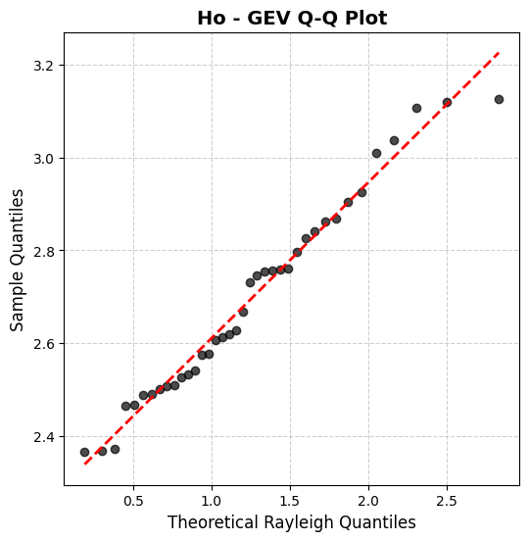
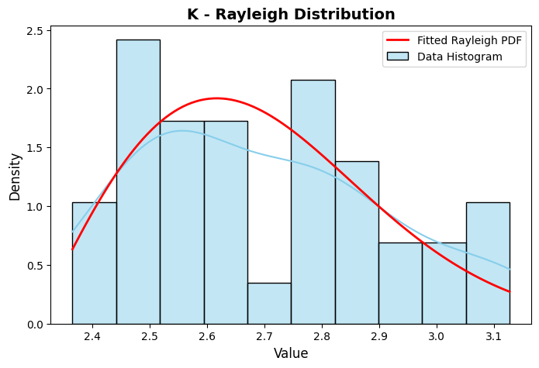
Appendix C.3: Statistical Analysis of K (Complexity Indicator)

k̅ – Rayleigh Distribution |  |  |  |  |  | Rayleigh Test: 0.89372 | Python file: statistics.ipynb
 | Rank | k̅ | Rayleigh Score | Max-Min Stand. | Gap
Amsterdam | 6 | 2.92578 | 0.858535 | 0.7361 | 0.122440 | Rayleigh Formula
Antwerp | 4 | 3.03688 | 0.933618 | 0.8820 | 0.051663
Athens | 1 | 3.12680 | 0.967127 | 1.0000 | -0.032878
Barcelona | 5 | 3.00950 | 0.919089 | 0.8460 | 0.073085
Berlin | 27 | 2.53176 | 0.234808 | 0.2188 | 0.015998 | KS Test Statistic: | 0.0896
Bologna | 17 | 2.74700 | 0.631137 | 0.5014 | 0.129752 | S(X) = The standardized value (between 0 and 1)
Bratislava | 29 | 2.50877 | 0.195133 | 0.1886 | 0.006502 | FRayleigh(x;kσ) = The Rayleigh CDF
Brussels | 2 | 3.11980 | 0.965178 | 0.9908 | -0.025632 | σ = Scale Parameter | 0.3162
Bucharest | 13 | 2.76122 | 0.654187 | 0.5200 | 0.134139
Budapest | 10 | 2.84098 | 0.768058 | 0.6248 | 0.143293
Copenhagen | 19 | 2.66690 | 0.489132 | 0.3962 | 0.092910 | Max-Min standardization
Dublin | 36 | 2.37117 | 0.024718 | 0.0080 | 0.016735
Gdansk | 31 | 2.50096 | 0.182176 | 0.1784 | 0.003807
Geneva | 14 | 2.75852 | 0.649869 | 0.5165 | 0.133360
Glasgow | 24 | 2.57682 | 0.317533 | 0.2780 | 0.039566
Graz | 35 | 2.46565 | 0.127612 | 0.1320 | -0.004405 | Max | 3.1268
Hamburg | 32 | 2.48982 | 0.164216 | 0.1637 | 0.000468 | Min | 2.3651
Helsinki | 22 | 2.61202 | 0.384639 | 0.3242 | 0.060461
Lisbon | 11 | 2.82654 | 0.749486 | 0.6058 | 0.143672 | Mean k̅ | 0.493
Ljubljana | 28 | 2.52558 | 0.223936 | 0.2107 | 0.013243 | Median k̅ | 0.451
London | 26 | 2.54166 | 0.252503 | 0.2318 | 0.020692 | STD k̅ | 0.309
Luxembourg City | 18 | 2.73173 | 0.605561 | 0.4813 | 0.124226 | MAD k̅ | 0.275
Madrid | 7 | 2.90558 | 0.839811 | 0.7096 | 0.130237
Malmo | 9 | 2.86222 | 0.793687 | 0.6526 | 0.141041
Marseille | 21 | 2.61846 | 0.396992 | 0.3326 | 0.064364
Nicosia | 16 | 2.75537 | 0.644797 | 0.5124 | 0.132422
Oslo | 37 | 2.36869 | 0.023035 | 0.0047 | 0.018308
Paris | 3 | 3.10717 | 0.961411 | 0.9742 | -0.012816
Riga | 25 | 2.57451 | 0.313179 | 0.2749 | 0.038245
Rome | 15 | 2.75675 | 0.647024 | 0.5142 | 0.132836
Sofia | 20 | 2.62672 | 0.412829 | 0.3435 | 0.069346
Stockholm | 12 | 2.79739 | 0.709194 | 0.5675 | 0.141661
Tallinn | 23 | 2.60639 | 0.373846 | 0.3168 | 0.057062
Tirana | 38 | 2.36509 | 0.020694 | 0.0000 | 0.020697
Vienna | 8 | 2.86918 | 0.801648 | 0.6618 | 0.139867 | Gap Mean | 0.061530
Vilnius | 34 | 2.46784 | 0.130785 | 0.1349 | -0.004110 | Gap Median | 0.054363
Warsaw | 30 | 2.50703 | 0.192221 | 0.1863 | 0.005878 | Gap STD | 0.059611
Zagreb | 33 | 2.48816 | 0.161595 | 0.1616 | 0.000024 | Gap MAD | 0.052770

l.t-student
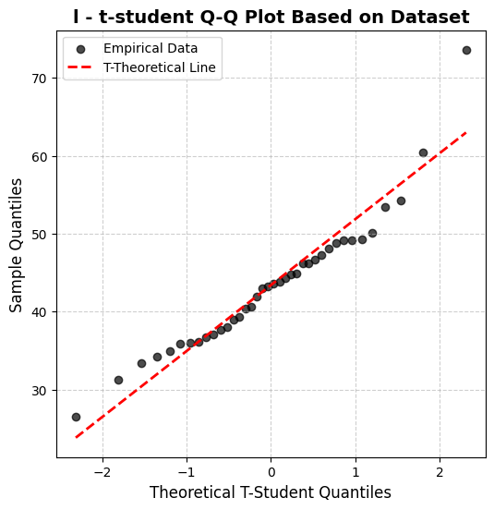
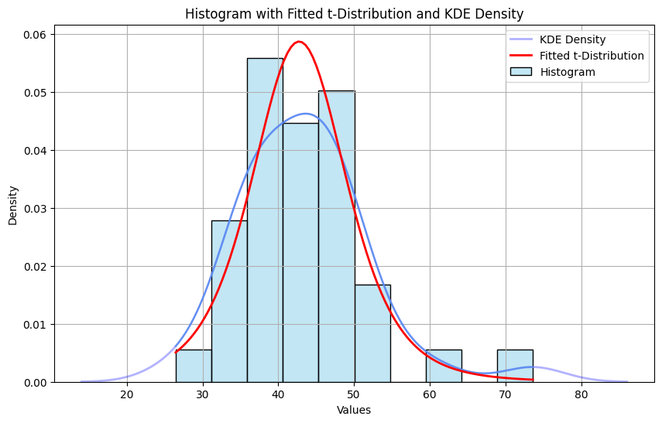
Appendix C.2: Statistical Analysis of ĩ (Complexity Indicator)

ĩ – t-student Distribution |  |  |  | t-student Test: 0.98965 | Python file: statistics.ipynb
 | Rank | ĩ | t-score | t - CDF-Transformed Values | Max-Min Stand. | Gap |  | KS Test Statistic: | 0.0680
Amsterdam | 8 | 36.14 | -5.215932 | 0.999996 | 0.794616 | 0.20538 |  | n | 38
Antwerp | 16 | 41.97 | -1.026621 | 0.844368 | 0.671047 | 0.17332 |  | df | 37
Athens | 33 | 49.31 | 4.247742 | 0.000070 | 0.515473 | -0.51540
Barcelona | 31 | 49.14 | 4.125584 | 0.000101 | 0.519076 | -0.51898 |  | Max-Min standardization
Berlin | 5 | 34.96 | -6.063854 | 1.000000 | 0.819627 | 0.18037
Bologna | 27 | 46.62 | 2.314767 | 0.013139 | 0.572488 | -0.55935
Bratislava | 23 | 44.76 | 0.978212 | 0.167161 | 0.611912 | -0.44475
Brussels | 38 | 73.63 | 21.723562 | 0.000000 | 0.000000 | 0.00000
Bucharest | 30 | 48.79 | 3.874082 | 0.000211 | 0.526494 | -0.52628 |  | Max | 26.45
Budapest | 37 | 60.45 | 12.252702 | 0.000000 | 0.279356 | -0.27936 |  | Min | 73.63
Copenhagen | 15 | 40.59 | -2.018259 | 0.974571 | 0.700297 | 0.27427
Dublin | 10 | 37.03 | -4.576397 | 0.999974 | 0.775752 | 0.22422 |  | t-score standardization
Gdansk | 3 | 34.20 | -6.609973 | 1.000000 | 0.835735 | 0.16426
Geneva | 6 | 35.88 | -5.402762 | 0.999998 | 0.800127 | 0.19987
Glasgow | 25 | 46.20 | 2.012964 | 0.025719 | 0.581390 | -0.55567
Graz | 14 | 40.42 | -2.140417 | 0.980511 | 0.703900 | 0.27661
Hamburg | 4 | 34.37 | -2.894924 | 0.996836 | 0.832132 | 0.16470
Helsinki | 1 | 26.45 | -12.178954 | 1.000000 | 1.000000 | 0.00000
Lisbon | 21 | 43.87 | 0.338677 | 0.368384 | 0.630776 | -0.26239 |  | Reversed Cumulative Distribution Function (CDF) formula
Ljubljana | 9 | 36.71 | -4.806342 | 0.999987 | 0.782535 | 0.21745
London | 12 | 38.00 | -3.879376 | 0.999792 | 0.755193 | 0.24460
Luxembourg City | 32 | 49.20 | 4.168699 | 0.000088 | 0.517804 | -0.51772
Madrid | 25 | 46.20 | 2.012964 | 0.025719 | 0.581390 | -0.55567
Malmo | 18 | 42.95 | -0.322415 | 0.625523 | 0.650276 | -0.02475
Marseille | 28 | 47.24 | 2.760285 | 0.004466 | 0.559347 | -0.55488
Nicosia | 36 | 54.21 | 7.768775 | 0.000000 | 0.411615 | -0.41162
Oslo | 2 | 33.37 | -7.206393 | 1.000000 | 0.853328 | 0.14667 |  | Mean ĩ | 43.40
Paris | 20 | 43.56 | 0.115918 | 0.454172 | 0.637346 | -0.18317 |  | Median ĩ | 43.41
Riga | 13 | 38.95 | -3.196727 | 0.998578 | 0.735057 | 0.26352 |  | STD ĩ | 8.58
Rome | 29 | 48.06 | 3.349520 | 0.000936 | 0.541967 | -0.54103 |  | MAD ĩ | 6.28
Sofia | 35 | 53.48 | 7.244213 | 0.000000 | 0.427088 | -0.42709
Stockholm | 19 | 43.26 | -0.099655 | 0.539422 | 0.643705 | -0.10428
Tallinn | 11 | 37.63 | -4.145250 | 0.999905 | 0.763035 | 0.23687
Tirana | 7 | 36.03 | -5.294975 | 0.999997 | 0.796948 | 0.20305
Vienna | 34 | 50.08 | 4.801047 | 0.000013 | 0.499152 | -0.49914 | Mean Gap | -0.12569
Vilnius | 24 | 44.91 | 1.085998 | 0.142252 | 0.608733 | -0.46648 | Gap Median | -0.06452
Warsaw | 17 | 42.82 | -8.708221 | 1.000000 | 0.653031 | 0.34697 | Gap STD | 0.33525
Zagreb | 22 | 44.25 | 0.611737 | 0.272226 | 0.622721 | -0.35050 | Gap MAD | 0.31089

phi t-student
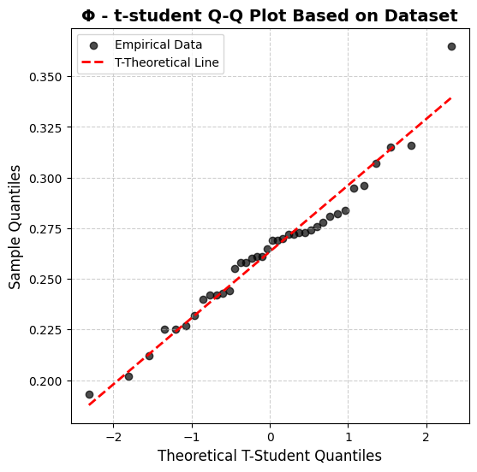
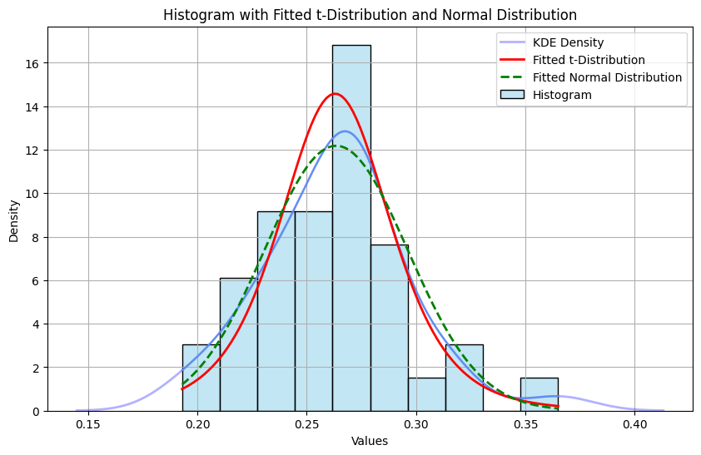
Appendix C.4: Statistical Analysis of Φ (Complexity Indicator)

Φ – t-student Distribution |  |  |  | t-student Test: 0.9168921 | Python file: statistics.ipynb
 | Rank | ΦIQR | t-score | t - CDF-Transformed Values | Max-Min Stand. | Gap |  | KS Test Statistic: | 0.0863
Amsterdam | 3 | 0.315 | 9.570371 | 1.00000 | 0.709302 | 0.29070 |  | n | 38
Antwerp | 17 | 0.270 | 1.212182 | 0.883437 | 0.447674 | 0.43576 |  | df | 37
Athens | 37 | 0.202 | -11.417971 | 0.000001 | 0.052326 | -0.05232
Barcelona | 9 | 0.281 | 3.255295 | 0.998787 | 0.511628 | 0.48716 |  | Max-Min standardization
Berlin | 11 | 0.276 | 2.326607 | 0.987215 | 0.482558 | 0.50466
Bologna | 21 | 0.261 | -0.459456 | 0.324297 | 0.395349 | -0.07105
Bratislava | 26 | 0.255 | -1.573881 | 0.062014 | 0.360465 | -0.29845
Brussels | 24 | 0.258 | -1.016669 | 0.157957 | 0.377907 | -0.21995
Bucharest | 29 | 0.242 | -3.988469 | 0.000151 | 0.284884 | -0.28473 |  | Max | 0.365
Budapest | 34 | 0.225 | -7.146007 | 0.000001 | 0.186047 | -0.18605 |  | Min | 0.193
Copenhagen | 13 | 0.273 | 1.769394 | 0.957465 | 0.465116 | 0.49235
Dublin | 32 | 0.232 | -5.845845 | 0.000001 | 0.226744 | -0.22674 |  | t-score standardization
Gdansk | 7 | 0.284 | 3.812507 | 0.999748 | 0.529070 | 0.47068
Geneva | 20 | 0.265 | 0.283494 | 0.610811 | 0.418605 | 0.19221
Glasgow | 18 | 0.269 | 1.026444 | 0.844327 | 0.441860 | 0.40247
Graz | 31 | 0.240 | -4.359944 | 0.000050 | 0.273256 | -0.27321
Hamburg | 8 | 0.282 | 3.441032 | 0.999274 | 0.517442 | 0.48183
Helsinki | 2 | 0.316 | 9.756109 | 1.00000 | 0.715116 | 0.28488
Lisbon | 14 | 0.273 | 1.769394 | 0.957465 | 0.465116 | 0.49235 |  | Cumulative Distribution Function (CDF) formula
Ljubljana | 22 | 0.261 | -0.459456 | 0.324297 | 0.395349 | -0.07105
London | 35 | 0.225 | -7.146007 | 0.000001 | 0.186047 | -0.18605
Luxembourg City | 12 | 0.274 | 1.955132 | 0.970923 | 0.470930 | 0.49999
Madrid | 19 | 0.269 | 1.026444 | 0.844327 | 0.441860 | 0.40247
Malmo | 4 | 0.307 | 8.084471 | 1.00000 | 0.662791 | 0.33721
Marseille | 15 | 0.272 | 1.583657 | 0.939108 | 0.459302 | 0.47981 |  | Mean Φ | 0.263
Nicosia | 38 | 0.193 | -13.089609 | 0.000001 | 0.000000 | 0.00000 |  | Median Φ | 0.267
Oslo | 16 | 0.272 | 1.583657 | 0.939108 | 0.459302 | 0.47981 |  | STD Φ | 0.033
Paris | 36 | 0.212 | -9.560595 | 0.000001 | 0.110465 | -0.11046 |  | MAD Φ | 0.024
Riga | 30 | 0.242 | -3.988469 | 0.000151 | 0.284884 | -0.28473
Rome | 5 | 0.296 | 6.041358 | 1.00000 | 0.598837 | 0.40116
Sofia | 27 | 0.244 | -3.616994 | 0.000442 | 0.296512 | -0.29607
Stockholm | 1 | 0.365 | 18.857248 | 1.00000 | 1.000000 | 0.00000
Tallinn | 10 | 0.278 | 2.698082 | 0.994778 | 0.494186 | 0.50059
Tirana | 33 | 0.227 | -6.774532 | 0.000001 | 0.197674 | -0.19767
Vienna | 23 | 0.260 | -0.645194 | 0.261391 | 0.389535 | -0.12814 | Mean Gap | 0.12226
Vilnius | 25 | 0.258 | -1.016669 | 0.157957 | 0.377907 | -0.21995 | Gap Median | 0.09610
Warsaw | 6 | 0.295 | 5.855620 | 1.00000 | 0.593023 | 0.40698 | Gap STD | 0.31946
Zagreb | 28 | 0.243 | -3.802732 | 0.000259 | 0.290698 | -0.29044 | Gap MAD | 0.30106

Circuity Stats
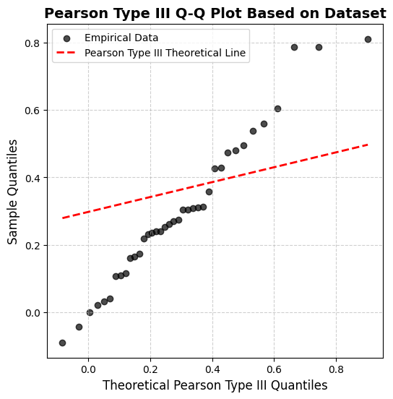
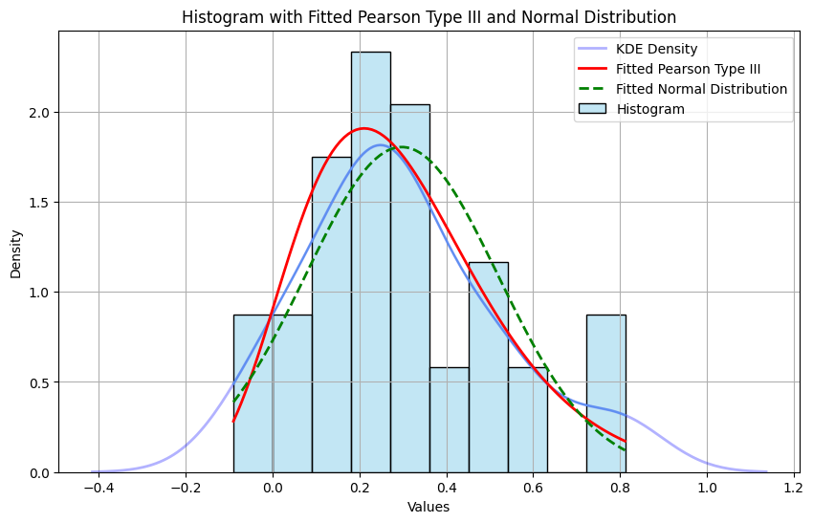
Appendix C.5: Statistical Analysis of ϡ (Complexity Indicator)

ϡ – Pearson III Distribution |  |  |  | Pearson Case III Test: 0.730259 | Python file: statistics.ipynb
 | Rank | ϡ | Pearson III score | Pearson III - CDF-Transformed Values | Max-Min Stand. | Gap
Amsterdam | 33 | 0.10831 | -0.994369 | 0.000000 | 0.177418 | -0.17742
Antwerp | 27 | 0.21924 | -0.659502 | 0.000000 | 0.307127 | -0.30713
Athens | 1 | 0.81179 | -5.201368 | 0.000000 | 1.000000 | -1.00000 |  | KS Test Statistic: | 0.1077
Barcelona | 3 | 0.78671 | 14.139500 | 1.000000 | 0.970672 | 0.02933 |  | n | 38
Berlin | 17 | 0.30469 | -10.660679 | 0.000000 | 0.407052 | -0.40705 |  | df | 37
Bologna | 30 | 0.16048 | -7.334835 | 0.000000 | 0.238426 | -0.23843
Bratislava | 13 | 0.35729 | -3.398643 | 0.000000 | 0.468557 | -0.46856 |  | Max-Min standardization
Brussels | 14 | 0.31186 | 13.468118 | 1.000000 | 0.415428 | 0.58457
Bucharest | 18 | 0.30440 | -1.574474 | 0.000000 | 0.406705 | -0.40671
Budapest | 32 | 0.11636 | 5.057419 | 1.000000 | 0.186833 | 0.81317
Copenhagen | 35 | 0.03954 | -9.372900 | 0.000000 | 0.097011 | -0.09701
Dublin | 28 | 0.17388 | -1.710840 | 0.000000 | 0.254086 | -0.25409 |  | Max | 0.1083075
Gdansk | 2 | 0.78737 | -2.151555 | 0.000000 | 0.971448 | -0.97145 |  | Min | 0.308074
Geneva | 4 | 0.60585 | 13.449973 | 1.000000 | 0.759193 | 0.24081 |  | Min in use | 0.000000
Glasgow | 34 | 0.10655 | -0.743906 | 0.000000 | 0.175360 | -0.17536
Graz | 10 | 0.45504 | 0.290660 | 0.539459 | 0.582860 | -0.04340 |  | Pearson III standardization
Hamburg | 23 | 0.24023 | 7.199959 | 1.000000 | 0.331672 | 0.66833
Helsinki | 37 | 0.02113 | 5.432151 | 1.000000 | 0.075480 | 0.92452
Lisbon | 12 | 0.42724 | -7.092070 | 0.000000 | 0.550343 | -0.55034
Ljubljana | 22 | 0.25289 | -3.639208 | 0.000000 | 0.346477 | -0.34648
London | 29 | 0.16513 | 6.627827 | 1.000000 | 0.243859 | 0.75614
Luxembourg City | 5 | 0.55938 | 0.197733 | 0.365751 | 0.704856 | -0.33910
Madrid | 24 | 0.23967 | -1.589870 | 0.000000 | 0.331015 | -0.33102
Malmo | 31 | 0.13113 | 4.847647 | 1.000000 | 0.204100 | 0.79590
Marseille | 15 | 0.30974 | 8.477565 | 1.000000 | 0.412953 | 0.58705
Nicosia | 19 | 0.27351 | -7.598219 | 0.000000 | 0.370591 | -0.37059
Oslo | 25 | 0.23527 | -8.211316 | 0.000000 | 0.325876 | -0.32588
Paris | 6 | 0.53857 | -3.767051 | 0.000000 | 0.680530 | -0.68053
Riga | 36 | 0.03071 | 3.640148 | 1.000000 | 0.086685 | 0.91331
Rome | 8 | 0.48145 | 0.394859 | 0.705717 | 0.613730 | 0.09199
Sofia | 21 | 0.26133 | -1.226411 | 0.000000 | 0.356353 | -0.35635
Stockholm | 20 | 0.27044 | 3.567017 | 1.000000 | 0.367005 | 0.63300
Tallinn | 38 | -0.04342 | -1.803766 | 0.000000 | 0.000000 | 0.00000
Tirana | 11 | 0.42990 | -4.980048 | 0.000000 | 0.553461 | -0.55346
Vienna | 7 | 0.49508 | 1.643872 | 0.999967 | 0.629678 | 0.37029 | Mean Gap | -0.036 | Mean ϡ | 0.315
Vilnius | 9 | 0.47382 | 0.189760 | 0.350604 | 0.604813 | -0.25421 | Gap Median | -0.208 | Median ϡ | 0.272
Warsaw | 26 | 0.23189 | 0.336574 | 0.617853 | 0.321925 | 0.29593 | Gap STD | 0.523 | STD ϡ | 0.212
Zagreb | 16 | 0.30807 | -5.249756 | 0.000000 | 0.411006 | -0.41101 | Gap MAD | 0.434 | MAD ϡ | 0.164

Reversed Cumulative Distribution Function (CDF) formula |  |  |  |  |  | Γ(α) Gamma Function
 |  |  |  | α = Shape Parameter | 0.7752
 |  |  |  | β = Scale Parameter | 0.2975
 |  |  |  | θ = Location Parameter | 0.2237

