Sheet1
important feature | can remove for ML training

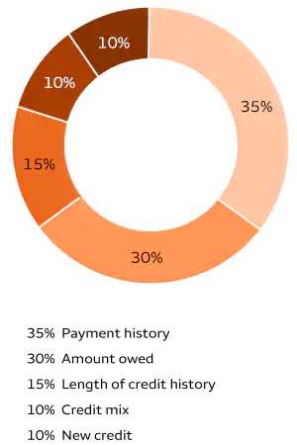
acc_now_delinq
acc_open_past_24mths
addr_state |  | can delete since zip code exist
all_util | Balance to credit limit on all trades
annual_inc | The self-reported annual income provided by the borrower during registration.
application_type |  | check unique values
avg_cur_bal | Average current balance of all accounts
bc_open_to_buy
bc_util | Ratio of total current balance to high credit/credit limit for all bankcard accounts. | credit utilization
chargeoff_within_12_mths | Number of charge-offs within 12 months
collection_recovery_fee
collections_12_mths_ex_med
debt_settlement_flag
delinq_2yrs
delinq_amnt
disbursement_method
dti
earliest_cr_line
emp_length
emp_title
funded_amnt
funded_amnt_inv
grade
hardship_flag
home_ownership
il_util
initial_list_status
inq_fi
inq_last_12m
inq_last_6mths
installment
int_rate
issue_d
last_credit_pull_d
last_pymnt_amnt
last_pymnt_d
loan_amnt
loan_status
max_bal_bc
mo_sin_old_il_acct
mo_sin_old_rev_tl_op
mo_sin_rcnt_rev_tl_op
mo_sin_rcnt_tl
mort_acc
mths_since_last_delinq
mths_since_last_major_derog
mths_since_last_record
mths_since_rcnt_il
mths_since_recent_bc
mths_since_recent_bc_dlq
mths_since_recent_inq
mths_since_recent_revol_delinq
next_pymnt_d
num_accts_ever_120_pd
num_actv_bc_tl
num_actv_rev_tl
num_bc_sats
num_bc_tl
num_il_tl
num_op_rev_tl
num_rev_accts
num_rev_tl_bal_gt_0
num_sats
num_tl_120dpd_2m
num_tl_30dpd
num_tl_90g_dpd_24m
num_tl_op_past_12m
open_acc
open_acc_6m
open_act_il
open_il_12m
open_il_24m
open_rv_12m
open_rv_24m
out_prncp
out_prncp_inv
pct_tl_nvr_dlq
percent_bc_gt_75
policy_code
pub_rec
pub_rec_bankruptcies
purpose
pymnt_plan
recoveries
revol_bal
revol_util
sub_grade
tax_liens
term
title
tot_coll_amt
tot_cur_bal
tot_hi_cred_lim
total_acc
total_bal_ex_mort
total_bal_il
total_bc_limit
total_cu_tl
total_il_high_credit_limit
total_pymnt
total_pymnt_inv
total_rec_int
total_rec_late_fee
total_rec_prncp
total_rev_hi_lim
verification_status |  | check unique value? Don't think this is important
zip_code

