Index
SPAN-Net: Spatial Prior-Aware Network with Boundary Refinement for Text-Guided Medical Image Segmentation

Authors: | Yuefei Wang*, YangYang , Jiayuan Zhao , Binyu Zhao , Liangyan Zhao , Haikun Tan , Houlin An , Yuqing Zheng and Zhengyuan Yu
Corresponding Author: | Yuefei Wang (wangyuefei@cdu.edu.cn)
Code address: | https://github.com/YF-W/SPAN-Net
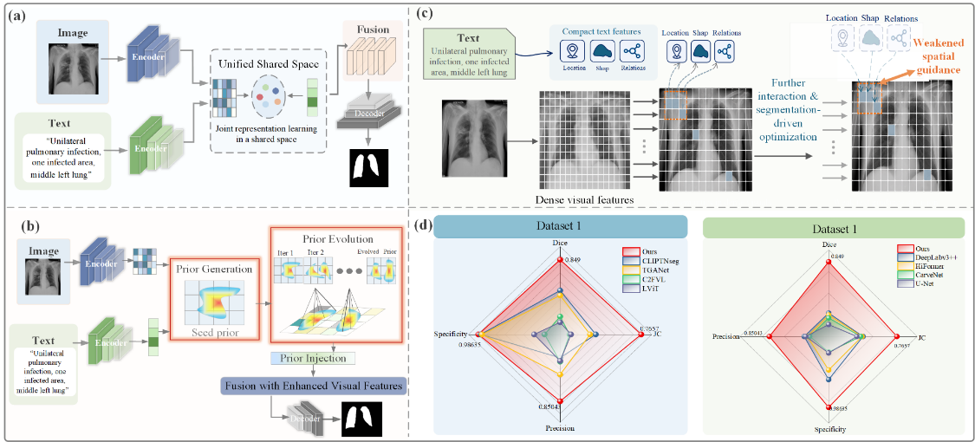 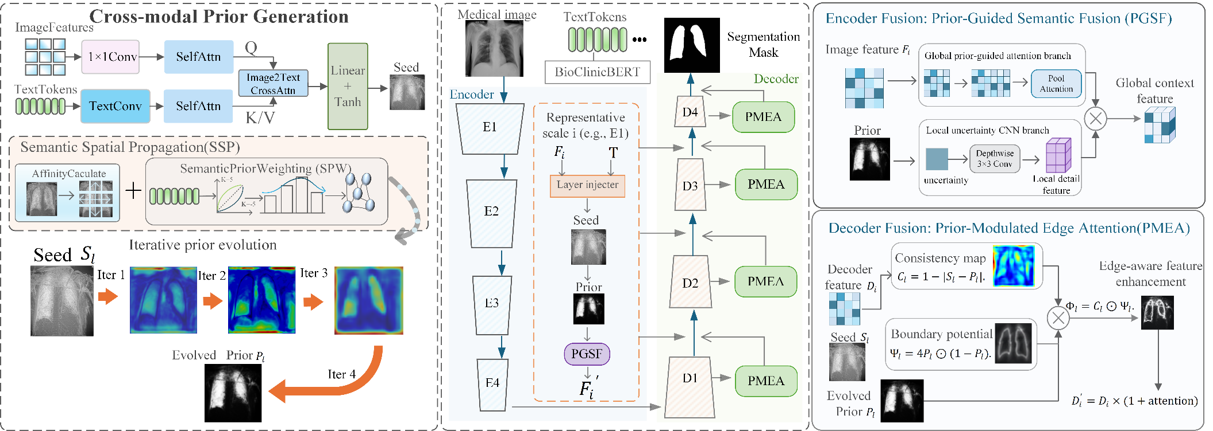 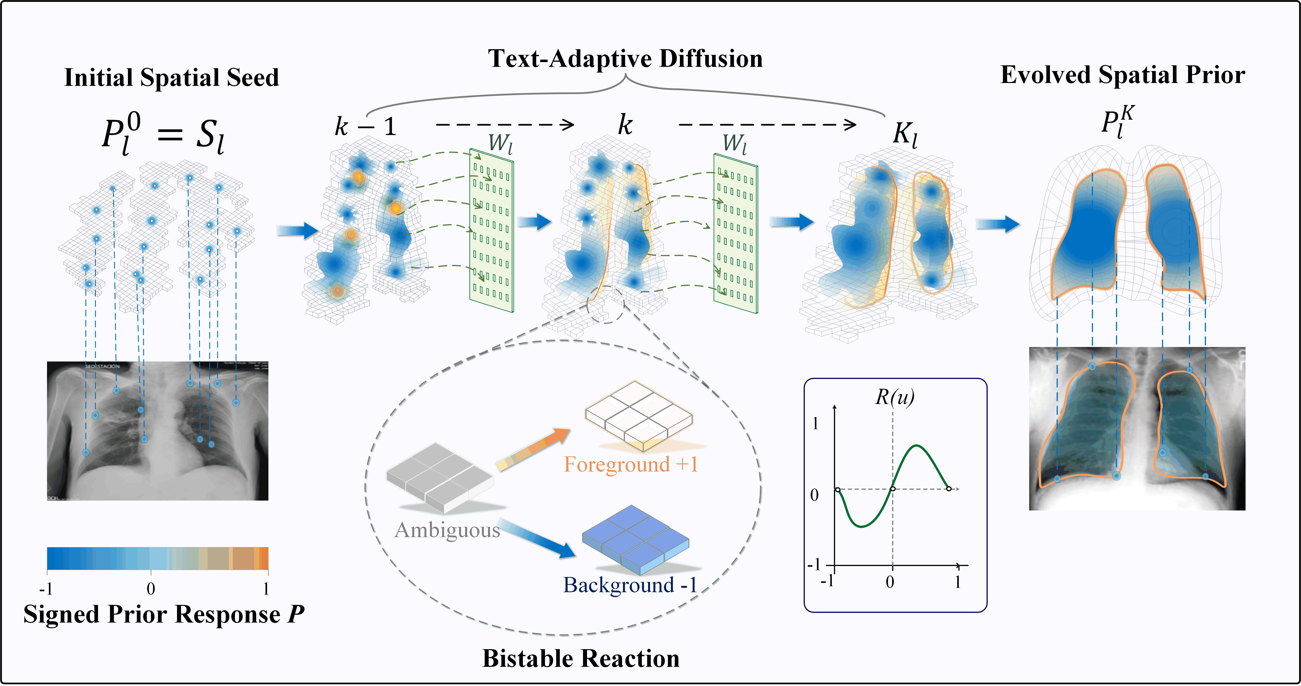

Directory
Model data comparison - Covid19 | Covid19_Smilarity_sum
Model data comparison - BUSI | BKAI_Smilarity_per
Model data comparison - BKAI | BKAI_Smilarity_sum
Model data comparison -ClinicDB | BUSI_Smilarity_per
Baseline Ablation | BUSI_Smilarity_sum
SuperParameters_α | ClinicDB_Smilarity_per
SuperParameters_β | ClinicDB_Smilarity_sum
FLOPs & Params | Missing_Location_BKAI
SPAN-Net-Covid19 | Missing_Location_BUSI
SPAN-Net-BUSI | Missing_Location_CinicDB
SPAN-Net-BKAI | Missing_Location_Covid19
SPAN-Net-ClinicDB | Contradictory_Noise_BKAI
β-4.0-BUSI | Contradictory_Noise_BUSI
ARSeg-BUSI | Contradictory_Noise_ClinicDB
Covid19_Smilarity_per | Contradictory_Noise_Covid19

