Sheet1
Dataset name | Design name | Experimental design | Protocol | GEO number | GSM accession | Reference data structure | Biological noise level | Expected number of cells | Expected number of clusters
plate_RNAmix | RNAmix | mixture of RNA extracted from bulk population | CEL-seq2 | GSE118767 | GSM3305230 | 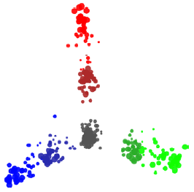 | Low | 340 | 7
plate_3cell-line | Cell lines | single cells from the mixture of three cell lines | CEL-seq2 | GSE118767 | GSM3336845 | 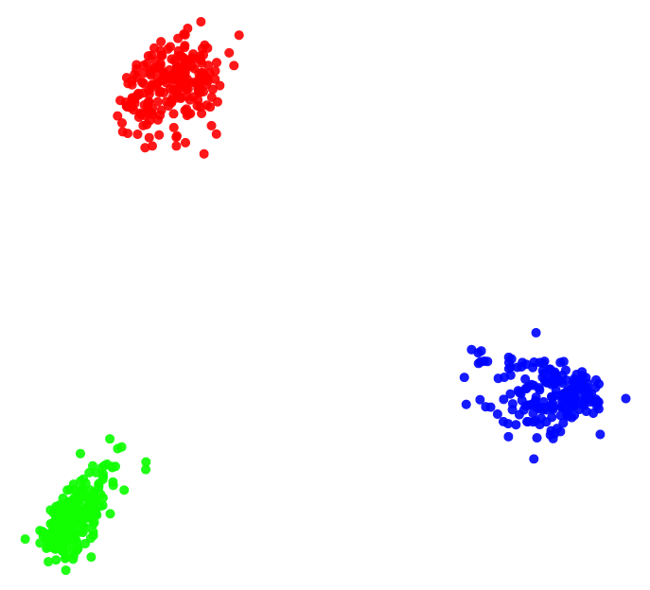 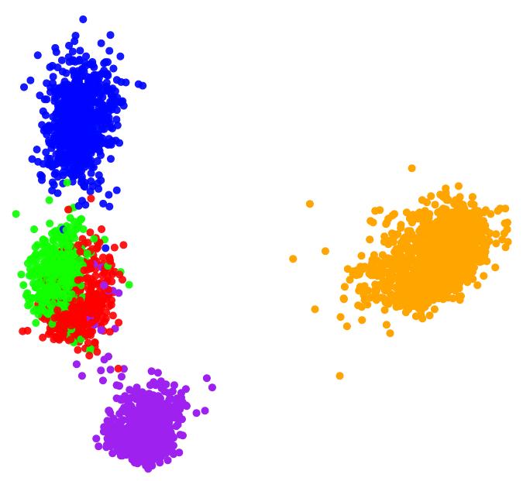 | Medium | 274 | 3
plate_5cell-line1 | Cell lines | single cells from the mixture of five cell lines | CEL-seq2 | GSE118767 | GSM3618022 |  | Medium | 297 | 5
plate_5cell-line2 | Cell lines | single cells from the mixture of five cell lines | CEL-seq2 | GSE118767 | GSM3618023 |  | Medium | 307 | 5
plate_5cell-linel3 | Cell lines | single cells from the mixture of five cell lines | CEL-seq2 | GSE118767 | GSM3618024 |  | Medium | 305 | 5
10xv2_3cell-line | Cell lines | single cells from the mixture of three cell lines | 10X Chromium (v2 chemistry) | GSE111108 | GSM3022245 |  | Medium | 902 | 3
10xv2_5cell-line | Cell lines | single cells from the mixture of five cell lines | 10X Chromium (v2 chemistry) | GSE126906 | GSM3618014 |  | Medium | 3918 | 5
10xv3_5cell-line | Cell lines | single cells from the mixture of five cell lines | 10X Chromium (v3 chemistry) | GSE154870 | GSM4681742 |  | Medium |  | 5
10xv2_lung-tissue1 | Lung tissue | mouse lung tissue sample | 10X Chromium (v2 chemistry) | GSE109774 | GSM3040906 |  | High | 621 | 13
10xv2_lung-tissue2 | Lung tissue | mouse lung tissue sample | 10X Chromium (v2 chemistry) | GSE109774 | GSM3040907 |  | High | 1520 | 13
10xv3_pbmc5k | PBMC | 10k Peripheral blood mononuclear cells (PBMCs) from a healthy human donor (v3 chemistry) | 10X Chromium (v3 chemistry) | Not available. Download from (https://support.10xgenomics.com/single-cell-gene-expression/datasets/3.0.2/5k_pbmc_v3) |  | 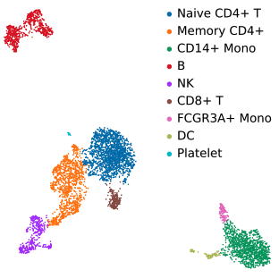 | High | 4242 | 8
10xv3_pbmc10k | PBMC | 10k Peripheral blood mononuclear cells (PBMCs) from a healthy human donor (v3 chemistry) | 10X Chromium (v3 chemistry) | Not available. Download from (https://support.10xgenomics.com/single-cell-gene-expression/datasets/3.0.0/pbmc_10k_v3) |  |  | High | 10132 | 10

