Summary
θ1 / θ2 Finger Bending Angle Analysis

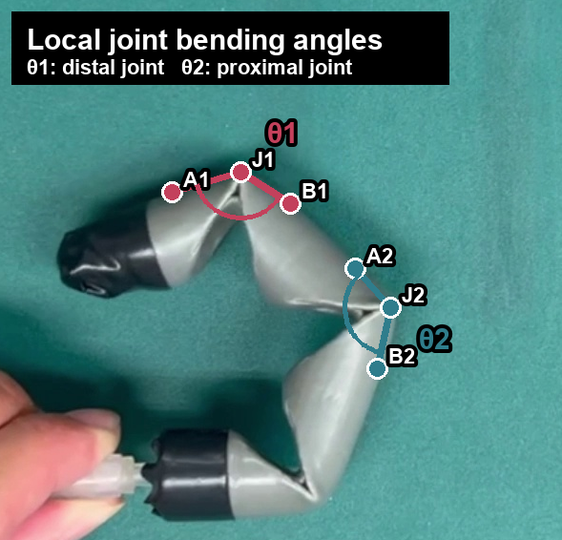
Definition | Local joint bending angle
θ1 | 180° - angle(A1, J1, B1)
θ2 | 180° - angle(A2, J2, B2)
Sampling | 0.5 s
Correction | 0.0-1.0 s fixed to 0; small late θ1 jitter corrected

Time (s) | θ1 (deg) | θ2 (deg)
0.0 | 0.0 | 0.0
0.5 | 0.0 | 0.0
1.0 | 0.0 | 0.0
1.5 | 8.0 | 10.3
2.0 | 34.5 | 35.3
2.5 | 35.9 | 50.4
3.0 | 48.2 | 54.7
3.5 | 48.2 | 58.4
4.0 | 62.9 | 60.3
4.5 | 62.9 | 60.3
5.0 | 65.6 | 67.5
5.5 | 65.6 | 68.8

