Sheet1
ID | SMILES | original name | Molecular Weight | Mol
H001 | O=C(OC(C)(C)C)[C@@H]1C[C@@H](N[C@@H]1C2=CC=CC=C2)C3=CC=CC=C3 | D0 | 323.44 | 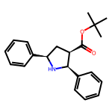
H002 | O=C(NCCC)[C@@H]1C[C@@H](N[C@@H]1C2=CC=CC=C2)C3=CC=CC=C3 | E-10 | 308.43 | 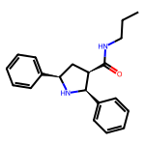
H003 | O=C(NC1=CC=CC=C1)[C@@H]2C[C@@H](N[C@@H]2C3=CC=CC=C3)C4=CC=CC=C4 | D133 | 342.44 | 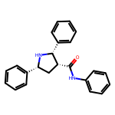
H004 | O=C(NC1=CC=C(Cl)C=C1)[C@@H]2C[C@@H](N[C@@H]2C3=CC=CC=C3)C4=CC=CC=C4 | D149 | 376.89 | 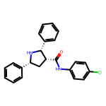
H005 | O=C(NCC1=CC=CC=C1)[C@@H]2C[C@@H](N[C@@H]2C3=CC=CC=C3)C4=CC=CC=C4 | D163 | 356.47 | 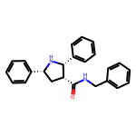
H006 | O=C(NCC1=CC=C(C(C)(C)C)C=C1)[C@@H]2C[C@@H](N[C@@H]2C3=CC=CC=C3)C4=CC=CC=C4 | D150 | 412.58 | 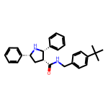
H007 | O=C(NCCCC1=CC=CC=C1)[C@@H]2C[C@@H](N[C@@H]2C3=CC=CC=C3)C4=CC=CC=C4 | D164 | 384.52 | 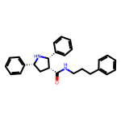
H008 | O=C(N(CCCC)CCCC)[C@@H]1C[C@@H](N[C@@H]1C2=CC=CC=C2)C3=CC=CC=C3 | E-14 | 378.56 | 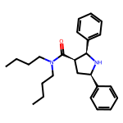
H009 | O=C(OC)[C@@H]1C(C2=CC=CC=C2)[C@@H](N[C@@H]1C3=CC=CC=C3)C4=CC=CC=C4 | D62 | 357.45 | 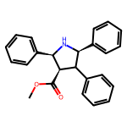
H010 | O=C(OC(C)(C)C)[C@@H]1C[C@@H](N(C)[C@@H]1C2=CC=CC=C2)C3=CC=CC=C3 | E-32 | 337.46 | 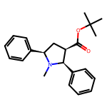
H011 | O=C(OC)[C@@]1(C)C[C@@H](N[C@@H]1C2=CC=CC=C2)C3=CC=CC=C3 | D129 | 295.38 | 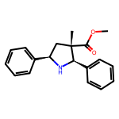
H012 | O=C(OC)[C@@]1(CC(OC)=O)C[C@@H](N[C@@H]1C2=CC=CC=C2)C3=CC=CC=C3 | D132 | 353.42 | 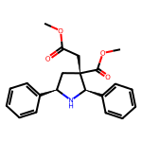
H013 | O=C(C)NC1(C(OC)=O)C[C@@H](N[C@@H]1C2=CC=CC=C2)C3=CC=CC=C3 | D136 | 338.41 | 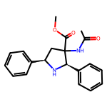
H014 | O=C1OCC[C@]21C[C@@H](N[C@@H]2C3=CC=CC=C3)C4=CC=CC=C4 | D75 | 293.37 | 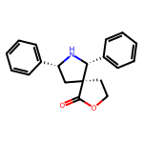
H015 | O=C(C1(CCC2)C2[C@@H](N[C@@H]1C3=CC=CC=C3)C4=CC=CC=C4)OC | E-53 | 321.42 | 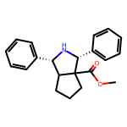
H101 | O=C(OC(C)(C)C)[C@H]1[C@@H](C2=CC=CC=C2)[C@@H](C3=CC=CC=C3)C1 | D54 | 308.42 | 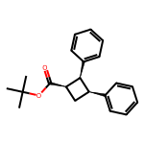
H102 | O=C(NC1=CC=CC=C1)[C@H]2[C@@H](C3=CC=CC=C3)[C@@H](C4=CC=CC=C4)C2 | D61 | 327.43 | 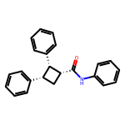
H103 | O=C(NCCCC1=CC=CC=C1)[C@H]2[C@@H](C3=CC=CC=C3)[C@@H](C4=CC=CC=C4)C2 | D64 | 369.51 | 