Applied Probability-Business
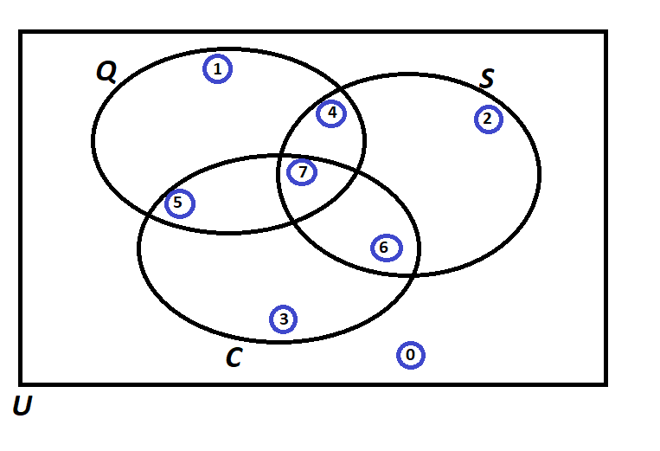
PIP | Quality Score | Process Days | Project Cost | Event of Interest: | Notation for the Probability of the given event: | Count: | Probability/Percentage
1 | 454 | 22 | 37094 | Event Q: Quality is satisfied if Quality Score > 750 | P(Q )
2 | 846 | 6 | 391023 | Event S: Speed is satisfied if Speed < 15 days | P(S )
3 | 272 | 18 | 24627 | Event C: Cost id satisfied if Cost < $222,000 | P(C )
4 | 472 | 14 | 91313 |  | Notation for the Probability of the given event: | Count: | Probability/Percentage
5 | 229 | 5 | 329966 | P(Score = 0)
6 | 1042 | 17 | 384108 | P(Score = 1)
7 | 630 | 16 | 207321 | P(Score = 2)
8 | 269 | 13 | 298595 | P(Score = 3)
9 | 1057 | 11 | 51702 | P(Score = 4)
10 | 880 | 23 | 125707 | P(Score = 5)
11 | 154 | 7 | 204467 | P(Score = 6)
12 | 495 | 26 | 236270 | P(Score = 7)
13 | 85 | 3 | 99363 |  | TOTAL:
14 | 582 | 24 | 163412 |  | Notation for the Probability of the given event: | Count: | Probability/Percentage
15 | 786 | 23 | 261295 | a) Of those who satisfied Cost, what percentage also satisfied Quality?
16 | 501 | 6 | 285705 | b) Of those who satisfied Quality, what percentage also satisfied Speed?
17 | 311 | 14 | 129376 | c) Of those who satisfied Cost, what percentage also satisfied Speed but did not satisfy the Quality?
18 | 596 | 5 | 254260 | d) Of those who satisfied Speed, what percentage also satisfied Quality but did not satisfy the Cost?
19 | 487 | 17 | 87277 | e) Of those who did not satisfy Speed, what percentage satisfied Quality and Cost?
20 | 628 | 7 | 399023 | f) What percentage satisfied at least two of the three criteria?
21 | 302 | 20 | 243549 | g) Of those who satisfied at least one of the three criteria, what percentage satisfied exactly one criterion?
22 | 823 | 10 | 157792 | h) Of those who did not satisfy Speed, what percentage satisfied the Cost criterion?
23 | 958 | 30 | 341163
24 | 718 | 9 | 401416
25 | 1036 | 10 | 82913
26 | 797 | 22 | 402796
27 | 679 | 30 | 293106
28 | 332 | 3 | 230087
29 | 337 | 2 | 195587
30 | 727 | 17 | 418032
31 | 292 | 23 | 198488
32 | 436 | 28 | 209837
33 | 889 | 30 | 74880
34 | 733 | 27 | 347405
35 | 926 | 5 | 150124
36 | 167 | 13 | 403180
37 | 237 | 26 | 445790
38 | 616 | 20 | 439487
39 | 867 | 2 | 312558
40 | 111 | 3 | 247820
41 | 1053 | 5 | 157706
42 | 1088 | 28 | 335744
43 | 256 | 24 | 447123
44 | 213 | 30 | 175867
45 | 738 | 26 | 100238
46 | 940 | 30 | 290837
47 | 834 | 17 | 48657
48 | 446 | 29 | 104355
49 | 960 | 19 | 312533
50 | 500 | 14 | 323414

Probability Rules
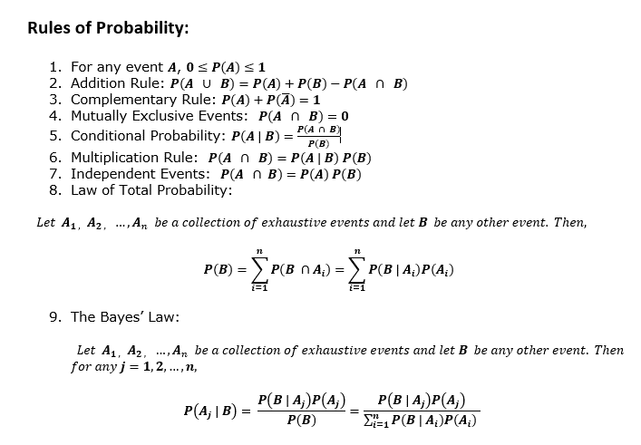
Probability

