Sheet1
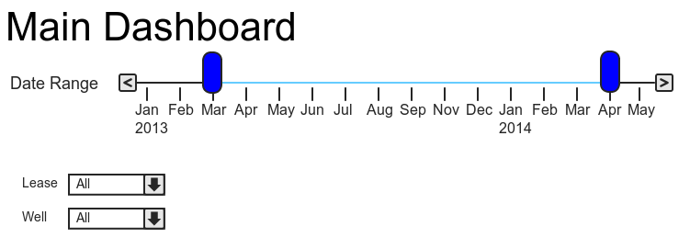
 |  |  |  |  |  | Available For All Widgets
 |  |  |  |  |  | StartDate |  |  | DataSource
 |  |  |  |  |  | EndDate
 |  |  |  |  |  | LeaseID
 |  |  |  |  |  | WellID

 |  | WidgetName | WidgetType | KendoChart Configuration | Other Widget Details | Parameters | Crosslink? | Query Pseudocode / in English | Query | Returns | Dashboard | Questions / Comments
1 |  | AverageDailyRepairCost | DirectionChangeWidget |  |  |  |  |  |  |  | Customer/Main
 |  |  |  |  |  |  |  |  |  |  | Lease

2 |  | ExpectedPullsThisMonth | DirectionChangeWidget |  |  |  |  |  |  |  | Customer/Main
 |  |  |  |  |  |  |  |  |  |  | Lease

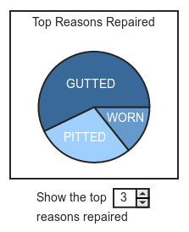
3 |  | TopReasonsRepaired | KendoChartWidget | Title("Top Reasons Repaired") | Needs a NumericTextBox for NumberOfReasons | NumberOfReasons | Does this crosslink to Reason Dashboard? |  | DataSource.PartInspections | Dictionary of key (Reasonrepaired) and value (count) | Customer/Main
 |  |  |  | Legend(False) |  |  |  |  | Where LeaseID |  | Part
 |  |  |  | SeriesDefaults.Pie().Labels.Position(ChartPieLabelsPosition.Center) |  |  |  |  | Where WellID |  | Lease
 |  |  |  |  |  |  |  |  | Where Part?
 |  |  |  |  |  |  |  |  | Where ticketDate > StartDate
 |  |  |  |  |  |  |  |  | Where ticketDate< EndDate
 |  |  |  |  |  |  |  |  | GroupBy ReasonRepaired into g
 |  |  |  |  |  |  |  |  | OrderBy g.Count descending
 |  |  |  |  |  |  |  |  | Select g.key
 |  |  |  |  |  |  |  |  | Take NumberOfReasons

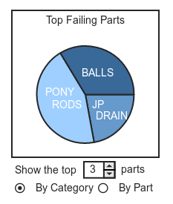
4 |  | TopFailingParts | KendoChartWidget | Title("Top Failing Parts") | Needs a NumericTextBox for NumberOfParts | NumberOfParts |  |  | DataSource.PartInspections | Dictionary of Key(Failing part/category-FilterType) and Value(g.count) | Customer/Main
 |  |  |  | Legend(False) | Needs radiobuttons for FilterType | FilterType |  |  | Where LeaseID
 |  |  |  | SeriesDefaults.Pie().Labels.Position(ChartPieLabelsPosition.Center) |  |  |  |  | Where WellID
 |  |  |  |  |  |  |  |  | Where ticketDate > StartDate
 |  |  |  |  |  |  |  |  | Where ticketDate< EndDate
 |  |  |  |  |  |  |  |  | GroupBy(FilterType) into g
 |  |  |  |  |  |  |  |  | OrderBy g.Count descending
 |  |  |  |  |  |  |  |  | Select g.Key
 |  |  |  |  |  |  |  |  | Take(NumberOfParts)
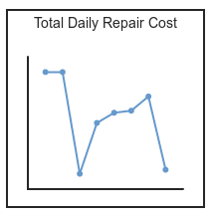
5 |  | TotalDailyRepairCost | KendoChartWidget |  |  |  |  |  |  |  | Customer/Main
 |  |  |  |  |  |  |  |  |  |  | Lease

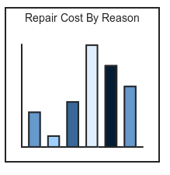
6 |  | RepairCostByReason | KendoChartWidget |  |  |  | Jump to Reason Dashboard |  |  |  | Customer/Main
 |  |  |  |  |  |  | Using querystring? Needs:
 |  |  |  |  |  |  | StartDate
 |  |  |  |  |  |  | EndDate
 |  |  |  |  |  |  | LeaseID
 |  |  |  |  |  |  | WellID
 |  |  |  |  |  |  | ReasonRepaired

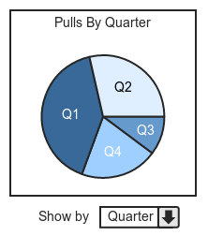
7 |  | PullsByQuarter | KendoChartWidget | Title("Pulls By Quarter") | Needs a dropdown for Interval | Interval (Quarter, Month, Half Year) |  |  |  |  | Customer/Main
 |  |  |  | Legend(False)
 |  |  |  | SeriesDefaults.Pie().Labels.Position(ChartPieLabelsPosition.Center)

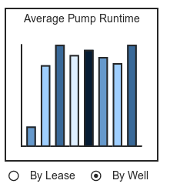
8 |  | AveragePumpRuntime | KendoChartWidget |  |  |  |  |  |  |  | Customer/Main | Scroll buttons to show more series not currently on screen
 |  |  |  |  |  |  |  |  |  |  |  | Loaded dynamically via AJAX
 |  |  |  |  |  |  |  |  |  |  |  | ? From Workflowy

9 |  | PumpsReplacedNotRepaired | DirectionChangeWidget |  |  |  |  |  |  |  | ReasonRepaired

10 |  | TotalSpent | DirectionChangeWidget |  |  |  |  |  |  |  | ReasonRepaired

11 | 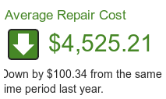 | AverageRepairCost | DirectionChangeWidget |  |  |  |  |  |  |  | ReasonRepaired | Is this the same as AverageDailyRepairCost on Customer/Main?

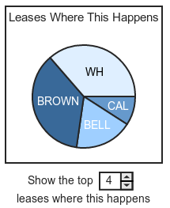
12 |  | LeasesWhereHappens | KendoChartWidget | Title("Leases Where This Happens") | Needs NumericTextBox for NumberOfLeases | NumberOfLeases |  |  |  |  | ReasonRepaired | Name of widget?
 |  |  |  | Legend(False)
 |  |  |  | SeriesDefaults.Pie().Labels.Position(ChartPieLabelsPosition.Center)

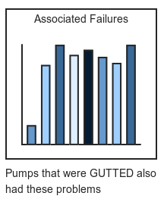
13 |  | AssociatedFailures | KendoChartWidget |  |  |  |  |  |  |  | ReasonRepaired

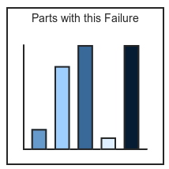
14 |  | PartsWithThisFailure | KendoChartWidget |  |  |  |  |  |  |  | ReasonRepaired

15 |  | AverageRuntime | DirectionChangeWidget |  |  |  |  |  |  |  | Part

16 |  | TotalFailures | DirectionChangeWidget |  |  |  |  |  |  |  | Part

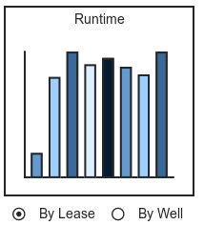
17 |  | Runtime | KendoChartWidget |  |  |  |  |  |  |  | Part

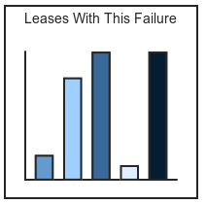
18 |  | LeasesWithThisFailure | KendoChartWidget |  |  |  |  |  |  |  | Part | Is this the same as Parts with this failure?

19 |  |  |  |  |  |  |  |  |  |  | Lease | Is this the same as 10?

20 |  |  | Not a widget |  |  |  | link to corresponding delivery ticket |  |  |  | Lease | Is this a widget?

21 |  | TimesPulled | ? |  |  |  |  |  |  |  | lease | Needs new widget?
 |  |  |  |  |  |  |  |  |  |  | well

22 |  |  |  |  |  |  |  |  |  |  | well | Is this the same as 10 and 19?

23 |  | DailyCostOfCurrentRun | DirectionChangeWidget |  |  |  |  |  |  |  | well

24 |  | PartRuntime | KendoChartWidget |  |  |  |  |  |  |  | well

25 |  |  | Not a widget |  |  |  | link to corresponding delivery ticket |  |  |  | well | Not a widget

