Test Report
 |  | Test report

Total Test Cases
Client |  | E-core
Project |  | Quality Assurance - Manual Assessment - English

Test Execution Summary
Total Test Cases | Passed | Failed | Blocked | Not Executed
9 | 8 | 1 | 0 | 0

Bug Summary
Bug ID | Title | Status | Severity | Priority | Detected by | Test Case ID
1 | Message for empty fields when try to login is wrong | Open | Moderate | Medium | Manual Test | 5
2 | Duplicated Invoice number on the Invoice List Table | Open | Major | High | Exploratory Test | N/A
3 | Wrong column name on Billing Details table | Open | Moderate | Medium | Exploratory Test | N/A
4 | Money amount not displaying decimals on Billing Details table | Open | Moderate | Medium | Exploratory Test | N/A

Bugs
ID
1 | Summary: Message for empty fields when try to login is wrong Description: 1 - In the Login page 2 - Do not fill the fields "Username" and "Password" 3 - Click on the button "Login" 4 - Check the behavior Actual: The message that appears says "Wrong username or password" Expected Result: It should says that the User have to fill the fields "Username" and "Password" Severity: Moderate Priority: Medium | 
2 | 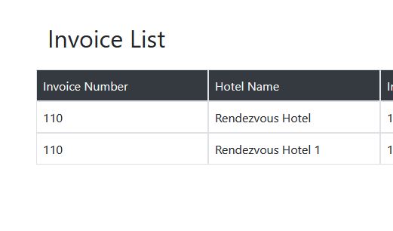 Summary: Duplicated Invoice number on the Invoice List Table Description: 1 - Login on the application 2 - On the Invoice List page check the column for Invoice Number Actual: There is two entries on the Invoice List table with same Invoice Number #110 Expected Result: The invoice number should be unique for each entry of the table Severity: Major Priority: High
3 | Summary: Wrong column name on Billing Details table Description: 1 - Login on the application 2 - On the Invoice List table click on any entry of the table for Invoice Details 3 - On Invoice Details page check the name of the first column on Billing Details table Actual: The name of the column is Deposit Nowt Expected Result: The name of the column should be Deposit Now according to documentation Severity: Moderate Priority: Medium | 
4 | Summary: Money amount not displaying decimals on Billing Details table Description: 1 - Login on the application 2 - On the Invoice List table click on any entry of the table for Invoice Details 3 - On Invoice Details page check the entries on the table for Tax&VAT and Total Amount Actual: The money amount is not in decimals with a precision of two decimal places Expected Result: The money amount should be in decimals with a precision of two decimal places according the documentation Severity: Moderate Priority: Medium

Test Coverage
1. Identify the Testable Items:
UI elements 3 (Login input, Password input and Login Button)
Functional requirements 6 (Successful login with valid credentials, Error message on invalid credentials, Error message on empty fields, Redirection to the Invoice List page after login, Session persistence after page refresh, Verify login functionality with copy-paste of credentials)
Non-functional requirements 2 (Verify the responsiveness of the login page, Verify that the login page is accessible)

Total of testable items: 11

2. Count the Number of Items Tested: Each Gherkin scenario provided corresponds to one or more testable items. All the scenarios together cover the 11 items identified above.
UI:
Username Field Presence: The username input field is displayed on the login page. Password Field Presence: The password input field is displayed on the login page. Login Button Presence: The login button is displayed and clickable on the login page.
Functional Requirements:
Successful Login with Valid Credentials: A user can log in successfully with correct username and password, leading to redirection to the appropriate page. Error Message for Invalid Credentials: An error message is displayed when a user enters an incorrect username or password. Password Masking: The password input should display characters as masked symbols (e.g., "•" or "*"). Redirection After Successful Login: After successful login, the user is redirected to the correct landing page (e.g., Invoice List). Session Persistence After Refresh: The user's session remains active after refreshing the browser page. Functionality with Copy-Paste: Users can copy and paste credentials into the username and password fields and still successfully log in.
Non-Functional Requirements:
Responsiveness: The login page displays correctly across different devices and screen sizes (desktop, tablet, mobile). Accessibility Compliance: The login page meets is usable by people with disabilities.

Total Items Tested: 11

Test Coverage
Test Coverage $=\frac{Total Items Tested}{Total of testable items}x100\%$
Test Coverage $=\frac{11}{11}x100\%$ = 100%
3. Calculate Test Coverage:
 | Total of testable items | 11
 | Total Items Tested | 11

Conclusion:

Based on the provided scenarios and the identified testable items, the test coverage for the login page would be 100%. This means that all identified functionalities, security aspects, and non-functional requirements are covered by the test scenarios.

