Chapter 12
question 1:

 | D | annual demand |  |  | 4880
 | S | cost per order |  |  | 49
 | H | annual holding cost |  |  | 3
 | cost per oder |  |  |  | 1220
 | d |  |  |  | 12

b) | D= | 870

 | average inventroy |  |  | 435
 | number of order placed/ year |  |  | 5.6091954023
 | hoding costs |  |  | 1305
 | order costs |  |  | 274.85057471
 | total annual costs |  |  | 1579.8505747

question2

Cost per unit
Quantity Ordered
Annual Demand |  |  | 1700
Holding cost per unit |  |  | 5
Ordering cost |  |  | 13
Lead time |  |  | 1 | week
Number of weeks per year |  |  | 52 | weeks
demand rate |  |  | 32.692307692 | per week

a) | EOQ= | SQRT((2*annual demand*order costs)/holding costs)= |  |  |  |  | 94.021274188
b) | total annual costs = |  | annual ordering cost+ annual inventory golding cost= |  |  |  |  | 470.10637094
c) | reorder point= |  | demand rate x lead time= |  | 32.692307692

question3
Cost per unit
Quantity Ordered |  |  | 650
Annual Demand |  |  | 6760 | 130 | filters/week
Holding cost per unit |  |  | 3 | $
Ordering cost |  |  | 20 | $
Lead time |  |  | 1 | week
Number of weeks per year |  |  | 52 | weeks
demand rate |  |  | 130

a) | total costs= | annual ordering cost+ annual inventory golding cost= |  |  |  | (EOQ/2)*holding costs+(demand quantity/EOQ)*ordering costs
 | EOQ= | SQRT((2*annual demand*order costs)/holding costs)= |  |  |  |  | 300.22213998
 | total costs= | 1183

 |  |  |  |  |  |  | Example
 | D | Annual demand |  |  |  |  | 10000
 | d | usage rate or demand rate |  |  |  |  | 40/day | 40
 | LT or L | Leadtime |  |  |  |  | 5 days | 5
 | S | ordering costs per order |  |  |  |  | $75 | 75
 | H | Holding cost/unit/year (either given or is set equal to Interest rate* Cost of item) |  |  |  |  |  |  |  | $6/unit/year |  | 6
 | Q | Quantity to order in each cycle at Reorder point (How much to order?)
 | ROP | Reorder point (when to order?)
 | T | length of each cycle |  |  |  | n*T | = | 1 year | T | = | 1/n | Q/D | 0.05 | 0.05 years
 | n | number of cycles in an year |  |  |  | n*Q | = | D | n | = | D/Q | 20
 |  | number of working days in an year |  |  |  | 250
 | ROP | = | d*LT | 200
 | Q | = | EOQ (economic order quantity) |  |  | = | SQRT (2DS/H) |  | 500

 | Total cost | = | Annual ordering cost + Annual inventory holding cost
 |  |  | n*S | + | H*average inventory in a cycle
 |  |  | (D/Q)*S | + | H* (Q/2) |  |  | 3000

 | ROP (reorder point) |  | = | expected demand during leadtime + safety stock (z*standard deviation of demand during leadtime)
 | Service level is given and you read the value of z for that service level from z-tables in Apppedix B of Wileyplus
 | If risk of stockout is given, Service level = 100 - risk of stockout or stockout risk

 | Define,
 | d | = | demand rate or usage rate
 | LT | = | Leadtime
 | z | = | z-score | (is obtained from the z-tables for a given service level)
 | sigma-d | = | standard deviation of demand
 | sigma-LT | = | standard deviation of Leadtime

Case (1): | demand rate is constant (sigma-d = 0), and Leadtime is constant (sigma-LT = 0)
 | ROP | = | d*LT + 0 |  |  | Safety stock = 0

Case (2): | demand rate is variable, and Leadtime is constant (sigma-LT = 0)
 | ROP | = | d*LT + z*sigma-d* sqrt(LT) |  |  | Safety stock = z*sigma-d* sqrt(LT)

Case (3): | demand rate is constant (sigma-d = 0), and Leadtime is variable
 | ROP | = | d*LT + (z*d*sigma-LT) |  |  | Safety stock = z*d*sigma-LT

Case (4): | demand rate is variable, and Leadtime is variable
 | ROP | = | d*LT + z* SQRT( sigma-d*sigma-d*LT + d*d*sigma-LT*sigma-LT) )

 |  |  |  |  |  | Safety stock = z* SQRT( sigma-d*sigma-d*LT + d*d*sigma-LT*sigma-LT) )

practice question
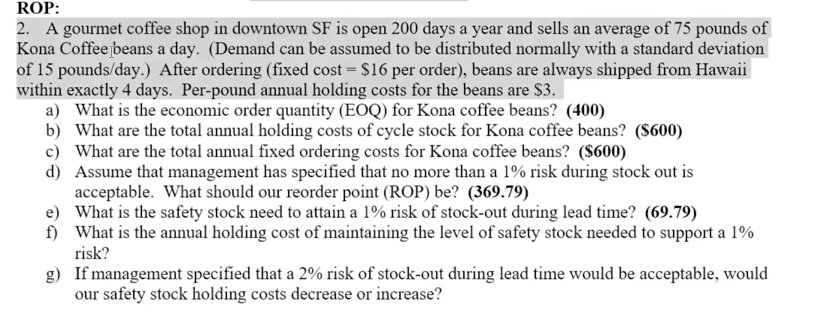

Number of operating days |  |  | 200
demand rate |  |  | 75 | per day
Standard deviation |  |  | 15 | tubs/day
Ordering cost |  |  | 16 | $
Lead time to receive the order |  |  | 4 | days
Holidng cost per unit per year, H |  |  | 3 | $/item/year

Annual Demand |  | D= | 15000

a) | EOQ= | 400

b) | Annual holding costs = |  | (Q/2)*H | 600

c) | Annual ordering costs = |  | (D/Q)*S | 600

d) | stockout risk |  | 1% |  | Service level | 99 |  | Z for 99% service level |  |  | 0.99 = 0.5 +0.49
 |  |  |  |  |  |  |  | Z | 2.33
 | d is variable, LT is constant

 | Case (2): | demand rate is variable, and Leadtime is constant
 |  | ROP | = | d*LT + z*sigma-d* sqrt(LT)

 |  | ROP | =
 | e)

 | Safety stock = z*sigma-d* sqrt(LT)

 | Safety stock

 | f)
 | Annual cost of maintaining safety stock |  |  | H*safety stock

 | g)

 | for 2% risk of stockout, service level is 98%, Z value is 2.05 |  |  |  |  | Z | 2.05

 | Safety stock

 | safety stock decreases

question 5

 | numbe of work days |  |  | 280
 | demand rate |  |  | 5 | roll | d
 | standard deviation |  |  | 3 | rolls | LT
 | order costs |  |  | 12 |  | S
 | holding cots |  |  | 0.21 |  | H
 | lead time |  |  | 3 | days

 | Annual demand |  | 1400 | D

a) | EOQ= | SQRT((2*annual demand*order costs)/holding costs)= |  |  |  |  | 400
b) | ROP= | 20.64
service level= | 97%= | 0.97
Z= | 1.88
c) | safety stock= | Z*standard deviation of demand during leadtime= |  |  |  | 5.64
d) | ROP= | 21.99
service level= | 99%=0.99
Z= | 2.33
e) | safety stock= |  | 6.99

question 12

Annual demand |  | 24000
lead time |  | 0.5 | month | 24 | Order/year
Order costs S |  | 50 | $
annual order costs= |  | 1200

