1. Executive Summary
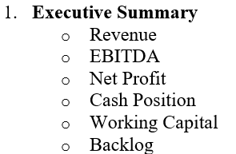
Metric | Current Month | YTD | Target
Revenue | 1250000 | 7800000 | 10000000
EBITDA | 220000 | 1450000 | 1800000
Net Profit | 150000 | 980000 | 1200000
Cash Position | 850000 | 850000 | 1000000
Working Capital | 1200000 | 1200000 | 1500000
Backlog | 5200000 | 5200000 | 7000000

4. AR_AP Dashboard
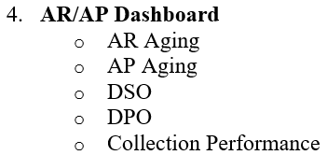
KPI | Value
AR Aging >90 Days | 250000
AP Aging >90 Days | 150000
DSO | 65
DPO | 45
Collection Performance % | 92

6. Strategic KPI
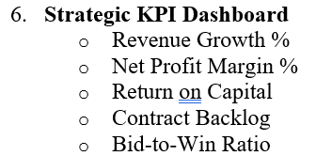
KPI | Value
Revenue Growth % | 18
Net Profit Margin % | 10.5
Return on Capital % | 14
Contract Backlog | 5200000
Bid-to-Win Ratio % | 35

