CNN_Energy
GPU Energy Consumption of CNN Model with Different Conv2D Layer Architectures for Detecting Each Photo
timestamp | tag | duration | package_0 | uncore_0 | core_0 | Note | microjoule (μJ) |  |  | Loss: | Accuracy:
1685982166.6 | start | 60.000302792 | 102565778 | 535643 | 4284047 | Original model |  |  | cnn_1_conv.h5 | 0.03973458335 | 0.9900000095
1685982300.9 | start | 20.000288248 | 23236940 | 183960 | 1315183 | Original model |  |  | cnn_2_conv.h5 | 0.01140779629 | 0.9950000048
1685982494.4 | start | 2.0434391499 | 3928884 | 121703 | 553282 | Original model |  |  | cnn_3_conv.h5 | 0.07864461094 | 0.9875000119
 |  |  | idle |  |  |  |  |  | cnn_4_conv.h5 | 0.06186841801 | 0.9875000119
 |  |  |  |  |  |  |  |  |  |  |  | each photo cpu energy | each photo RAPL energy
begin timestamp | tag | duration(seconds) | whole CPU energy | integrated GPU energy | RAPL Core energy | Note |  |  |  |  | cnn(conv2D 1, MaxPooling2D 3, dense 4) | 304461.9149 | 346858.8652
1685979074.6 | foo | 2.0432786942 | 67334972 | 1076657 | 61130764 | Original model |  |  |  |  | cnn(conv2D 2, MaxPooling2D 3, dense 4) | 302342.7305 | 354554.4894
 |  |  |  |  |  |  |  |  |  |  | cnn(conv2D 3, MaxPooling2D 3, dense 4) | 316993.2837 | 355783.4043
 |  | Substruction | 63406088 | 954954 | 60577482 |  |  |  |  |  | cnn(conv2D 4, MaxPooling2D 3, dense 4) | 289048.766 | 355131.0567
 |  | each image | 1349065.7021 | 20318.170213 | 1288882.5957

num of conv layer | time | whole cpu | idle cpu | whole gpu | idle gpu | whole RAPL | idle RAPL | pure cpu energy | pure gpu energy | pure RAPL energy | each photo cpu energy | each photo gpu energy | each photo RAPL energy
cnn(conv2D 1, MaxPooling2D 3, dense 4) | 1.2810270786 | 21245307 | 4051869 | 0 | 7446 | 16411152 | 408446 | 17193438 | -7446 | 16002706 | 365817.8298 | -158.4255319 | 340483.1064
cnn(conv2D 1, MaxPooling2D 3, dense 4) | 1.3132708073 | 19624645 | 7840434 | 0 | 2197 | 16822222 | 430419 | 11784211 | -2197 | 16391803 | 250727.8936 | -46.74468085 | 348761.766
cnn(conv2D 1, MaxPooling2D 3, dense 4) | 1.3162589073 | 19674733 | 5723252 | 0 | 48217 | 16889727 | 377136 | 13951481 | -48217 | 16512591 | 296840.0213 | -1025.893617 | 351331.7234
 |  |  |  |  |  |  |  |  |  |  | 304461.9149 | -410.3546099 | 346858.8652
cnn(conv2D 2, MaxPooling2D 3, dense 4) | 1.3343353271 | 20048350 | 2997429 |  | 22461 | 17154742 | 422179 | 17050921 | -22461 | 16732563 | 362785.5532 | -477.893617 | 356011.9787
cnn(conv2D 2, MaxPooling2D 3, dense 4) | 1.3382818699 | 19947459 | 5576584 |  | 2441 | 17109514 | 444273 | 14370875 | -2441 | 16665241 | 305763.2979 | -51.93617021 | 354579.5957
cnn(conv2D 2, MaxPooling2D 3, dense 4) | 1.3225572109 | 19768932 | 8560403 |  | 46020 | 16978411 | 384032 | 11208529 | -46020 | 16594379 | 238479.3404 | -979.1489362 | 353071.8936
 |  |  |  |  |  |  |  |  |  |  | 302342.7305 | -502.9929078 | 354554.4894
cnn(conv2D 3, MaxPooling2D 3, dense 4) | 1.3454504013 | 20100840 | 5713059 |  | 8423 | 17149554 | 427245 | 14387781 | -8423 | 16722309 | 306123 | -179.212766 | 355793.8085
cnn(conv2D 3, MaxPooling2D 3, dense 4) | 1.3389372826 | 19965586 | 5845383 |  | 24414 | 17121233 | 408080 | 14120203 | -24414 | 16713153 | 300429.8511 | -519.4468085 | 355599
cnn(conv2D 3, MaxPooling2D 3, dense 4) | 1.3456792831 | 20003977 | 3815908 |  | 17822 | 17156023 | 426025 | 16188069 | -17822 | 16729998 | 344427 | -379.1914894 | 355957.4043
 |  |  |  |  |  |  |  |  |  |  | 316993.2837 | -359.2836879 | 355783.4043
cnn(conv2D 4, MaxPooling2D 3, dense 4) | 1.3437564373 | 20047068 | 9386756 |  | 61279 | 17094011 | 375914 | 10660312 | -61279 | 16718097 | 226815.1489 | -1303.808511 | 355704.1915
cnn(conv2D 4, MaxPooling2D 3, dense 4) | 1.3400559425 | 19963388 | 3173820 |  | 39185 | 17120866 | 377624 | 16789568 | -39185 | 16743242 | 357224.8511 | -833.7234043 | 356239.1915
cnn(conv2D 4, MaxPooling2D 3, dense 4) | 1.3425133228 | 19852488 | 6546492 |  | 66772 | 16996661 | 384521 | 13305996 | -66772 | 16612140 | 283106.2979 | -1420.680851 | 353449.7872
 |  |  |  |  |  |  |  |  |  |  | 289048.766 | -1186.070922 | 355131.0567

dense | time | whole cpu | idle cpu | whole gpu | idle gpu | whole RAPL | idle RAPL | pure cpu energy | pure gpu energy | pure RAPL energy | each photo cpu energy | each photo gpu energy | each photo RAPL energy
Keep 1 Dense layer and sigmoid | 1.3354232311 | 19910532 | 16005635 |  | 27466 | 16954729 | 416808 | 3904897 | -27466 | 16537921 | 83082.91489 | -584.3829787 | 351870.6596
Keep 1 Dense layer and sigmoid | 1.3288288116 | 19653331 | 3952871 |  | 44800 | 16841082 | 386534 | 15700460 | -44800 | 16454548 | 334052.3404 | -953.1914894 | 350096.766
Keep 1 Dense layer and sigmoid | 1.3332979679 | 19883128 | 3998098 |  | 24536 | 17043108 | 421386 | 15885030 | -24536 | 16621722 | 337979.3617 | -522.0425532 | 353653.6596

Keep 2 Dense layers and sigmoid | 1.3369445801 | 19922068 | 9539893 |  | 46753 | 16984393 | 387634 | 10382175 | -46753 | 16596759 | 220897.3404 | -994.7446809 | 353122.5319
Keep 2 Dense layers and sigmoid | 1.3288373947 | 19971995 | 4768603 |  | 3174 | 17149370 | 424499 | 15203392 | -3174 | 16724871 | 323476.4255 | -67.53191489 | 355848.3191
Keep 2 Dense layers and sigmoid | 1.3349795341 | 19969431 | 6056137 |  | 88989 | 17104631 | 357054 | 13913294 | -88989 | 16747577 | 296027.5319 | -1893.382979 | 356331.4255

Keep 3 Dense layers and sigmoid | 1.3371603489 | 20012217 | 5298509 |  | 123901 | 17099078 | 323059 | 14713708 | -123901 | 16776019 | 313057.617 | -2636.191489 | 356936.5745
Keep 3 Dense layers and sigmoid | 1.3368289471 | 19809764 | 6016403 |  | 4272 | 16969439 | 440856 | 13793361 | -4272 | 16528583 | 293475.766 | -90.89361702 | 351671.9787
Keep 3 Dense layers and sigmoid | 1.3408150673 | 19869151 | 3235038 |  | 855 | 17028887 | 434813 | 16634113 | -855 | 16594074 | 353917.2979 | -18.19148936 | 353065.4043

num of maxpooling layer | time | whole cpu | idle cpu | whole gpu | idle gpu | whole RAPL | idle RAPL | pure cpu energy | pure gpu energy | pure RAPL energy | each photo cpu energy | each photo gpu energy | each photo RAPL energy
cnn_m2.h5 | 1.3533072472 | 22739078 | 1696895 | 232910 | 15259 | 17166033 | 96863 | 21042183 | 217651 | 17069170 | 447706.0213 | 4630.87234 | 363173.8298

cnn_2conv_idle
timestamp | tag | duration | package_0 | uncore_0 | core_0
1687959465.1 | start | 1.2890470028 | 6020797 | 31006 | 81604
1687959532.1 | start | 1.2888596058 | 1198483 | 14282 | 124450
1687959580.8 | start | 1.3021612167 | 1446102 | 16968 | 133667

cnn_2conv_whole
begin timestamp | tag | duration(seconds) | whole CPU energy | integrated GPU energy | RAPL Core energy
1687959413.2 | foo | 1.2886924744 | 20312997 | 1079587 | 16147969
1687959490.5 | foo | 1.2885317802 | 20252268 | 515257 | 16699115
1687959544.7 | foo | 1.3020300865 | 20327524 | 507933 | 16681293

cnn_3conv_whole
begin timestamp | tag | duration(seconds) | whole CPU energy | integrated GPU energy | RAPL Core energy
1687960152.1 | foo | 1.2980875969 | 20066111 | 251343 | 16701495
1687960305 | foo | 1.2985723019 | 20346567 | 1048460 | 16266681
1687960335.7 | foo | 1.3044586182 | 20542488 | 265259 | 17091509

cnn_3conv_idle
timestamp | tag | duration | package_0 | uncore_0 | core_0
1687960212.1 | start | 1.2983522415 | 1443905 | 18921 | 150452
1687960329.4 | start | 1.299258709 | 2421258 | 33814 | 99914
1687960364.1 | start | 1.3047478199 | 1301327 | 17822 | 84960

cnn_4conv_whole
begin timestamp | tag | duration(seconds) | whole CPU energy | integrated GPU energy | RAPL Core energy
1687960428.6 | foo | 1.3075501919 | 20550790 | 236572 | 17084673
1687960490.9 | foo | 1.2956750393 | 20171640 | 247436 | 16873370
1687960553.6 | foo | 1.3074223995 | 20204661 | 222289 | 16913958

cnn_4conv_idle
timestamp | tag | duration | package_0 | uncore_0 | core_0
1687960473.5 | start | 1.3078546524 | 1638362 | 22705 | 193176
1687960545 | start | 1.2959463596 | 1855464 | 21118 | 176208
1687960589.9 | start | 1.3080351353 | 1267087 | 22461 | 118225

cnn_dense1_whole
begin timestamp | tag | duration(seconds) | whole CPU energy | integrated GPU energy | RAPL Core energy
1687960971.9 | foo | 1.2932162285 | 20070261 | 250122 | 16763201
1687961133.9 | foo | 1.2935085297 | 19865000 | 251586 | 16541889
1687961177.3 | foo | 1.2878861427 | 19898081 | 232787 | 16633015

cnn_dense1_idle
timestamp | tag | duration | package_0 | uncore_0 | core_0
1687961119.4 | start | 1.2935941219 | 1449642 | 20630 | 86853
1687961173 | start | 1.293956995 | 1195615 | 19653 | 96863
1687961204.1 | start | 1.2884886265 | 1312619 | 22705 | 98022

cnn_dense2_whole
begin timestamp | tag | duration(seconds) | whole CPU energy | integrated GPU energy | RAPL Core energy
1687961254.3 | foo | 1.2911298275 | 19970469 | 243774 | 16611285
1687961312.6 | foo | 1.2853097916 | 20117014 | 1164060 | 15951925
1687961347.9 | foo | 1.2862780094 | 20085642 | 238647 | 16835040

cnn_dense2_idle
timestamp | tag | duration | package_0 | uncore_0 | core_0
1687961308.1 | start | 1.2915835381 | 1708980 | 27832 | 171020
1687961343.2 | start | 1.2855947018 | 1427120 | 22949 | 177063
1687961378.6 | start | 1.2866985798 | 5221361 | 17334 | 94360

cnn_dense3_whole
begin timestamp | tag | duration(seconds) | whole CPU energy | integrated GPU energy | RAPL Core energy
1687961426.9 | foo | 1.2928700447 | 20135752 | 252563 | 16772540
1687961473.4 | foo | 1.2896578312 | 20071298 | 259765 | 16788775
1687961547.2 | foo | 1.2910692692 | 20419015 | 242553 | 17107927

cnn_dense3_idle
timestamp | tag | duration | package_0 | uncore_0 | core_0
1687961467.8 | start | 1.2931640148 | 1475277 | 16113 | 183166
1687961543 | start | 1.2901322842 | 1238522 | 17456 | 151733
1687961583.4 | start | 1.291536808 | 1431881 | 25268 | 135863

CNN
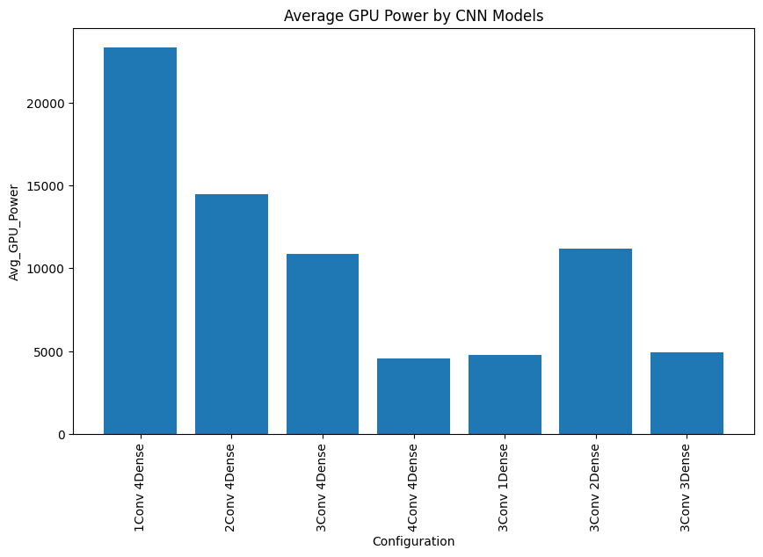
configuration | Accuracy_Obs1 | Accuracy_Obs2 | Accuracy_Obs3 | AVG_Accuracy | CPU-Power_Obs1 | CPU-Power_Obs2 | CPU-Power_Obs3 | Avg_CPU-Power | GPU-Power_Obs1 | GPU-Power_Obs2 | GPU-Power_Obs3 | Avg_GPU-Power | RAPL-Power_Obs1 | RAPL-Power_Obs2 | RAPL-Power_Obs3 | Avg_RAPL-Power
1Conv 4Dense | 100% | 100% | 100% | 100% | 361577.8085 | 449224.0638 | 449911.0426 | 420237.6383 | 23351.7234 | 23382.89362 | 23271.23404 | 23335.28369 | 338061.1915 | 338842.9787 | 337974.1702 | 338292.7801
2Conv 4Dense | 100% | 100% | 100% | 100% | 304089.3617 | 405399.6809 | 401732.383 | 370407.1418 | 22310.23404 | 10659.04255 | 10446.06383 | 14471.78014 | 341837.5532 | 352652.4468 | 352077.1489 | 348855.7163
3Conv 4Dense | 100% | 100% | 100% | 100% | 396217.1489 | 432905.6809 | 409386.4043 | 412836.4113 | 4945.148936 | 22307.65957 | 5264.617021 | 10839.14184 | 352149.8511 | 346099.5957 | 361841.4681 | 353363.6383
4Conv 4Dense | 100% | 100% | 100% | 100% | 402392.0851 | 389705.8723 | 402927.1064 | 398341.6879 | 4550.361702 | 4815.276596 | 4251.659574 | 4539.099291 | 359393.5532 | 355258.766 | 357356.0213 | 357336.1135
3Conv 1Dense | 100% | 100% | 100% | 100% | 396183.383 | 397220.9574 | 395435.3617 | 396279.9007 | 4882.808511 | 4934.744681 | 4469.829787 | 4762.460993 | 354815.9149 | 349894.1702 | 351808.3617 | 352172.8156
3Conv 2Dense | 100% | 100% | 100% | 100% | 388542.3191 | 397657.3191 | 316261.2979 | 367486.9787 | 4594.510638 | 24278.95745 | 4708.787234 | 11194.08511 | 349792.8723 | 335635.3617 | 356184.6809 | 347204.305
3Conv 3Dense | 100% | 100% | 100% | 100% | 397031.383 | 400697.3617 | 403981.5745 | 400570.1064 | 5030.851064 | 5155.510638 | 4623.085106 | 4936.48227 | 352965.4043 | 353979.617 | 361107.7447 | 356017.5887

AutoEncoder
 | Test Loss | Test Accuracy |  | 11 minutes per epoch on avg
1Enc 1Dec 32Filter | 0.058 | 0.8965
2Enc 2Dec (32 & 16Filter) | 0.1903 | 0.7849
3Enc 3Dec (32 & 16 & 8Filter) | 0.3733 | 0.638 | (orginal model)

 | 0 means underfitting
configuration | Accuracy_Obs1 | Accuracy_Obs2 | Accuracy_Obs3 | AVG_Accuracy | CPU-Power_Obs1 | CPU-Power_Obs2 | CPU-Power_Obs3 | Avg_CPU-Power | GPU-Power_Obs1 | GPU-Power_Obs2 | GPU-Power_Obs3 | Avg_GPU-Power | RAPL-Power_Obs1 | RAPL-Power_Obs2 | RAPL-Power_Obs3 | Avg_RAPL-Power
1Enc 1Dec | 0 | 0 | 0 | 0 | 531678.4681 | 526434.6809 | 538253.383 | 532122.1773 | 12700.44681 | 11794.04255 | 13783.51064 | 12759.33333 | 471925.234 | 472319.9787 | 474287.4043 | 472844.2057
2Enc 2Dec | 0 | 0 | 0 | 0 | 547980.0213 | 549057.8723 | 544876.3404 | 547304.7447 | 12414.78723 | 25336.02128 | 12599.19149 | 16783.33333 | 480625.9574 | 471091.5106 | 485290.5957 | 479002.6879
3Enc 3Dec (orginal) | 63.83% | 63.83% | 63.83% | 63.83% | 554352.3404 | 524336.1064 | 550678.5532 | 543122.3333 | 12183.61702 | 12801.78723 | 12742.04255 | 12575.8156 | 488364.4255 | 488665.6809 | 487163.2128 | 488064.4397

Avg_CPU-Power Per Image of 1Enc 1Dec, 2Enc 2Dec and 3Enc 3Dec (orginal)
Avg_GPU-Power Per Image of 1Enc 1Dec, 2Enc 2Dec and 3Enc 3Dec (orginal)

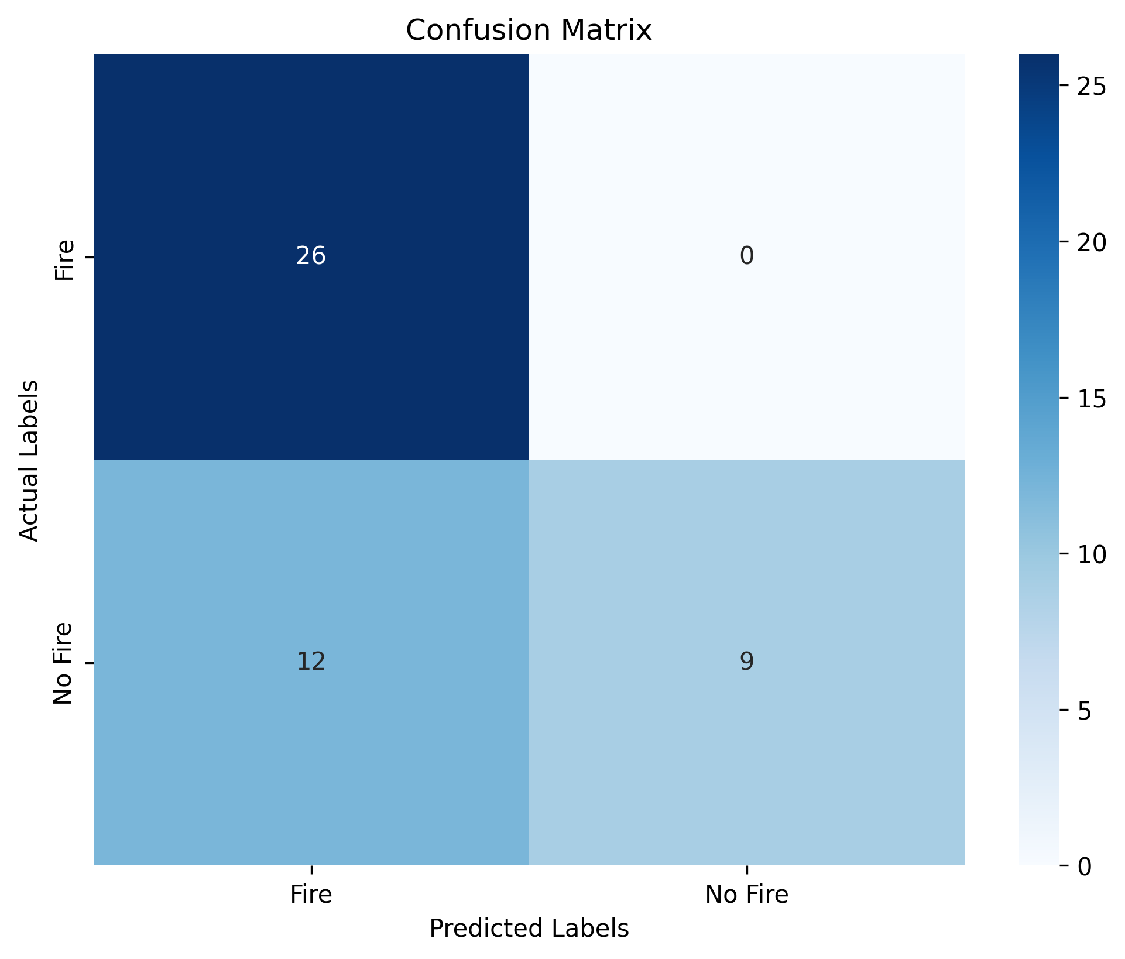
Avg_RAPL-Power Per Image of 1Enc 1Dec, 2Enc 2Dec and 3Enc 3Dec (orginal)

 |  |  |  |  |  | 3Enc 3Dec (orginal) 1 & 2 & 3

DBN
 | Test Loss | Test Accuracy |  | 10 minutes per epoch on avg
1RBM |  | 0.6875
2RBM |  | 0.6875 | original model
3RBM |  | 0.6875
4RBM |  | 0.6875
 | 0 means underfitting
configuration | Accuracy_Obs1 | Accuracy_Obs2 | Accuracy_Obs3 | AVG_Accuracy | CPU-Power_Obs1 | CPU-Power_Obs2 | CPU-Power_Obs3 | Avg_CPU-Power | GPU-Power_Obs1 | GPU-Power_Obs2 | GPU-Power_Obs3 | Avg_GPU-Power | RAPL-Power_Obs1 | RAPL-Power_Obs2 | RAPL-Power_Obs3 | Avg_RAPL-Power
1RBM | 97.87% | 97.87% | 97.87% | 97.87% | 194757.5106 | 1072.659574 | 215591.2128 | 137140.461 | 2098.553191 | 1072.659574 | 3680.297872 | 2283.836879 | 175196.4043 | 177944.2766 | 192561.5319 | 181900.7376
2RBM | 0 | 0 | 0 | 0 | 228752.7021 | 210356.4681 | 211059.0213 | 216722.7305 | 2693.319149 | 4264.659574 | 4615.276596 | 3857.751773 | 203067.3404 | 186890.4681 | 196613.2128 | 195523.6738
3RBM | 0 | 0 | 0 | 0 | 232861.4894 | 1914.170213 | 227793 | 154189.5532 | 5794.404255 | 1914.170213 | 5729.489362 | 4479.35461 | 204047.7872 | 208008.5745 | 197672.8723 | 203243.078
4RBM | 0 | 0 | 0 | 0 | 226506.0851 | 4994.489362 | 226487.8936 | 152662.8227 | 9425.361702 | 4994.489362 | 5275 | 6564.950355 | 192429.0638 | 203958.1915 | 200696.0851 | 199027.7801

Avg_CPU-Power Per Image
Avg_GPU-Power Per Image

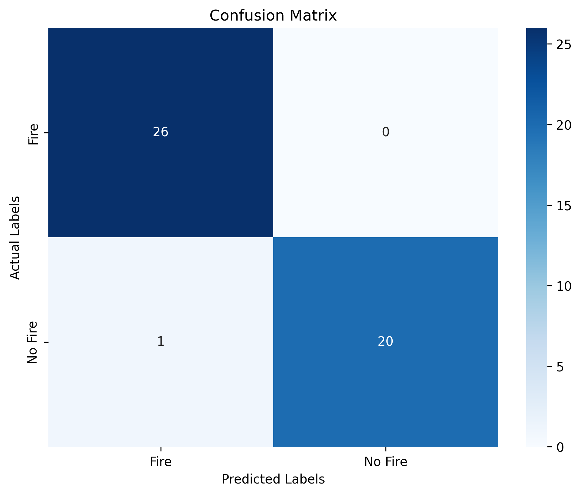
Avg_RAPL-Power Per Image

 |  |  |  |  |  |  | 1RBM

Comparing Different Models
CNN, DBN and Autoencoder
 | CNN | DBN | Autoencoder | U-Net | Python charts
CPU energy consumption | 367486.9787 | 137140.461 | 543122.3333 | 597876.3333 | Update results and discussion with new results
GPU energy consumption | 4539.099291 | 2283.836879 | 12575.8156 | 18836.01418 | Legends, axis
RAPL energy consumption | 338292.7801 | 181900.7376 | 488064.4397 | 536327.1064
 |  |  |  |  |  | CNN | 0.000220308025
 |  |  |  |  |  | DBN | 0.0004285332324
CNN, DBN and Autoencoder
 |  |  |  |  |  | AutoEncoder | 5.075615135E-05
 |  |  |  |  |  | U-Net | 4.179228113E-05

CNN, DBN and Autoencoder

