README
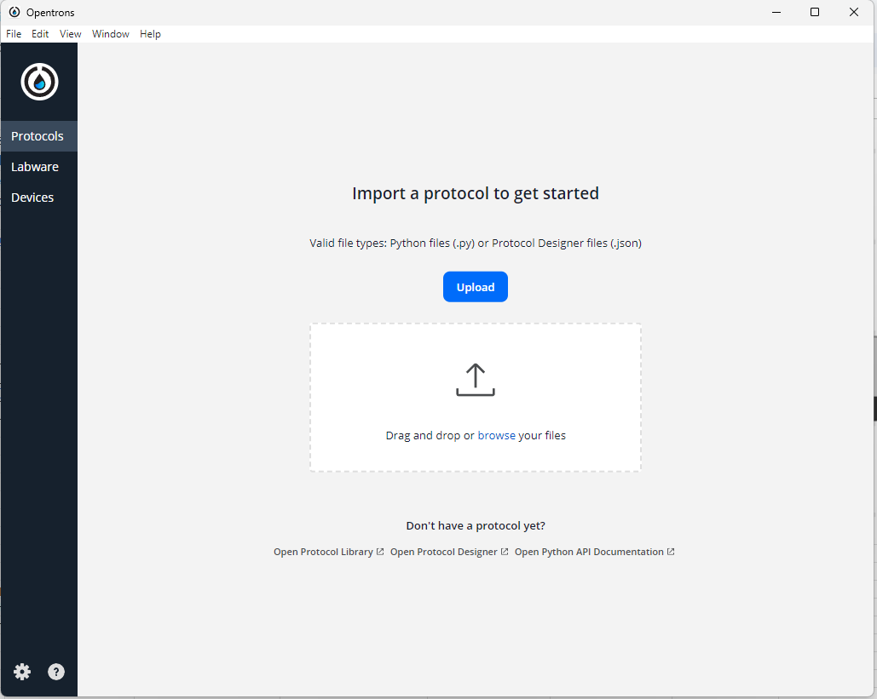
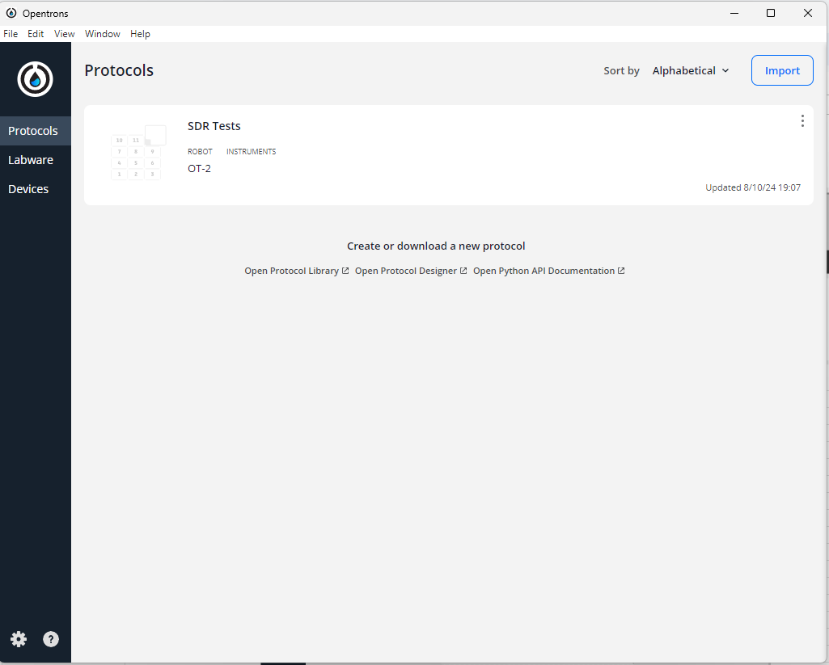
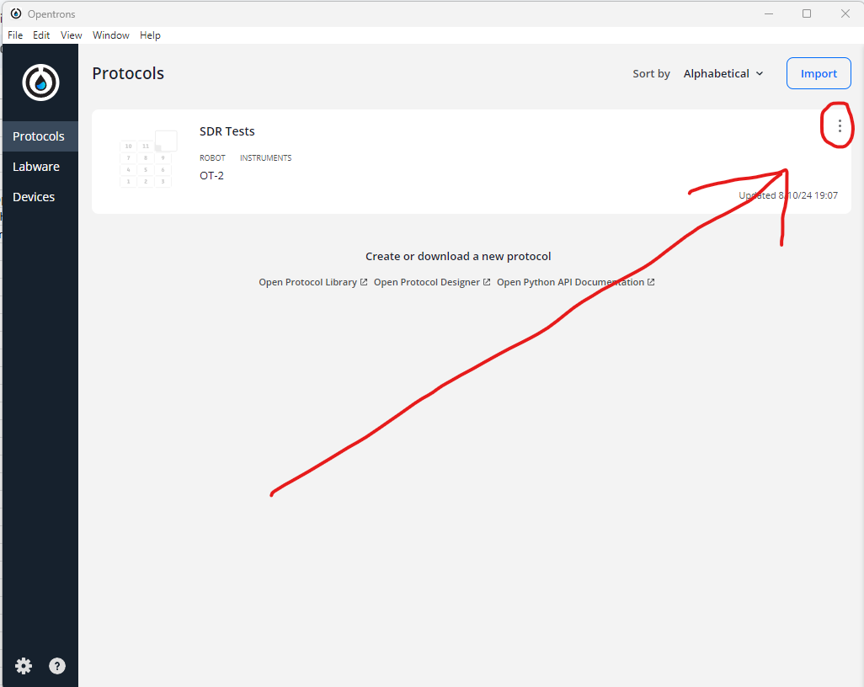
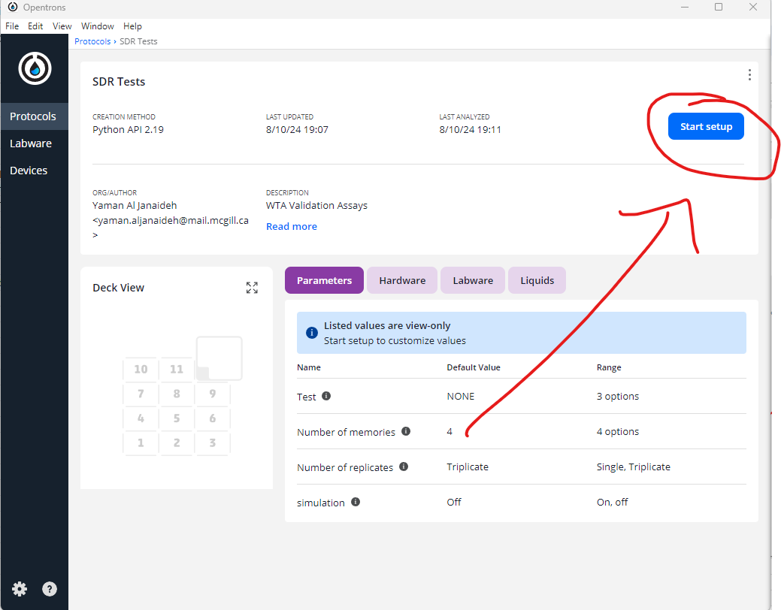
WORK IN PROGRESS
1. Important to know
- WTA Memory Validation protocol: Assumes 100 ul reactions. WTA Assembly Validation protocol: assumes 1000 ul reactions. Both assume that you want to add 10 ul of any liquid (strand/gate) into a particular condition (i.e. make sure the diluted stocks are 1 uM, 2 uM, ...)
- Copy desired template into "PASTE HERE" sheet and only edit what's in yellow then save the sheet as csv. Do not change the file's name.
- Ideally, have at least 300 ul of liquid (strand/gate) and 12 ml buffer
- Plates memories in the order that they appear in the csv (1st memory: top left of plate, 2nd: top right, 3rd: bottom left, 4th: bottom right).
- If you're not plating one of the memories, keep the other memories with their same numbers (e.g. if you're not plating memorty 2, keep memory 1, 3, and 4 numbered as is...)
- Location of buffer is in refrence to the (15 ml tube rack in memory protocol and 50 ml tube rack in assembly protocol), liquids are in reference to 1.5 ml rack in both protocols
- Replicates plated down the columns (e.g. Memory 1 condition 1 is in wells A1, B1, C1. Mememory 1 condition 2 is in wells A2, B2, C2 ....)

- Tip racks should be filled from left to right before protocol starts (doesn't need to be full but the robot picks up tips starting from A1 and goes down the columns)

- If you need to do a "labware position check" make sure there is a tip/tube in A1 of rack before starting
Q: What is a labware position check? A: The labware position check is a quick calibration to check, adjust, and save any x,y,z axes offsets in where the robot thinks the slots of a labware are. The robot expects the labware (racks, plates,...) to be at specific coordinates, specifically, it expects the A1 slot of a labware to be at a specific coordinate (all labware is / should be a perfect parallel grid, as opposed to honeycomb like some of our tip racks). depending on the brand and exact position in the slot its in, it can be a little offset. The check allows you to see where it thinks A1 is and asks you to adjust the pipette position with your laptop's keyboard. It takes a few mins max but ideally you don't have to do it every time. https://support.opentrons.com/s/article/How-Labware-Offsets-work-on-the-OT-2


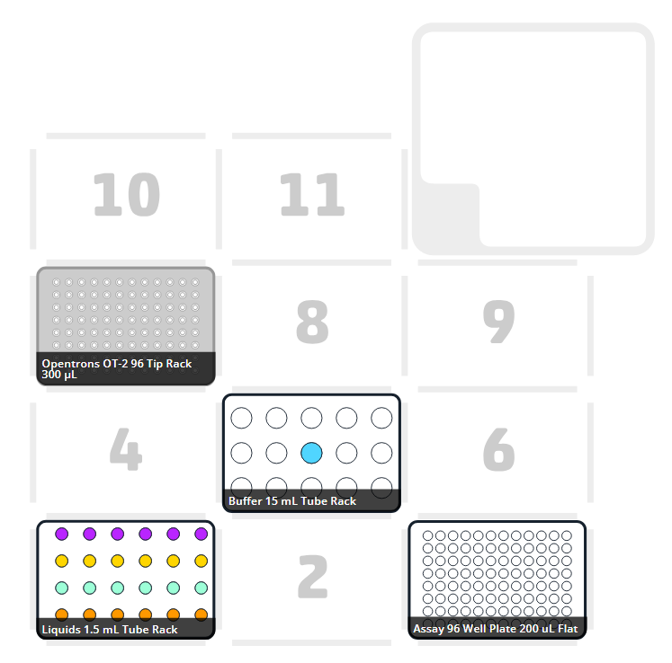
- Save run log, upload here, and rename the file to the same name as the corresponding data csv
- update "Experimental_log" sheet

- Setup previews and simulations in "Simulations" sheet

- Naming, colour and plating conventions :
Memory | Fluorophore
1 | cy3.5
2 | cy5.5
3 | cy3
4 | cy5

2. Setting Up
1. Download:
Opentrons App | https://opentrons.com/ot-app
Protocol Code
CSV | template sheet (e.g. "Restoration_assay_template")

2. Prepare labware
300 uL tiprack (slot 7) | 96-well plate (slot 3) | *Make sure you have an ethernet slot in your laptop (will figure out support for alternative later)
1.5 mL tuberack (slot 1), 15mL cononical tuberack (slot 5) | Pippets: P300 on left mount, P300 on right mount | *Make sure you have the Opentrons App downloaded on your laptop

3. Run an assay
1. Copy template from "X_assay_template" and paste it in "PASTE HERE"
2. Adjust "liquid_total_volume" (ONLY WHAT IS IN YELLOW!!!) as needed (volumes in uL)
3. File --> Download --> Comma Seperated Values (.csv) (DO NOT CHANGE NAME!!!)
4. Download the protocol code
5. Launch the Opentrons App
6. Upload the protocol code (picture in top left)
7. Click the 3 dots (top right of protocol box) and press "Show in folder"
8. Add the csv file
9. Click the 3 dots again and press "Reanalyze"
10. Turn on robot and HEPA filter
11. Connect your laptop to the robot via ethernet cable
12. In the app, go to "Devices" and make sure the pippets mounted are P300 on both left and right (if not, you'll need to detach what is there and atach P300s)
12. In the app, click on the protocol and press "Start setup" (picture in bottom right)
13. "Continue to parameters"
14. Place labware into appropriate slots
15. "Labware position check" if needed
16. Run

Summation_assay_template
Instructions: Before Plating
Summation assay
1. Recall volumes in uL and naming/colour convetions below
2. Copy the table into 'PASTE HERE' sheet and only change the 'liquid_total_volume' and remove memories if you don't want to plate them (if you remove a memory make sure there is no empty space between rows)
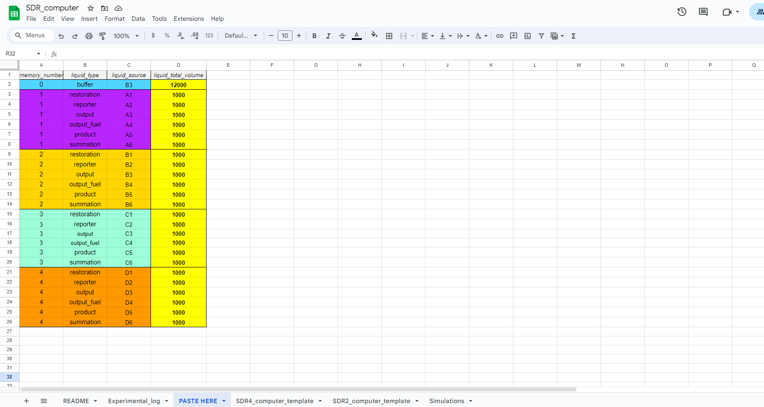
3. Ensure titles in first row. Your PASTE HERE sheet should look like below.
 |  |  |  |  |  |  | 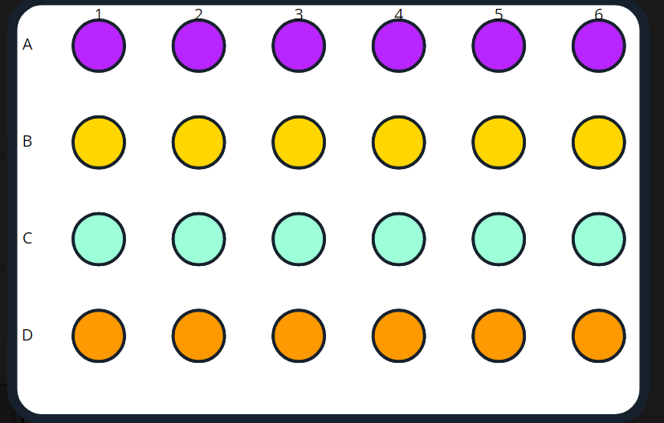 | 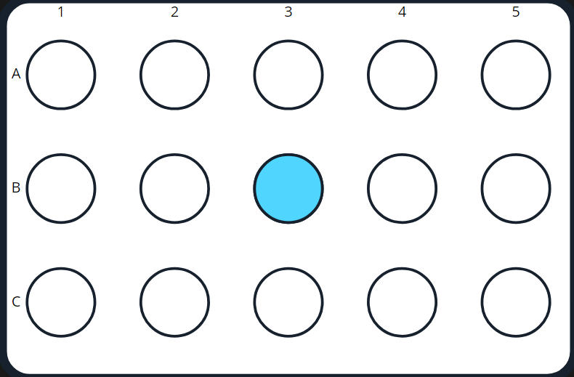

 |  |  |  |  | Memory | Fluorophore
 |  |  |  |  | 1 | cy3.5
 |  |  |  |  | 2 | cy5.5
 |  |  |  |  | 3 | cy3
 |  |  |  |  | 4 | cy5

 |  |  |  |  |  |  |  | 1.5 mL rack with liquids | 15 mL rack with buffer

Instructions: Plating
Conditions plated from left to right 1 --> 4

Conditions: |  |  |  |  | Plating Order (left item first):
 | 1. reporter |  |  |  |  |  | 1. buffer
 | 2. reporter, output |  |  |  |  |  | 2. restoration, reporter
 | 3. reporter, restoration, output_fuel |  |  |  |  |  | 3. output_fuel, summation
 | 4. reporter, restoration, summation, product, output_fuel |  |  |  |  |  | 4. product, output
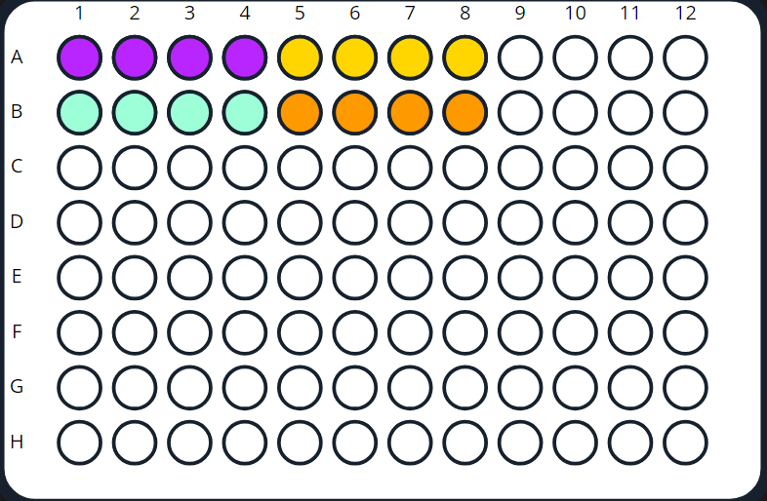
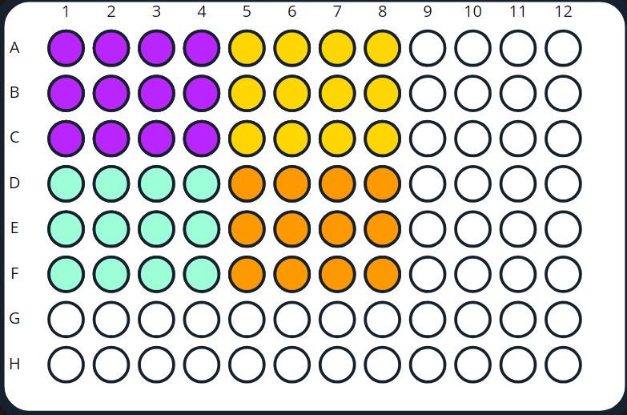

Single plating |  |  |  | Triplicate plating

TEMPLATE
 |  |  |  |  |  |  |  | IMPORTANT
 |  |  |  |  |  |  |  | - Only change what is in yellow ("liquid_total_volume")
 |  |  |  |  |  |  |  | - buffer's "liquid_source" is in refrence to the 15 mL rack
 |  |  |  |  |  |  |  | - liquids' (strands and gates) "liquid_source" is in refrence to the 1.5 mL rack
 |  | memory_number | liquid_type | liquid_source | liquid_total_volume |  |  | - have at least 300 uL of each liquid (1.5 mL tubes) and 12 mL of buffer (15 mL tube)
 |  | b | buffer | B3 | 12000
 |  | 1 | restoration | A1 | 1000
 |  | 1 | reporter | A2 | 1000
 |  | 1 | output | A3 | 1000
 |  | 1 | output_fuel | A4 | 1000
 |  | 1 | product | A5 | 1000
 |  | 1 | summation | A6 | 1000
 |  | 2 | restoration | B1 | 1000
 |  | 2 | reporter | B2 | 1000
 |  | 2 | output | B3 | 1000
 |  | 2 | output_fuel | B4 | 1000
 |  | 2 | product | B5 | 1000
 |  | 2 | summation | B6 | 1000
 |  | 3 | restoration | C1 | 1000
 |  | 3 | reporter | C2 | 1000
 |  | 3 | output | C3 | 1000
 |  | 3 | output_fuel | C4 | 1000
 |  | 3 | product | C5 | 1000
 |  | 3 | summation | C6 | 1000
 |  | 4 | restoration | D1 | 1000
 |  | 4 | reporter | D2 | 1000
 |  | 4 | output | D3 | 1000
 |  | 4 | output_fuel | D4 | 1000
 |  | 4 | product | D5 | 1000
 |  | 4 | summation | D6 | 1000

Restoration_assay_template
memory_number | liquid_type | liquid_source | liquid_total_volume | Instructions: Before Plating
b | buffer | B3 | 12000 | Restoration assay
1 | restoration | A1 | 1000 | 1. Recall volumes in uL and naming/colour convetions below
1 | reporter | A2 | 1000 | 2. Copy the table into 'PASTE HERE' sheet and only change the 'liquid_total_volume' and remove memories if you don't want to plate them (if you remove a memory make sure there is no empty space between rows)
1 | sum | A3 | 1000 | 3. Ensure titles in first row. Your PASTE HERE sheet should look like below.
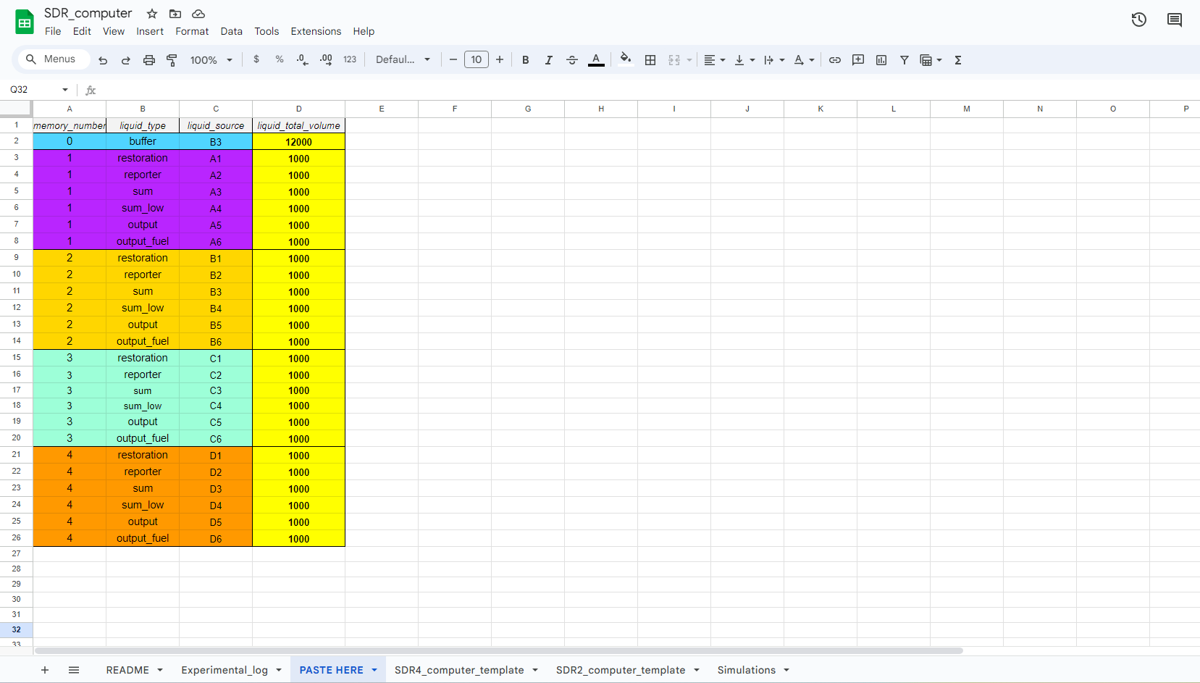
1 | sum_low | A4 | 1000
1 | output | A5 | 1000 |  |  | Memory | Fluorophore
1 | output_fuel | A6 | 1000 |  |  | 1 | cy3.5
2 | restoration | B1 | 1000 |  |  | 2 | cy5.5
2 | reporter | B2 | 1000 |  |  | 3 | cy3
2 | sum | B3 | 1000 |  |  | 4 | cy5
2 | sum_low | B4 | 1000
2 | output | B5 | 1000
2 | output_fuel | B6 | 1000
3 | restoration | C1 | 1000 |  |  |  |  |  | 1.5 mL rack with liquids (e.g., Rep 2 gates) | 15 mL rack with buffer
3 | reporter | C2 | 1000
3 | sum | C3 | 1000
3 | sum_low | C4 | 1000
3 | output | C5 | 1000
3 | output_fuel | C6 | 1000 | Instructions: Plating
4 | restoration | D1 | 1000 | Conditions plated from left to right 1 --> 6
4 | reporter | D2 | 1000
4 | sum | D3 | 1000 | Conditions: |  | Plating Order (left item first):
4 | sum_low | D4 | 1000 |  | 1. reporter |  |  | 1. buffer
4 | output | D5 | 1000 |  | 2. reporter, output |  |  | 2. reporter, restoration
4 | output_fuel | D6 | 1000 |  | 3. reporter, restoration, sum |  |  | 3. output_fuel, output
 |  |  |  |  | 4. reporter, restoration, sum_low |  |  | 4. sum, sum_low
 |  |  |  |  | 5. reporter, restoration, sum, output_fuel
 |  |  |  |  | 6. reporter, restoration, sum_low, output_fuel
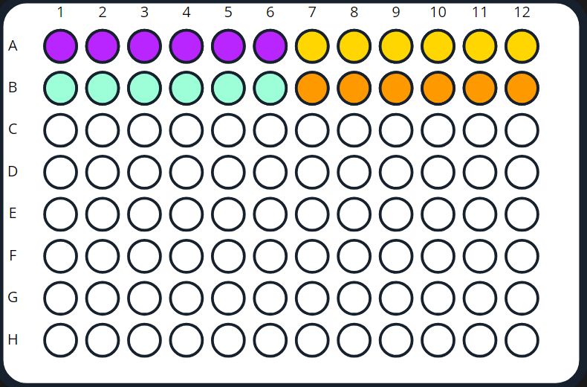
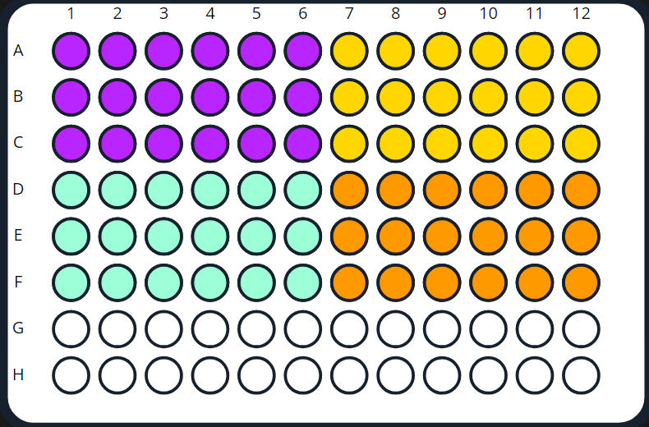

 |  |  |  | Single plating |  | Triplicate plating

