Cover
East Anglia Three Offshore Wind Project

70% Equity Converted at FC

Equity Sponsor 1: Iberdrola
Owns ScottishPower Renewables
30% direct cash reimbursement at FC to convert Iberdrola's debt to equity (off SPV's b/s)
Equity Sponsor 2 - Masdar
Developer: ScottishPower Renewables
 | SPV Project IRR Pre-tax: 8.00% Project IRR After-Tax: 6.09%
 | Equity
 | 70% of development cost reimbrused in cash at FC
Equity IRR: 6.49%
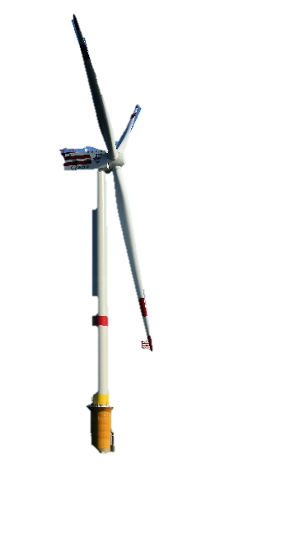
 | 5% Development Fee
Equity IRR: 6.69%
 | 70% Equity Converted at FC
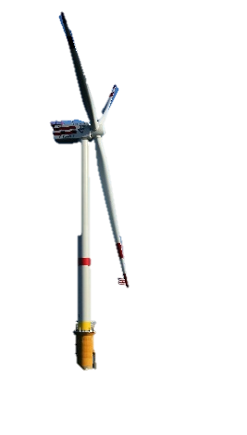
 | 30% direct cash reimbursement at FC to convert Iberdrola's debt to equity (off SPV's b/s)
 | 50% Funding
30% Common Equity / 70% SHL
 | 50% Funding
5% Development Fee
Development Services
30% Common Equity / 70% SHL
 | 30% Common Equity / 70% SHL
 | 50% Dividends
50% Dividends
 | 50% Dividends
70% of development cost reimbrused in cash at FC
 | Equity IRR: 6.69%
50% Dividends
50% Funding
50% Funding
 | Equity IRR: 6.49%

O&M Contract Partly Siemens Gamesa (Turbines)
 | Debt
 | 1% Upfront Fee
 | 1% Commitment Fee

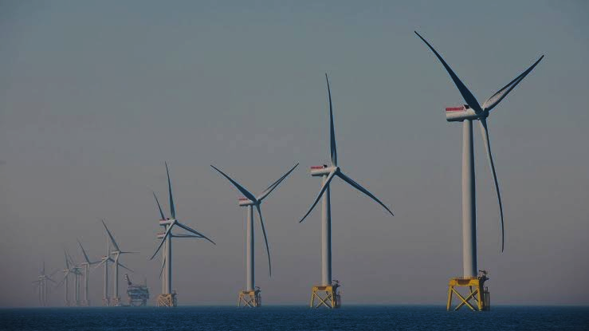
UK Government CfD
 | Tranche 1: 1238.1MW Capacity, GBP 37.35 Strike Price
 | Tranche 2: 158.9MW Capacity, GBP 54.23 Strike Price
 | EUR 3100000 Construction Funding
SPV Project IRR Pre-tax: 8.00% Project IRR After-Tax: 6.09%
Interest + Principal
1% Upfront Fee
Consortium of Lenders Standard Chartered HSBC BBVA
ING
NatWest
SMBC
MUFG (Financial Advisor)
Bank of China
CaixaBank
Santander
BNP Paribas
Siemens Bank
Tranche 1: 1238.1MW Capacity, GBP 37.35 Strike Price
Tranche 2: 158.9MW Capacity, GBP 54.23 Strike Price
1% Commitment Fee

EUR 3100000 Construction Funding

Merchant Tail

EIFO EUR 500million guarantee

Dashboard
Dashboard |  | 1

 | Wind Farm Specifications |  |  |  |  | Returns |  | IRR (%p.a.) |  |  |  | Sources and Uses
 |  | Siemens Gamesa SG14-236 DD |  |  |  | Project Pre-tax |  | 8.00% |  |  |  | Uses |  |  | GBP '000
 |  | Capacity per | Number | Total |  | Project After-tax |  | 6.11% |  |  |  | Pre-FC spend reimbursed to Iberdrola |  |  | 501,675
 |  | turbine (MW) | of Turbines | Capacity (MW) |  | Debt IRR |  | 5.30% |  |  |  | Development fees |  |  | 58,517
 |  | 14.71 | 95 | 1397 |  | Iberdrola's Equity IRR |  | 6.69% |  |  |  | Construction costs incl. contingency |  |  | 3,309,900
 |  |  |  |  |  | Masdar's Equity IRR |  | 6.49% |  |  |  | Up-front fee |  |  | 24,800
 | Project Timings | Start | Duration (yrs) | End |  |  |  |  |  |  |  | Commitment fee |  |  | 22,105
 | Development Period | 1-Jul-22 | 2.92 | 30-Jun-25 |  | Revenue Breakdown |  | Start | End | Revenue (GBP mm) |  | IDC- Senior Debt |  |  | 134,173
 | Construction Period | 1-Jul-25 | 1.5 | 31-Dec-26 |  | CfD Tranche A Revenue |  | 1-Jan-27 | 31-Dec-41 | 5,887 |  | IDC- SHL |  |  | 36,643
 | Operations Period | 1-Jan-27 | 30 | 31-Dec-56 |  | CfD Tranche B Revenue |  | 1-Jan-27 | 31-Dec-41 | 1,097 |  | Withholding tax |  |  | -
 |  |  |  |  |  | Merchant Tail Revenue |  | 1-Jan-42 | 31-Dec-56 | 18,276 |  | DSRA funding during construction |  |  | 159,234
 |  |  |  |  |  | Total Revenue |  |  |  | 25,261 |  | MMRA funding during construction |  |  | -
 |  |  |  |  |  |  |  |  |  |  |  | Total Funding Uses |  |  | 4,247,048
 |  |  |  |  |  | Debt Metrics
 |  |  |  |  |  | Average DSCR | x | 1.25 |  |  |  | Sources |  |  | GBP '000 | Debt/Equity Ratio
 |  |  |  |  |  | Project LLCR | x | 2.39 |  |  |  | Debt drawdowns |  |  | 3,100,000 | 73%
 |  |  |  |  |  | Debt Tenor | years | 30 |  |  |  | Equity drawdowns |  |  | 1,147,048 | 27%
 |  |  |  |  |  | Repaid By | date | 30-Jun-45 |  |  |  | Total drawdowns |  |  | 4,247,048

 | SPV Cashflow Waterfall |  |  |  | 2022 | 2023 | 2024 | 2025 | 2026 | 2027 | 2028 | 2029 | 2030 | 2031 | 2032 | 2033 | 2034 | 2035 | 2036 | 2037 | 2038 | 2039 | 2040 | 2041 | 2042 | 2043 | 2044 | 2045 | 2046 | 2047 | 2048 | 2049 | 2050 | 2051 | 2052 | 2053 | 2054

 | (+) Revenue |  |  | GBP '000 | - | - | - | - | - | 363,612 | 374,148 | 382,891 | 416,967 | 427,879 | 440,278 | 450,566 | 462,357 | 483,581 | 497,593 | 509,221 | 522,547 | 536,222 | 551,760 | 564,654 | 891,696 | 932,660 | 1,000,685 | 1,057,119 | 1,115,886 | 1,168,107 | 1,237,135 | 1,206,116 | 1,275,292 | 1,308,665 | 1,346,587 | 1,378,055 | 1,414,117
 | (-) Operating Expenditures |  |  | GBP '000 | - | - | - | - | - | (163,950) | (166,081) | (168,240) | (170,427) | (172,643) | (174,887) | (177,161) | (179,464) | (181,797) | (184,160) | (186,554) | (188,980) | (191,436) | (193,925) | (196,446) | (199,000) | (201,587) | (204,207) | (206,862) | (209,551) | (212,275) | (215,035) | (217,830) | (220,662) | (223,531) | (226,437) | (229,380) | (232,362)
 | (-) Increase / (decrease) in AR |  |  | GBP '000 | - | - | - | - | - | (30,243) | (791) | (812) | (2,834) | (908) | (931) | (956) | (981) | (1,765) | (1,053) | (1,080) | (1,108) | (1,137) | (1,167) | (1,198) | (27,201) | (3,407) | (5,431) | (4,921) | (4,888) | (4,343) | (5,460) | 2,299 | (5,754) | (2,776) | (2,848) | (2,923) | (2,999)
 | (+) Increase / (decrease) in AP |  |  | GBP '000 | - | - | - | - | - | 13,482 | 175 | 178 | 180 | 182 | 185 | 187 | 189 | 192 | 194 | 197 | 199 | 202 | 205 | 207 | 210 | 213 | 215 | 218 | 221 | 224 | 227 | 230 | 233 | 236 | 239 | 242 | 245
 | Net operating cashflow |  |  | GBP '000 | - | - | - | - | - | 182,901 | 207,451 | 214,017 | 243,885 | 254,511 | 264,644 | 272,637 | 282,102 | 300,210 | 312,575 | 321,784 | 332,659 | 343,850 | 356,873 | 367,217 | 665,704 | 727,879 | 791,262 | 845,554 | 901,668 | 951,712 | 1,016,866 | 990,814 | 1,049,109 | 1,082,595 | 1,117,541 | 1,145,993 | 1,179,000
 | (-) Construction uses |  |  | GBP '000 | - | - | - | (1,741,332) | (2,505,716) | - | - | - | - | - | - | - | - | - | - | - | - | - | - | - | - | - | - | - | - | - | - | - | - | - | - | - | -
 | (+) Construction funding |  |  | GBP '000 | - | - | - | 1,741,332 | 2,505,716 | - | - | - | - | - | - | - | - | - | - | - | - | - | - | - | - | - | - | - | - | - | - | - | - | - | - | - | -
 | (+) Cash injection from Masdar |  |  | GBP '000 | - | - | - | 376,256 | - | - | - | - | - | - | - | - | - | - | - | - | - | - | - | - | - | - | - | - | - | - | - | - | - | - | - | - | -
 | (-) Taxes paid |  |  | GBP '000 | - | - | - | - | - | - | - | - | - | - | - | (1,328) | (3,499) | (6,075) | (8,770) | (10,589) | (12,574) | (14,598) | (16,848) | (18,804) | (40,236) | (64,874) | (74,338) | (85,075) | (96,992) | (109,757) | (116,140) | (117,104) | (119,554) | (125,892) | (130,415) | (134,077) | (138,301)
 | CFADS |  |  | GBP '000 | - | - | - | - | - | 182,901 | 207,451 | 214,017 | 243,885 | 254,511 | 264,644 | 271,308 | 278,603 | 294,136 | 303,805 | 311,195 | 320,085 | 329,252 | 340,025 | 348,413 | 625,468 | 663,005 | 716,924 | 760,479 | 804,676 | 841,956 | 900,726 | 873,710 | 929,555 | 956,703 | 987,126 | 1,011,916 | 1,040,699
 | (-) senior loan interest paid |  |  | GBP '000 | - | - | - | - | - | (147,256) | (146,294) | (145,405) | (144,269) | (142,230) | (139,780) | (136,894) | (133,574) | (129,682) | (124,956) | (119,583) | (113,533) | (106,731) | (99,100) | (90,619) | (78,704) | (57,123) | (32,690) | (6,111) | - | - | - | - | - | - | - | - | -
 | (-) senior loan principal amortization |  |  | GBP '000 | - | - | - | - | - | (7,849) | (19,667) | (25,809) | (50,839) | (61,378) | (71,935) | (80,153) | (89,308) | (105,627) | (118,087) | (129,373) | (142,535) | (156,670) | (172,919) | (188,111) | (421,671) | (473,282) | (540,850) | (243,938) | - | - | - | - | - | - | - | - | -
 | Cash available for DSRA |  |  | GBP '000 | - | - | - | - | - | 27,796 | 41,490 | 42,803 | 48,777 | 50,902 | 52,929 | 54,262 | 55,721 | 58,827 | 60,761 | 62,239 | 64,017 | 65,850 | 68,005 | 69,683 | 125,094 | 132,601 | 143,385 | 510,430 | 804,676 | 841,956 | 900,726 | 873,710 | 929,555 | 956,703 | 987,126 | 1,011,916 | 1,040,699
 | (+) DSRA net releases / (additions) |  |  | GBP '000 | - | - | - | - | - | (22,237) | (23,700) | (14,670) | (16,603) | (8,740) | (6,746) | (9,036) | (20,333) | (20,459) | (10,204) | (12,173) | (12,163) | (14,014) | (11,588) | (33,510) | (100,075) | (106,081) | (114,708) | 716,276 | (67,180,975) | (276,047,396,285) | (107,089,089,908,820) | (12,605,036,534,161,842) | (625,079,080,882,189,000) | (15,437,974,119,378,805,000) | (208,723,910,700,004,200,000) | -1.6262118225E+21 | -7.4000007857E+21
 | Cash available for MMRA |  |  | GBP '000 | - | - | - | - | - | 5,559 | 17,790 | 28,133 | 32,174 | 42,162 | 46,183 | 45,226 | 35,387 | 38,368 | 50,557 | 50,066 | 51,854 | 51,836 | 56,417 | 36,172 | 25,019 | 26,520 | 28,677 | 1,226,706 | (66,376,299) | (276,046,554,330) | (107,089,089,008,094) | (12,605,036,533,288,132) | (625,079,080,881,259,400) | (15,437,974,119,377,848,000) | (208,723,910,700,003,200,000) | -1.6262118225E+21 | -7.4000007857E+21
 | (-) Maintenance capex |  |  | GBP '000 | - | - | - | - | - | - | - | - | - | - | - | - | - | - | - | - | - | (25,000) | - | - | (50,000) | - | - | - | - | (85,000) | - | (15,000) | - | - | - | - | -
 | (+) MMRA releases / (additions) |  |  | GBP '000 | - | - | - | - | - | - | - | - | - | - | - | - | - | - | (8,333) | (8,333) | (8,333) | 8,333 | (16,667) | (15,445) | 48,778 | - | (28,294) | (28,333) | (33,333) | 24,624,083,908 | 15,965,223,359,724 | 2,616,205,843,868,022 | 168,518,370,098,149,570 | 5,260,073,495,165,934,000 | 89,796,037,829,384,730,000 | 905,675,181,095,975,500,000 | 5.6903327609E+21
 | Cash available for shareholder loan |  |  | GBP '000 | - | - | - | - | - | 5,559 | 17,790 | 28,133 | 32,174 | 42,162 | 46,183 | 45,226 | 35,387 | 38,368 | 42,223 | 41,732 | 43,520 | 35,170 | 39,750 | 20,728 | 23,797 | 26,520 | 383 | 1,198,373 | (66,409,632) | (251,422,555,422) | (91,123,865,648,369) | (9,988,830,689,435,108) | (456,560,710,783,109,800) | (10,177,900,624,211,915,000) | (118,927,872,870,618,460,000) | (720,536,641,416,504,300,000) | -1.7096680248E+21
 | (-) Shareholder loan interest paid |  |  | GBP '000 | - | - | - | - | - | (2,780) | (8,895) | (14,066) | (16,087) | (21,081) | (23,091) | (22,613) | (17,694) | (19,184) | (21,112) | (20,866) | (21,760) | (17,585) | (19,875) | (10,364) | (11,898) | (13,260) | (191) | (103,864) | (80,261) | (48,874) | (54,990) | (52,876) | (51,076) | (49,662) | (48,608) | (47,582) | (46,487)
 | (-) shareholder loan principal amortization |  |  | GBP '000 | - | - | - | - | - | (0) | - | - | - | - | - | - | - | - | (0) | (0) | (0) | - | - | (0) | (0) | (0) | (0) | (495,322) | (148,957) | - | - | - | - | - | - | - | -
 | Cash available for equity |  |  | GBP '000 | - | - | - | - | - | 2,780 | 8,895 | 14,066 | 16,087 | 21,081 | 23,091 | 22,613 | 17,694 | 19,184 | 21,112 | 20,866 | 21,760 | 17,585 | 19,875 | 10,364 | 11,898 | 13,260 | 191 | 599,186 | (66,638,851) | (251,422,604,296) | (91,123,865,703,359) | (9,988,830,689,487,984) | (456,560,710,783,160,900) | (10,177,900,624,211,964,000) | (118,927,872,870,618,530,000) | (720,536,641,416,504,300,000) | -1.7096680248E+21
 | (-) Dividends |  |  | GBP '000 | - | - | - | - | - | - | - | - | - | - | - | - | - | - | - | - | - | - | - | - | - | - | - | (498,577) | - | - | - | - | - | - | - | - | -

Revenue Split (GBP '000)
 | CfD Tranche A | CfD Tranche B | Merchant Revenue
2022 | - | - | -
2023 | - | - | -
2024 | - | - | -
2025 | - | - | -
2026 | - | - | -
2027 | 306,498 | 57,114 | -
2028 | 315,379 | 58,769 | -
2029 | 322,749 | 60,143 | -
2030 | 351,472 | 65,495 | -
2031 | 360,670 | 67,209 | -
2032 | 371,121 | 69,156 | -
2033 | 379,794 | 70,773 | -
2034 | 389,732 | 72,625 | -
2035 | 407,622 | 75,958 | -
2036 | 419,434 | 78,159 | -
2037 | 429,236 | 79,986 | -
2038 | 440,468 | 82,079 | -
2039 | 451,995 | 84,227 | -
2040 | 465,093 | 86,668 | -
2041 | 475,961 | 88,693 | -
2042 | - | - | 891,696
2043 | - | - | 932,660
2044 | - | - | 1,000,685
2045 | - | - | 1,057,119
2046 | - | - | 1,115,886
2047 | - | - | 1,168,107
2048 | - | - | 1,237,135
2049 | - | - | 1,206,116
2050 | - | - | 1,275,292
2051 | - | - | 1,308,665
2052 | - | - | 1,346,587
2053 | - | - | 1,378,055
2054 | - | - | 1,414,117
2055 | - | - | 1,451,123
2056 | - | - | 1,493,173
2057 | - | - | -
Term Loan Balance
 | Bank Interest | Principal Amortization
 | - | -
 | - | -
 | - | -
 | - | -
 | - | -
 | 147,256 | 7,849
 | 146,294 | 19,667
 | 145,405 | 25,809
 | 144,269 | 50,839
 | 142,230 | 61,378
 | 139,780 | 71,935
 | 136,894 | 80,153
 | 133,574 | 89,308
 | 129,682 | 105,627
 | 124,956 | 118,087
 | 119,583 | 129,373
 | 113,533 | 142,535
 | 106,731 | 156,670
 | 99,100 | 172,919
 | 90,619 | 188,111
 | 78,704 | 421,671
 | 57,123 | 473,282
 | 32,690 | 540,850
 | 6,111 | 243,938
 | - | -
 | - | -
 | - | -
 | - | -
 | - | -
 | - | -
 | - | -
 | - | -
 | - | -
 | - | -
 | - | -
 | - | -
Iberdrola's Equity Cash Flow
 | SHL Contribution during Development | SHL Contribution during Construction | Cash received at FC | SHL Interest during Construction | SHL Interest during Operations | SHL Principal Received | Equity Contribution during Construction | Dividends
2022 | (93,985) | - | - | - | - | - | - | -
2023 | (286,232) | - | - | - | - | - | - | -
2024 | (515,907) | - | - | - | - | - | - | -
2025 | (274,225) | (157,174) | 877,931 | 2,607 | - | - | (67,360) | -
2026 | - | (244,293) | - | 15,714 | - | - | (104,697) | -
2027 | - | - | - | - | 1,390 | 0 | - | -
2028 | - | - | - | - | 4,448 | - | - | -
2029 | - | - | - | - | 7,033 | - | - | -
2030 | - | - | - | - | 8,044 | - | - | -
2031 | - | - | - | - | 10,540 | - | - | -
2032 | - | - | - | - | 11,546 | - | - | -
2033 | - | - | - | - | 11,306 | - | - | -
2034 | - | - | - | - | 8,847 | - | - | -
2035 | - | - | - | - | 9,592 | - | - | -
2036 | - | - | - | - | 10,556 | 0 | - | -
2037 | - | - | - | - | 10,433 | 0 | - | -
2038 | - | - | - | - | 10,880 | 0 | - | -
2039 | - | - | - | - | 8,792 | - | - | -
2040 | - | - | - | - | 9,938 | - | - | -
2041 | - | - | - | - | 5,182 | 0 | - | -
2042 | - | - | - | - | 5,949 | 0 | - | -
2043 | - | - | - | - | 6,630 | 0 | - | -
2044 | - | - | - | - | 96 | - | - | -
2045 | - | - | - | - | 51,932 | 247,661 | - | 249,289
2046 | - | - | - | - | 20,065 | 74,479 | - | -
2047 | - | - | - | - | 20,065 | - | - | -
2048 | - | - | - | - | 24,437 | - | - | -
2049 | - | - | - | - | 27,495 | - | - | -
2050 | - | - | - | - | 26,438 | - | - | -
2051 | - | - | - | - | 25,538 | - | - | -
2052 | - | - | - | - | 24,831 | - | - | -
2053 | - | - | - | - | 24,304 | - | - | -
2054 | - | - | - | - | 23,791 | - | - | -
2055 | - | - | - | - | 23,244 | - | - | -
2056 | - | - | - | - | 22,735 | - | - | -
2057 | - | - | - | - | - | - | - | 4,675,081

CFADS vs Debt Service
 | CFADS |  | DSRA |  | Debt Service |  | DSCR
2022 | - | 2022 | - | 2022 | - | 2022 | 0.00
2023 | - | 2023 | - | 2023 | - | 2023 | 0.00
2024 | - | 2024 | - | 2024 | - | 2024 | 0.00
2025 | - | 2025 | - | 2025 | - | 2025 | 0.00
2026 | - | 2026 | 159,234 | 2026 | - | 2026 | 0.00
2027 | 182,901 | 2027 | 346,667 | 2027 | 155,105 | 2027 | 1.18
2028 | 207,451 | 2028 | 402,948 | 2028 | 165,961 | 2028 | 1.25
2029 | 214,017 | 2029 | 429,605 | 2029 | 171,213 | 2029 | 1.25
2030 | 243,885 | 2030 | 467,813 | 2030 | 195,108 | 2030 | 1.25
2031 | 254,511 | 2031 | 485,569 | 2031 | 203,608 | 2031 | 1.25
2032 | 264,644 | 2032 | 501,374 | 2032 | 211,715 | 2032 | 1.25
2033 | 271,308 | 2033 | 517,621 | 2033 | 217,047 | 2033 | 1.25
2034 | 278,603 | 2034 | 547,188 | 2034 | 222,882 | 2034 | 1.25
2035 | 294,136 | 2035 | 597,792 | 2035 | 235,308 | 2035 | 1.25
2036 | 303,805 | 2036 | 619,550 | 2036 | 243,044 | 2036 | 1.25
2037 | 311,195 | 2037 | 642,476 | 2037 | 248,956 | 2037 | 1.25
2038 | 320,085 | 2038 | 666,574 | 2038 | 256,068 | 2038 | 1.25
2039 | 329,252 | 2039 | 692,965 | 2039 | 263,401 | 2039 | 1.25
2040 | 340,025 | 2040 | 718,651 | 2040 | 272,020 | 2040 | 1.25
2041 | 348,413 | 2041 | 762,379 | 2041 | 278,730 | 2041 | 1.25
2042 | 625,468 | 2042 | 939,492 | 2042 | 500,374 | 2042 | 1.25
2043 | 663,005 | 2043 | 1,149,088 | 2043 | 530,404 | 2043 | 1.25
2044 | 716,924 | 2044 | 1,374,355 | 2044 | 573,539 | 2044 | 1.25
2045 | 760,479 | 2045 | 307,285 | 2045 | 250,048 | 2045 | 3.04
2046 | 804,676 | 2046 | 67,180,975 | 2046 | - | 2046 | 0.00
2047 | 841,956 | 2047 | 302,331,121,113 | 2047 | - | 2047 | 0.00
2048 | 900,726 | 2048 | 125,064,970,415,460 | 2048 | - | 2048 | 0.00
2049 | 873,710 | 2049 | 15,664,258,541,069,344 | 2049 | - | 2049 | 0.00
2050 | 929,555 | 2050 | 826,869,391,227,283,800 | 2050 | - | 2050 | 0.00
2051 | 956,703 | 2051 | 21,776,543,849,853,796,000 | 2051 | - | 2051 | 0.00
2052 | 987,126 | 2052 | 315,042,446,293,992,100,000 | 2052 | - | 2052 | 0.00
2053 | 1,011,916 | 2053 | 2.6422676867E+21 | 2053 | - | 2053 | 0.00
2054 | 1,040,699 | 2054 | 1.3091310111E+22 | 2054 | - | 2054 | 0.00
2055 | 1,070,267 | 2055 | 3.6956270654E+22 | 2055 | - | 2055 | 0.00
2056 | 1,309,969 | 2056 | 4.6298073647E+22 | 2056 | - | 2056 | 0.00
2057 | - | 2057 | 2.3270178084E+23 | 2057 | - | 2057 | 0.00
 |  |  |  | 2058
 |  |  |  | 2059
 |  |  |  | 2060
 |  |  |  | 2061
Masdar's Equity Cash Flow
 | SHL Contribution during Construction | SHL Interest during Construction | SHL Interest during Operations | SHL Principal Received | Equity Contribution during Construction | Dividends
2022 | - | - | - | - | - | -
2023 | - | - | - | - | - | -
2024 | - | - | - | - | - | -
2025 | (157,174) | 2,607 | - | - | (443,616) | -
2026 | (244,293) | 15,714 | - | - | (104,697) | -
2027 | - | - | 1,390 | 0 | - | -
2028 | - | - | 4,448 | - | - | -
2029 | - | - | 7,033 | - | - | -
2030 | - | - | 8,044 | - | - | -
2031 | - | - | 10,540 | - | - | -
2032 | - | - | 11,546 | - | - | -
2033 | - | - | 11,306 | - | - | -
2034 | - | - | 8,847 | - | - | -
2035 | - | - | 9,592 | - | - | -
2036 | - | - | 10,556 | 0 | - | -
2037 | - | - | 10,433 | 0 | - | -
2038 | - | - | 10,880 | 0 | - | -
2039 | - | - | 8,792 | - | - | -
2040 | - | - | 9,938 | - | - | -
2041 | - | - | 5,182 | 0 | - | -
2042 | - | - | 5,949 | 0 | - | -
2043 | - | - | 6,630 | 0 | - | -
2044 | - | - | 96 | - | - | -
2045 | - | - | 51,932 | 247,661 | - | 249,289
2046 | - | - | 20,065 | 74,479 | - | -
2047 | - | - | 20,065 | - | - | -
2048 | - | - | 24,437 | - | - | -
2049 | - | - | 27,495 | - | - | -
2050 | - | - | 26,438 | - | - | -
2051 | - | - | 25,538 | - | - | -
2052 | - | - | 24,831 | - | - | -
2053 | - | - | 24,304 | - | - | -
2054 | - | - | 23,791 | - | - | -
2055 | - | - | 23,244 | - | - | -
2056 | - | - | 22,735 | - | - | -
2057 | - | - | - | - | - | 4,675,081
2058
2059
2060
2061

Wind Study
Wind Study

East Anglia THREE Location |  |  |  |  |  |  |  |  |  | Turbine Comparisons
 | Estimated Center Coordinates |  | Lat | Long |  |  |  |  |  |  | Turbine | Rating (MW) | Rotor (m) | Swept Area (m^2) | Power Density (W/m^2) | Ref Link
 |  | Latitude/Longitude | 52.6˚ | 2.9˚ | estimated given offical sources to determine wind speed |  |  |  |  |  | SG 14-236 DD (EA3) | 14.70 | 236 | 43,500 | 337.93 | https://en.wind-turbine-models.com/turbines/2473-siemens-gamesa-sg-14-236-dd
 |  |  |  |  |  |  |  |  |  |  | Vestas V236-15.0 | 15.00 | 236 | 43,742 | 342.92 | https://en.wind-turbine-models.com/turbines/2317-vestas-v236-15-0
 | Official Sources |  |  |  |  |  |  |  |  |  | GE Vernova Haliade-X 14 MW | 14.00 | 220 | 38,000 | 368.42 | https://en.wind-turbine-models.com/turbines/2320-ge-vernova-ge-haliade-x-14-mw
 |  | ScottishPower Renewables |  |  |  |  |  |  |  |  | Mingyang MySE 14-260 | 14.00 | 260 | 53,093 | 263.69 | https://en.wind-turbine-models.com/turbines/2657-mingyang-myse14-260-offshore
 |  | offshoreWIND |  |  |  |  |  |  |  |  | Haliade-X 13-220 | 13.00 | 220 | 38,000 | 342.11 | https://en.wind-turbine-models.com/turbines/2292-ge-vernova-ge-haliade-x-13-mw
 |  |  |  |  |  |  |  |  |  |  | SG 8.0-167 | 8.00 | 167 | 21,900 | 365.30 | https://en.wind-turbine-models.com/turbines/1800-siemens-gamesa-sg-8-0-167-dd
Site Wind Resource |  |  |  |  |  |  |  |  |  |  | SWT-7.0-154 (EA1) | 7.00 | 154 | 18,600 | 376.34 | https://en.wind-turbine-models.com/turbines/1102-siemens-swt-7-0-154
 | Mean Wind Speed |  | Height (m) | Speed (m/s)
 |  | Mean Wind Speed (1) | 100 | 9.63 | Global Wind Atlas estimates
 |  | Mean Wind Speed (2) | 150 | 10.00 | Global Wind Atlas estimates
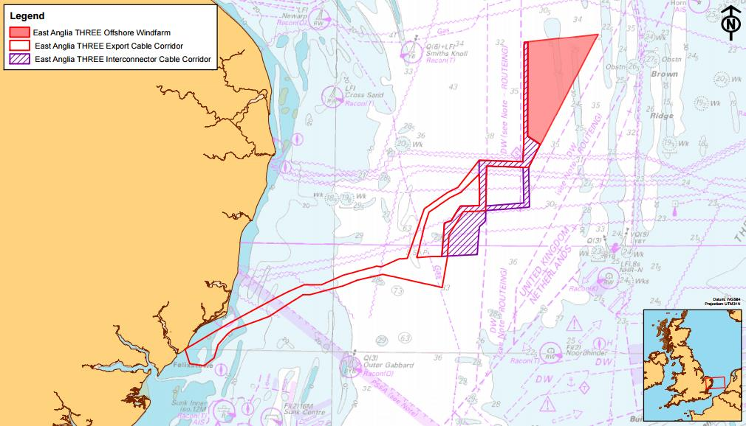
EA3 LOCATION
 |  | Hub Height (m) | 136 |  | Varying hub heights from 134-136m
 |  | Z0 (constant) | 0.0002
 |  | Wind Speed at 136 m(est. 1) | 9.93 |  | Extrapolated wind speed at turbine height given known speeds at height
 |  | Wind Speed at 136 m(est. 2) | 9.86 |  | Extrapolated wind speed at turbine height given known speeds at height

 | Weibull Distribution
 |  | Weibull shape parameter K | 2.15 |  | Estimated Weibull shape parameter 2.20-2.30 at EA3 location. Consistent and predictable offshore wind
 |  | Weibull scale parameter A | 11.13 |  | A = U / GAMMA(1+1/k). Parameter A determines Weibull dist scale

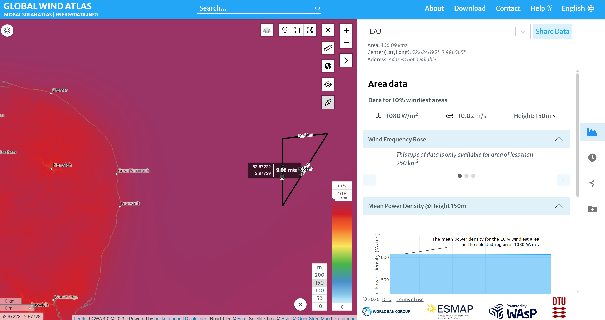
AVG WIND SPEED AT 150M
Turbine Power Curve
 |  | Cut-in Wind Speed (m/s) | 4.00
 |  | Rated Wind Speed (m/s) | 10.50
 |  | Cut-out Wind Speed (m/s) | 32.00
 |  | Rated Power (MW) | 14.70

 |  | Gross Capacity Factor | 59.61%

Wind Speed Bin Table

 |  | Bin Lower (m/s) | Bin Upper (m/s) | Bin Mid (m/s) | Bin Probability | Region of Power Curve | Partial Load Ramp Up (MW) | Power (MW) | Energy contribution
 |  | 0.00 | 0.50 | 0.25 | 0.001267 | 1 | - | 0 | 0
 |  | 0.50 | 1.00 | 0.75 | 0.004343 | 1 | - | 0 | 0
AVG WIND SPEED AT 100M
 |  | 1.00 | 1.50 | 1.25 | 0.007751 | 1 | - | 0 | 0
 |  | 1.50 | 2.00 | 1.75 | 0.011297 | 1 | - | 0 | 0
 |  | 2.00 | 2.50 | 2.25 | 0.014878 | 1 | - | 0 | 0
 |  | 2.50 | 3.00 | 2.75 | 0.018415 | 1 | - | 0 | 0
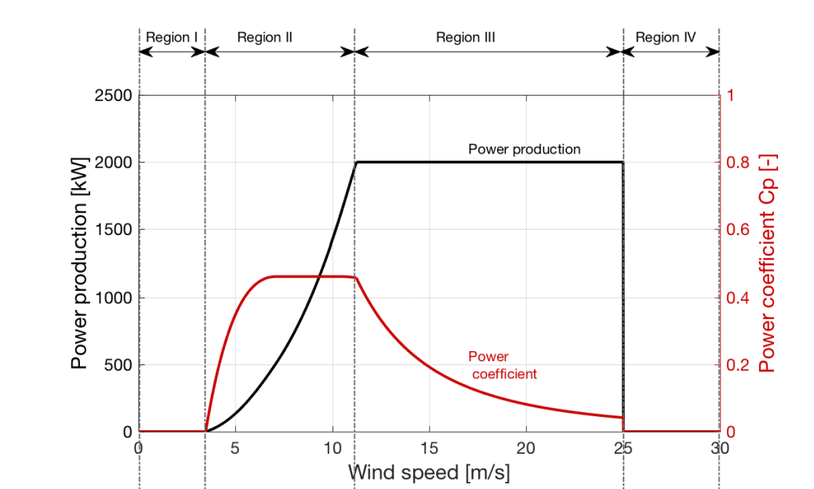
 |  | 3.00 | 3.50 | 3.25 | 0.021842 | 1 | - | 0 | 0
 |  | 3.50 | 4.00 | 3.75 | 0.025098 | 1 | - | 0 | 0
 |  | 4.00 | 4.50 | 4.25 | 0.028132 | 2 | 0.17158961024 | 0.17158961024 | 0.0048272148483
 |  | 4.50 | 5.00 | 4.75 | 0.030899 | 2 | 0.58029631958 | 0.58029631958 | 0.017930321349
 |  | 5.00 | 5.50 | 5.25 | 0.033358 | 2 | 1.0847739742 | 1.0847739742 | 0.036186059243
 |  | 5.50 | 6.00 | 5.75 | 0.035480 | 2 | 1.6951037261 | 1.6951037261 | 0.060141969963
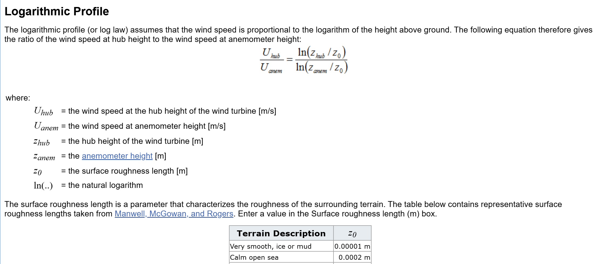
Formula for Wind Speed at 136m
 |  | 6.00 | 6.50 | 6.25 | 0.037240 | 2 | 2.4213667276 | 2.4213667276 | 0.09017156464
 |  | 6.50 | 7.00 | 6.75 | 0.038623 | 2 | 3.2736441308 | 3.2736441308 | 0.12643740785
 |  | 7.00 | 7.50 | 7.25 | 0.039621 | 2 | 4.2620170877 | 4.2620170877 | 0.16886405733
 |  | 7.50 | 8.00 | 7.75 | 0.040233 | 2 | 5.3965667505 | 5.3965667505 | 0.21712275375
 |  | 8.00 | 8.50 | 8.25 | 0.040469 | 2 | 6.6873742713 | 6.6873742713 | 0.27062904541
 |  | 8.50 | 9.00 | 8.75 | 0.040340 | 2 | 8.1445208024 | 8.1445208024 | 0.32855374494
 |  | 9.00 | 9.50 | 9.25 | 0.039869 | 2 | 9.7780874957 | 9.7780874957 | 0.38984680222
 |  | 9.50 | 10.00 | 9.75 | 0.039081 | 2 | 11.598155503 | 11.598155503 | 0.45327289479
 |  | 10.00 | 10.50 | 10.25 | 0.038007 | 2 | 13.614805978 | 13.614805978 | 0.51745683787
 |  | 10.50 | 11.00 | 10.75 | 0.036680 | 3 | - | 14.7 | 0.53919052647
 |  | 11.00 | 11.50 | 11.25 | 0.035136 | 3 | - | 14.7 | 0.51649693865
SG 14-236 DD Power Curve
 |  | 11.50 | 12.00 | 11.75 | 0.033413 | 3 | - | 14.7 | 0.49117453077
 |  | 12.00 | 12.50 | 12.25 | 0.031550 | 3 | - | 14.7 | 0.46378279166
 |  | 12.50 | 13.00 | 12.75 | 0.029583 | 3 | - | 14.7 | 0.43487342049
 |  | 13.00 | 13.50 | 13.25 | 0.027550 | 3 | - | 14.7 | 0.40497795704
 |  | 13.50 | 14.00 | 13.75 | 0.025483 | 3 | - | 14.7 | 0.37459704707
 |  | 14.00 | 14.50 | 14.25 | 0.023414 | 3 | - | 14.7 | 0.34419155796
 |  | 14.50 | 15.00 | 14.75 | 0.021372 | 3 | - | 14.7 | 0.31417567112
 |  | 15.00 | 15.50 | 15.25 | 0.019382 | 3 | - | 14.7 | 0.28491199089
 |  | 15.50 | 16.00 | 15.75 | 0.017463 | 3 | - | 14.7 | 0.25670862954
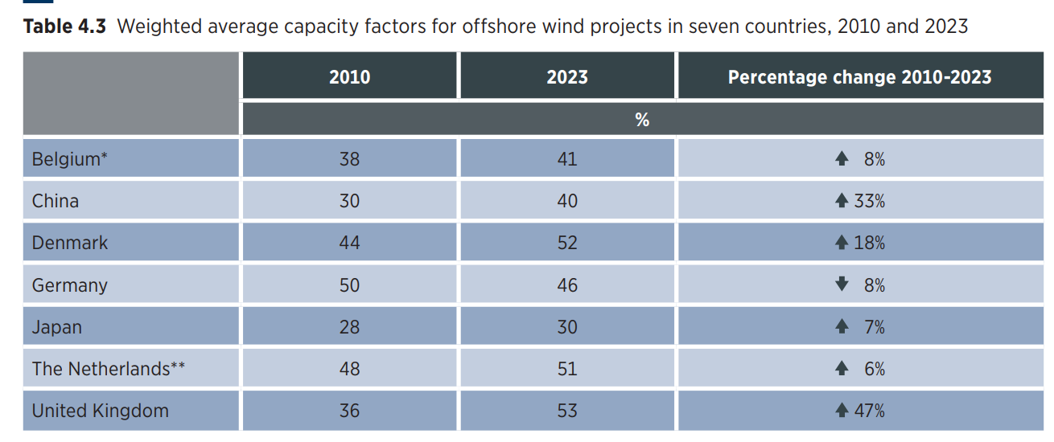
 |  | 16.00 | 16.50 | 16.25 | 0.015634 | 3 | - | 14.7 | 0.22981815648
 |  | 16.50 | 17.00 | 16.75 | 0.013907 | 3 | - | 14.7 | 0.20443824102
 |  | 17.00 | 17.50 | 17.25 | 0.012293 | 3 | - | 14.7 | 0.18071377223
 |  | 17.50 | 18.00 | 17.75 | 0.010799 | 3 | - | 14.7 | 0.15874020832
 |  | 18.00 | 18.50 | 18.25 | 0.009426 | 3 | - | 14.7 | 0.13856789129
 |  | 18.50 | 19.00 | 18.75 | 0.008177 | 3 | - | 14.7 | 0.12020705859
 |  | 19.00 | 19.50 | 19.25 | 0.007050 | 3 | - | 14.7 | 0.10363329262
 |  | 19.50 | 20.00 | 19.75 | 0.006040 | 3 | - | 14.7 | 0.088793166672
 |  | 20.00 | 20.50 | 20.25 | 0.005144 | 3 | - | 14.7 | 0.075609872796
Weibull Distribution
 |  | 20.50 | 21.00 | 20.75 | 0.004353 | 3 | - | 14.7 | 0.063988648491
 |  | 21.00 | 21.50 | 21.25 | 0.003661 | 3 | - | 14.7 | 0.053821854268
 |  | 21.50 | 22.00 | 21.75 | 0.003061 | 3 | - | 14.7 | 0.044993590139
 |  | 22.00 | 22.50 | 22.25 | 0.002543 | 3 | - | 14.7 | 0.037383774357
 |  | 22.50 | 23.00 | 22.75 | 0.002100 | 3 | - | 14.7 | 0.030871640559
 |  | 23.00 | 23.50 | 23.25 | 0.001724 | 3 | - | 14.7 | 0.025338638819
 |  | 23.50 | 24.00 | 23.75 | 0.001406 | 3 | - | 14.7 | 0.020670751075
 |  | 24.00 | 24.50 | 24.25 | 0.001140 | 3 | - | 14.7 | 0.016760251539
 |  | 24.50 | 25.00 | 24.75 | 0.000919 | 3 | - | 14.7 | 0.013506958005
 |  | 25.00 | 25.50 | 25.25 | 0.000736 | 3 | - | 14.7 | 0.010819030414
 |  | 25.50 | 26.00 | 25.75 | 0.000586 | 3 | - | 14.7 | 0.0086133792233
 |  | 26.00 | 26.50 | 26.25 | 0.000464 | 3 | - | 14.7 | 0.006815748411
 |  | 26.50 | 27.00 | 26.75 | 0.000365 | 3 | - | 14.7 | 0.0053605370507
 |  | 27.00 | 27.50 | 27.25 | 0.000285 | 3 | - | 14.7 | 0.0041904199969
 |  | 27.50 | 28.00 | 27.75 | 0.000221 | 3 | - | 14.7 | 0.0032558229573
 |  | 28.00 | 28.50 | 28.25 | 0.000171 | 3 | - | 14.7 | 0.0025143007611
 |  | 28.50 | 29.00 | 28.75 | 0.000131 | 3 | - | 14.7 | 0.0019298605102
 |  | 29.00 | 29.50 | 29.25 | 0.000100 | 3 | - | 14.7 | 0.0014722640004
 |  | 29.50 | 30.00 | 29.75 | 0.000076 | 3 | - | 14.7 | 0.0011163367012
 |  | 30.00 | 30.50 | 30.25 | 0.000057 | 3 | - | 14.7 | 0.0008413039788
 |  | 30.50 | 31.00 | 30.75 | 0.000043 | 3 | - | 14.7 | 0.00063016932134
 |  | 31.00 | 31.50 | 31.25 | 0.000032 | 3 | - | 14.7 | 0.00046914420049
 |  | 31.50 | 32.00 | 31.75 | 0.000024 | 3 | - | 14.7 | 0.00034713492717
 |  | 32.00 | 32.50 | 32.25 | 0.000017 | 1 | - | 0 | 0
 |  | 32.50 | 33.00 | 32.75 | 0.000013 | 1 | - | 0 | 0
 |  | 33.00 | 33.50 | 33.25 | 0.000009 | 1 | - | 0 | 0
 |  | 33.50 | 34.00 | 33.75 | 0.000007 | 1 | - | 0 | 0
 |  | 34.00 | 34.50 | 34.25 | 0.000005 | 1 | - | 0 | 0
 |  | 34.50 | 35.00 | 34.75 | 0.000003 | 1 | - | 0 | 0

