Лист1
ID | Severity | Priority | Pre-condition | Discription | Expected result | Actual result
1 | Enhancement | Low | 1. Log in at https://aliexpress.com/ | 1. Click module "sorting" | Price sorted ascending or sorted in descending order | Not sorting by ascending or descending
 |  |  | 2. Fild "searсh" choose any item | 2. Choose "sorting by price ascending" or "sorting by price descending"
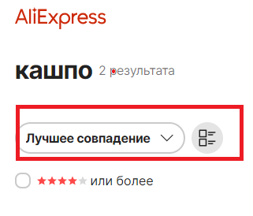

2 | Minor | Medium | 1. Log in at https://aliexpress.com/ | 1. Click module "price" | Price including cents | Price unincluding cents()
 |  |  | 2. Fild "searсh" choose any product | 2. Choose price 5,50-10,50

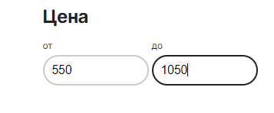

3 | Enhancement | Low | 1. Log in at https://aliexpress.com/ | 1. Click "quantity" 1000 | Quantity is limited | Quantity is not limited
 |  |  | 2. Choose any product and go to cart

4 | Enhancement | Low | 1. Log in at https://aliexpress.com/ | 1.Enter the"quantity" 10 using the keyboard | Quantity can be entered using the keyboard | Quantity can not be entered using the keyboard
 |  |  | 2. Choose any product

