Picture
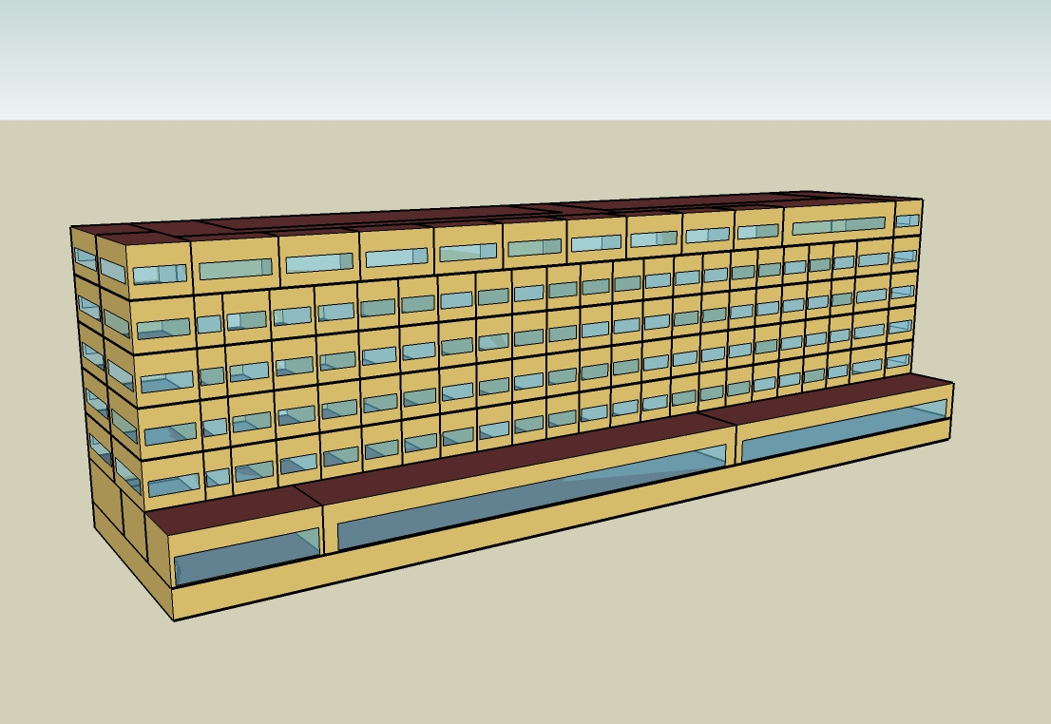
DOE Commercial Building Benchmark - Large Hotel

