Sheet1
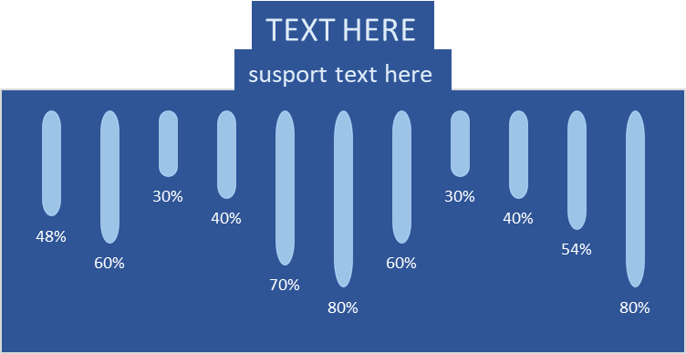
-48 | -60 | -30 | -40 | -70 | -80 | -60 | -30 | -40 | -54 | -80
48% | 60% | 30% | 40% | 70% | 80% | 60% | 30% | 40% | 54% | 80%

TEXT HERE
susport text here

