Sales_Performance
Sales Trends |  |  |  |  |  | Store Performance

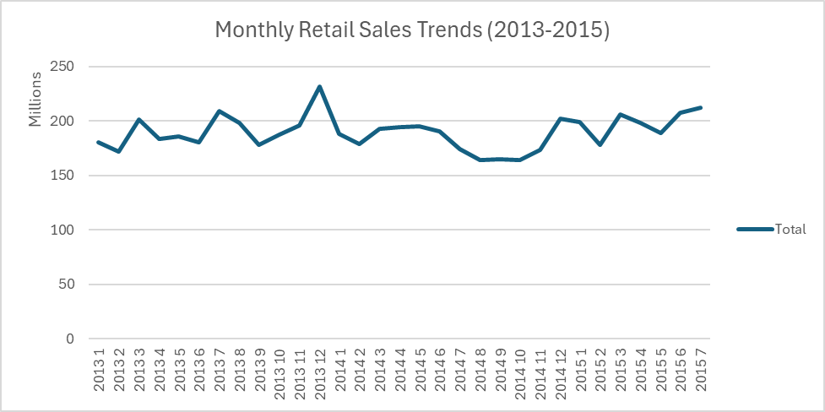
Row Labels | Total Sales |  |  |  |  | Row Labels | Total Sales | Total Customers
2013 | 2302876084 |  |  |  |  | 262 | 19516842 | 3204694
1 | 180132207 |  |  |  |  | 817 | 17057867 | 2454370
2 | 171534275 |  |  |  |  | 562 | 16927322 | 2924960
3 | 201180369 |  |  |  |  | 1114 | 16202585 | 2509542
4 | 183431432 |  |  |  |  | 251 | 14896870 | 1908934
5 | 185411063 |  |  |  |  | 513 | 14252406 | 1643527
6 | 180702351 |  |  |  |  | 788 | 14082141 | 1346835
7 | 208843882 |  |  |  |  | 733 | 14067158 | 3206058
8 | 198042727 |  |  |  |  | 383 | 13489879 | 1720249
9 | 178053963 |  |  |  |  | 756 | 12911782 | 1827980
10 | 187662330 |  |  |  |  | Grand Total | 153404852 | 22747149
11 | 196170924
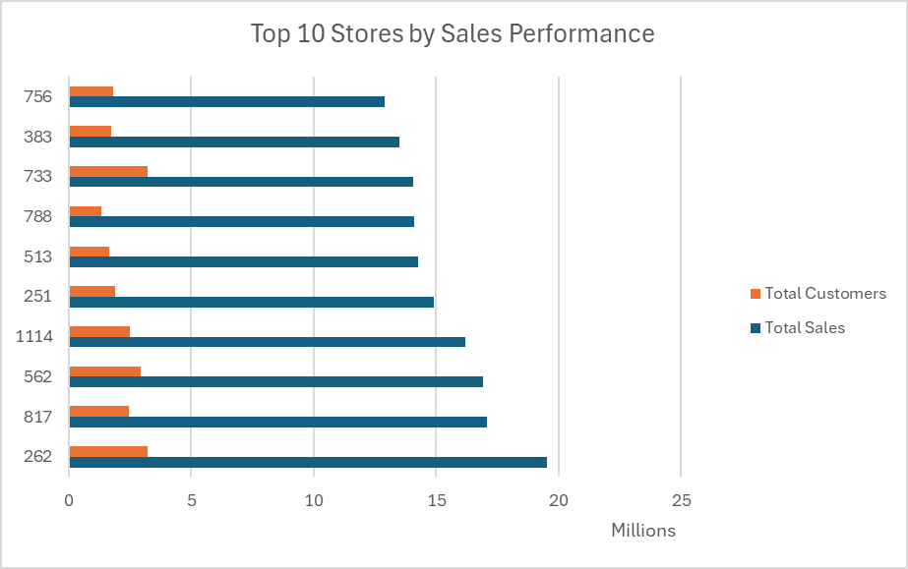
12 | 231710561
2014 | 2180804896
1 | 187752787
2 | 178924677
3 | 193019854
4 | 194544977 | Promotions Analysis
5 | 194693257
6 | 190047051 | Row Labels | Total Sales | Total Customers | Average Daily Sales
7 | 173892707 | "No" | 1482612096 | 181613788 | 6328.1876331
8 | 163748475 | "Yes" | 4390568527 | 462427959 | 7197.0516022
9 | 164516168 | Grand Total | 5873180623 | 644041747 | 6955.9591337
10 | 164216398
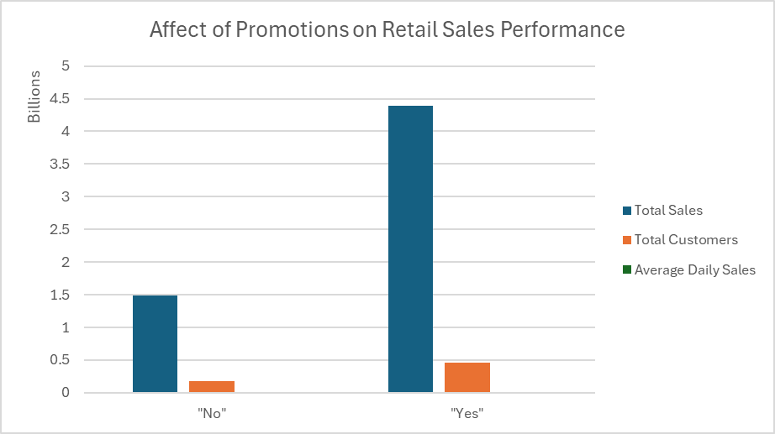
11 | 173327953
12 | 202120592
2015 | 1389499643
1 | 198843730
2 | 178275458
3 | 205631683
4 | 197918886
5 | 189143897
6 | 207363373
7 | 212322616
Grand Total | 5873180623

