Feuil1
Sonde PH: | 59.16 mv/pH at 25°C |  |  | https://www.ti.com/lit/an/snoa529a/snoa529a.pdf
 | 54.2 mv/pH at 0°C
 | 74.04 mv/pH at 100°C

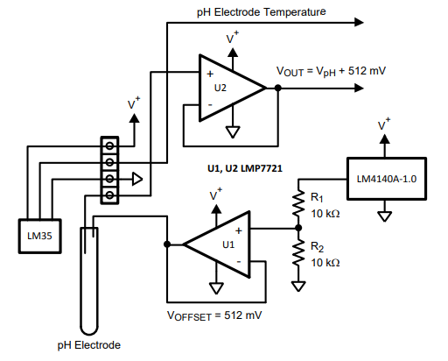
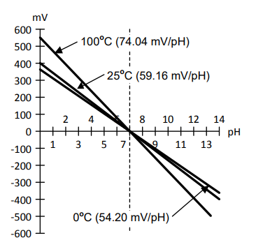

 | AOP: | TLV8811DBVR
 | V Ref: | MCP1501T-12E/CHY | 1.20V
 | ADC: | ADS1119IPWR | 4Ch, 16 bits

Feuil2
 | ph | vout
 | 4 | 3980 |  | a = (y2-y1) / (x2-x1)
 | 6.86 | 3100 |  | b = y1-a*x1
 | 9.18 | 2600

 | -0.00375 | 18.939
 | -0.0037 | 18.606 |  |  | 1.0072463768E-06 | -0.010381304348 | 29.362405797
1.00E-06 | -0.0104 | 29.362

 | 2600 | 9.18 | 8.99 | 9.18
 | 2700 | 8.80 | 8.62 | 8.68
 | 2800 | 8.43 | 8.25 | 8.19
 | 2900 | 8.05 | 7.88 | 7.73
 | 3000 | 7.68 | 7.51 | 7.28
 | 3100 | 7.30 | 7.14 | 6.86
 | 3200 | 6.93 | 6.77 | 6.46
 | 3300 | 6.55 | 6.40 | 6.07
 | 3400 | 6.18 | 6.03 | 5.71
 | 3500 | 5.80 | 5.66 | 5.37
 | 3600 | 5.43 | 5.29 | 5.04
 | 3700 | 5.05 | 4.92 | 4.74
 | 3800 | 4.68 | 4.55 | 4.46
 | 3900 | 4.30 | 4.18 | 4.20
 | 3980 | 4.00 | 3.88 | 4.00
 | 4000 | 3.92 | 3.81 | 3.95

