Belgian_dataset_test
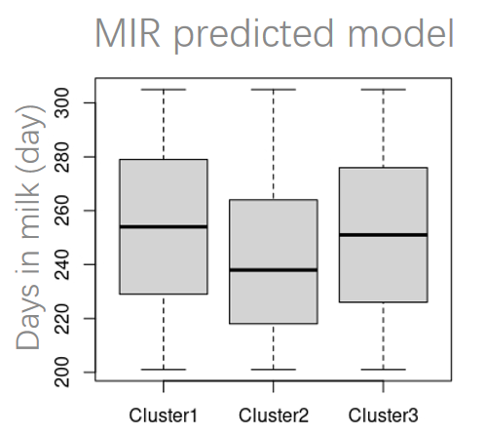
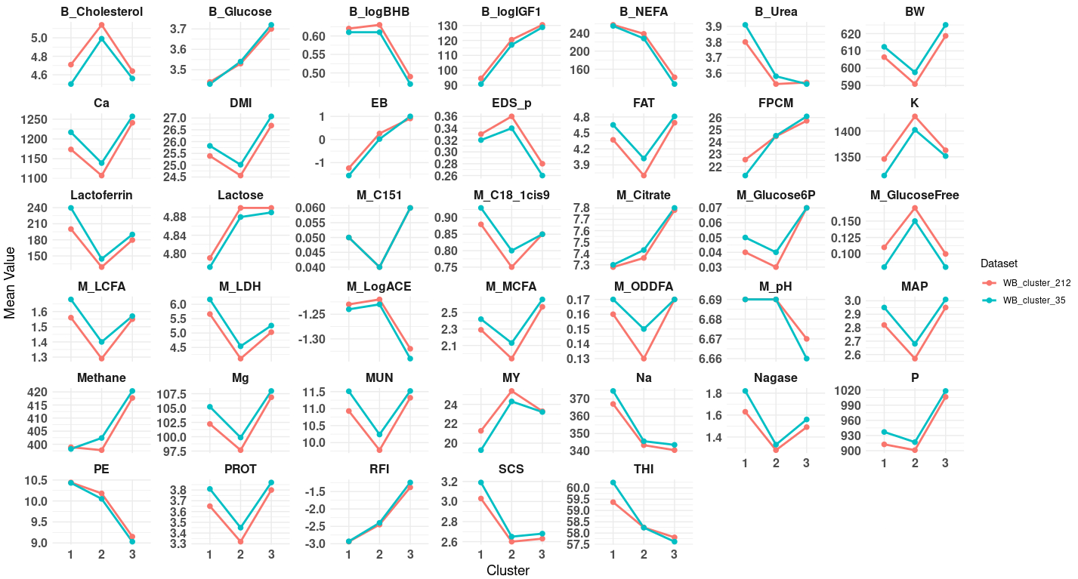
Validated in the early lactation (5-50DIM) by BEL dataset (n=89,126 records)

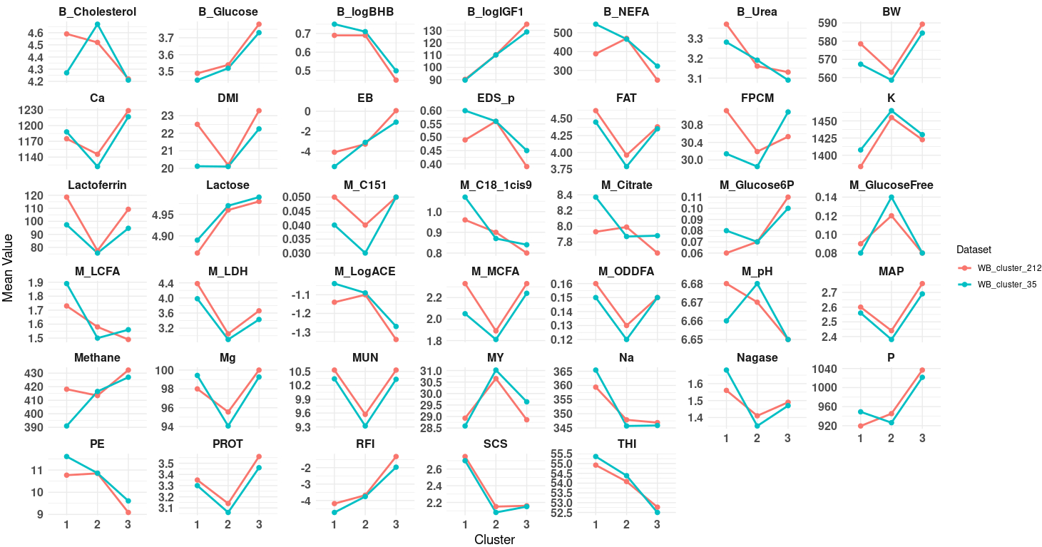
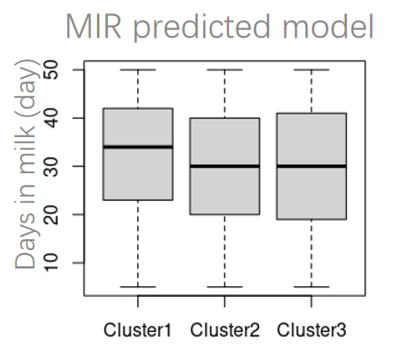

Validated in the mid lactation (100-200DIM) by BEL dataset (n=167,874 records)

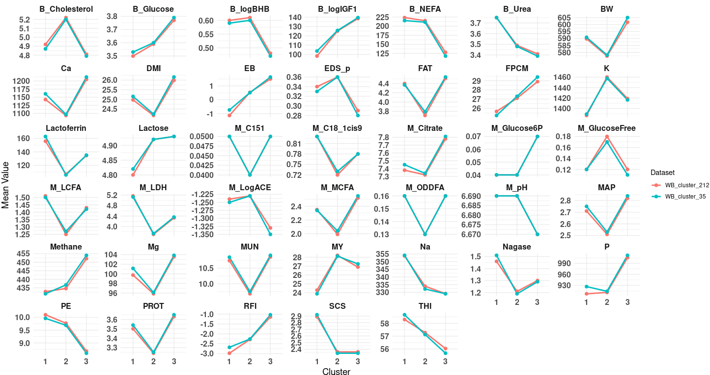
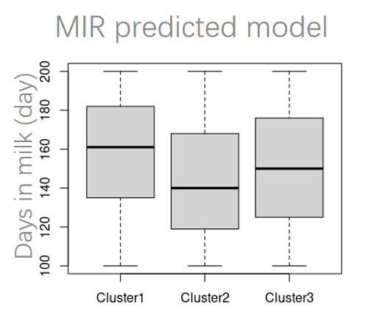

Validated in the late lactation (201-305DIM) by BEL dataset (n=158,909 records)

