Sheet1
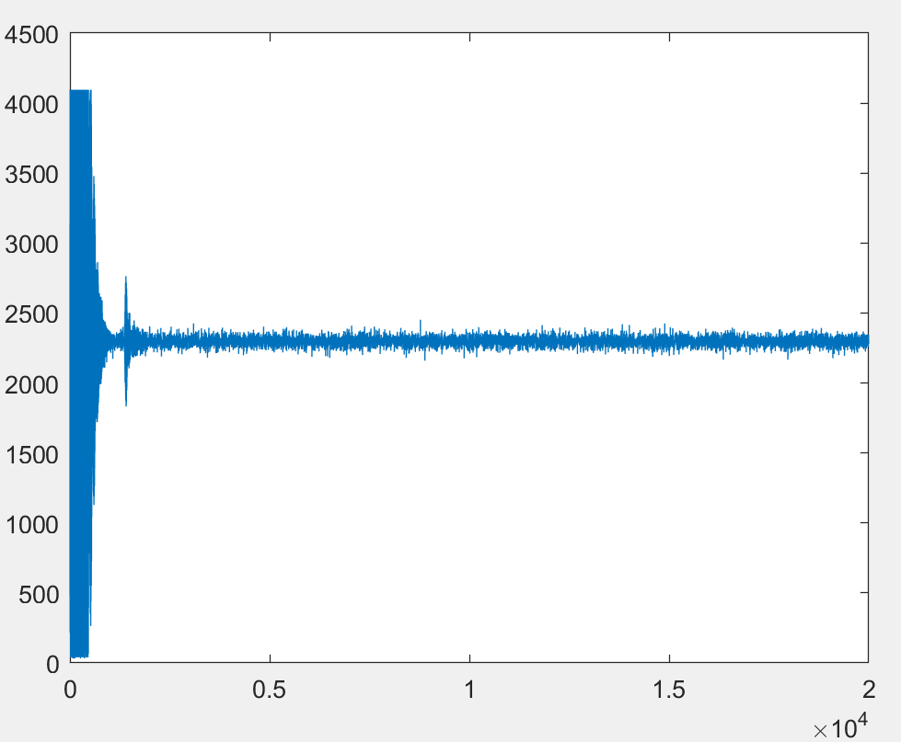
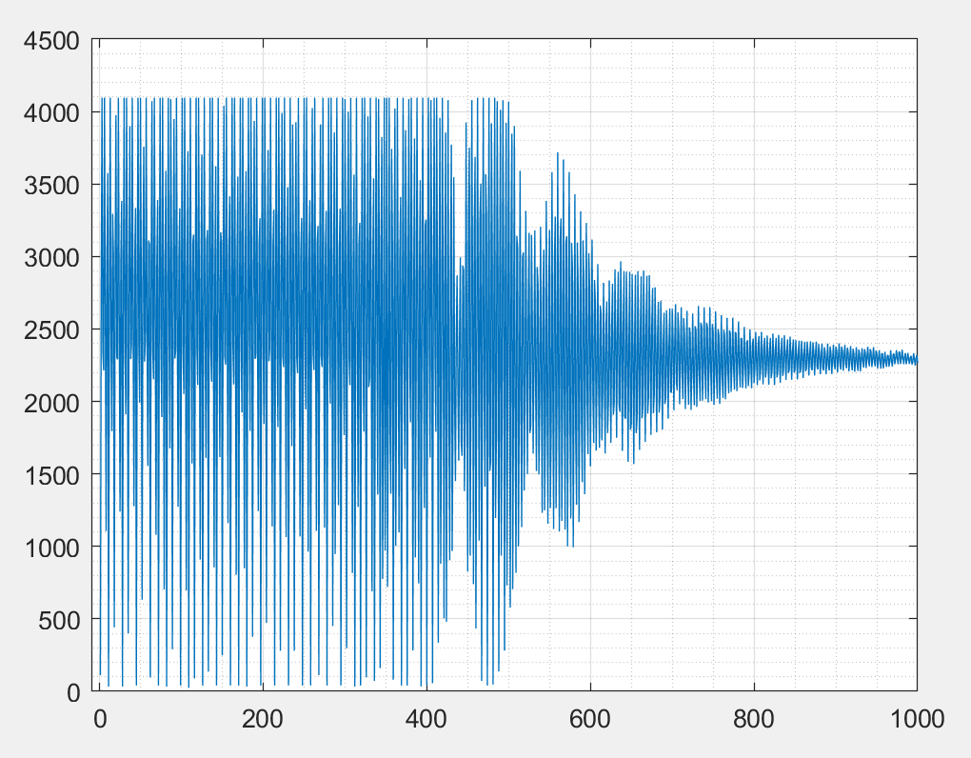
delay_num | nop in old | clk | sec | status
2000 | 560000
750 | 210000 | 145490 | 0.0012 | full response
1000 | 280000 | 181769 | 0.0014
-1750 | -490000
-3000 | -840000
-4250 | -1190000
-5500 | -1540000
-6750 | -1890000
-8000 | -2240000

