Sheet1
Attrition | Yes
Attrition gender percentage
Row Labels | Sum of EmployeeID
Female | 37.68%
Male | 62.32%
Grand Total | 100.00%

Sheet3
EmployeeID | Age | Attrition | BusinessTravel | Department | DistanceFromHome | Distance Level | Education | EducationField | EmployeeCount | Gender | JobLevel | JobRole | MaritalStatus | MonthlyIncome | Annual Salary | NumCompaniesWorked | Over18 | PercentSalaryHike | StandardHours | StockOptionLevel | TotalWorkingYears | TrainingTimesLastYear | YearsAtCompany | Started Work Year | YearsSinceLastPromotion | YearsWithCurrManager | jpbsatis | environmentsatis | work life balance | job involvment | performance | count of employees | percentage of people leave work because not having work life balance
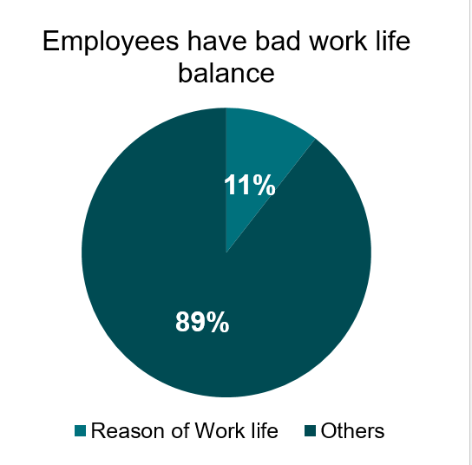
658 | 21 | Yes | Travel_Frequently | Research & Development | 20 | High Distance | 2 | Medical | 1 | Female | 4 | Research Scientist | Single | 53370 | 640440 | 1 | Y | 14 | 8 | 1 | 2 | 2 | 2 | 2020 | 2 | 2 | 3 | 1 | 1 | 3 | 3 | 75 | 11
2128 | 21 | Yes | Travel_Frequently | Research & Development | 20 | High Distance | 2 | Medical | 1 | Female | 4 | Research Scientist | Single | 53370 | 640440 | 1 | Y | 14 | 8 | 1 | 2 | 2 | 2 | 2020 | 2 | 2 | 3 | 1 | 1 | 3 | 3
3598 | 21 | Yes | Travel_Frequently | Research & Development | 20 | High Distance | 2 | Medical | 1 | Female | 4 | Research Scientist | Single | 53370 | 640440 | 1 | Y | 14 | 8 | 1 | 2 | 2 | 2 | 2020 | 2 | 2 | 3 | 1 | 1 | 3 | 3
614 | 24 | Yes | Travel_Rarely | Human Resources | 28 | High Distance | 4 | Human Resources | 1 | Male | 3 | Manufacturing Director | Married | 28860 | 346320 | 1 | Y | 19 | 8 | 1 | 1 | 5 | 1 | 2021 | 0 | 0 | 2 | 4 | 1 | 3 | 3
2084 | 24 | Yes | Travel_Rarely | Human Resources | 28 | High Distance | 4 | Human Resources | 1 | Male | 3 | Manufacturing Director | Married | 28860 | 346320 | 1 | Y | 19 | 8 | 1 | 1 | 5 | 1 | 2021 | 0 | 0 | 2 | 4 | 1 | 3 | 3
3554 | 24 | Yes | Travel_Rarely | Human Resources | 28 | High Distance | 4 | Human Resources | 1 | Male | 3 | Manufacturing Director | Married | 28860 | 346320 | 1 | Y | 19 | 8 | 1 | 1 | 5 | 1 | 2021 | 0 | 0 | 2 | 4 | 1 | 3 | 3
206 | 26 | Yes | Travel_Rarely | Sales | 1 | Low Distance | 3 | Marketing | 1 | Female | 2 | Manufacturing Director | Single | 24260 | 291120 | 1 | Y | 22 | 8 | 0 | 1 | 3 | 1 | 2021 | 0 | 0 | 4 | 3 | 1 | 1 | 4
1676 | 26 | Yes | Travel_Rarely | Sales | 1 | Low Distance | 3 | Marketing | 1 | Female | 2 | Manufacturing Director | Single | 24260 | 291120 | 1 | Y | 22 | 8 | 0 | 1 | 3 | 1 | 2021 | 0 | 0 | 4 | 3 | 1 | 1 | 4
3146 | 26 | Yes | Travel_Rarely | Sales | 1 | Low Distance | 3 | Marketing | 1 | Female | 2 | Manufacturing Director | Single | 24260 | 291120 | 1 | Y | 22 | 8 | 0 | 1 | 3 | 1 | 2021 | 0 | 0 | 4 | 3 | 1 | 1 | 4
7 | 28 | Yes | Travel_Rarely | Research & Development | 11 | Medium Distance | 2 | Medical | 1 | Male | 2 | Sales Executive | Single | 58130 | 697560 | 2 | Y | 20 | 8 | 1 | 5 | 2 | 0 | 2022 | 0 | 0 | 3 | 1 | 1 | 3 | 4
1477 | 28 | Yes | Travel_Rarely | Research & Development | 11 | Medium Distance | 2 | Medical | 1 | Male | 2 | Sales Executive | Single | 58130 | 697560 | 2 | Y | 20 | 8 | 1 | 5 | 2 | 0 | 2022 | 0 | 0 | 3 | NA | 1 | 3 | 4
2947 | 28 | Yes | Travel_Rarely | Research & Development | 11 | Medium Distance | 2 | Medical | 1 | Male | 2 | Sales Executive | Single | 58130 | 697560 | 2 | Y | 20 | 8 | 1 | 5 | 2 | 0 | 2022 | 0 | 0 | 3 | 1 | 1 | 3 | 4
...
828 | 31 | Yes | Travel_Frequently | Research & Development | 29 | High Distance | 3 | Life Sciences | 1 | Female | 2 | Healthcare Representative | Single | 25150 | 301800 | 1 | Y | 14 | 8 | 0 | 7 | 3 | 7 | 2015 | 7 | 7 | 3 | 4 | 1 | 2 | 3 | Rcommendations to reduce percentage of employees leave for bad work life balance
2298 | 31 | Yes | Travel_Frequently | Research & Development | 29 | High Distance | 3 | Life Sciences | 1 | Female | 2 | Healthcare Representative | Single | 25150 | 301800 | 1 | Y | 14 | 8 | 0 | 7 | 3 | 7 | 2015 | 7 | 7 | 3 | 4 | 1 | 2 | 3
3768 | 31 | Yes | Travel_Frequently | Research & Development | 29 | High Distance | 3 | Life Sciences | 1 | Female | 2 | Healthcare Representative | Single | 25150 | 301800 | 1 | Y | 14 | 8 | 0 | 7 | 3 | 7 | 2015 | 7 | 7 | 3 | 4 | 1 | 2 | 3
399 | 32 | Yes | Travel_Rarely | Research & Development | 9 | Low Distance | 1 | Medical | 1 | Female | 1 | Laboratory Technician | Single | 27410 | 328920 | 1 | Y | 15 | 8 | 1 | 1 | 5 | 1 | 2021 | 0 | 1 | 4 | 1 | 1 | 2 | 3
1869 | 32 | Yes | Travel_Rarely | Research & Development | 9 | Low Distance | 1 | Medical | 1 | Female | 1 | Laboratory Technician | Single | 27410 | 328920 | 1 | Y | 15 | 8 | 1 | 1 | 5 | 1 | 2021 | 0 | 1 | 4 | 1 | 1 | 2 | 3
3339 | 32 | Yes | Travel_Rarely | Research & Development | 9 | Low Distance | 1 | Medical | 1 | Female | 1 | Laboratory Technician | Single | 27410 | 328920 | 1 | Y | 15 | 8 | 1 | 1 | 5 | 1 | 2021 | 0 | 1 | 4 | 1 | 1 | 2 | 3
1452 | 32 | Yes | Travel_Rarely | Sales | 23 | High Distance | 1 | Life Sciences | 1 | Male | 3 | Healthcare Representative | Single | 24680 | 296160 | 0 | Y | 11 | 8 | 0 | 4 | 2 | 3 | 2019 | 1 | 2 | 3 | 4 | 1 | 3 | 3
2922 | 32 | Yes | Travel_Rarely | Sales | 23 | High Distance | 1 | Life Sciences | 1 | Male | 3 | Healthcare Representative | Single | 24680 | 296160 | 0 | Y | 11 | 8 | 0 | 4 | 2 | 3 | 2019 | 1 | 2 | 3 | 4 | 1 | 3 | 3
4392 | 32 | Yes | Travel_Rarely | Sales | 23 | High Distance | 1 | Life Sciences | 1 | Male | 3 | Healthcare Representative | Single | 24680 | 296160 | 0 | Y | 11 | 8 | 0 | 4 | 2 | 3 | 2019 | 1 | 2 | 3 | 4 | 1 | 3 | 3
...

Sheet2
EmployeeID | Age | Attrition | BusinessTravel | Department | DistanceFromHome | Distance Level | Education | EducationField | EmployeeCount | Gender | JobLevel | JobRole | MaritalStatus | MonthlyIncome | Annual Salary | NumCompaniesWorked | Over18 | PercentSalaryHike | StandardHours | StockOptionLevel | TotalWorkingYears | TrainingTimesLastYear | YearsAtCompany | Started Work Year | YearsSinceLastPromotion | YearsWithCurrManager | total number of employees who says yea | percentage of employeesa
...
1423 | 32 | Yes | Travel_Rarely | Research & Development | 5 | Low Distance | 3 | Medical | 1 | Male | 1 | Healthcare Representative | Married | 34770 | 417240 | 1 | Y | 11 | 8 | 0 | 14 | 2 | 14 | 2008 | 9 | 8 | 711 | 15
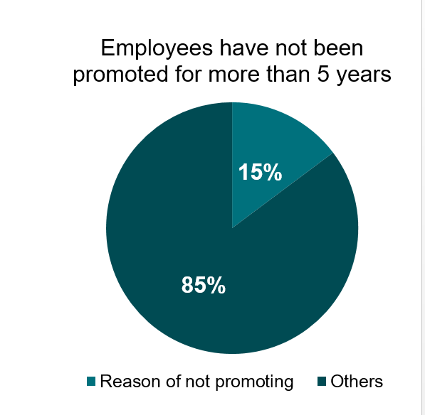
2893 | 32 | Yes | Travel_Rarely | Research & Development | 5 | Low Distance | 3 | Medical | 1 | Male | 1 | Healthcare Representative | Married | 34770 | 417240 | 1 | Y | 11 | 8 | 0 | 14 | 2 | 14 | 2008 | 9 | 8
4363 | 32 | Yes | Travel_Rarely | Research & Development | 5 | Low Distance | 3 | Medical | 1 | Male | 1 | Healthcare Representative | Married | 34770 | 417240 | 1 | Y | 11 | 8 | 0 | 14 | 2 | 14 | 2008 | 9 | 8
257 | 33 | Yes | Travel_Frequently | Research & Development | 15 | Medium Distance | 4 | Medical | 1 | Female | 1 | Laboratory Technician | Single | 24060 | 288720 | 1 | Y | 11 | 8 | 0 | 10 | 3 | 10 | 2012 | 9 | 7
1727 | 33 | Yes | Travel_Frequently | Research & Development | 15 | Medium Distance | 4 | Medical | 1 | Female | 1 | Laboratory Technician | Single | 24060 | 288720 | 1 | Y | 11 | 8 | 0 | 10 | 3 | 10 | 2012 | 9 | 7
3197 | 33 | Yes | Travel_Frequently | Research & Development | 15 | Medium Distance | 4 | Medical | 1 | Female | 1 | Laboratory Technician | Single | 24060 | 288720 | 1 | Y | 11 | 8 | 0 | 10 | 3 | 10 | 2012 | 9 | 7
...
14 | 47 | Yes | Non-Travel | Research & Development | 1 | Low Distance | 1 | Medical | 1 | Male | 1 | Research Scientist | Married | 57620 | 691440 | 1 | Y | 11 | 8 | 2 | 10 | 4 | 10 | 2012 | 9 | 9
1484 | 47 | Yes | Non-Travel | Research & Development | 1 | Low Distance | 1 | Medical | 1 | Male | 1 | Research Scientist | Married | 57620 | 691440 | 1 | Y | 11 | 8 | 2 | 10 | 4 | 10 | 2012 | 9 | 9
2954 | 47 | Yes | Non-Travel | Research & Development | 1 | Low Distance | 1 | Medical | 1 | Male | 1 | Research Scientist | Married | 57620 | 691440 | 1 | Y | 11 | 8 | 2 | 10 | 4 | 10 | 2012 | 9 | 9
966 | 47 | Yes | Travel_Frequently | Research & Development | 1 | Low Distance | 3 | Medical | 1 | Female | 2 | Sales Executive | Married | 196270 | 2355240 | 7 | Y | 11 | 8 | 2 | 25 | 1 | 23 | 1999 | 14 | 10
2436 | 47 | Yes | Travel_Frequently | Research & Development | 1 | Low Distance | 3 | Medical | 1 | Female | 2 | Sales Executive | Married | 196270 | 2355240 | 7 | Y | 11 | 8 | 2 | 25 | 1 | 23 | 1999 | 14 | 10 | Rcommendations to reduce percentage of employees leave for not being promoted
3906 | 47 | Yes | Travel_Frequently | Research & Development | 1 | Low Distance | 3 | Medical | 1 | Female | 2 | Sales Executive | Married | 196270 | 2355240 | 7 | Y | 11 | 8 | 2 | 25 | 1 | 23 | 1999 | 14 | 10
...

