Tools_Information
Tool | Corresponding information for Lipidomics use | Images | Images
FunRich | FunRich is a Bio-informatique tool use for performe enrichment analysis and interaction networks on back ground databases that are integrated from heterogenus genomic an proteomic resources. The Costume data set allows to be used for Lipidomics analysis. Hypergeometric distribution test was performed to check the statistical significance of enriched and depleated terms. in addition Bonferroni and Benjamine Hochberg aka FDR (False Discovey Rate) is also implemated to correct for multiple testings (Pathan et al.)
Lipid Mini-on | Lipid Mini-on is a tool that performs lipid enrichment analysis data and visualization of lipidomic data. This tool uses a tex-mining processes to bind individual lipid names into multiple lipid ontology groups bases on Lipid Maps classification and other caracteristics such a chain leght. Lipid Mini-On provides users with the capability to conduct enrichment analysis of the lipid ontology terms using a Shiny app with options of five statistical approaches. Lipid classes can be added to customize the user’s database and remain updated as new lipid classes are discovered. Visualization of results is available for all classification options (e.g. lipid subclass and individual fatty acid chains). Results are also visualized through an editable network of relationships between the individual lipids and their associated lipid ontology terms. Database of Lipid Mini-on contains 6 lipid categories, 41 main classes and 107 subclasses and this ca be extenden to include addition grouping. what this tool can do is (i) creates lipid ontology (LO) terms associated with lists of lipids; (ii) compares lipid lists (e.g. query versus universe) using statistical methods for over-representation of LOs, (iii) generates a graphical representation of results and (iv) creates an editable network of relationships between individual lipids and their associated LOs. Five types of statistical approaches to identify the enriched LO terms in a ‘Query’ list compared to a ‘Universe’ list. Five types of statistical approaches to identify the enriched LO terms are available. Four approaches allow to compare a ‘Query’ list to a ‘Universe/Background’ list: - Fisher’s exact test, - EASE as used in DAVID - Hypergeometric test - Binomial test One approach is non-parametric - weighted Kolmogorov-Smirnov test and allow the user to use a weight at his discretion as for example the pvalue of a given statistical test (e.g. T.test, ANOVA, etc.) or a fold-change. Based on the values th | 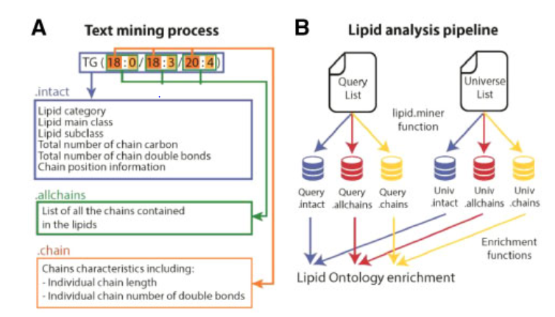 Text minig Pipe line : (A) Text-mining process parses lipid names into three distinct objects entitled .intact, .allchains and .chains. (B) Based on the classification in (A) LO terms are mined from the query and universe files and compared for LO enrichment. (Claire et al.)
LION | The Lipid Ontology (LION) enrichment analysis web application (LION/web) is a novel bioinformatics tool for lipidomics that enables users to search for enriched LION-terms in lipidomic subsets. LION-terms contain detailed lipid classification by LIPIDMAPS, biophysical data, lipid functions and organelle associations. LION is a web-based ontology enrichment tool for lipidomic data analysis. A new lipid ontology (LION) that associates >50,000 lipid species to biophysical, chemical, and cell biological features. By making use of enrichment algorithms. LION provides a lipid ontology database and complementary enrichment analysis that (i) contains chemical and biophysical information of lipid species, (ii) is platform independent and compatible with routine mass spectrometry−based lipid analysis, (iii) can be used by researchers without computer programming skills, and (iv) is freely available to the scientific community. Structure of LION: 4 major brands - Lipid classification: LipidMaps Hierachy - Chemical and Phisical properties : fatty acids lenght ans unsaturation, headgroup charge, intrisic curvature, membrane fluidity, biolayer thickness). -Function -Sub-celluar component: predominant sub-cellular localization The result of this data base is conteining >250,000 connections, providing detailed system for in-depht anotation of lipids. Target List mode : - Renormaliza de dataset by expressing all the lipids species as fraction of the total amount of lipid per sample. Subsequently, the data were visualized by constructing a heat map graph, lipids are grouped in clusters by hierachical clustering. Each lipid cluster was subsequently analyzed by LION/web. The enrichment of LION-terms in a subset of lipids, as compared to all lipids in the experiment. For every cluster, lipids we entered as target-list and compared with the background list. Lipid ID convertion -> LION-association -> LION-term enrichment -> Fisher test -> graph. Ranking-Mode: The ra | 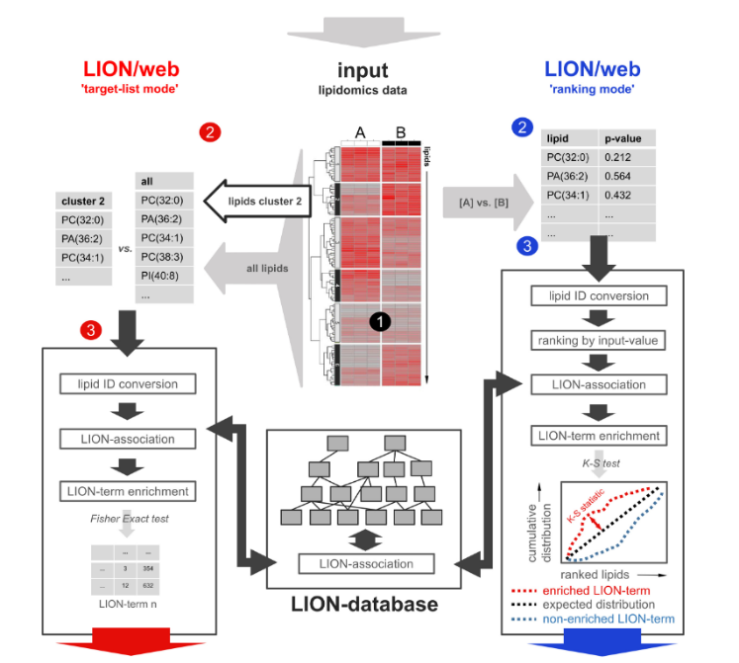 Enrichment analysis approaches supported by LION/web. A lipidomics dataset containing lipid identifiers and abundances derived from 2 or more conditions (1) can be processed by LION/web in 2 ways. In the “target-list mode” (left, red 2), a subset of lipids (e.g., derived from thresholding or clustering) is compared to the total set of lipids. After standardization of lipid nomenclature (red 3), applicable LION-terms are associated and assessed for enrichment in the subset by Fisher’s exact statistics. In the “ranking mode”, input lipids are ranked by numeric values (“local” statistics) (blue 2). After ranking, lipid nomenclature is standardized (blue 3). Applicable LION-terms are subsequently associated to the dataset and distributions are compared to a uniform distribution by “global” statistics (here, Kolmogorov-Smirnov [K-S] tests). Calculated P-values of LION-terms from both modes are corrected for multiple testing (Benjamini-Hochberg). PC: phosphatidylcholine; PA: phosphatidic acid; PI: phosphatidylinositol.
Lipidr | An open-source R/Bioconductor package for data mining and analysis of lipidomics datasets. lipidr implements a comprehensive lipidomic-focused analysis workflow for targeted and untargeted lipidomics. lipidr imports numerical matrices, Skyline exports, and Metabolomics Workbench files directly into R, automatically inferring lipid class and chain information from lipid names. lipidr allows thorough data inspection, normalization, and uni- and multivariate analyses, displaying results as interactive visualizations. ipidr users can investigate datasets through data inspection and interactive visualization and then easily apply normalization and advanced univariate and multivariate analyses. - Parsing Lipid Names: Lipid name parsing is performed by finding common patterns in lipid names - Quality Control: Data inspection and processing prior to statistical analysis Abnormalities in the measured lipids could be identified on the basis of variations in lipid abundance or retention times. Lipid molecules exhibiting a high coefficient of variation can be filtered out of the dataset before further analysis. - Normalization: Data normalization can be performed using probabilistic quotient normalization (PQN)22 and/or lipid-class-specific internal standards. The PQN method compares the distribution of quotients between samples and a reference spectrum and then corrects for dilution errors by determining a dilution factor for each sample. In internal standards normalization, lipids are normalized using the corresponding internal standard(s) of the same lipid class. - Unvariate Analysis: For univariate statistical analysis, lipidr employs linear model fitting and calculates a moderated t statistic to identify significantly differential lipids between biological conditions. When more than two groups are defined, lipidr automatically applies multigroup comparison using moderated ANOVA. Factorial analysis is available to adjust for confounding factors in cases where the anal | 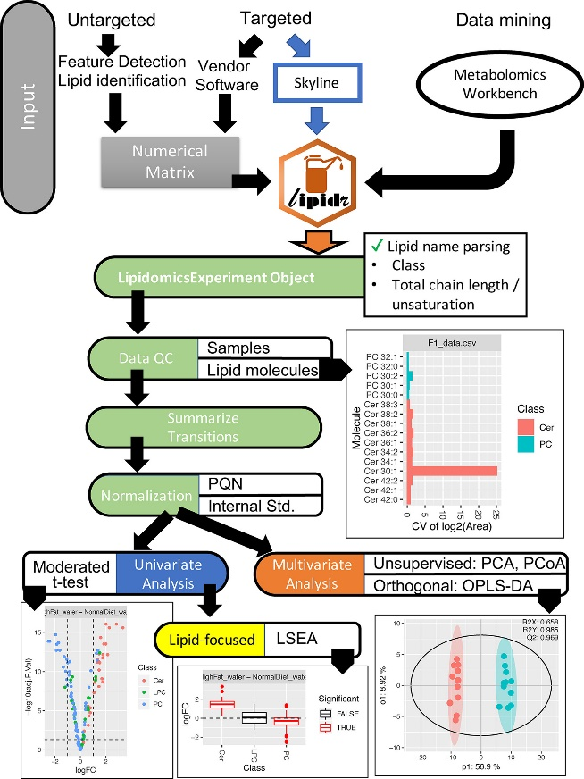 Overview of lipidr workflow and capabilities. Lipidomics datasets are imported into R as numerical matrices or Skyline export files or programmatically retrieved from Metabolomics Workbench providing a unified interface for the analysis of targeted, untargeted and public lipidomics datasets. lipidr automatically parses each input name to extract the lipid class, total chain length, and total unsaturation information. lipidr users can investigate datasets through data inspection and interactive visualization and then easily apply normalization and advanced univariate and multivariate analyses. The lipidr logo is used with permission.
LINT | A web based Lipidomic data mining tool using intra-omic integrative strategy, this strategy allows to researchers to unscreamble znd predict lipid biological fonctions from correlated genomic ontological results using statistical approach. In this article, we design an integrative intra-omic correlation strategy that allows users to construct lipid-genomic correlation networks, in which the lipid and gene sets would share similar biological processes. - Data handling and processing: For the lipidomic dataset processing parts, we combined our in-house algorithms with several published R-packages. The lipid identifiers are internally converted to fit the LIPID MAPS standards. Once the lipid identifiers are properly converted, the lipidomic datasets are processed in two steps: data cleaning and normalization. For the missing values in each dataset, a general small-value fulfilling algorithm is used so that missing values are replaced by half of the minimum value of the whole dataset. For the purpose of reducing systematic variance,this tool utilizes a probabilistic quotient normalization (PQN) algorithm for data normalization. In LINT-web, we provide a lipid classification feature to classify and assign simple lipid ontology using the LIPID MAPS classification system while also distinguishing lipid chemical linkages, acyl-chain lengths, and unsaturation degrees. - Statistical Analysis: All “omics” datasets are processed with common statistical approaches (t-test, ANOVA, and fold change analysis or differential gene expression analysis) providing impressions and analyses of the dataset. for lipidomic, data set are processed using multicomp and MataboanalistR and uses Student’s t-Test for two-sample comparison and Dunnett’s multiple comparison test in one-way ANOVA for multi-sample comparison to the control group. Principal component analysis (PCA) and orthogonal partial least squares discriminant analysis (OPLSDA) are integrated and provided to user in order to | 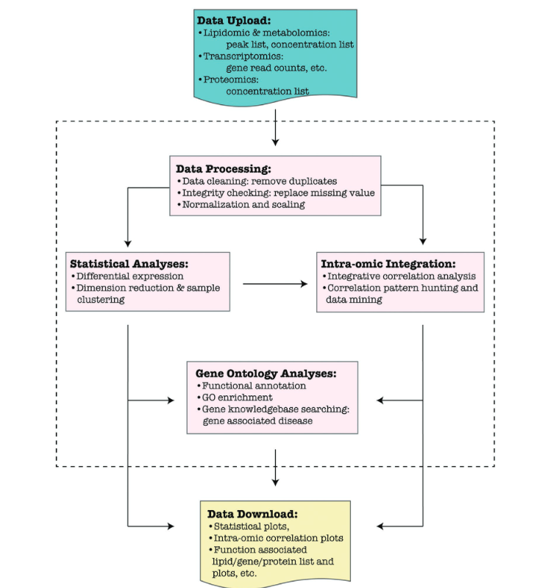 A diagram illustrating LINT-web workflow and data processing procedure. Different types of datasets are uploaded to the website and processed by multiple procedures shown inside the dashed box. Various tools are implemented for: 1) data processing; 2) statistical analysis; 3) intraomic integration; and 4) ontology analysis. The website provides downloadable spreadsheets and publishable plots for users at the end of each part.
BioPan | BioPAN enabling the researcher to visualise quantitative lipidomics data in the context of known biosynthetic pathways. BioPAN provides a list of genes, which could be involved in the activation or suppression of enzymes catalysing lipid metabolism in mammalian tissues. BioPAN combines current knowledge of lipid metabolism with a statistical analysis functionality, by comparing two biological conditions to identify activated or suppressed pathways, and presents the results in an interactive graphical display. oPAN uses data from replicated quantitative lipidomics experiments with two biological experiments: a condition of interest (treated) and a control condition. BioPAN calculates statistical scores for all possible lipid pathways to predict which are active or suppressed in the treated samples compared to the control set. Methods - Implementation : The BioPAN workflow relies on the calculation of the Z-score, which considers the mean and the standard deviation of the experiment assuming a normally distributed data of lipid subclasses. The Z-score is then used to predict whether a particular reaction is significantly (p < 0.05) changing between control and treated conditions. - Operation: The data files should have a minimum of two replicates per condition, as BioPAN compares the changes between the experiments. BioPAN takes an input file in .csv (Comma-Separated Values). The first column of the file should include the lipid abbreviation subclass followed by the notation. - First step: The first step in BioPAN is to load a file of quantitative lipidomics data. hen classifies the submitted lipids molecular species as either unrecognised, processed, or unprocessed. Unrecognised molecular species are lipids whose subclasses are not included into BioPAN database, while unprocessed species are part of BioPAN, but were not associated with any reactions. The unprocessed category corresponds to lipid molecular species that did not have a matching molecular species, a
LipidSig | LipidSig evaluates lipid effects in cellular or disease phenotypes, LipidSig is expected to help users identify significant lipidrelated features and to advance the field of lipid biology. LipidSig offers five main functions, namely ‘Profiling’, ‘Differential Expression’, ‘Correlation’, ‘Network’ and ‘Machine Learning’ for assessing lipid effects on biological mechanisms. In ‘Profiling’, an overview of comprehensive analyses allows researchers to efficiently examine data quality, clustering of samples, correlation between lipid species, and composition of lipid characteristics. ‘Differential Expression’ integrates many useful lipid-focused analyses, assisting users to identify significant lipid species or lipid characteristics. ‘Correlation’ analysis is designed to illustrate and compare the relationships between different clinical phenotypes and lipid features. The ‘Network’ function constructs (i) lipid metabolism pathways based on the Reactome database and (ii) a pathway enrichment network queried with lipid-related genes. ‘Machine learning’ provides a broad variety of feature selection methods and classifiers to build binary classification models. Subsequent analyses then help users to evaluate the learning algorithm’s performance and to explore important lipid-related variables. In general, except ‘Network’, which is generated based on the human database, all analysis sections make use of uploaded lipid expression and lipid characteristics data to compute the results. Hence, there is no limitation to the source of lipidomic data in most analyses. (Lin et al.) | 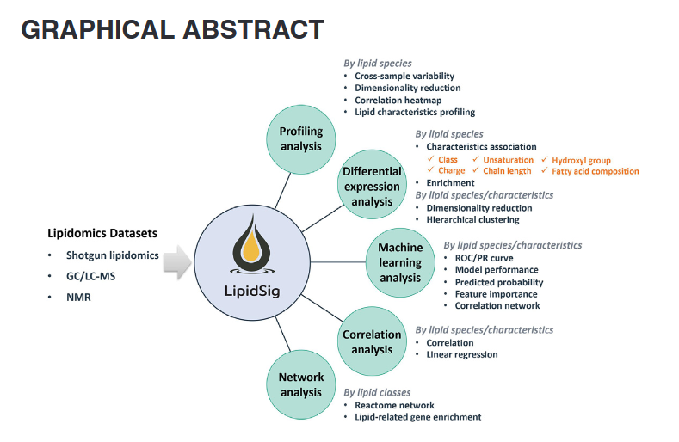 | 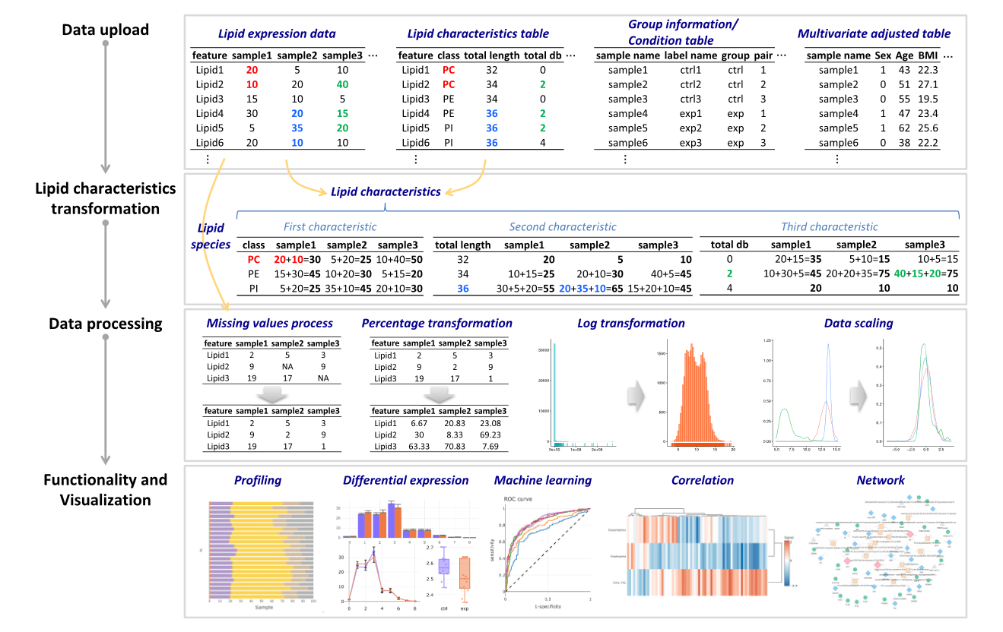 Workflow of the LipidSig web server. The LipidSig workflow is composed of four steps: (i) data upload, (ii) lipid characteristics transformation, (iii) data processing and (iv) functionality and visualization. Four tables at most can be uploaded according to different analysis section. LipidSig provides two analysis pipelines focusing on lipid species or lipid characteristics. The transformation processes between species and characteristics are labelled using different colors. Four data processing strategies enable users to transform and make the data suitable for following analysis. To identify significant lipid features and explore their relationships, five useful functions are offered to comprehensively analyse lipidomic change, and to create effective visualizations.
LipidSuite | Here, we present an integrated webserver for differential lipidomics which offers tools for the each step of the analysis workflow. Starting from annotated lipidomics data with the experimental groupings, LipidSuite offers options for all steps in lipidomics data analytics, from data quality control (QC), normalization, imputation to differential analysis. Uniquely, LipidSuite allows users to interactively process and visualize subsets of their data; users can choose or exclude certain samples or lipid molecules. The data analytics components of LipidSuite uses lipidr R-package, which includes univariate, multivariate statistics, lipid set enrichment and chain trend analysis. - Input: Skiline file, Numercial Matix, CSV and mwTab from Metabolomic Workbench. - Data QC: Data QC Three functionalities are implemented in LipidSuite to allow thorough data inspection. Overview provides the user an opportunity to correct any parsing errors, while Samples and Lipids allows data inspection through interactive plotting and data subsetting focusing on particular sample(s) or lipid(s). - Pre-processing: Before differential analysis, LipidSuite requires three preprocessing steps to be performed, namely summarization, imputation and normalization. - Data exploration: Users can explore their datasets in unsupervised or supervised manner, using Principal Component Analysis (PCA) and Orthogonal Partial Least-Squares Discriminant Analysis (OPLS-DA), respectively. - Differential analysis: LipidSuite supports both two- and multi-group differential analysis using moderated Student’s t-test and ANOVA, respectively. Results from the univariate Analysis is used for lipid set enrichment and chain trend analysis, therefore it must be conducted first. * Unvariate analys: For two-group comparison, moderated Student t-test is applied and the outputs include a volcano plot, showing log2-fold changes (LogFC) and adjusted P-values, and a result data table. For multi-group comparison, mode
MetaboAnalist | MetaboAnalyst v5.0 include: 1. A new module to support high-throughput, selfoptimized LC-MS1 spectral processing. 2. A new module to allow meta-analysis of multiple global metabolomics datasets. 3. A weighted joint pathway analysis module for multiomics integration, and a new function for data-driven network analysis. 4. Significantly updated and expanded underlying knowledge bases (species-specific pathway libraries and metabolite sets) for comprehensive functional analysis of both targeted and untargeted metabolomics. 5. Completely upgraded interactive graphics, refactored underlying codebase for improved performance and streamlined data analysis across compatible modules. 6. Other new features including support for mzTab 2.0 input format and importing data from the Metabolomics Workbench, as well as utility functions for automated batch correction and merging technical replicates. MetaboAnalyst version 5.0 harmonizes workflows for both targeted and untargeted data analysis. After proper data processing, all main inputs can be handled consistently within the framework of statistical analysis, functional analysis and meta-analysis with coherent interface design and navigation support. Altogether, these updates allow users to easily perform their analytical workflow and focus more on understanding their own data rather than how to operate the tool. | 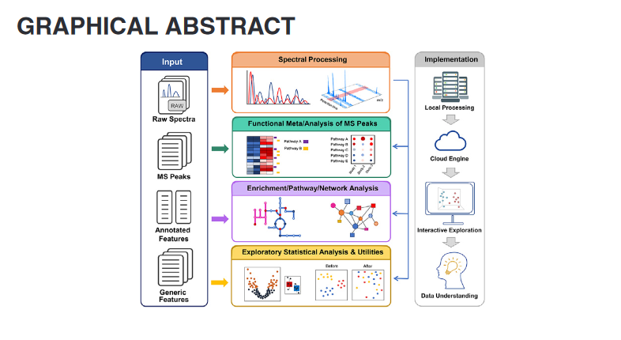 | 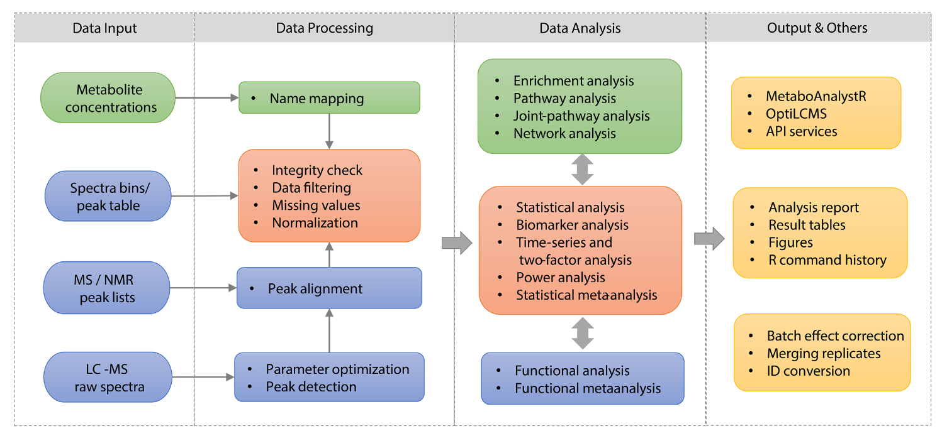 Overview of MetaboAnalyst v5.0 workflows. Steps for targeted metabolomics are indicated by boxes in green, steps for untargeted metabolomics are in blue, and those in orange can be used for both. Experienced users can use various utility functions or install the corresponding R packages (yellow boxes) to perform analysis beyond those pre-defined regular workflows.
LipidOne | The LipidOne workflow is a three-step process: loading data, formulating queries and viewing results. - Loading data: The user must select a data matrix containing the names and concentrations of each lipid in samples he accepted lipid nomenclature is the ‘molecular species level’ as recommended by the Lipidomics Standards Initiative (LSI) Guidelines. - Formulating queries: The user can perform seven types of analysis on the data and set the processing parameters by contextdependent dynamic menus. Moreover, it is possible to select the sample groups to be compared. - Viewing results: LipidOne displays results by bar graphs or boxplots. Bar graphs are displayed with experimental error or standard deviation. LipidOne performs a paired t-test or analysis of variance with post-hoc Tukey analysis when comparing two or more groups, respectively, and displays asterisks on the bar graphs to help the user to quickly identify the significant differences. All corresponding graphs and tables can be saved. Type of analyses that can be performed by LipidOne (1) Lipid profile overview: It returns a bar graph representing the concentration of each lipid class in the sample groups (Supplementary Fig. S1). (2) Chain class distribution: By a drop-down menu showing all the chains present in the input matrix, the user can select one chain type and find out its concentration in all lipid classes (Supplementary Fig. S2). (3) Chains length: The number of carbon atoms in chains can be studied globally or within each lipid class. Once a graph has been produced, the user can select a particular length via a dynamic dropdown menu. A second graph will show quantitative data for all chain types of the selected length in the selected class (Supplementary Fig. S3). (4) Chains unsaturation: The concentration of chains, of all or a selected lipid class, is returned grouped by number of double bonds (Supplementary Fig. S4). (5) Chain Ox/red ratio: For each lipid class this function sh | 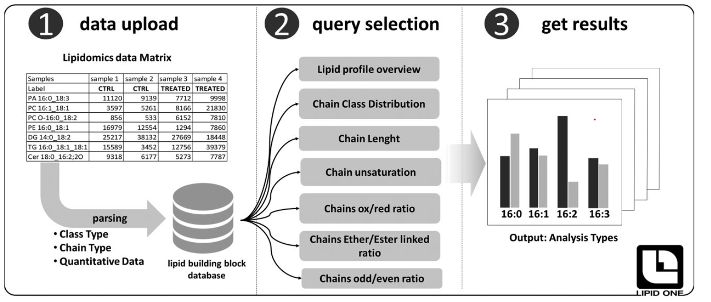 Three-step LipidOne workflow. (1) Data upload: software parses the data and stores all qualitative and quantitative information of the lipid building block in a database. (2) Query selection: the user can explore the dataset using seven types of analysis and dynamic context-dependent menus. (3) Get results: all graphs and tables can be exported
LINEX2 | Is a framework to visualize and analyze quantitative lipidomic data, ir combines lipid calss and fatty acid metabolism to provide comprehensive networks for computational analyis and lipidomic data interpretation . A limitation is that lipid class reactions beyon the default have to be entered by the user, which requires detailed knowladge about lipid metabolism. | 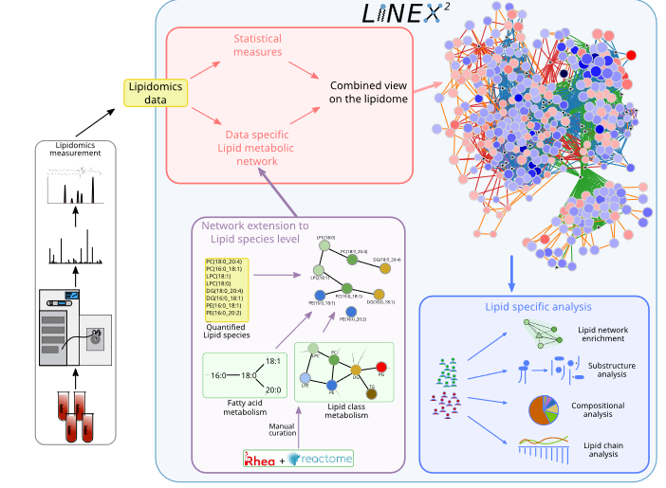 Lipidomics data are used as an input to LINEX2. The lipids are then utilized to perform network extension that converts lipid class and fatty acid metabolic networks to lipid species, which are then visualized together with statistical measures such as t-tests or correlations. The network is also used as a basis for lipid substructure, compositional and lipid chain analysis. A lipid network enrichment algorithm, which takes enzymatic multispecificity into account, can be used to generate hypotheses for enzymatic dysregulation.
LIPEA | The idea behind LIPEA is to identify specific altered pathways - provided by the KEGG Database - using exclusively lipid compounds. The approach used to this task is the Over Representation Analysis (ORA). ORA starts with considering a list of annotated lipids (e.g. a lipid set related with a signature), then uses the Fisher exact test to verify if the annotations are over represented among a label (pathway) compared to the whole universe of lipids (background), that could be selected as “predefined” for a specific organism (it means, LIPEA will take all the compounds from the pathways related with the selected organism) or be a custom list given by the user. Procedure: 1. Set an organism, collect the lipid list and the background. 2. Select a pathway to start with. 3. Tally the following 4 numbers: m, N, k, and n, where m is the total number of lipids in the pathway, N is the total number of lipids, k is the number of lipids of the intersection between the lipid list and a pathway, and n is the total number of lipids in the list. 4. Perform a Fisher exact test, with the 4 numbers obtained in the preview step. The f value is the probability that this random event could happen under the hypergeometric distribution. In this case, to obtain the p-value to associate to each pathway, the following formula is used: 5. Go to step 2 for another pathway of interest, until all are tested. 6. Correct the p-values with Benjamini or Bonferroni-Holm corrections.

