Sheet2
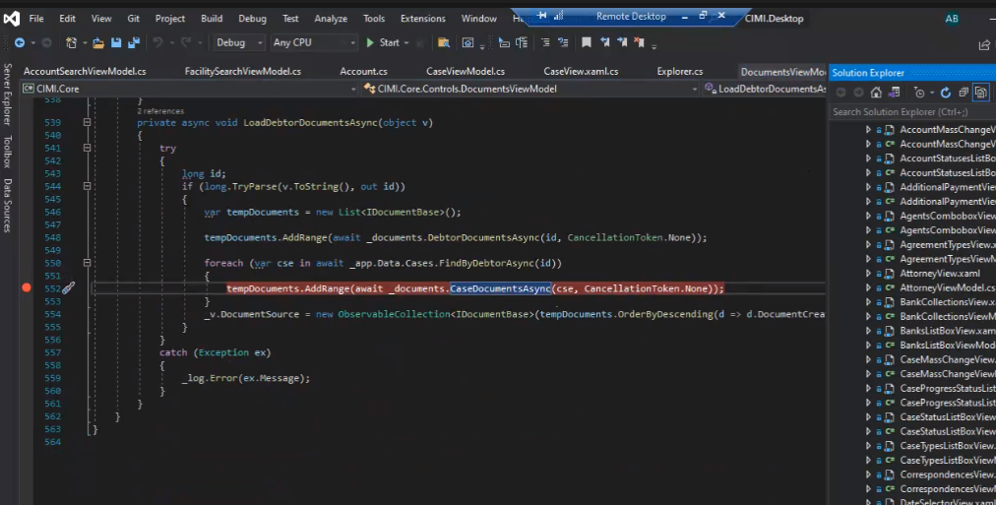

Date | Task | Worked Assgined by | Work Status
7th Feb | Integrating service API | Mohana | POC on angular
8th | HTTP response codes and its significance | Mohana | POC in API for Dapper
9th | HTTP response codes and its significance | Mohana | POC in API for Dapper,connection with front end
10th | Error handling using Rxjs | Mohana | POC in API for Dapper, connection with front end and desgins
11th | Interceptors | Mohana | front end desgins

