Sheet3
Sr No. | name | State | Region | Product Category | Product Name | Quantity | Price per Unit | Sales Amount |  |  |  |  | name | name
1 | Meera | Maharashtra | West | Furniture | Table | 6 | 4016.25 | 24097.5 |  |  |  |  | cdbvcy@b ucid | cdbvcy | b ucid
2 | Vihaan | Tamil Nadu | South | Stationery | Ruler | 9 | 3801.85 | 34216.65 | Tamil Nadu use this first |  |  |  | csvych@bki | csvych | bki
3 | Nishant | Karnataka | South | Stationery | Ruler | 11 | 3594.07 | 39534.77 |  |  |  |  | bvdsvbdsyhu@bcjkdsv | bvdsvbdsyhu | bcjkdsv
4 | Vihaan | Tamil Nadu | South | Clothing | Dress | 9 | 4487 | 40383 |  |  |  |  | cvdsyuv@bhcvds | cvdsyuv | bhcvds
5 | Aditi | Maharashtra | West | Groceries | Lentils | 17 | 1240.77 | 21093.09 |  |  |  |  | vgvu@vgjbk | vgvu | vgjbk
6 | Ishita | Tamil Nadu | South | Stationery | Eraser | 7 | 4772.29 | 33406.03
7 | Aarav | Karnataka | South | Electronics | Headphones | 5 | 2196.99 | 10984.95
8 | Riya | Gujarat | West | Clothing | Dress | 5 | 967.6 | 4838 |  | VLOOKUP
9 | Vihaan | Tamil Nadu | South | Stationery | Ruler | 18 | 3128.59 | 56314.62 |  | work top botum in col
 |  |  |  |  |  |  |  |  |  | name | ppu
 |  |  |  |  |  |  |  |  |  | Maharashtra | 24097.5 | 7
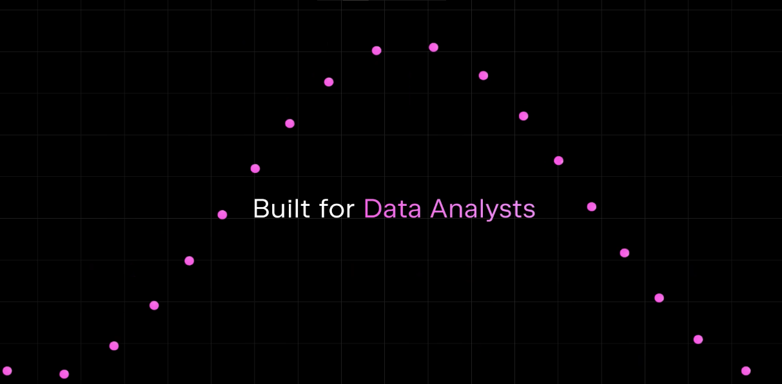
 |  |  |  |  |  |  |  |  |  | Tamil Nadu | 3801.85 | 6
 |  |  |  |  |  |  |  |  |  | Tamil Nadu | 34216.65

Sheet5
Count of name
name | Count of name | Sum of Sr No.
Aarav | 1 | 7
Aditi | 1 | 5
Ishita | 1 | 6
Meera | 1 | 1
Nishant | 1 | 3
Riya | 1 | 8
Vihaan | 3 | 15

Sheet4
name | Price per Unit
Meera | 4016.25
Vihaan | 3801.85
Nishant | 3594.07
Vihaan | 4487
Aditi | 1240.77
Ishita | 4772.29
Aarav | 2196.99
Riya | 967.6
Vihaan | 3128.59

