500_127
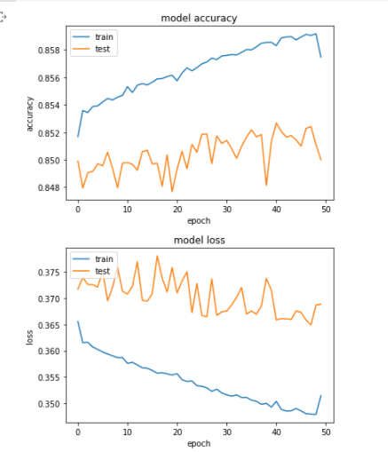
500 Reviews 7 Attributes
 | Single Output Layer |  | Multiple Output Layer
Epoch | Score | Accuracy | Score | Accuracy | 5 | 5
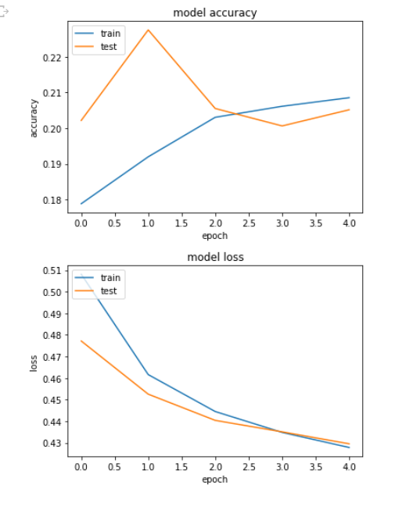
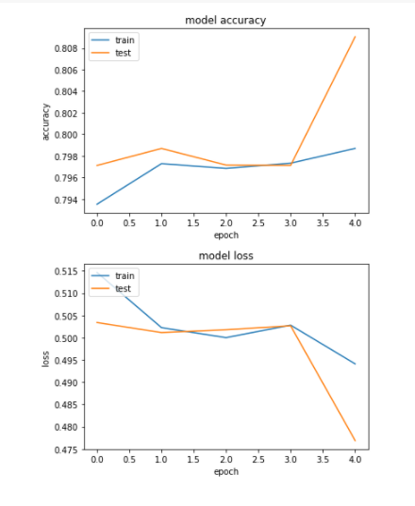
5 | 0.4291 | 0.2053 | 3.0076 | 0.4759
10 | 0.4222 | 0.2111 | 2.6754 | 0.4137
50 | 0.4186 | 0.2077 | 2.36 | 0.3694

 |  |  |  |  | 50 | 10
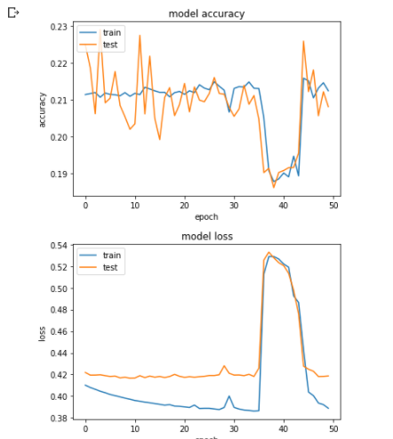
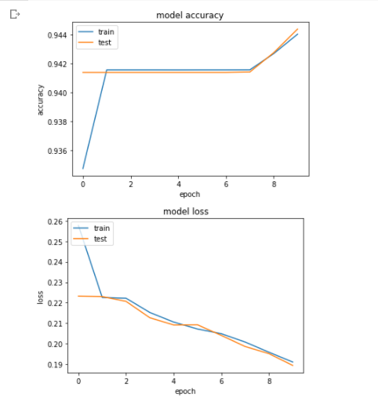

 |  |  |  |  |  | 50

1000_15
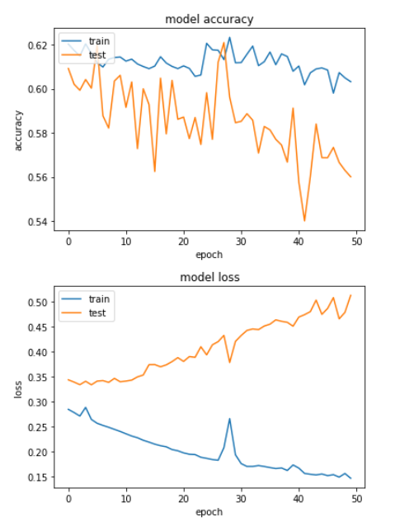
1000 Review minimum per business . 4 attributes
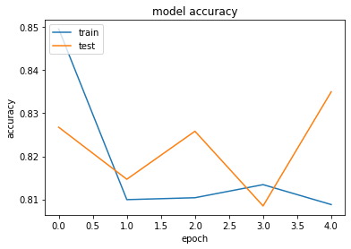
 |  | Single output layer |  | Multiple
 | Epoch | Test Score | Test Accuracy | Score | Accuracy
 | 5 | 0.4344 | 0.8355 | 1.656 | 0.4547
 | 10 |  | 0.6132 | 1.4305 | 0.4183
 | 50 |  | 0.5619 | 1.1553 | 0.3294

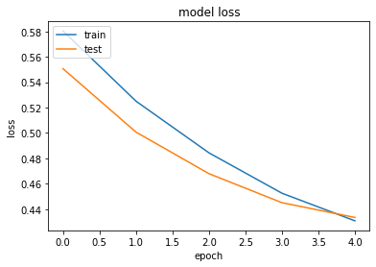

 |  |  |  |  |  | 50

1000_127
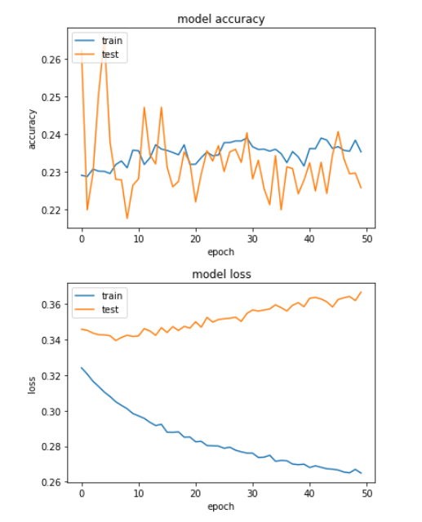
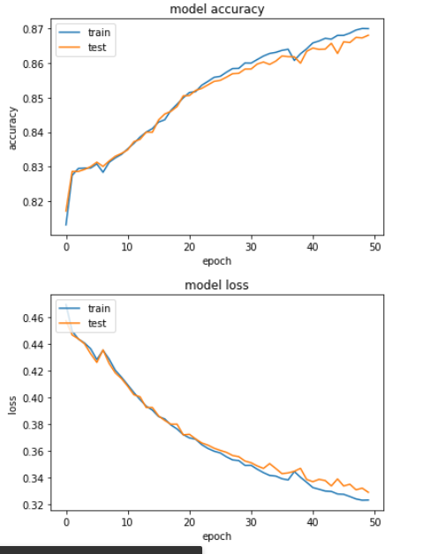
1000 Review minimum per business . 7 attributes
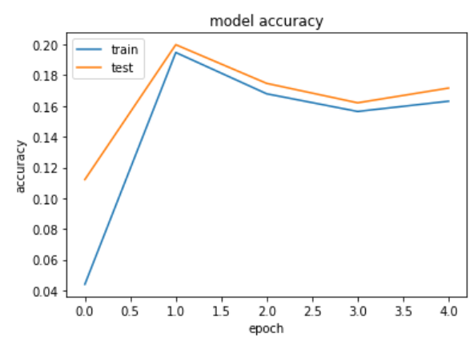
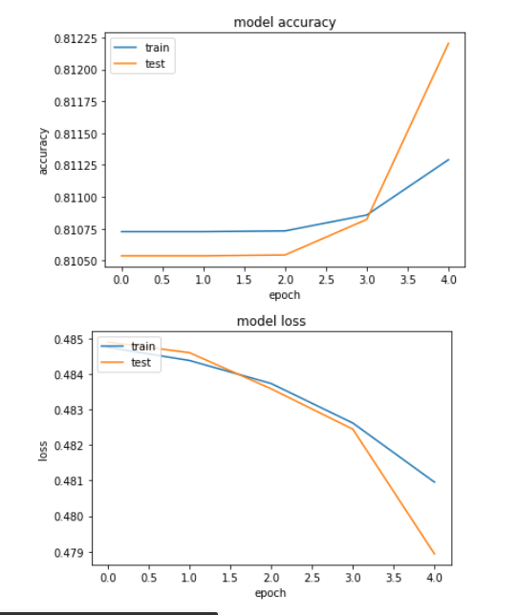
 |  | Single output layer |  | Multiple
 | Epoch | Test Score | Test Accuracy | Score | Accuracy
 | 5 | 0.3864 | 0.1718 | 3.04 | 0.4787
 | 10 | 0.3525 | 0.247 | 2.8773 | 0.4439
 | 50 | 0.3664 | 0.2264 | 2.2248 | 0.3278

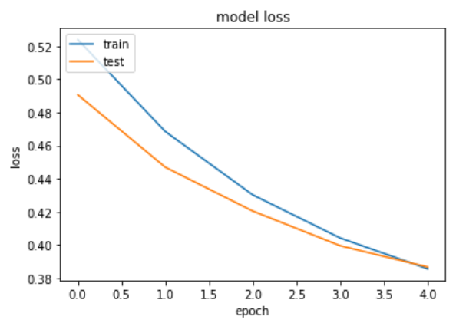

 |  |  |  |  |  | 10 | 10

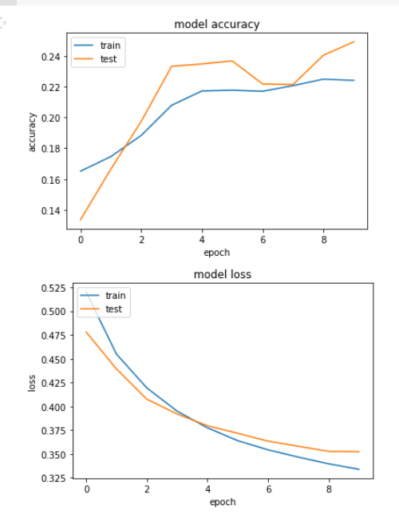
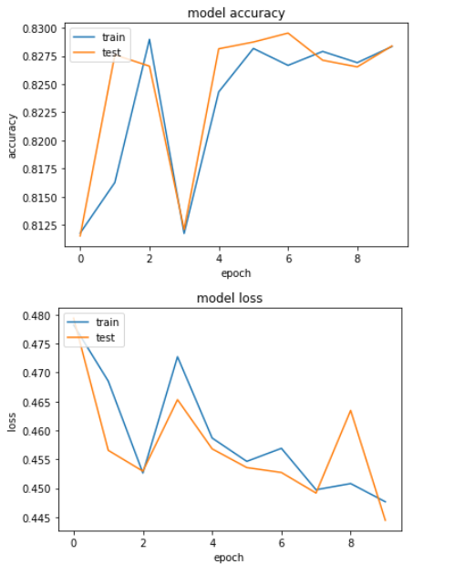

 |  |  |  |  |  | 50 | 50

Data representation
Single Output Layer Model Test Accuracy
Single Output Layer
Model (Reviews, Attributes, Epochs) | Test Accuracy
500_4_5 | 0.7425
500_4_10 | 0.7095
500_4_50 | 0.7339
500_7_5 | 0.2053
500_7_10 | 0.2111
500_7_50 | 0.2077
1000_4_5 | 0.8355
1000_4_10 | 0.6132
1000_4_50 | 0.5619
1000_7_5 | 0.1718
1000_7_10 | 0.247
1000_7_50 | 0.2264

Multi Output Layer Model Test Accuracy
Multi Output Layer
Model(Reviews, Attributes, Epochs) | Test Accuracy
500_4_5 | 0.4277
500_4_10 | 0.4252
500_4_50 | 0.3462
500_7_5 | 0.4759
500_7_10 | 0.4137
500_7_50 | 0.3694
1000_4_5 | 0.4547
1000_4_10 | 0.4183
1000_4_50 | 0.3294
1000_7_5 | 0.4787
1000_7_10 | 0.4439
1000_7_50 | 0.3278

