Estimate Template
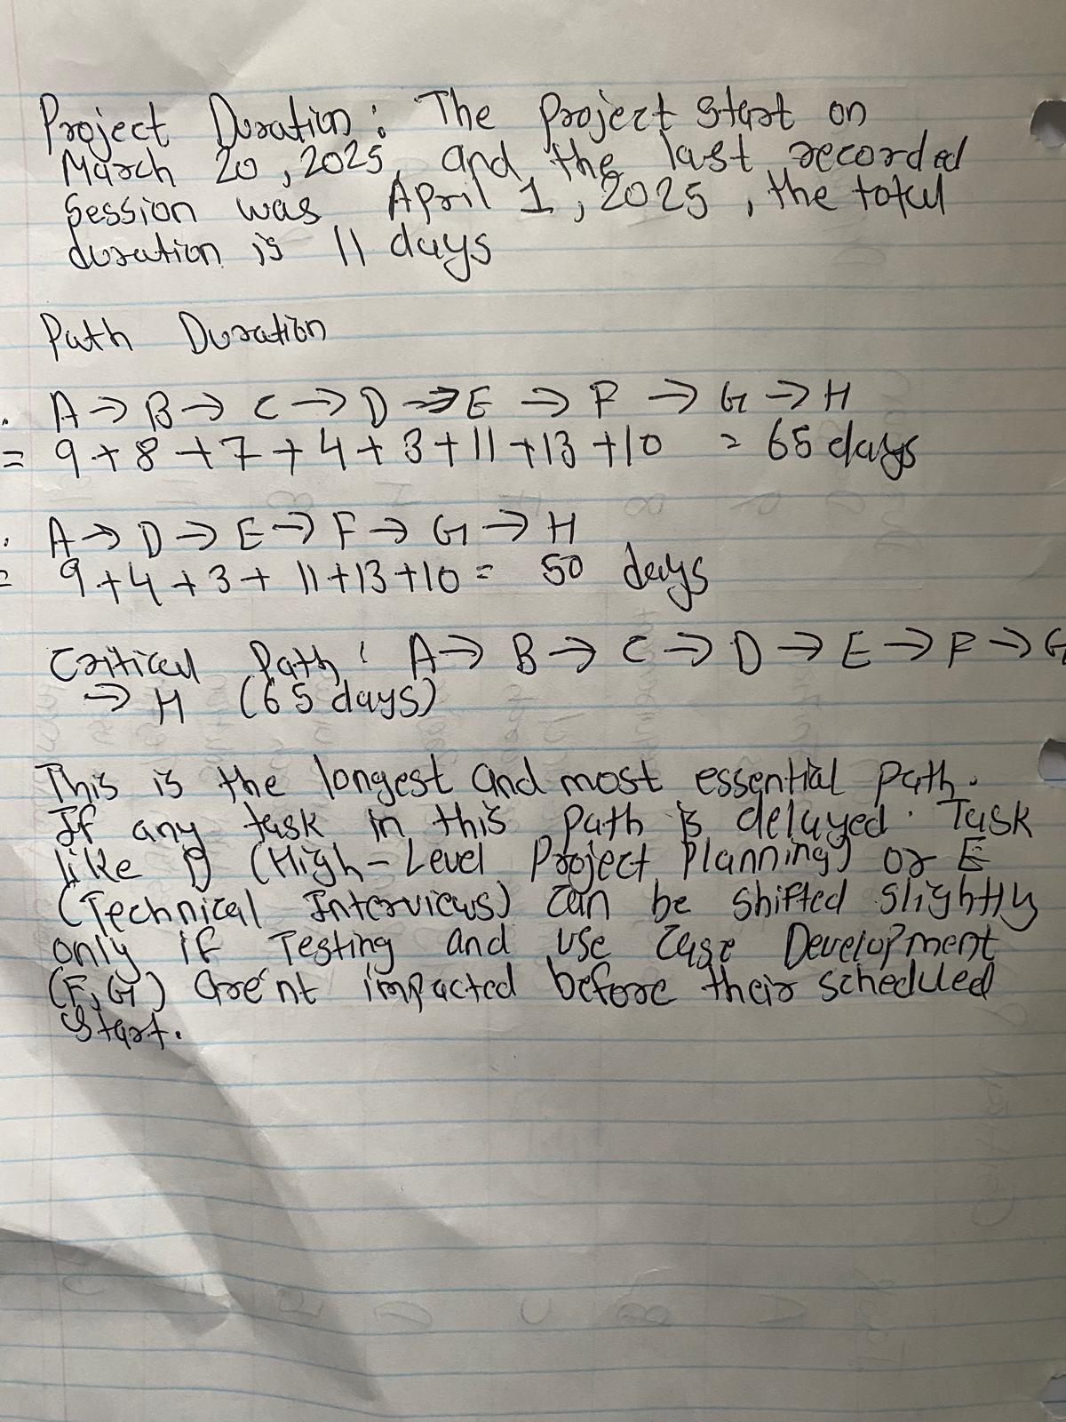
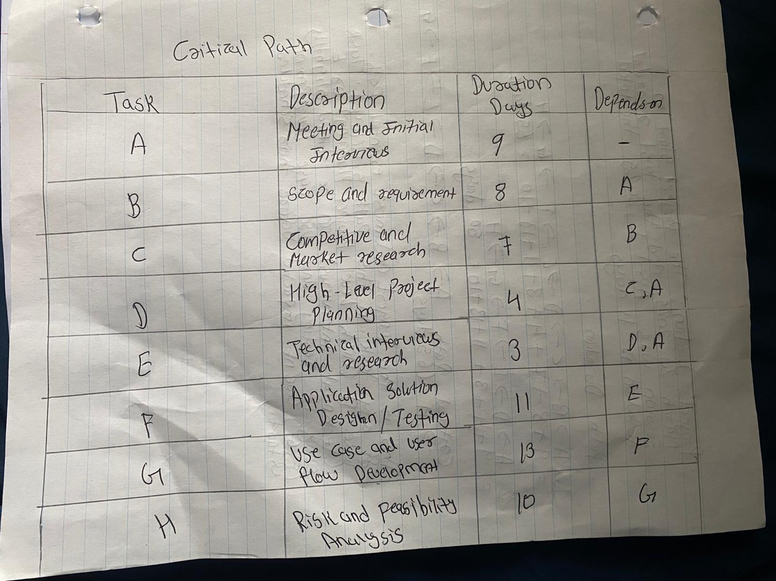
Project Cost Estimate Template

[Company Name]
1500 Bailey Ave | Date: | 2024-03-31
Buffalo NY 14234 | Quote #: | HEALTHSYS-003
https://datasoftlogic.com/home-health-software | Customer ID: | YP-BUFF3905
716-230-9965 | Valid Until: | 2025-05-15
Yash (Project Manager), Lucky(system analyst)
[Customer]
Maria Garrity (Clinic Manager)
file:///C:/Users/04yas/OneDrive%20-%20buffalostate.edu/CIS%20370/healthylife-clinic-project/healthylife-clinic-project/index.html
1300 Elmwood Ave
Buffalo NY 14222
Mariagarrityhealthylife98@gmail.com, +17168783570
Job Description
Design and development of a clinic system for Doctors, Admins, and Patients to manage appointments, records, communication,
and billing with secure access and support features.

Planning Phase 1 - involves gathering requirements, scope, setting project goals, and creating a project plan.
Phase 1 - Planning and Selection | Labor | Materials | Total | Notes
Meetings and Initial Interviews | $1,200 | $300.00 | $1,500.00 | Discussions with doctors, admin, and patient
Scope and Requirements | $1,800 | $400.00 | $2,200.00 | Interactive Sessions to define system requirements
Competitive & Market Research | $900 | $300.00 | $1,200.00 | Researching existing health clinic system
Hight- Level Project Planing | $500 | $200.00 | $700.00 | Timeline, goals, resource allocation, risk overview
 |  |  | $-
Subtotal | $4,400 | $1,200.00 | $5,600.00 | $5,600.00

Analysis Phase 2 - In this phase, developers go deeper into the requirements gathered during planning, conducting feasibility studies, and defining the scope of the project.
Phase 2 - Systems Analysis | Labor | Materials | Total | Notes
Technical Interviews and Research | $1,000.00 | $300 | $1,300.00 | Backend tech and system compatibility research
Application Solution Design | $1,500.00 | $500 | $2,000.00 | Structure of workflows for doctors/ Admins/ Patients
Use Case & User Flow Development | $1,000.00 | $200 | $1,200.00 | Defines key user interactions and scenarios
Risk & Feasibility Analysis | $700.00 | $200 | $900.00 | Assess project risk, timelines, database feasibility
 |  |  | $-
Subtotal | $4,200.00 | $1,200.00 | $5,400.00

Design Phase 3 - The design phase focuses on creating the blueprint for the system, including architecture, user interface, database structure, and system specifications.
Phase 3 -Systems Design | Labor | Materials | Total | Notes
Database Development | $1,500.00 | $400.00 | $1,900.00 | Schema design, relationship, ERD Setup
Programming | $1,600 | $400 | $2,000.00 | Backend logic structure and reusable components
Web Design | $1,000 | $300 | $1,300.00 | UI Elements, responsive layouts, branding
Final Prototype | $1,200 | $300 | $1,500.00 | Clickable mockup with functional interface
Testing | $700 | $300 | $1,000.00 | Design phase testing for early bug fixes and feedback
Subtotal | $6,000 | $1,700 | 7700 | $7,700.00

Implementation Phase 4 - This is where the actual development and coding of the system takes place, based on the design specifications.
Phase 4 - Implementation | Labor | Materials | Total | Notes
Complete Training | $900.00 | $200.00 | $1,100.00 | Training sessions for Admins, Doctors, and Patients
Convert Data, Prep Production Environment | 1000 | 300 | $1,300.00 | Data migration and final environment configuration
 |  |  | $-
 |  |  | $-
Subtotal | $1,900 | $500 | $2,400 | $2,400.00

Operations Phase 5 - After the system is deployed, the maintenance and operations phase focuses on addressing any issues, providing updates, and ensuring the system continues to meet user needs.
Phase 5 - Operation and Maintenance | Labor | Materials | Total | Notes
Complete Training | $1,000.00 | $300.00 | $1,300.00 | Final User training sessions for clinic staff

Convert Data, Prep Production Environment | 1500 | 500 | $2,000.00 | Datamigration and go-live prep for production server

Subtotal | $2,000 | $800 | $3,300 | $3,300.00

Grand Total: | $18,500 | $5,400 | $24,400 | 24,400

Below provide the Critical Path Diagram and Project Duration

