BugReports
Bug ID | Severity | Summary | Steps to reproduce | Expected Result | Actual Result | Platform/Browser | Attachment
1-A5 | High | User is able to sign up by entering '£' in name filed | 1. Navigate to http://automationpractice.com/index.php and press enter 2. Click on the sign in button at the top right hand corner 3. In the create an account form enter following email: willitworkagain@g.com 4. Click the 'create an account' button 5. Enter personal information as follows: a) enter first name: '£' b) enter last name: 'Smith' c) enter password: testing123 d) enter address: 'Arlington Avenue 23' e) enter city: 'Torrance' f) enter state: 'California' g) enter zip code: '90501' h) select 'United States' from Country dropdown menu i) enter mobile phone number: '+1 916 792 3318' j) enter address alias for future reference: 'test.alias@g.com' h) click register button | User is not able to sign up by using symbols in the name field | User is able to sign up by entering '£' in name filed | PC/Windows10/Chrome Version 86.0.4240.77 | 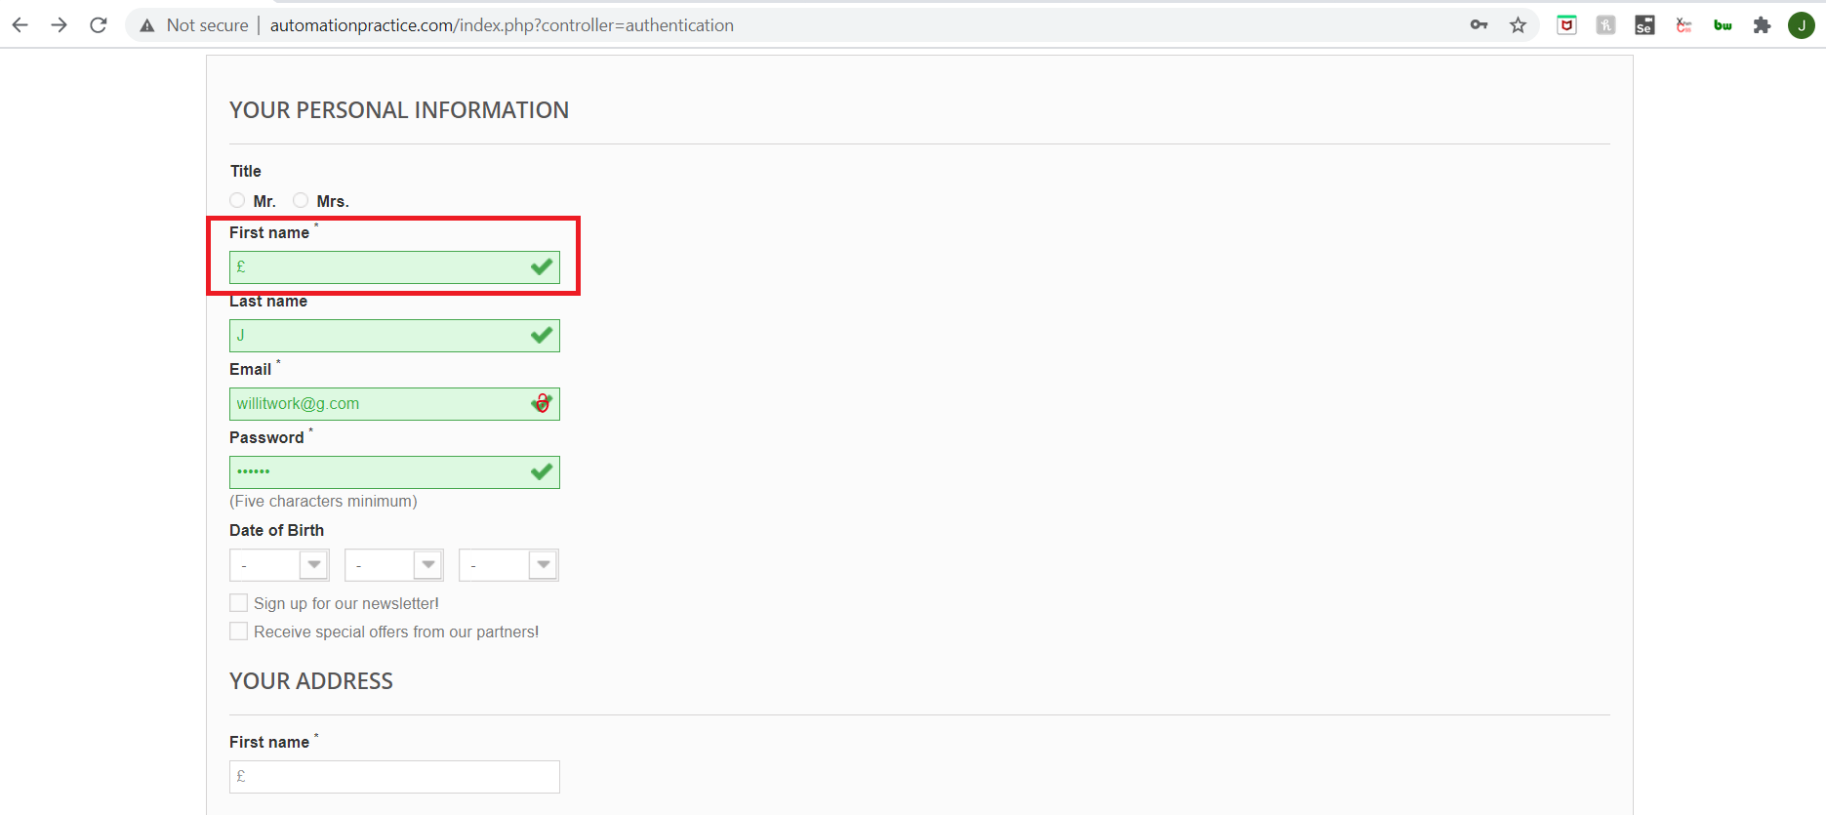
2-A6 | Medium | User is able to register on the webpage by providing contradictory information on city, zip code and address of residence | 1. Navigate to http://automationpractice.com/index.php and press enter 2. Click on the sign in button at the top right hand corner 3. In the create an account form enter following email: tester@g.com 4. Click the 'create an account' button 5. Enter personal information as follows: a) enter first name: 'Man' b) enter last name: 'Smith' c) enter password: testing123 d) enter address: 'Arlington Avenue 23' e) enter city: 'Torrance' f) enter state: 'Colorado' g) enter zip code: '27511' h) enter mobile phone number: '+1 916 792 3318' i) enter address alias for future reference: 'test.alias@g.com' j) click on register button | User is prompted that there is no such city/zip code in listed state | User is able to register by inserting misleading information on their city, state and zip code | PC/Windows10/Chrome Version 86.0.4240.75 | 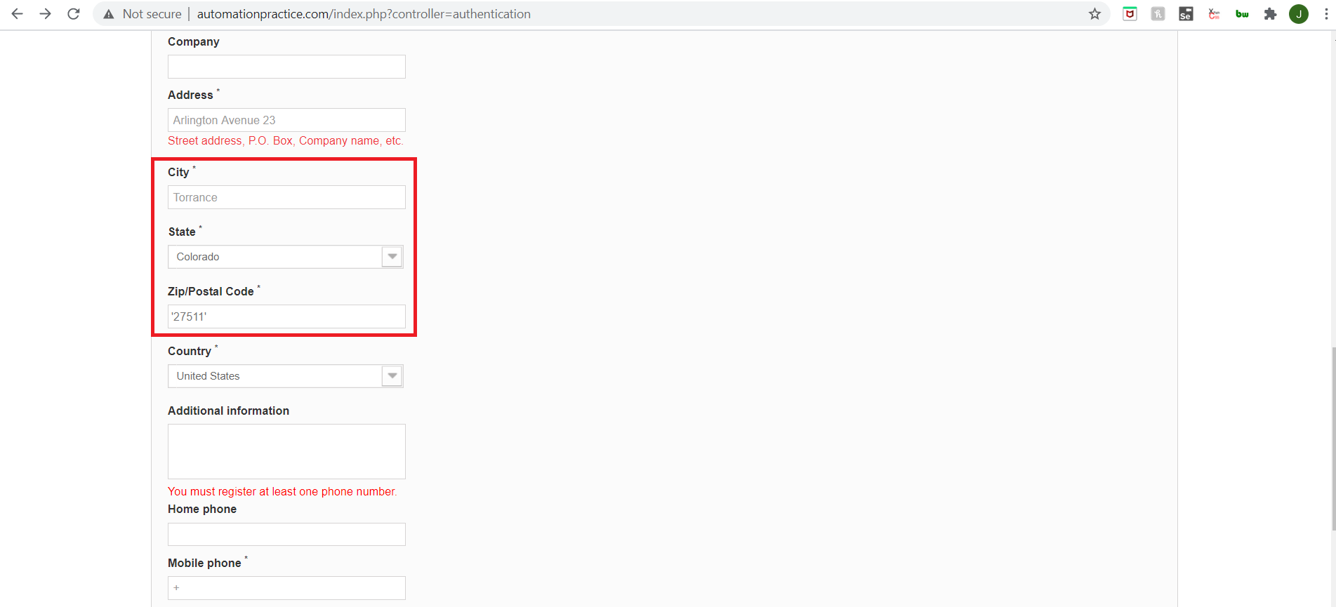
3-A7 | Medium | User is able to sign up by entering a single character in the mandatory phone number filed | 1. Navigate to http://automationpractice.com/index.php and press enter 2. Click on the sign in button at the top right hand corner 3. In the create an account form enter following email: negativetesting@g.com 4. Click the 'create an account' button 5. Enter personal information as follows (from top to bottom): a) enter first name: 'John' b) enter last name: 'Smith' c) enter password: testing123 d) enter address: 'Arlington Avenue 23' e) enter city: 'Torrance' f) enter state: 'California' g) enter zip code: '90501' h) select 'United States' from Country dropdown menu i) enter mobile phone number: '+' j) enter address alias for future reference: 'test.alias@g.com' k) click register button | User is notified that phone numbers cannot be made up of a single character; There can be no less than seven numbers in the input field | The user is able to sign up by entering a '+' sign in place of a number in the mandatory field | PC/Windows10/Chrome Version 86.0.4240.76 | See 3-A7 video in DefectVideos folder
4-A4 | Medium | User is able to sign up omitting the address alias which is a mandatory field | 1. Navigate to http://automationpractice.com/index.php and press enter 2. Click on the sign in button at the top right hand corner 3. In the create an account form enter following email: abcxyz@b.com 4. Click the 'create an account' button 5. Enter personal information as follows (from top to bottom): a) enter first name: 'John' b) enter last name: 'Smith' c) enter password: testing123 d) enter address: 'Arlington Avenue 23' e) enter city: 'Torrance' f) enter state: 'California' g) enter zip code: '90501' h) select 'United States' from Country dropdown menu i) enter mobile phone number: '+1 916 792 3318' j) click register button | User is prompted that the address alias is a mandatory field and must be filled out | The user is able to sign up omitting the mandatory address alias filed | PC/Windows10/Chrome Version 86.0.4240.75 | 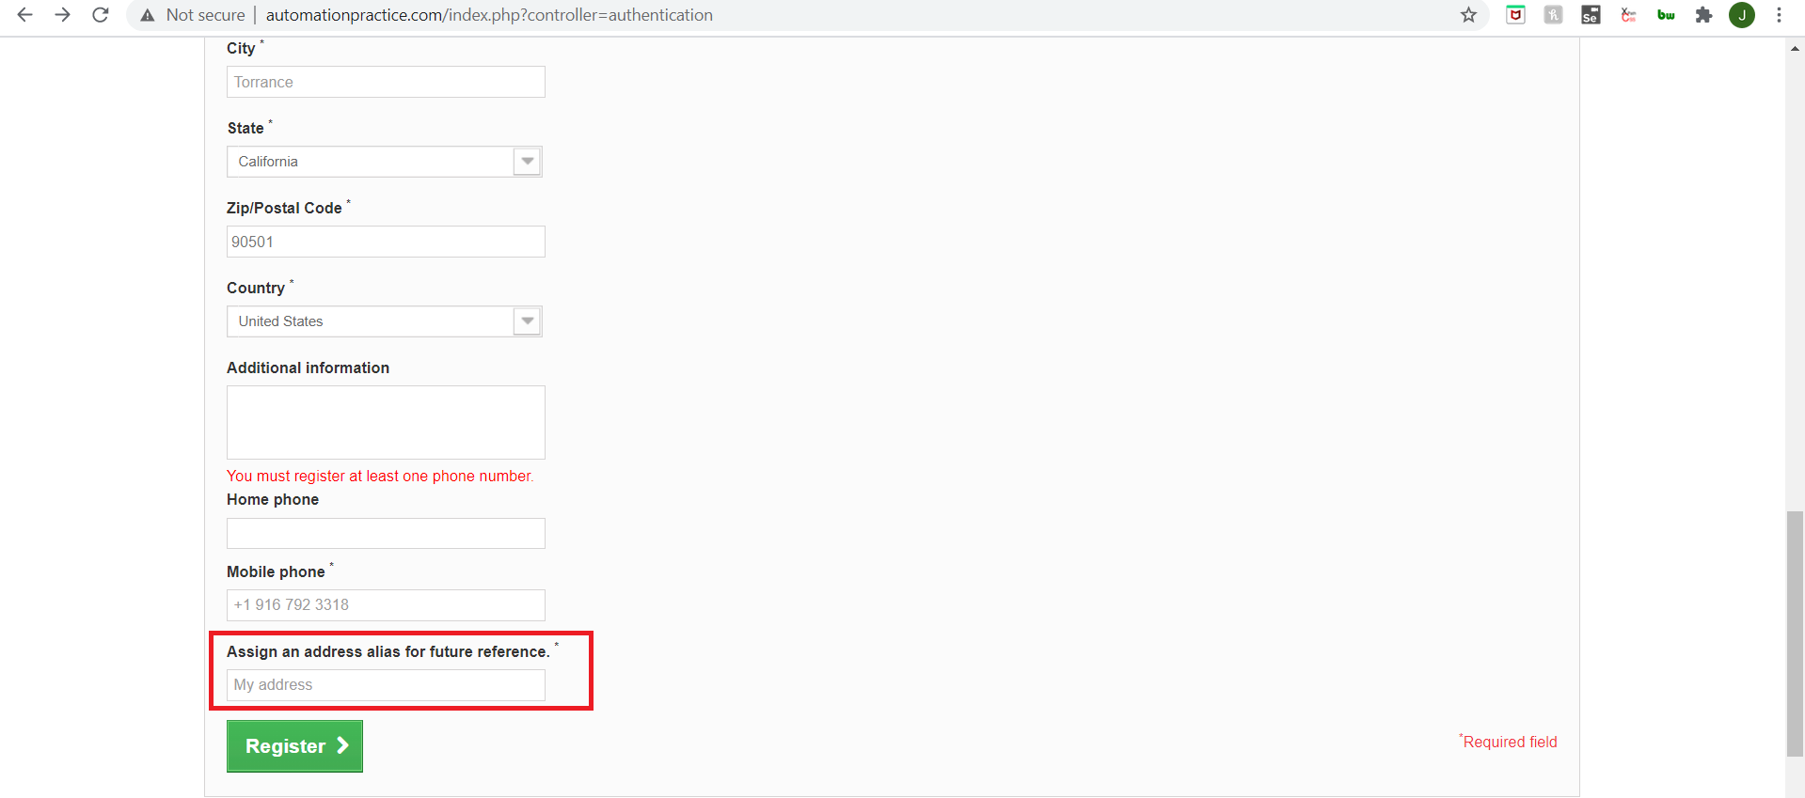
5-A16 | Medium | User is unable to retrieve password through the 'Forgot your password' feature | Precondition: User has a registered account 1. Navigate to http://automationpractice.com/index.php and press enter 2. Click on the sign in button at the top right hand corner 3. Enter registered email address 4. Click on 'Forgot your password' 5. Enter email address 6. Click on retrieve password button 7. Check email for instructions on how to access the page | User is able to retrieve account through the 'Forgot your password' feature | User is not able to retrieve their account if the password is forgotten as 'Forgot your password' feature does not send an email to user | PC/Windows10/Chrome Version 86.0.4240.75 Note: For this test I used a temporary email address the functionality of which I checked prior to testing website functionality | none
6-A19 | Low | After logging out, and attempting to again access the acount using the browsers back function the account appears to have been accessed again | Precondition: User has a registered account 1. Navigate to http://automationpractice.com/index.php and press enter 2. Click on the sign in button at the top right hand corner 3. Enter email address: testing.account@g.com 4. Enter password: test321GO 5. Click sign in button 6. Click on my address button 7. Click sign out button 8. Click back button two times 9. Observe user name reappear in top right hand corner | Once a user logs out, the user name can no longer be seen in the top right corner | After logging out, by using the browsers back button two times, the name of the user appears on the top right hand corner. Account cannot be accessed | PC/Windows10/Chrome Version 86.0.4240.75 | 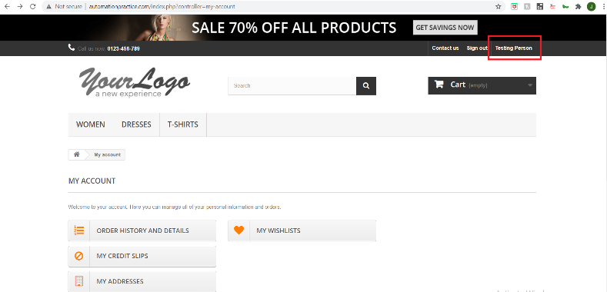
7-B1 | Medium | Upon clicking sale banner above navbar user remains on the same page | 1. Navigate to http://automationpractice.com/index.php and press enter 2. Click on the banner above navbar displaying 70% off 3. Click on 'Get Savings Now' button on banner | Upon clicking banner with sale promotion, user is redirected to page with items on sale | User is not redirected to page with items on sale upon clicking sale banner above navbar | PC/Windows10/Chrome Version 86.0.4240.76 | See 7-B1 video in DefectVideos folder
8-B2 | High | When entering 'dress' in search filed, the response lists other items i.e. blouse | 1. Navigate to http://automationpractice.com/index.php and press enter 2. type 'dress' in search field 3. Verify dresses were displayed on page | Upon entering 'dress' in search filed only dresses are displayed on page | When entering 'dress' in search filed, the response lists other items i.e. blouses, t-shirts | PC/Windows10/Chrome Version 86.0.4240.77 | See 8-B2 video in DefectVideos folder
9-B4 | Medium | The user is unable to use the catalog filter to filter through displayed items as the page never loads the preferences | 1. Navigate to http://automationpractice.com/index.php 2. Click on 'Women' button in menu 3. From catalog section click following checkboxes: categories: 'dresses' 4. Observe page continue to load | The user is able to filter through which items they want displayed by using the provided checkboxes in catalog filter | The user is unable to use the catalog filter to filter through displayed items as the page never loads the preferences | PC/Windows10/Chrome Version 86.0.4240.78 | See 9-B4 video in DefectVideos folder
10 | Medium | Banner not being displayed on landing page on iPad | 1. Navigate to http://automationpractice.com/index.php | The landing page loads so that all promotional banners are visible | The biggest promotional banner on the landing page does not load | iPad / iPad Note: Test carried out in Chrome simulator | 