Index Page
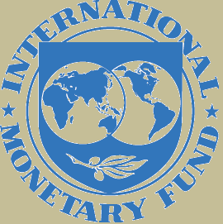
Declaring country | Sri Lanka
Year | 2023
Currency | US Dollars
Scale | Million

