Financial Data
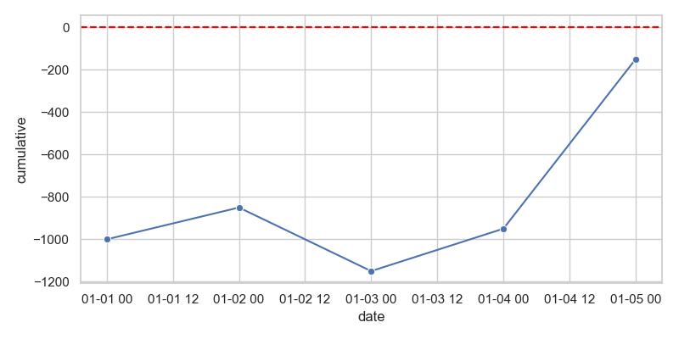
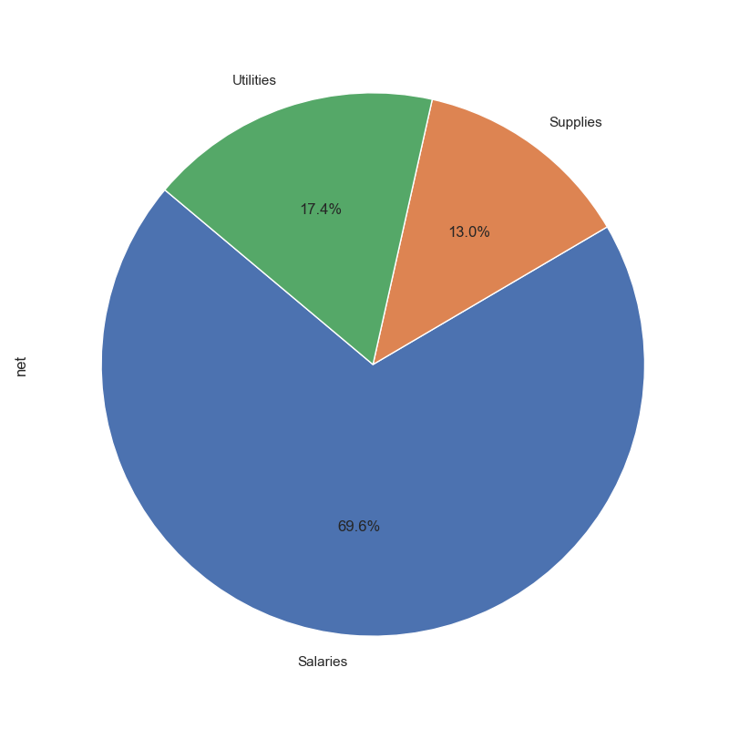
date | description | category | income | expenses | net | cumulative | year
2023-01-01 | Invoice #123 | Sales | -1000 | 0 | -1000 | -1000 | 2023
2023-01-02 | Office Supplies | Supplies | 0 | -150 | 150 | -850 | 2023
2023-01-03 | Service Fee | Services | -300 | 0 | -300 | -1150 | 2023
2023-01-04 | Utility Bill | Utilities | 0 | -200 | 200 | -950 | 2023
2023-01-05 | Salary Payment | Salaries | 0 | -800 | 800 | -150 | 2023

