Introduction
UK Government GHG Conversion Factors for Company Reporting
Introduction
Index

Next publication date: | 2025-06-10 | Factor set: | Full set
Version: | 1.1 | Year: | 2024
 |  |  |  |  | 
UK Government GHG Conversion Factors for Company Reporting
Welcome to the UK Government Conversion Factors for greenhouse gas (GHG) reporting. These factors are suitable for use by UK-based organisations of all sizes and international organisations reporting on UK operations. Therefore, the scope of the factors is defined such that it is relevant to emissions reporting. The factors may also be used for other purposes, but users do this at their own risk.
For new users of the conversion factors, ensure that you have first read the government's 'Environmental reporting guidelines' and the information on the rest of this sheet. Then follow the informative text at the top of each tab to report your emissions across Scopes 1, 2 and 3. It is not necessary to read the ‘What’s new’ guidance.
If you have used the conversion factors before, ensure you have read the ‘What’s new’ guidance to understand the changes that have been made to the factors over the last year. Following the ‘What’s new’ guidance will ensure that reporting is consistent and comparable year on year. Please note - activity-specific 'What's new' information is repeated in the relevant activity tabs.
For information about how the conversion factors have been derived, please refer to the accompanying 'Methodology paper' to the conversion factors.
Please note - factors that are: |  | (a) not available, will be marked with an empty, light shaded cell:
 |  | (b) have an invalid combination of criteria, will be marked with an empty, dark shaded cell:
How is this spreadsheet organised?
After the three introductory worksheets, each worksheet presents the emission factors for a single type of emissions-releasing activity (for example, using electricity or driving a passenger vehicle). These emissions-releasing activities are categorised into three groups known as scopes. Each activity is colour coded as either Scope 1, Scope 2, or Scope 3. Refer to the 'Index' tab for links to each sheet.
● Scope 1 (direct emissions) emissions are those from activities owned or controlled by your organisation. Examples of Scope 1 emissions include emissions from combustion in owned or controlled boilers, furnaces and vehicles; and emissions from chemical production in owned or controlled process equipment.
● Scope 2 (energy indirect) emissions are those released into the atmosphere that are associated with your consumption of purchased electricity, heat, steam and cooling. These indirect emissions are a consequence of your organisation’s energy use, but occur at sources you do not own or control.
● Scope 3 (other indirect) emissions are a consequence of your actions that occur at sources you do not own or control and are not classed as Scope 2 emissions. Examples of Scope 3 emissions are business travel by means not owned or controlled by your organisation, waste disposal, materials or fuels your organisation purchases. Deciding if emissions from your vehicle, office, or factory are Scope 1 (direct from your operations) or Scope 3 (indirect from your value chain) depends on how you define your company's consolidation control boundaries (financial, operational, or shared equity). Clear guidance exists in the GHG Protocol to help you define these boundaries. However, accurately accounting for emissions hinges on understanding the intended use of your greenhouse gas inventory (as outlined in ISO 14064-1) and consistently applying those boundaries. Scope 3 emissions can be from activities that are upstream or downstream of your organisation.
The organisation should decide if they are going to include scope 3 Well To Tank (WTT) emissions within their reporting. This should be applied consistently across all fuel sources and activities. i.e. Organisation A has elected to include WTT within its reporting so when calculating emissions from their electricity consumption they should account for: Electricity (UK Grid Generated) kWh Consumed = Scope 2 Electricity (UK Grid Generated) associated T&D = Scope 3 Electricity (UK Grid Generated) associated generation WTT = Scope 3 Electricity (UK Grid Generated) associated T&D WTT = Scope 3
More information on Scope 3 and other aspects of reporting can be found in the Greenhouse Gas Protocol Corporate Standard.
How are individual worksheets in this spreadsheet organised?
Each worksheet provides the following information:
● Guidance on calculating emissions from this activity
● An example of how to calculate emissions from this activity
● The emission factors for this activity
● Frequently asked questions
How do I calculate my GHG emissions for a particular activity?
Navigate to the sheet relating to the activity that you wish to calculate emissions for. Read the guidance and then collect or estimate activity data for your organisation (for example, the amount of electricity used or distance travelled). Then multiply this activity data by the relevant (emission) conversion factor. This gives an estimate of the GHG emissions for that activity.
 |  | GHG emissions = activity data x emission conversion factor

Which gases can I report on using these factors?
There are seven main GHGs that contribute to climate change, as covered by the Kyoto Protocol: carbon dioxide (CO2), methane (CH4), nitrous oxide (N2O), hydrofluorocarbons (HFCs), perfluorocarbons (PFCs), sulphur hexafluoride (SF6) and nitrogen trifluoride (NF3). Different activities emit different gases and you should report on the Kyoto Protocol GHG gases produced by your particular activities.
All conversion factors presented here are in units of 'kilograms of carbon dioxide equivalent of Y per X' (kg CO2e of Y per X), where Y is the gas emitted and X is the unit activity. CO2e is the universal unit of measurement to indicate the global warming potential (GWP) of GHGs, expressed in terms of the GWP of one unit of carbon dioxide.
The GWPs used in the calculation of CO2e are based on the Intergovernmental Panel on Climate Change (IPCC) Fifth Assessment Report (AR5) over a 100-year period so that the Conversion Factors are consistent with current national and international reporting requirements.
As a minimum, for each activity there is a factor that can be used to calculate emissions of all relevant GHGs combined (kg CO2e per unit activity). Additionally, for many activities, this factor is then split into separate factors for each gas (that is, kg CO2e of CO2/CH4/N2O per unit activity) which sum to the total kg CO2e per unit activity. These gas-specific factors can be used if desired.
Which year of emissions should I report on with these factors?
You should use the factors that correlates with the activity data on which you are reporting (for example, factors labelled as 2024 should be used for data from calendar year 2024). One of the following two approaches may be adopted: 1) The 'Majority' approach - If you are reporting on an April to March year, the factors from the calendar year in which the greatest portion of your data falls should be applied (for example, the 2024 factors should be applied to data in reporting year 01/04/24 – 31/03/25, the 2020 factors should have been applied to data in reporting year 01/04/20 – 31/03/21). Users that operate a July to June reporting year should apply the newest set of available factors. 2) The 'Blended' approach - That uses the specific number of days that fall within each conversion factor period. i.e. if you have 220 days in the 2019 conversion factor period and 145 days in the 2020 conversion factor period these proportions are applied to the blending of the two periods' conversion factor as long as this is transparently stated (days blending split), auditable and consistently applied. The approach utilised should be clearly stated and consistently applied
For reference, the Conversion Factors for all years 2002 - 2023 can be found here.

Are all the factors updated every year?
Not all factors are updated annually. The scope of the conversion factors has expanded over time, including the addition of new factors. In light of this, a risk-based approach has been adopted which focuses on delivering accurate conversion factors for high-emitting UK sources that vary over time, and reflect changes in key sources for most companies, including electricity, natural gas, waste management, road transport fuels and fleet. Factors for minor sources and pollutants are updated less frequently, reflecting the level of risk associated with retaining an historical value. More information is available in methodology document accompanying the factors (section 1.12 – 1.17).

For technical queries, please contact Greenhouse Gas Statistics at greenhousegas.statistics@energysecurity.gov.uk
NOTE: The scope of the factors is defined to be relevant to emissions reporting, although the factors may also be used for other purposes. Regardless of this, their usage is at the users’ own risk.

How do I calculate negative emissions and offsets?
The Conversion Factors do not include emissions factors for negative emissions technologies or offsets. For more information on how to account for these emissions reductions activities in your SECR reporting, please see Annex G of the Environmental Reporting Guidelines.

Refrigerant & other
UK Government GHG Conversion Factors for Company Reporting
Refrigerant & other
Index

Emissions source: | Refrigerant & other | Next publication date: | 2025-06-10 | Factor set: | Full set
Scope: | Scope 1 | Version: | 1.1 | Year: | 2024

Refrigerant and other conversion factors should be used for the purpose of reporting leakage from air-conditioning, refrigeration units or the release to the atmosphere of other gases that have global warming potential (GWP).

Guidance
● The refrigerants and gases in the table are slightly different to the other conversion factor tables. In this case the gases emitted have a global warming influence themselves and the conversion factor allows the global warming potential (GWP) of that gas to be expressed in terms of kilogrammes of carbon dioxide equivalent (kg CO2e), this is slightly different to most of the factors where the emissions occur after combustion/use of the fuel/material etc. These conversions can, however, be used in the normal way for reporting purposes.
● The Kyoto Protocol and Montreal Protocol listed gases are primarily based on the Intergovernmental Panel on Climate Change (IPCC) Fifth Assessment Report (AR5) over a 100-year period excl. feedback loops (this is consistent with reporting under the Paris Agreement). In some cases AR4, AR6 or estimates presented in the EU F-gas regulations annexes are used instead where AR5 values are not available.
● From 01 Jan 2019, the Kigali amendment came into force, HFCs and HFC blends are now both Kyoto Protocol and Montreal Gases.
Example of calculating emissions from refrigerants and other process gases with a GWP
Company D need to report on the refrigerants that leak from their air conditioning equipment at their HQ each year (sometimes called fugitive emissions). These are considered to be Scope 1 emissions for company D. To calculate the leakage, they simply note how much they have had to 'top up' the refrigerant over the last year.
The 'top up' data (in kg) is multiplied by the applicable conversion factor to their refrigerant type to produce company D's direct emissions from refrigerant.

 |  |  | Emissions including only Kyoto products | Emissions including only non-Kyoto products | Total emissions including non-Kyoto products
Activity | Emission | Unit | kg CO2e | kg CO2e | kg CO2e
Kyoto protocol products | Carbon dioxide | kg | 1.00000 |  | 1.00000
 | Methane | kg | 28.00000 |  | 28.00000
 | Nitrous oxide | kg | 265.00000 |  | 265.00000
 | HFC-23 | kg | 12400.00000 |  | 12400.00000
 | HFC-32 | kg | 677.00000 |  | 677.00000
 | HFC-41 | kg | 116.00000 |  | 116.00000
 | HFC-125 | kg | 3170.00000 |  | 3170.00000
 | HFC-134 | kg | 1120.00000 |  | 1120.00000
 | HFC-134a | kg | 1300.00000 |  | 1300.00000
 | HFC-143 | kg | 328.00000 |  | 328.00000
 | HFC-143a | kg | 4800.00000 |  | 4800.00000
 | HFC-152a | kg | 138.00000 |  | 138.00000
 | HFC-227ea | kg | 3350.00000 |  | 3350.00000
 | HFC-236fa | kg | 8060.00000 |  | 8060.00000
 | HFC-245fa | kg | 858.00000 |  | 858.00000
 | HFC-43-I0mee | kg | 1650.00000 |  | 1650.00000
 | Perfluoromethane (PFC-14) | kg | 6630.00000 |  | 6630.00000
 | Perfluoroethane (PFC-116) | kg | 11100.00000 |  | 11100.00000
 | Perfluoropropane (PFC-218) | kg | 8900.00000 |  | 8900.00000
 | Perfluorocyclobutane (PFC-318) | kg | 9540.00000 |  | 9540.00000
 | Perfluorobutane (PFC-3-1-10) | kg | 9200.00000 |  | 9200.00000
 | Perfluoropentane (PFC-4-1-12) | kg | 8550.00000 |  | 8550.00000
 | Perfluorohexane (PFC-5-1-14) | kg | 7910.00000 |  | 7910.00000
 | PFC-9-1-18 | kg | 7190.00000 |  | 7190.00000
 | Perfluorocyclopropane | kg | 9200.00000 |  | 9200.00000
 | Sulphur hexafluoride (SF6) | kg | 23500.00000 |  | 23500.00000
 | HFC-152 | kg | 16.00000 |  | 16.00000
 | HFC-161 | kg | 4.00000 |  | 4.00000
 | HFC-236cb | kg | 1210.00000 |  | 1210.00000
 | HFC-236ea | kg | 1330.00000 |  | 1330.00000
 | HFC-245ca | kg | 716.00000 |  | 716.00000
 | HFC-365mfc | kg | 804.00000 |  | 804.00000
 | Nitrogen trifluoride | kg | 16100.00000 |  | 16100.00000

 |  |  | Emissions including only Kyoto products | Emissions including only non-Kyoto products | Total emissions including non-Kyoto products
Activity | Emission | Unit | kg CO2e | kg CO2e | kg CO2e
Blends | R401A | kg | 18.00000 | 1112.00000 | 1130.00000
 | R401B | kg | 15.00000 | 1221.00000 | 1236.00000
 | R401C | kg | 21.00000 | 855.00000 | 876.00000
 | R402A | kg | 1902.00000 | 669.00000 | 2571.00000
 | R402B | kg | 1205.00000 | 1056.00000 | 2261.00000
 | R403A | kg | 1780.00000 | 1320.00000 | 3100.00000
 | R403B | kg | 3471.00000 | 986.00000 | 4457.00000
 | R404A | kg | 3943.00000 |  | 3943.00000
 | R405A | kg | 3920.00000 | 901.00000 | 4821.00000
 | R406A | kg |  | 1780.00000 | 1780.00000
 | R407A | kg | 1923.00000 |  | 1923.00000
 | R407B | kg | 2547.00000 |  | 2547.00000
 | R407C | kg | 1624.00000 |  | 1624.00000
 | R407D | kg | 1487.00000 |  | 1487.00000
 | R407E | kg | 1425.00000 |  | 1425.00000
 | R407F | kg | 1674.00000 |  | 1674.00000
 | R408A | kg | 2430.00000 | 827.00000 | 3257.00000
 | R409A | kg |  | 1485.00000 | 1485.00000
 | R409B | kg |  | 1474.00000 | 1474.00000
 | R410A | kg | 1924.00000 |  | 1924.00000
 | R410B | kg | 2048.00000 |  | 2048.00000
 | R411A | kg | 15.00000 | 1540.00000 | 1555.00000
 | R411B | kg | 4.00000 | 1654.00000 | 1659.00000
 | R412A | kg | 445.00000 | 1727.00000 | 2172.00000
 | R413A | kg | 1945.00000 |  | 1945.00000
 | R414A | kg |  | 1375.00000 | 1375.00000
 | R414B | kg |  | 1274.00000 | 1274.00000
 | R415A | kg | 25.00000 | 1443.00000 | 1468.00000
 | R415B | kg | 104.00000 | 440.00000 | 544.00000
 | R416A | kg | 767.00000 | 208.00000 | 975.00000
 | R417A | kg | 2127.00000 |  | 2127.00000
 | R417B | kg | 2742.00000 |  | 2742.00000
 | R417C | kg | 1643.00000 |  | 1643.00000
 | R418A | kg | 3.00000 | 1690.00000 | 1693.00000
 | R419A | kg | 2688.00000 |  | 2688.00000
 | R419B | kg | 2161.00000 |  | 2161.00000
 | R420A | kg | 1144.00000 | 238.00000 | 1382.00000
 | R421A | kg | 2385.00000 |  | 2385.00000
 | R421B | kg | 2890.00000 |  | 2890.00000
 | R422A | kg | 2847.00000 |  | 2847.00000
 | R422B | kg | 2290.00000 |  | 2290.00000
 | R422C | kg | 2794.00000 |  | 2794.00000
 | R422D | kg | 2473.00000 |  | 2473.00000
 | R422E | kg | 2350.00000 |  | 2350.00000
 | R423A | kg | 2274.00000 |  | 2274.00000
 | R424A | kg | 2212.00000 |  | 2212.00000
 | R425A | kg | 1431.00000 |  | 1431.00000
 | R426A | kg | 1371.00000 |  | 1371.00000
 | R427A | kg | 2024.00000 |  | 2024.00000
 | R428A | kg | 3417.00000 |  | 3417.00000
 | R429A | kg | 13.80000 | 1.50000 | 15.30000
 | R430A | kg | 105.00000 | 1.00000 | 106.00000
 | R431A | kg | 40.00000 |  | 40.00000
 | R432A | kg |  | 1.80000 | 1.80000
 | R433A | kg |  | 0.64000 | 0.64000
 | R433B | kg |  | 0.16000 | 0.16000
 | R433C | kg |  | 0.55000 | 0.55000
 | R434A | kg | 3075.00000 |  | 3076.00000
 | R435A | kg | 27.60000 | 0.80000 | 28.40000
 | R436A | kg |  | 1.35000 | 1.35000
 | R436B | kg |  | 1.47000 | 1.47000
 | R437A | kg | 1639.00000 |  | 1639.00000
 | R438A | kg | 2059.00000 |  | 2059.00000
 | R439A | kg | 1828.00000 |  | 1828.00000
 | R440A | kg | 156.00000 |  | 156.00000
 | R441A | kg |  | 0.23000 | 0.23000
 | R442A | kg | 1754.00000 |  | 1754.00000
 | R443A | kg |  | 1.00000 | 1.00000
 | R444A | kg | 88.00000 | 1.00000 | 89.00000
 | R445A | kg | 117.00000 | 1.00000 | 118.00000
 | R500 | kg | 36.00000 | 7528.00000 | 7564.00000
 | R501 | kg |  | 3870.00000 | 3870.00000
 | R502 | kg |  | 4786.00000 | 4786.00000
 | R503 | kg | 4972.00000 | 8326.00000 | 13299.00000
 | R504 | kg | 326.00000 | 3973.00000 | 4299.00000
 | R505 | kg |  | 7956.00000 | 7956.00000
 | R506 | kg |  | 3857.00000 | 3857.00000
 | R507A | kg | 3985.00000 |  | 3985.00000
 | R508A | kg | 11607.00000 |  | 11607.00000
 | R508B | kg | 11698.00000 |  | 11698.00000
 | R509A | kg | 4984.00000 | 774.00000 | 5758.00000
 | R510A | kg |  | 1.24000 | 1.24000
 | R511A | kg | 6.90000 | 0.10000 | 7.00000
 | R512A | kg | 196.00000 |  | 196.00000

 |  |  | Emissions including only Kyoto products | Emissions including only non-Kyoto products | Total emissions including non-Kyoto products
Activity | Emission | Unit | kg CO2e | kg CO2e | kg CO2e
Montreal protocol products | CFC-11/R11 = trichlorofluoromethane | kg |  | 4660.00000 | 4660.00000
 | CFC-12/R12 = dichlorodifluoromethane | kg |  | 10200.00000 | 10200.00000
 | CFC-13 | kg |  | 13900.00000 | 13900.00000
 | CFC-113 | kg |  | 5820.00000 | 5820.00000
 | CFC-114 | kg |  | 8590.00000 | 8590.00000
 | CFC-115 | kg |  | 7670.00000 | 7670.00000
 | Halon-1211 | kg |  | 1750.00000 | 1750.00000
 | Halon-1301 | kg |  | 6290.00000 | 6290.00000
 | Halon-2402 | kg |  | 1470.00000 | 1470.00000
 | Carbon tetrachloride | kg |  | 1730.00000 | 1730.00000
 | Methyl bromide | kg |  | 2.00000 | 2.00000
 | Methyl chloroform | kg |  | 160.00000 | 160.00000
 | HCFC-22/R22 = chlorodifluoromethane | kg |  | 1760.00000 | 1760.00000
 | HCFC-123 | kg |  | 79.00000 | 79.00000
 | HCFC-124 | kg |  | 527.00000 | 527.00000
 | HCFC-141b | kg |  | 782.00000 | 782.00000
 | HCFC-142b | kg |  | 1980.00000 | 1980.00000
 | HCFC-225ca | kg |  | 127.00000 | 127.00000
 | HCFC-225cb | kg |  | 525.00000 | 525.00000
 | HCFC-21 | kg |  | 148.00000 | 148.00000

 |  |  | Emissions including only Kyoto products | Emissions including only non-Kyoto products | Total emissions including non-Kyoto products
Activity | Emission | Unit | kg CO2e | kg CO2e | kg CO2e
Fluorinated ethers | HFE-125 | kg |  | 12400.00000 | 12400.00000
 | HFE-134 | kg |  | 5560.00000 | 5560.00000
 | HFE-143a | kg |  | 523.00000 | 523.00000
 | HCFE-235da2 | kg |  | 491.00000 | 491.00000
 | HFE-245cb2 | kg |  | 654.00000 | 654.00000
 | HFE-245fa2 | kg |  | 812.00000 | 812.00000
 | HFE-254cb2 | kg |  | 301.00000 | 301.00000
 | HFE-347mcc3 | kg |  | 530.00000 | 530.00000
 | HFE-347pcf2 | kg |  | 889.00000 | 889.00000
 | HFE-356pcc3 | kg |  | 413.00000 | 413.00000
 | HFE-449sl (HFE-7100) | kg |  | 421.00000 | 421.00000
 | HFE-569sf2 (HFE-7200) | kg |  | 57.00000 | 57.00000
 | HFE-43-10pccc124 (H-Galden1040x) | kg |  | 2820.00000 | 2820.00000
 | HFE-236ca12 (HG-10) | kg |  | 5350.00000 | 5350.00000
 | HFE-338pcc13 (HG-01) | kg |  | 2910.00000 | 2910.00000

 |  |  | Emissions including only Kyoto products | Emissions including only non-Kyoto products | Total emissions including non-Kyoto products
Activity | Emission | Unit | kg CO2e | kg CO2e | kg CO2e
Other products | Trifluoromethyl sulphur pentafluoride | kg |  | 17400.00000 | 17400.00000
 | PFPMIE | kg |  | 9710.00000 | 9710.00000
 | Dimethylether | kg |  | 1.00000 | 1.00000
 | Methylene chloride | kg |  | 9.00000 | 9.00000
 | Methyl chloride | kg |  | 12.00000 | 12.00000
 | R290 = propane | kg |  | 0.06000 | 0.06000
 | R600A = isobutane | kg |  | 3.00000 | 3.00000
 | R600 = butane | kg |  | 0.00600 | 0.00600
 | R601 = pentane | kg |  | 5.00000 | 5.00000
 | R601A = isopentane | kg |  | 5.00000 | 5.00000
 | R170 = ethane | kg |  | 0.43700 | 0.43700
 | R1270 = propene | kg |  | 2.00000 | 2.00000
 | R1234yf* | kg |  | 1.00000 | 1.00000
 | R1234ze* | kg |  | 1.00000 | 1.00000
* There is no specific figure available, however it is known that the GWP factor is less than 1 kg CO2e

FAQs
Is there any guidance to help me calculate the refrigerant leakage for my particular air conditioning system?
Further guidance on how to calculate refrigerant leakage is provided in the government 'Environmental reporting guidelines'.
Do I need to report all refrigerant types and gases with global warming potential in Scope 1?
No, only Kyoto Protocol gases need to be reported under Scope 1, all non-Kyoto gases (e.g. Montreal Protocol gases) should be reported separately.
What should I do if the product I use doesn't appear on this list?
Information on the global warming potential and charge size should be included on a label on products containing these products. As stated at https://www.gov.uk/guidance/labelling-f-gas-equipment-you-produce-import-or-install: [Producers, importers or installers of F-gas equipment] must label all products you produce, import or install that contain regulated F gas. The label must include the: • industry name for the F gas • mass of F gas in the equipment (kg) • weight of the F gas in equivalent tonnes of carbon dioxide • global warming potential of the F gas
Labelling requirements have been in place since at least July 2007 when the 2006 EU F-gas regulations (Regulation (EC) No 842/2006) entered into force, and even systems that were installed before this date, if containing more than 3kg of refrigerant, are required to have labels documenting the required regular servicing conducted. In the unlikely scenario where the label does not specify this F-gas information or you cannot find the label, your service engineer should be able to provide the relevant information. Examples of what labels looks like can be found below. Note that the GWPs presented on these labels will be included non-Kyoto components, and they use the values specified in legislation (at the time of writing, these are mostly AR4 values, whereas the data presented here are based on AR5 values). Because of the different basis of GWP values, you might want to investigate the composition of the refrigerant on the label by referring to the ASHRAE designations (https://www.ashrae.org/technical-resources/standards-and-guidelines/ashrae-refrigerant-designations), and use the GWP values for each component given above to determine the AR5 GWP of your refrigerant. The AR4 GWP in most cases will be similar to the AR5 value, so the value on the label can be used to check that your calculated value is in the right ballpark.. The non-Kyoto components in newer blends are typically low-GWP, so the GWP will generally be dominated by the Kyoto components. Note that many substances have multiple names (e.g. as below, HFC-134a is often referred to as R-134a).
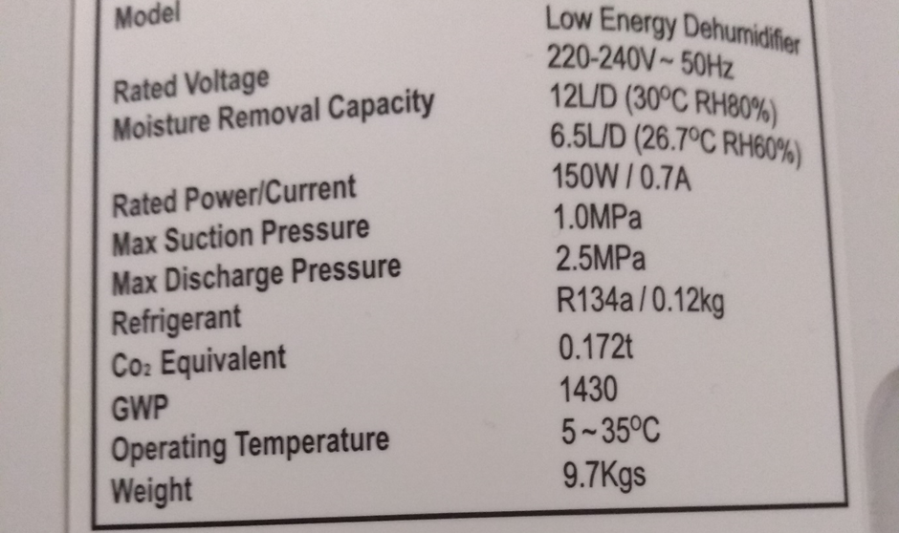
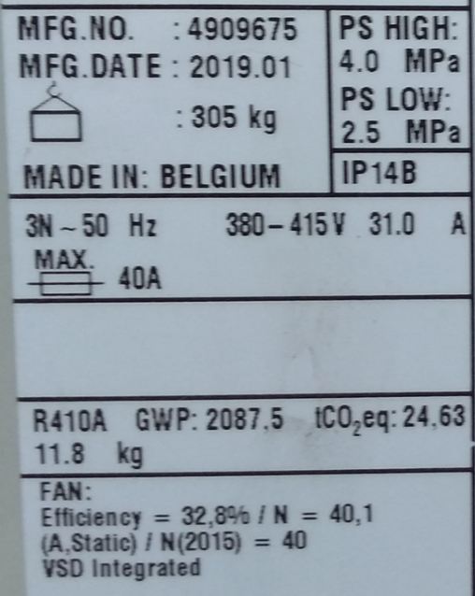

For information about the derivation of the conversion factors please refer to accompanying 'Methodology paper' to the conversion factors, which is available on the conversion factors website.

Sea Water
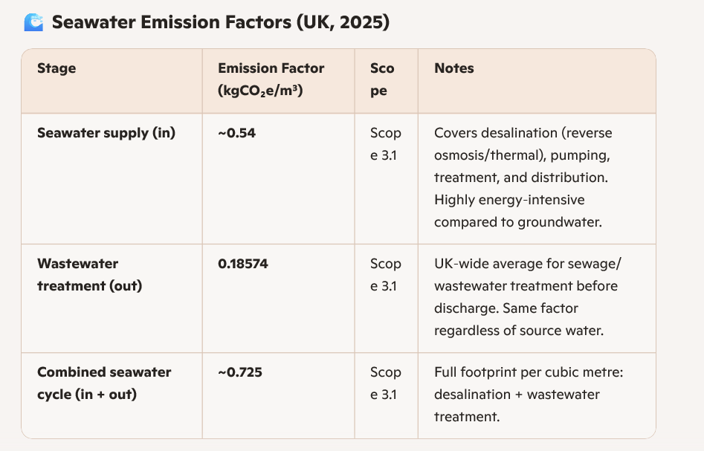

GroundWater
