1. Title Page
[Project Name]

Project Name: Instacart Grocery Basket Analysis
Date: 09.April 2025
Analyst Name: Omkar Gopalakrishnan

Contents:
Population Flow
Consistency checks
Wrangling steps
Column derivations
Visualizations
Recommendations

Data Citation:
"The Instacart Online Grocery Shopping Dataset 2017”, Accessed from www.instacart.com/datasets/grocery-shopping-2017 via Kaggle in August 2024.
Customer data and the “prices” column in the products data set were fabricated for the purpose of this course.

2. Population Flow
Title page

Population flow

Exclusion flag
Condition: max_order <
Obervations to be removed:
Final total count of order_products_all:

Orders_products_combined
Orders_products_merged
Orders_products_all

Total: 32,404,859
Total: 32,434,489
Total: 32,404,859

1.) The grey boxes in the first row of the population flow represent the original data sets as they were when you downloaded them. In the Total fields you need to add the count of the rows when you imported the data set into Jupyter.
2.) The second row of boxes (coloured) represents the data sets after you manipulated them, e.g., removed missing values and duplicates. In the Total fields you need to add the count of the rows after conducting these operations. This offers a visual oveview of how the data flows throughout the data consistency checks.
3.) The third row, where also the arrows are coloured, represents the merges you performed between the datasets. In the Total fields you need to add the count of the rows in the merged datasets, so that you end up with the final dataset (in the red box). Keep in mind the final dataset should be without exclusions (based on the exclusion flag).

3. Consistency checks
 |  |  |  | Title page
Consistency checks

Dataset | Missing values | Missing values treatment | Duplicates
orders | 206209 missing values in the days_since_prior_order column | Left In Dataframe | No duplicates found
products | 16 missing values in Product_name column | deleted | 5 duplicates found, deleted
orders_products_prior | 0 | No Missing Values | 0
customers | 0 | No Missing Values | 0

4. Wrangling steps
 |  |  |  | Title page
Wrangling steps

Columns dropped | Columns renamed | Columns' type changed | Comment/Reason
eval_set |  |  | Found to have irrelevant information for the task at hand
 | order_dow has been renamed to order_days_of_week |  | Found to be more understandable
 |  | order_id data type has been changed to string | Identifies order number and did not need to be of the date type integer
 |  | user_id to string | Indentifies customer id and did not need to be integer type
 | First Name |  | Changed to First_Name for uniform column look of column labels. Will possibly be dropped due to PII concerns.
 | Surname |  | Changed to Last_Name for uniform look of column label and better understanding. Will possibly be dropped due to PII concerns.
 | STATE |  | Changed to "State" for uniform look of column labels
 | GENDER |  | Changed to "Sex" for uniform look of column labels
 | AGE |  | Changed to "Age" for uniform look of column labels
 | fam_status |  | Changed to "Marital_status" for uniform look of column labels
 | n_dependants |  | Found to be more understandable
_merge |  |  | Column was created and dropped on different occassions as errors were thrown when trying to combine dataframes when left in.
 | Unnamed: 0 |  | Changed when working with departments during visualizations for department_id column

5. Column derivations
 |  |  |  | Title page

Column derivations and aggregations

In this tab you should add tables below that the frequencies of flags/label variables that you produced after deriving them. NB: don't do this for continuous variables, only for flags.
Dataset | New column | Column/s it was derived from | Conditions
ords_prods_merge | price_range_loc | pricing | df_ords_prods_merge.loc[df_ords_prods_merge['prices'] <= 5, 'price_range_loc'] = 'Low-range product' df_ords_prods_merge.loc[ (df_ords_prods_merge['prices'] > 5) & (df_ords_prods_merge['prices'] <= 15), 'price_range_loc' ] = 'Mid-range product' df_ords_prods_merge.loc[df_ords_prods_merge['prices'] > 15, 'price_range_loc'] = 'High-range product'
ords_prods_merge | busiest_period_of_day | order_hour_of_day | df_final_updated_filtered.loc[df_final_updated_filtered['order_hour_of_day']<12,'order_hour_group']='Morning' df_final_updated_filtered.loc[(df_final_updated_filtered['order_hour_of_day']>=12)&(df_final_updated_filtered['order_hour_of_day']<=17),'order_hour_group']='Afternoon' df_final_updated_filtered.loc[df_final_updated_filtered['order_hour_of_day']>17,'order_hour_group']='Evening'
ords_prods_merge | max_order | max of user_id and order_number | ords_prods_merge['max_order'] = ords_prods_merge.groupby(['user_id'])['order_number'].transform(np.max)
ords_prods_merge | loyalty_flag | max_order | ords_prods_merge.loc[ords_prods_merge['max_order'] > 40, 'loyalty_flag'] = 'Loyal customer' ords_prods_merge.loc[(ords_prods_merge['max_order'] <= 40) & (ords_prods_merge['max_order'] > 10), 'loyalty_flag'] = 'Regular customer' ords_prods_merge.loc[ords_prods_merge['max_order'] <= 10, 'loyalty_flag'] = 'New customer'
ords_prods_merge | mean_price | mean of user_id and prices | ords_prods_merge['mean_prices'] = ords_prods_merge.groupby('user_id')['prices'].transform('mean')
ords_prods_merge | spending_flag | mean_price | ords_prods_merge.loc[ords_prods_merge['mean_prices'] < 10, 'spending_flag'] = 'Low spender' ords_prods_merge.loc[ords_prods_merge['average_spend']>= 10, 'spender_flag'] = 'High_spender'
ords_prods_merge | median | median of user_id and days_since_prior_order | ords_prods_merge['median'] = ords_prods_merge.groupby('user_id')['days_since_prior_order'].transform('median')
ords_prods_merge | Frequency_flag | median | ords_prods_merge.loc[ords_prods_merge['median'] > 20, 'Frequency_flag'] = 'Non-Frequent customer' ords_prods_merge.loc[(ords_prods_merge['median'] <= 20) & (ords_prods_merge['median'] > 10), 'Frequency_flag'] = 'Regular customer' ords_prods_merge.loc[ords_prods_merge['median'] <= 10, 'Frequency_flag'] = 'Frequent customer'
df_final_updated | Region | State | state_to_region = {'Maine' : 'Northeast','New Hampshire' : 'Northeast','Vermont' : 'Northeast','Massachusetts' : 'Northeast','Rhode Island' : 'Northeast','Connecticut' : 'Northeast','New York' : 'Northeast','Pennsylvania' : 'Northeast','New Jersey' : 'Northeast','Wisconsin' : 'Midwest','Michigan' : 'Midwest','Illinois' : 'Midwest','Indiana' : 'Midwest','Ohio' : 'Midwest','North Dakota' : 'Midwest','South Dakota' : 'Midwest','Nebraska' : 'Midwest','Kansas' : 'Midwest','Minnesota' : 'Midwest','Iowa' : 'Midwest','Missouri' : 'Midwest','Delaware' : 'South','Maryland' : 'South','District of Columbia' : 'South','Virginia' : 'South','West Virginia' : 'South','North Carolina' : 'South','South Carolina' : 'South','Georgia' : 'South','Florida' : 'South','Kentucky' : 'South','Tennessee' : 'South','Mississippi' : 'South','Alabama' : 'South','Oklahoma' : 'South','Texas' : 'South','Arkansas' : 'South','Louisiana' : 'South','Idaho' : 'West','Montana' : 'West','Wyoming' : 'West','Nevada' : 'West','Utah' : 'West','Colorado' : 'West','Arizona' : 'West','New Mexico' : 'West','Alaska' : 'West','Washington' : 'West','Oregon' : 'West','California' : 'West','Hawaii' : 'West'} df_final_updated['Region']= df_final_updated['State'].map(state_to_region)
df_final_updated | Exclusion_flag | order_counts | df_final_updated['Exclusion_Flag'] = df_final_updated['order_count'] < 5
df_final_updated_filtered | age_group | age | df_final_updated_filtered.loc[df_final_updated_filtered['Age']<=30,'age_group']='Young Adult' df_final_updated_filtered.loc[(df_final_updated_filtered['Age']>30) & (df_final_updated_filtered['Age']<=60),'age_group']='Middle-Aged Adult' df_final_updated_filtered.loc[df_final_updated_filtered['Age']>60,'age_group']='Senior'
df_final_updated_filtered | income_group | income | df_final_updated_filtered.loc[df_final_updated_filtered['Income']<=65000,'income_group']='Low Income' df_final_updated_filtered.loc[(df_final_updated_filtered['Income']>65000) & (df_final_updated_filtered['Income']<=130000),'income_group']='Middle Income' df_final_updated_filtered.loc[df_final_updated_filtered['Income']>130000,'income_group']='High Income'
df_final_updated_filtered | dependants_group | num_of_dependants | df_final_updated_filtered.loc[df_final_updated_filtered['Number of Dependents']<=1,'dependents_group']='Small' df_final_updated_filtered.loc[df_final_updated_filtered['Number of Dependents']==2,'dependents_group']='Medium' df_final_updated_filtered.loc[df_final_updated_filtered['Number of Dependents']>=3,'dependents_group']='Large'
df_final_updated_filtered | week_day_category | order_days_of_week | df_final_updated_filtered.loc[df_final_updated_filtered['orders_day_of_week'].isin([0,1]),'week_day_category']='Weekend' df_final_updated_filtered.loc[df_final_updated_filtered['orders_day_of_week'].isin([2,3,4,5,6]),'week_day_category']='Weekday'
df_final_updated_filtered | order_hour_group | order_hour_of_day | df_final_updated_filtered.loc[df_final_updated_filtered['order_hour_of_day']<12,'order_hour_group']='Morning' df_final_updated_filtered.loc[(df_final_updated_filtered['order_hour_of_day']>=12)&(df_final_updated_filtered['order_hour_of_day']<=17),'order_hour_group']='Afternoon' df_final_updated_filtered.loc[df_final_updated_filtered['order_hour_of_day']>17,'order_hour_group']='Evening'

 | price_range_loc | age_group
 | Mid-range product 21859037 | Middle-Aged Adult 15221355
 | Low-range product 10125288 | Senior 10581898
 | High-range product 417650 | Young Adult 6598722
 | Name: count, dtype: int64 | Name: count, dtype: int64

 | dependants_group | income_group
 | Small 16177170 | Middle Income 17169178
 | Large 8134436 | High Income 7713136
 | Medium 8090369 | Low Income 7519661
 | Name: count, dtype: int64 | Name: count, dtype: int64

 | loyalty_flag | dependants_group
 | Regular customer 15876776 | Small 16177170
 | Loyal customer 10284093 | Large 8134436
 | New customer 6241106 | Medium 8090369
 | Name: count, dtype: int64 | Name: count, dtype: int64

 | order_hour_group | week_day_category
 | Afternoon 15252314 | Weekday 20538522
 | Morning 11447002 | Weekend 11863453
 | Evening 5702659 | Name: count, dtype: int64
 | Name: count, dtype: int64

 | Frequency_flag | order_hour_group
 | Frequent Customer 21559350 | Afternoon 15252314
 | Regular Customer 7207869 | Morning 11447002
 | Non-frequent Customer 3634751 | Evening 5702659
 | Name: count, dtype: int64 | Name: count, dtype: int64

 | Spender_flag
 | Low spender 31768261
 | High spender 633714
 | Name: count, dtype: int64

 | orders_day_of_week
 | 0 6203760
 | 1 5659693
 | 2 4213442
 | 3 3840126
 | 4 3783444
 | 5 4205384
 | 6 4496126
 | Name: count, dtype: int64

6. Visualizations
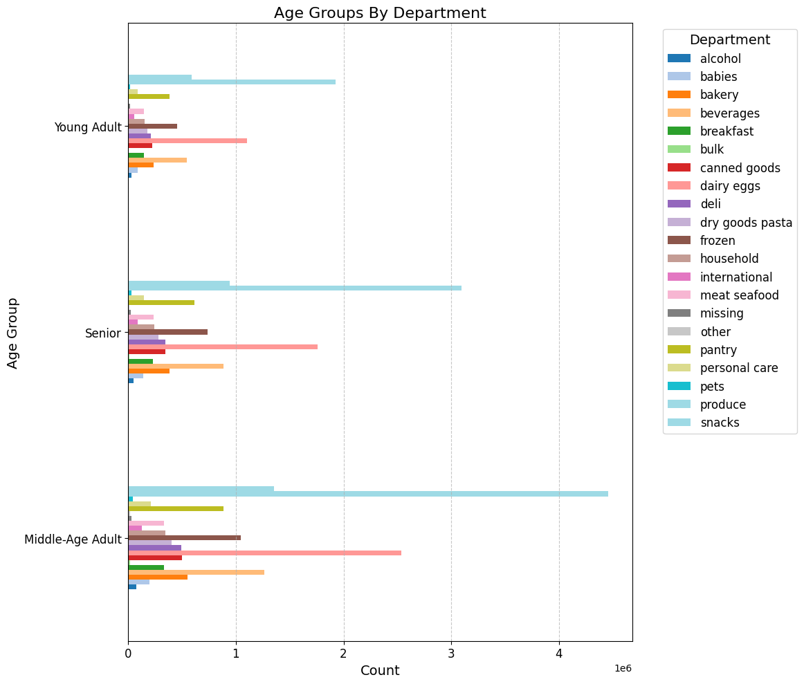
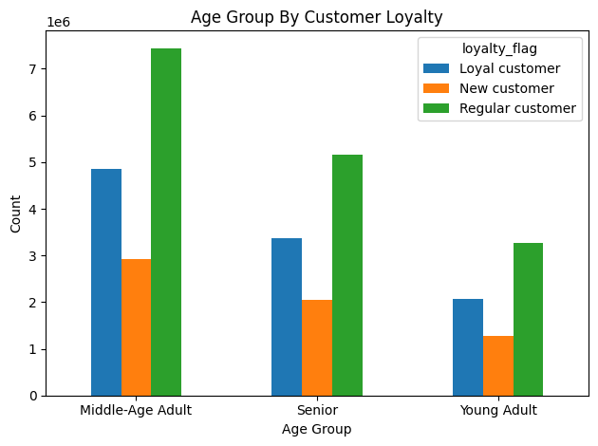
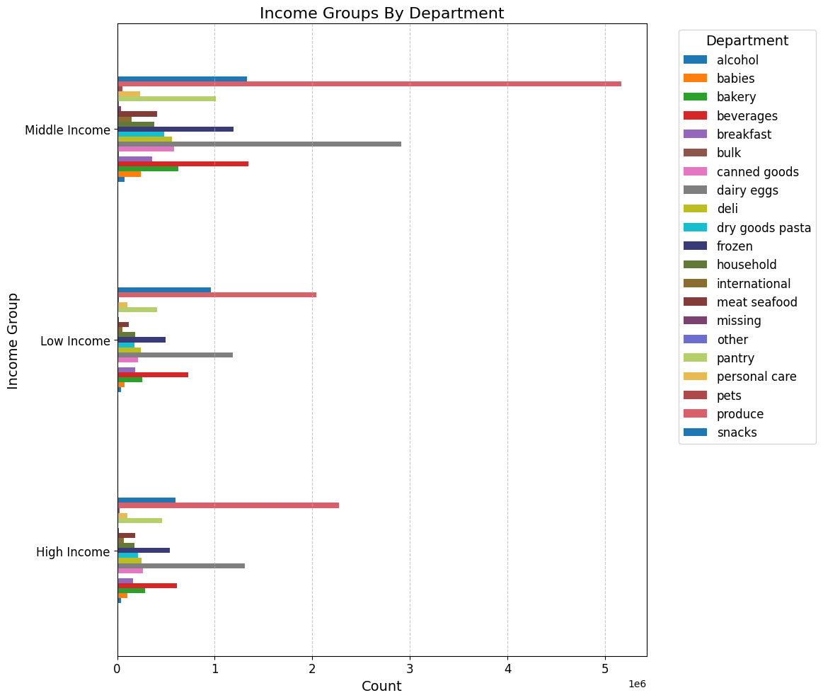
 |  | Title page

Visualisations

In this tab you should include all the visualizations from Exercises 4.9 and 4.10, alongside the questions from the project brief that they answer. Include any commentary on the relationship between different variables.

Key Question
The sales team needs to know what the busiest days of the week and hours of the day are (i.e., the days and times with the most orders) in order to schedule ads at times when there are fewer orders.
Comments
- The bar chart “Orders The Day of The Week” shows that weekends, Saturday and Sunday, are the busiest days.
- Order activity is lowest on Tuesdays and Wednesdays, making them the quietest days of the week. The number of orders declines from Monday through Wednesday, then begins to rise again starting on Thursday.
- The majority of orders are placed between 10 AM and 3 PM. There are very few orders during the early morning hours, from midnight to 5 AM. Order volume begins to increase after 5 AM, peaks between 10 AM and 3 PM, and then declines after 4 PM.

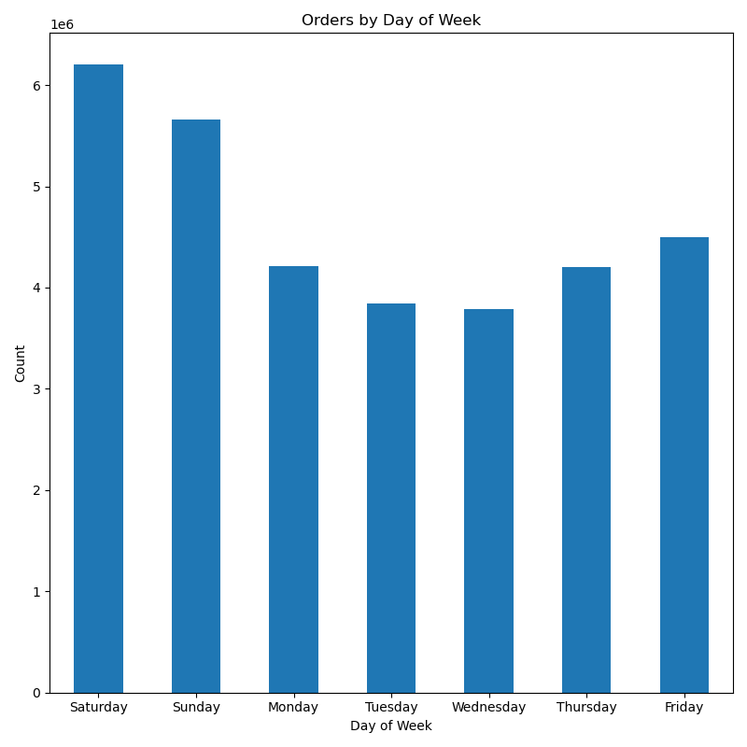
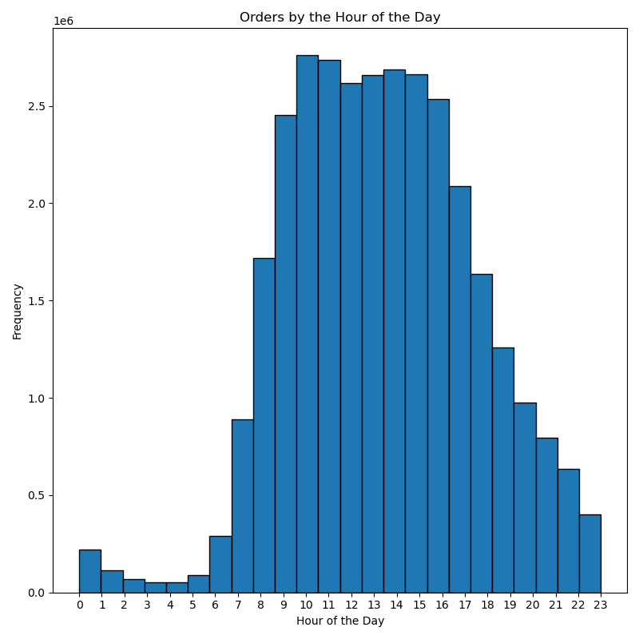

Key Question
They also want to know whether there are particular times of the day when people spend the most money, as this might inform the type of products they advertise at these times.
Comments
- Prices reach their highest levels early in the morning, between 4 and 5 AM. After 6 AM, there is a sharp decline, with prices hitting their lowest point from 9 to 10 AM. Following 10 AM, prices rise again and remain relatively stable throughout the afternoon. Another peak occurs between 8 and 10 PM, after which prices decrease once more.
- The line graph indicates that prices are at their highest on Friday and Saturday. There is a sharp decline on Sunday, with prices continuing to fall into Monday. After Monday, prices gradually increase, remain stable on Tuesday and Wednesday, and then start to rise again on Thursday, culminating in a significant jump on Friday.

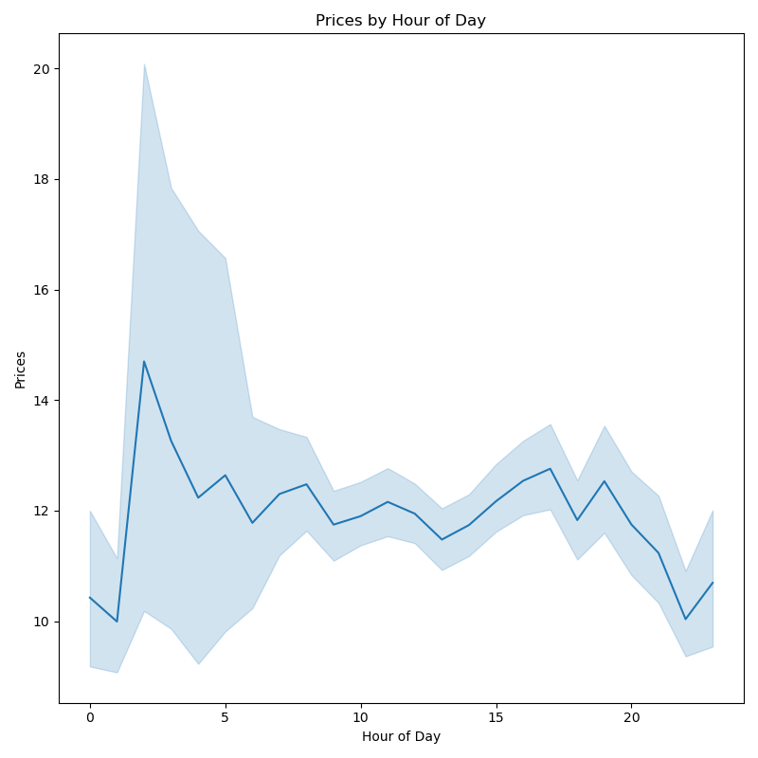
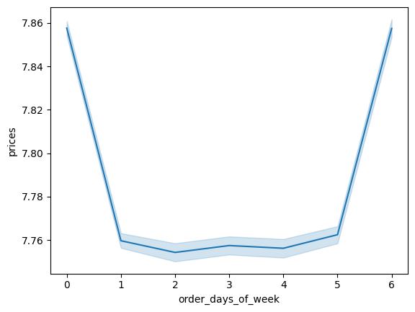

Key Question
Instacart has a lot of products with different price tags. Marketing and sales want to use simpler price range groupings to help direct their efforts.
Comments
- Both graphs indicate that the majority of products are sold at low and mid-range price points, with mid-range items accounting for the highest sales.
- High-range products account for a significantly smaller share of product orders compared to other price categories.
- The left graph indicates that most products are priced between $5 and $15, which aligns with the left chart showing the mid-range category as the largest.

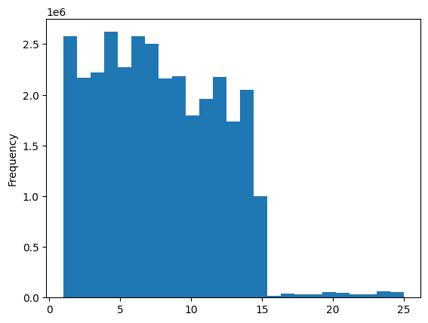
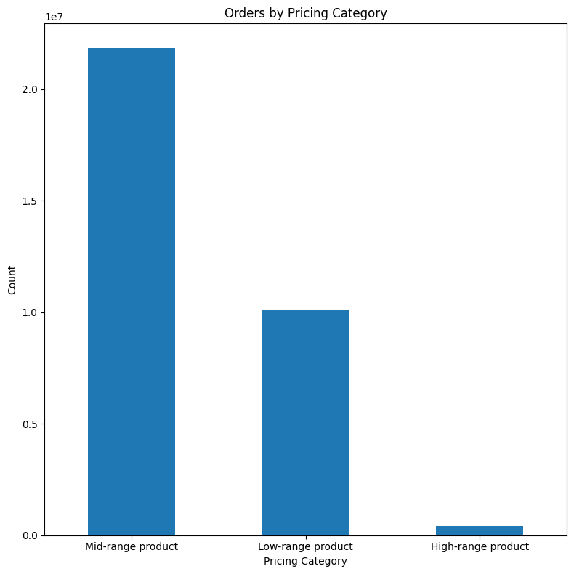

Key Question
Are there certain types of products that are more popular than others? The marketing and sales teams want to know which departments have the highest frequency of product orders
Comments
- The bar chart below illustrates that certain product types significantly outperform others in sales.
- The top 10 product categories are: produce, dairy and eggs, snacks, beverages, frozen foods, pantry staples, bakery items, canned goods, deli products, and dry goods such as pasta.
- Products from the produce department have the highest sales compared to all other departments.

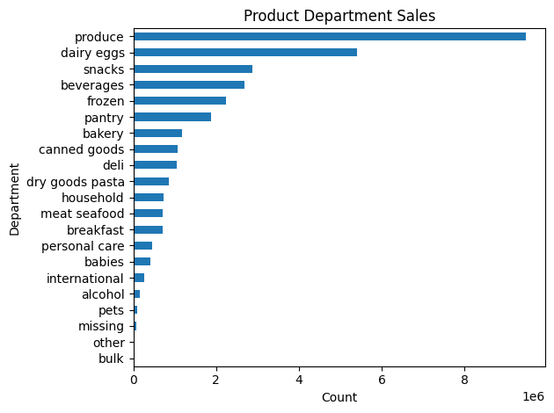

Key Question
What’s the distribution among users with regards to their brand loyalty (i.e., how often do they return to Instacart)?
Comments
- Based on the graphs below, approximately 49% of Instacart customers are regular users—they shop on Instacart fairly frequently but are not classified as loyal customers.
- Loyal customers, who return frequently, constitute the second largest group at 32%, indicating a substantial base of engaged shoppers.
- New customers represent the smallest segment, accounting for 19% of Instacart’s user base. This demonstrates that Instacart continues to attract a healthy number of new shoppers.

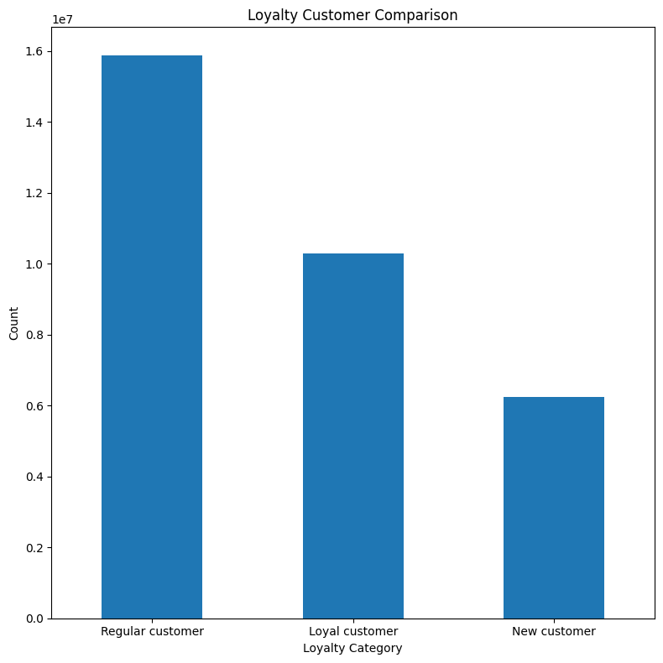

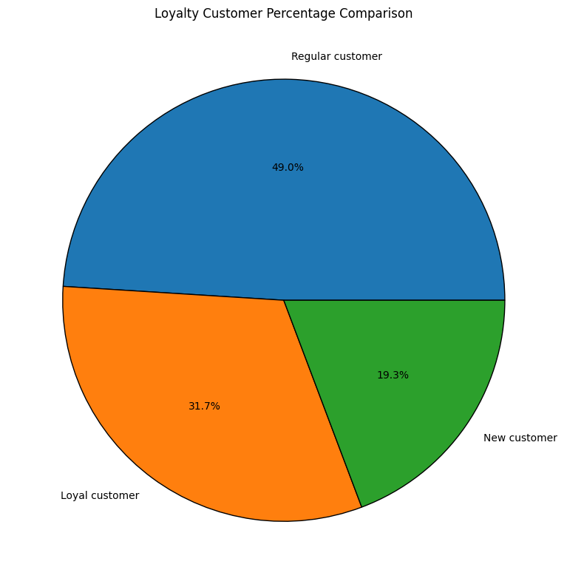

Key Question
Are there differences in ordering habits based on a customer’s loyalty status?
Comments
- The graph below demonstrates that, across all loyalty categories, the majority of customers are low spenders, while high spenders are rare in every group.
- Regular customers have the highest number of high spenders, but this group is still quite small—similar to the other categories.

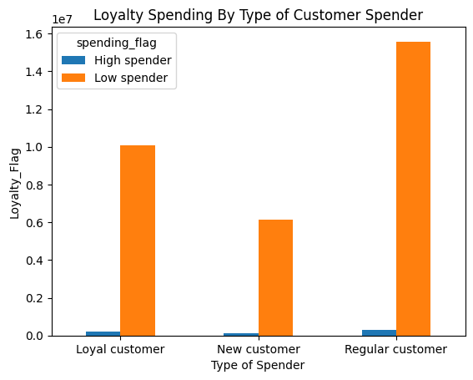

Key Question
Are there differences in ordering habits based on a customer’s region?
Comments
- In all regions, the majority of orders occur in the afternoon. The South and West experience the highest order volumes, while the Northeast has the lowest.
- Across all regions, the largest group of customers are frequent shoppers, followed by regular customers. This indicates strong customer retention, with many people returning to shop repeatedly. The South has the highest number of frequent shoppers, while the West and Midwest have similar, slightly lower figures.
- When looking at age groups, the South has the largest numbers overall, but middle-aged adults are the most prevalent across all regions.
-The South continues to have the highest proportion of customers in the top income bracket, while the majority of Instacart customers fall within the middle-income range.
- Most customers come from smaller households, with larger family households representing a smaller portion. This trend is consistent across all regions.

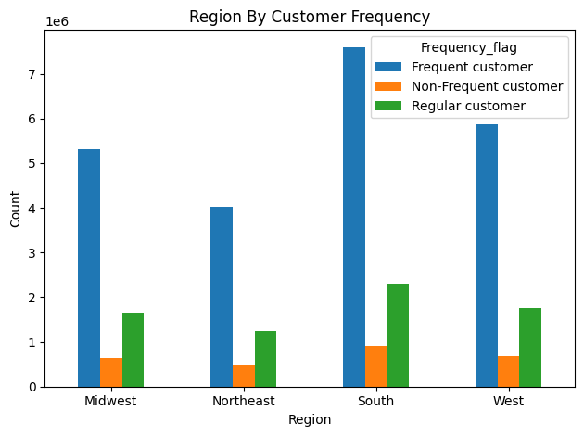
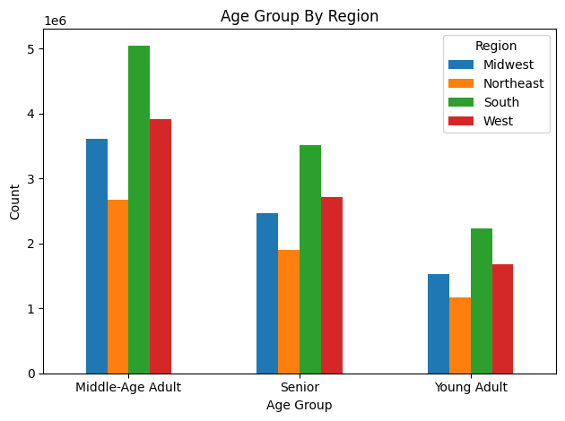
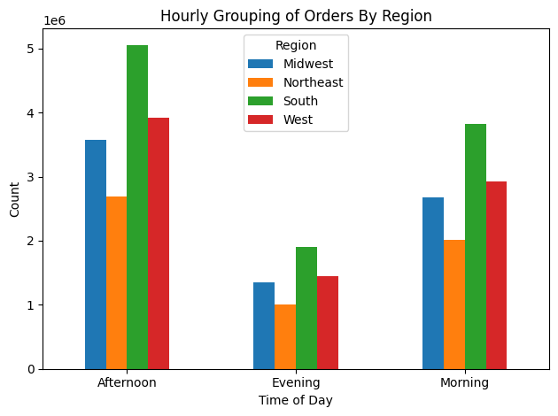

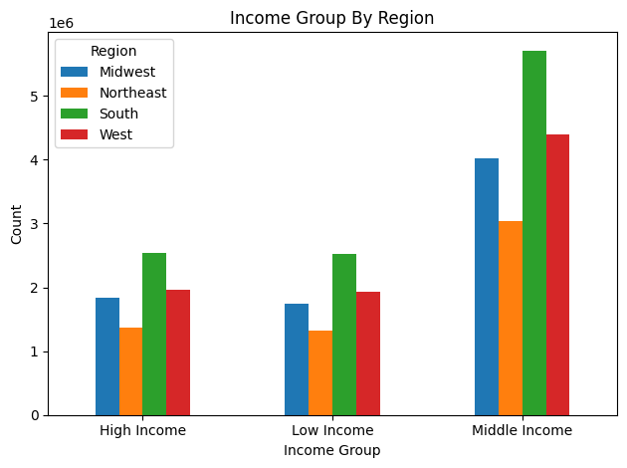
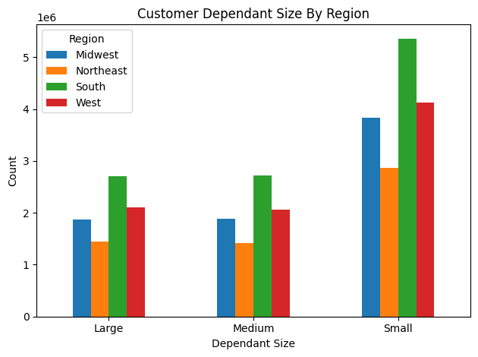

Key Question
Is there a connection between age and family status in terms of ordering habits?
Comments
- Instacart’s most frequent customers are middle-aged adults, followed by seniors, while young adults shop the least often.
- According to customer orders by marital status, married customers place the highest number of orders, followed by single customers, with divorced or widowed customers placing the fewest.
- There appears to be no clear correlation between a customer’s age and the number of dependents in their household.

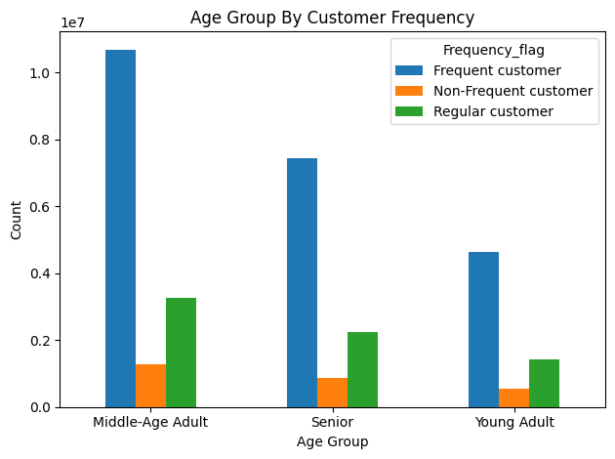
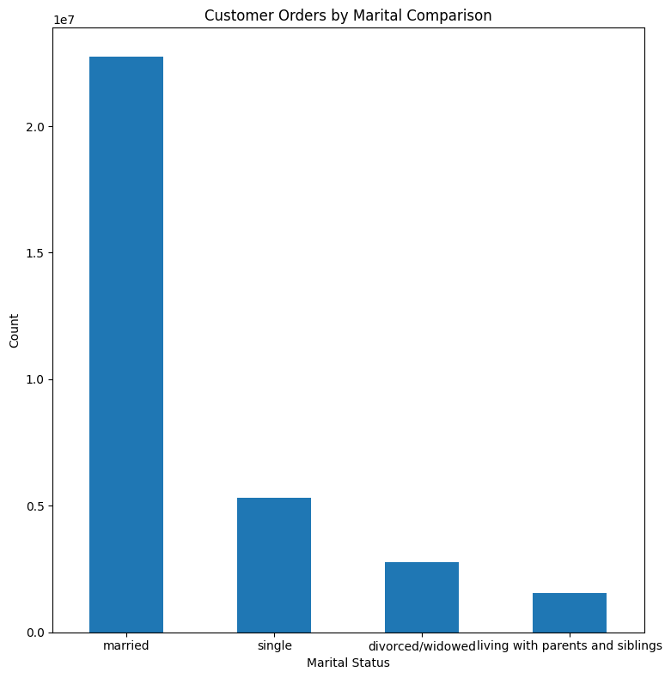

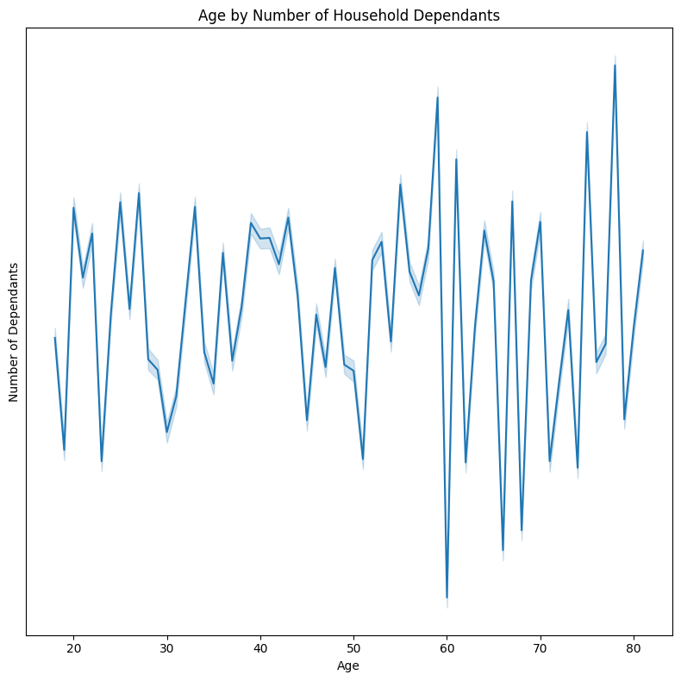

Key Question
What different classifications does the demographic information suggest? Age? Income? Certain types of goods? Family status?
Comments
- The majority of customers are middle-aged (47%), followed by seniors (32.7%), while young adults comprise the remaining 20.4%.
- The scatterplot shows no clear relationship between age and income, as there is no consistent upward or downward trend—income does not steadily increase or decrease with age. In other words, changes in age are not consistently associated with changes in income.
 | - After age 40, some customers begin to earn higher incomes compared to their younger counterparts.
 | - Customers over the age of 40 are more likely to have incomes exceeding 400,000.
 | - Across all age groups, the majority of people have incomes of 200,000 or less, making these income levels both more common and more closely clustered. In contrast, incomes above 400,000 are much rarer and more widely dispersed.
 | - Incomes generally reach their highest levels after age 40, so middle-aged and older adults tend to earn more than younger adults.
- The majority of customers (53%) belong to the middle-income group, while the remaining customers are nearly evenly divided between the high-income group (23.8%) and the low-income group (23.2%).
- The chart indicates that the majority of customers have either no dependents or just one.

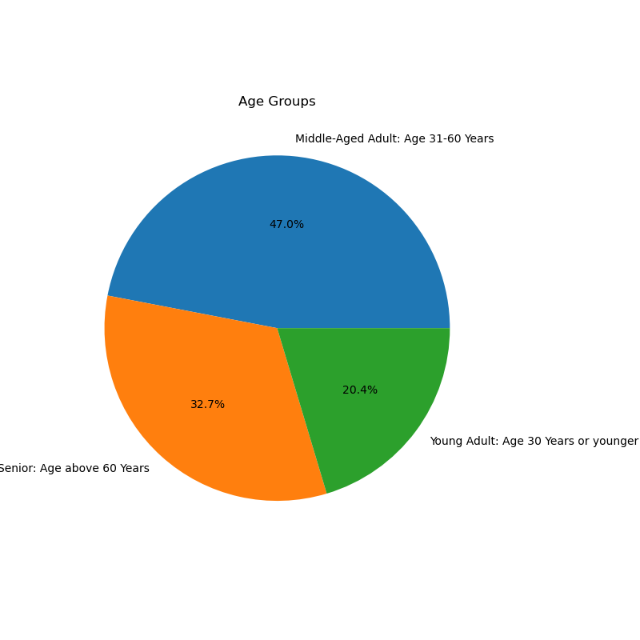
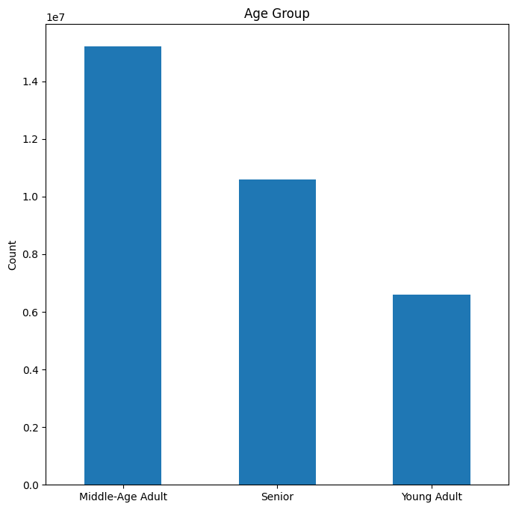
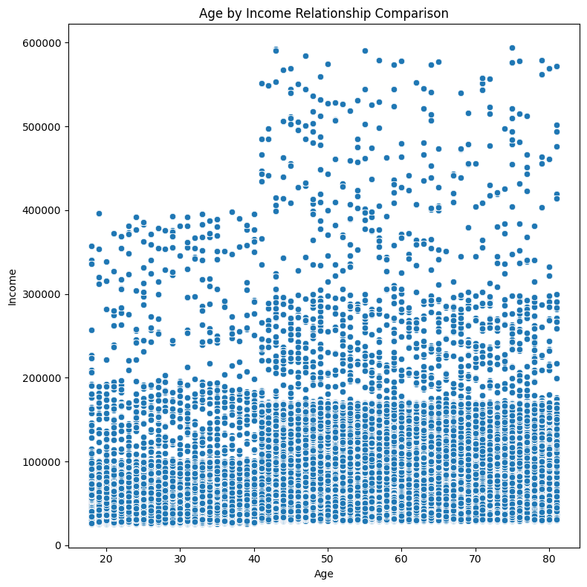

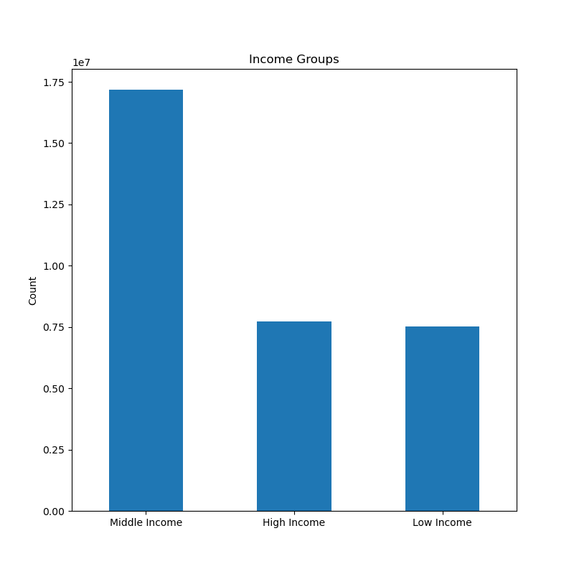
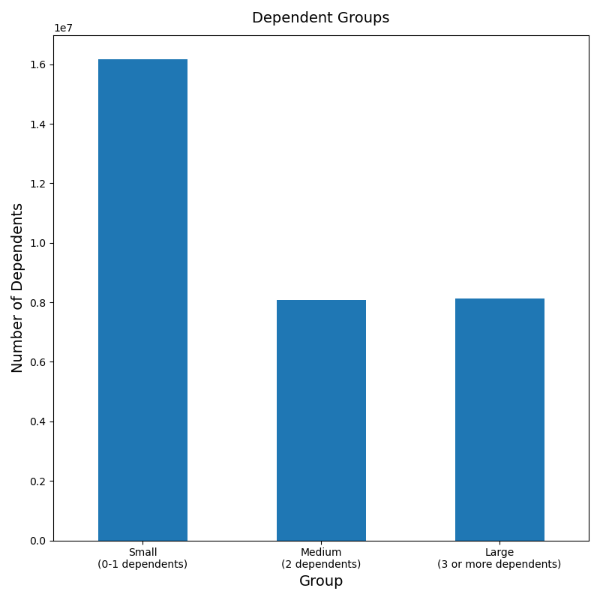
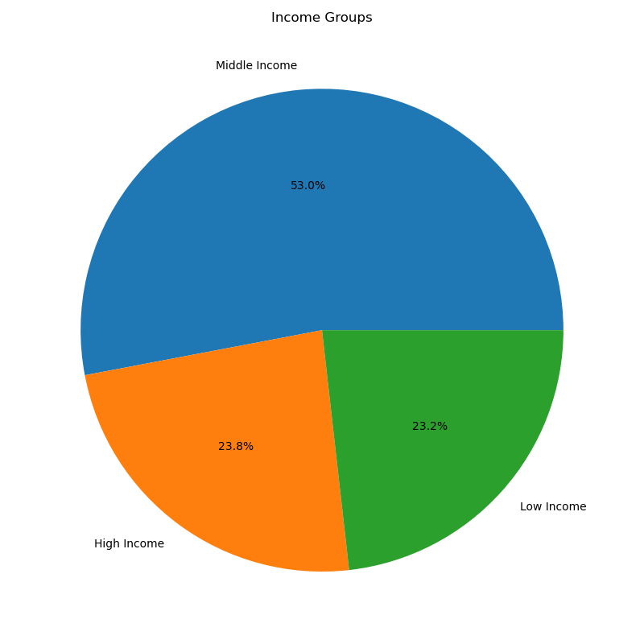

Key Question
What differences can you find in ordering habits of different customer profiles? Consider the price of orders, the frequency of orders, the products customers are ordering, and anything else you can think of.
Comments
- The middle-aged group leads in purchases across all product departments, particularly in produce. This group also has the highest number of customers with loyalty status, primarily regular customers, followed by loyal customers.
- According to income group profiles, the majority of department sales are driven by the middle-income group. High-income customers generally rank second in sales, while the low-income group usually has the lowest sales—though in some cases, their numbers are close to those of the high-income group. Interestingly, in the alcohol department, low-income customers actually outpace high-income customers in sales.

7. Recommendations
 |  | Title page

Recommendations

In this tab you should include any recommendations you would made to Instcart in terms of their marketing strategy based on the questions posed in the brief. Every key question has been covered in the Tasks of the Exercises - here you need to add an item - a visualisation or table/crosstable that is showing the answer in the data, acompanied by a comment from you. Please, list the questions below and add the answer underneath.

Key Question | Recommendations
What days of the week and hours of the day are busiest? | The busiest times in the week are Saturday and Sunday from 9 AM to 4 PM, while the quietest time is Wednesday from 2 AM to 5 AM. It is proposed that Instacart runs ads on Wednesday between 6–8 AM and 5–10 PM. Ads run before 6 AM or after 10 PM are less effective because most people are probably. asleep.
What times of the day do people spend the most money? | - Most spending happens between 9 AM and 4 PM, peaking at 10 AM. Instacart should advertise key products during these hours. - Run early morning promotions, like early bird discounts, especially on slower days such as Tuesday and Wednesday.
Are there certain types of products that are more popular than others? | - The five most popular product categories are: produce, dairy & eggs, snacks, beverages, and frozen food. Instacart should keep customers interested by offering special deals on these best-sellers. - Also, consider adding extra incentives to departments that aren’t selling as much, to encourage more purchases there.
What’s the distribution among users in regards to their brand loyalty (i.e., how often do they return to Instacart)? | - Instacart should use welcome promotions to turn new customers into repeat and loyal shoppers. - Offer discounts to regular customers to boost engagement and help them become loyal customers.
Are there differences in ordering habits based on a customer's loyalty status? | - Most Instacart customers are adults with middle incomes, while young adults use the service the least. Instacart should target its ads for mid-range products toward adult and senior shoppers. - To boost spending, Instacart could offer new loyalty rewards, like bonus points that customers can redeem on future orders, giving bigger benefits to top spenders.
Are there differences in ordering habits based on a customer's region? | - The Northeast region, though currently low in all factors, has growth potential. Increase engagement to boost sales there. -Target marketing for small households (0-1 dependents) with products suited to their needs. - Promote bulk products specifically to larger households to encourage family-size purchases. - Focus main marketing on middle-aged, middle-income customers. - Create separate campaigns for seniors, young adults, and those with high or low incomes.
Is there a connection between age and family status in terms of ordering habits? | - Focus marketing on middle-aged adults, the main customer group. - Target married couples and singles with campaigns for small households (0–1 dependents), including divorced or widowed customers. - Occasionally promote family-sized products to attract larger households.
What differences can you find in ordering habits of different customer profiles? consider the price of orders, frequency of orders, products customers are ordering, and anything else you can think of. | Focus on Wealthy Seniors: Target marketing towards high-income seniors in all regions. They spend the most on groceries, so encourage them to join loyalty programs and promote premium and exclusive offers just for them. Boost Niche Departments: Make “Personal Care” and “Pets & Babies” departments more attractive by running special promotions or adding products that meet the needs of low-income or niche shoppers. Customize Regional Marketing: Adapt your marketing to fit different regions. Highlight high-income and senior customers in the South and West. In areas where your usual customers are fewer, try new products or local deals to attract more shoppers. Support Small Families: Make shopping easier for small families by offering meal kits, bulk deals, or subscription services. These options can encourage them to shop more often and buy more each time.

