1. Title Page
[Project Name]

Project Title: Instacart Customer Segmentation & Behavior Analysis
Analyst : Yaw Assensoh Opoku
Date: 2025-08-09
Data Source: Instacart Online Grocery Shopping Dataset
Citation: https://www.instacart.com/datasets/grocery-shopping-2017

2. Population Flow
Title page

Population flow

Exclusion flag
Condition: max_order <
Obervations to be removed:
Final total count of order_products_all:

z
Orders_products_combined
Orders_products_merged
Orders_products_all

Total: 32,404,859
Total: 32,434,489
Total: 32,404,859

1.) The grey boxes in the first row of the population flow represent the original data sets as they were when you downloaded them. In the Total fields you need to add the count of the rows when you imported the data set into Jupyter.
2.) The second row of boxes (coloured) represents the data sets after you manipulated them, e.g., removed missing values and duplicates. In the Total fields you need to add the count of the rows after conducting these operations. This offers a visual oveview of how the data flows throughout the data consistency checks.
3.) The third row, where also the arrows are coloured, represents the merges you performed between the datasets. In the Total fields you need to add the count of the rows in the merged datasets, so that you end up with the final dataset (in the red box). Keep in mind the final dataset should be without exclusions (based on the exclusion flag).

3. Consistency checks
 |  |  |  | Title page
Consistency checks

Dataset | Missing values | Missing values treatment | Duplicates
orders | 206209 missing values | kept them | found no duplicates
products | 16 missing values | dropped | deleted 5 duplicates

4. Wrangling steps
 |  |  |  | Title page
Wrangling steps

Columns dropped | Columns renamed | Columns' type changed | Comment/Reason
eval_set |  |  | it was irrelevant to the task
Unnamed |  |  | it was irrelevant to the task
 | First Name |  | Changed to first_name to match column looks which was later dropped due to PII concerns
 | Surnam |  | Changed to surname to match column looks which was later dropped due to PII concerns
 | STATE |  | Changed to small letters to match column labels
 | GENDER |  | Changed to small letters to match column labels
 | AGE |  | Changed to small letters to match column labels
 | order_dow |  | Renamed it order_day_of_week which was more understandable
 | n_dependants |  | Renamed it num_dependents which was more understandable
 | user_id |  | Changed to customer_id,making it more readable and understanding
 |  | order_id data type has been changed to string | Identifies order number and did not need to be of the date type integer
 |  | user_id to string | Indentifies customer id and did not need to be integer type

5. Column derivations
 |  | Title page

Column derivations and aggregations

In this tab you should add tables below that the frequences of flags/label variables that you produced after deriving them. NB: don't do this for continuous variables, only for flags.
Column | Derived From
user_oder_avg | Grouped by customer_id, mean of days_since_prior_order
loyalty_flag | Based on user_order_avg
spending_flag | Based on average prices
order_frequency_flag | Based on total orders per customer
profile | Combined loyalty, spending, and frequency flags

6. Visualizations
 |  |  | Title page

Visualisations

In this tab you should include all the visualtions from Exercises 4.9 and 4.10, alongside the questions from the project brief that they answer. Include any commentary on the relationship between different variables.

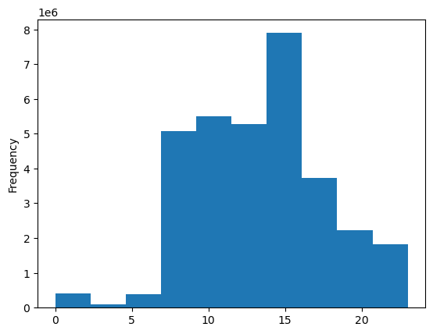

 | Interpretation of Histogram

 | The histogram shows that, the majority of orders are placed between 7 AM and 4 PM, with a noticable peak around 10 Am.
 | This indicates a sztrong preference for ordering in the late morning hours.

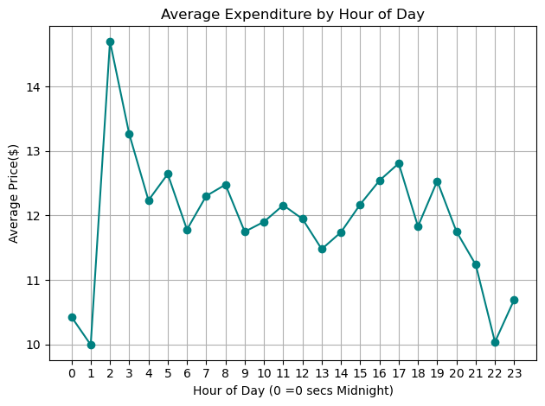

 |  | Average expenditure by hour of the day

 |  | This linbe chart shows how the average price of products varies based on the hour when orders were placed.

 |  | Peak expenditure occurs in the early mornings to early afternoon.
 |  | Lower average spending occurs in the evenings,suggestion these purchases might smaller or more routine.
 |  | This insight can help time promotions and personalized recommendations for maximum customer spending.

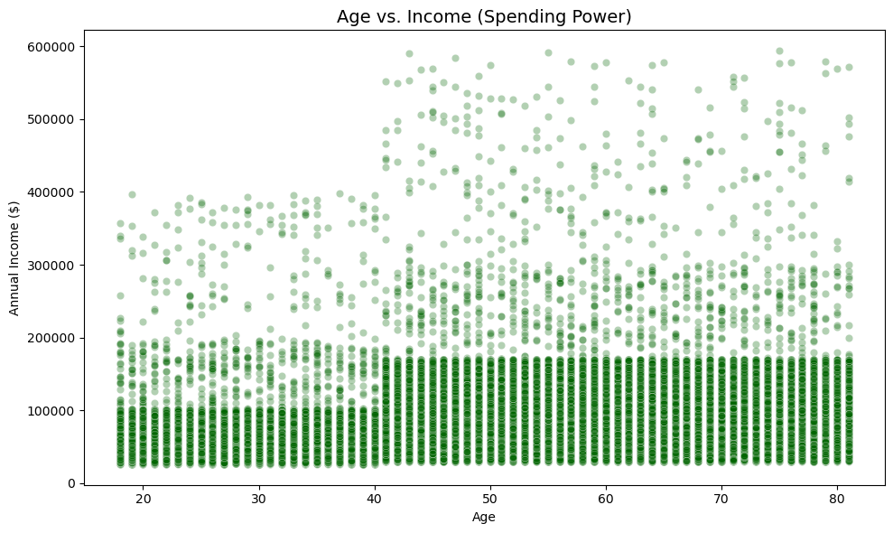

 |  |  |  |  |  | What scatterplot shows with Age vs. Income

 |  |  |  |  |  | This scatterplot shows the relationship between a customer's age and and their annual income.
 |  |  |  |  |  | There's no clear linear correlation between age and income.
 |  |  |  |  |  | Most customers are between the ages of 25 and 60, with income ranging from 100,00.
 |  |  |  |  |  | There are some outliers with very high income across different age ranges but they are few.
 |  |  |  |  |  | This suggests that spending power isn't tied strictly to age and marketing strategies should consider income independently from age when targeting segments.
 |  |  |  |  |  | Overall, the chart indicates a broad spread of income levels across all adult age groups.

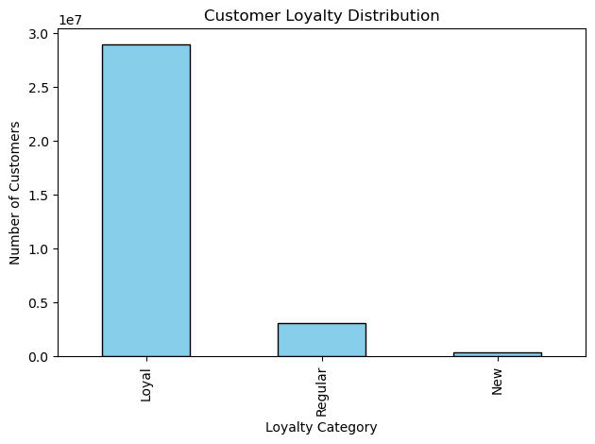

 | Customer loyalty distribution.

 | The bar chart shows how customers are distributed across different loyalty categories:

 | Loyal customers are a strong segment,showing consistent repeat purchase behavior.
 | Regular customers make are low spenders, indicating they return often but not yet at the most frequent level.
 | New customers represents the smalles group, suggesting there's a room for growth in onboarding and first time engagement strategies.
 | This break down helps the marketing team identify where to focus their campaigns such as nurturing new customers into regular customers and rewarding loyal customers to increase retention.

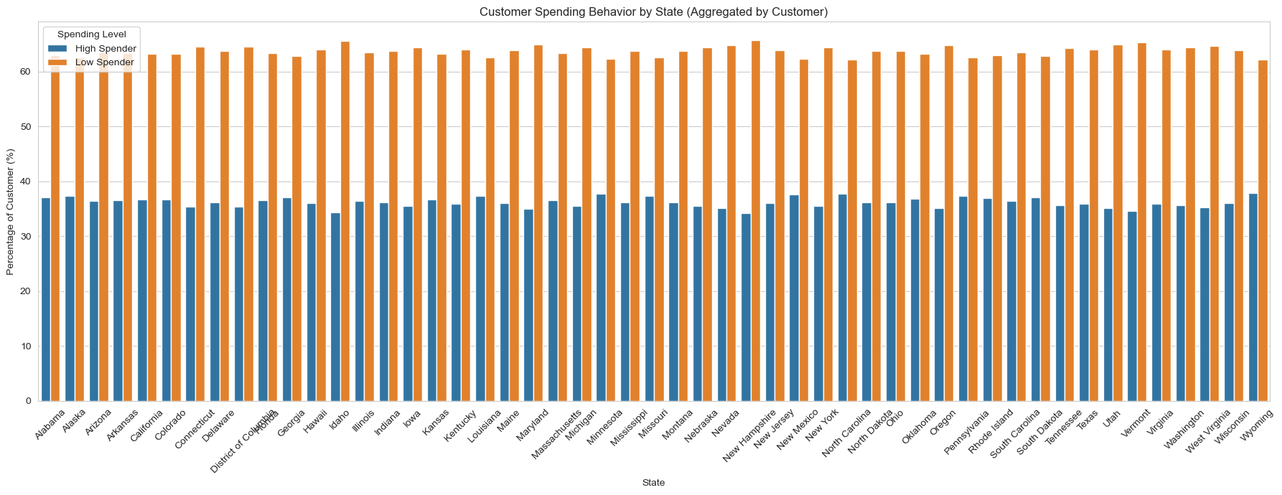

The chart illustrates the distribution of high and low spenders across U.S. states, aggregated at the customer level.
Across all states, the proportion of low spenders consistently exceeds that of high spenders, typically ranging between 62–65% for low spenders and 35–38% for high spenders.
This uniform pattern suggests that spending behavior is relatively stable across geographic regions, with no state exhibiting a significantly higher concentration of high spenders.
For marketing strategy, this indicates that targeting high spenders will require criteria beyond geographic segmentation, as location alone does not strongly differentiate customer spending behavior.

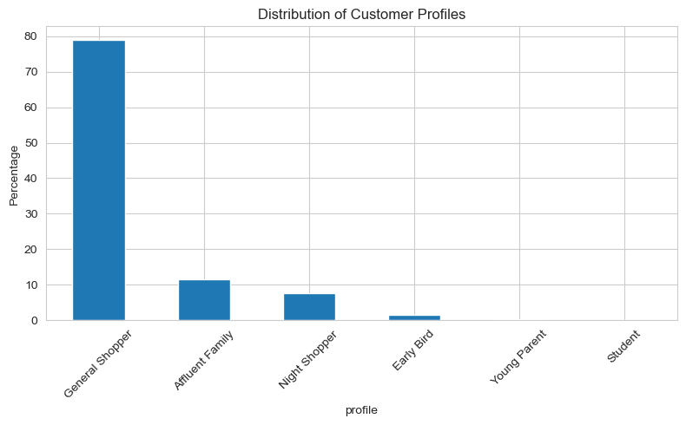

 |  |  |  | Note: 'Student' and 'Young Parent' categories show very low representation in the dataset."

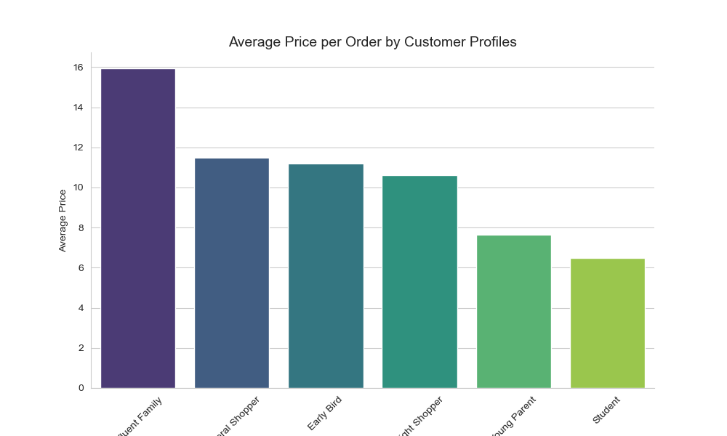

 |  |  |  |  | Affluent Families place the highest-value orders, averaging nearly $16 per order—substantially higher than all other customer profiles.
 |  |  |  |  | Students and Young Parents represent the lowest average order values, at $6–$8, suggesting potential for targeted upselling or bundled promotions to increase basket size in these segments.

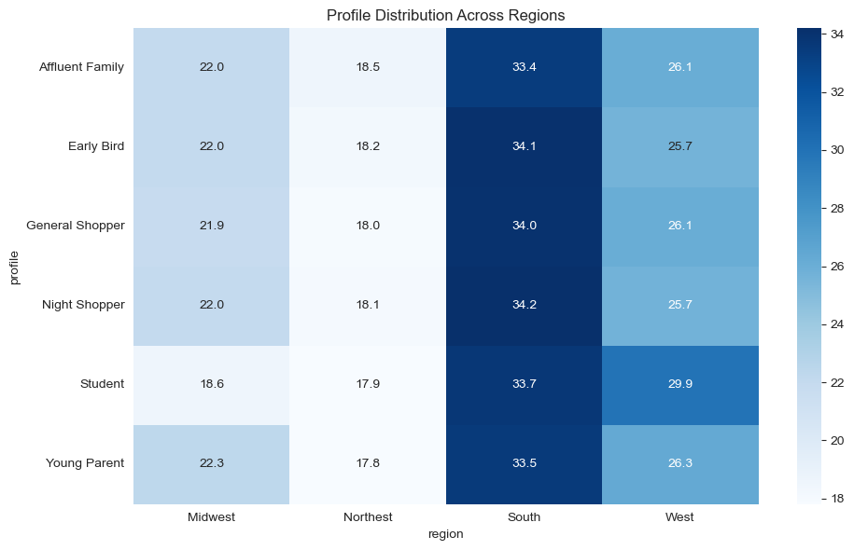

 |  |  |  |  |  |  | "The heatmap reveals distinct variations in customer profile distribution across regions.
 |  |  |  |  |  |  | Certain profiles show strong concentrations in specific regions, indicating potential regional preferences or demographic patterns.
 |  |  |  |  |  |  | These insights can inform targeted marketing strategies to align product offerings and promotions with regional customer tendencies."

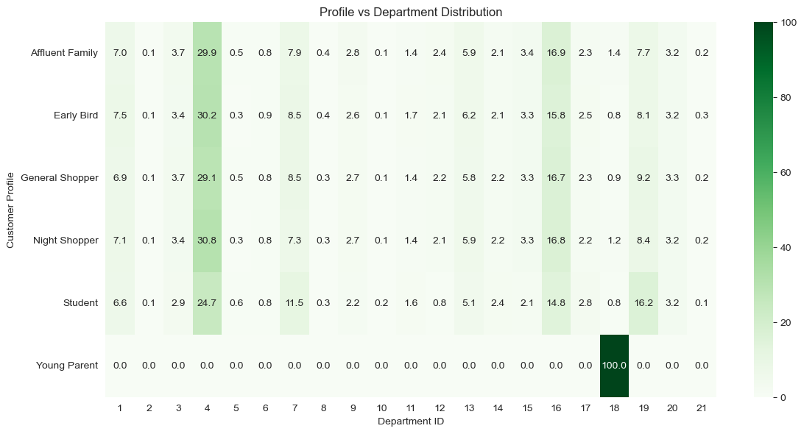

 |  |  |  |  |  |  |  | Interpretation note

 |  |  |  |  |  |  |  | Affluent Families and Early Birds tend to shop more broadly across several departments.
 |  |  |  |  |  |  |  | Students and Young Parents exhibit lower engagement across departments, which may reflect limited purchasing power or narrower shopping needs.
 |  |  |  |  |  |  |  | Young Parents show a very strong preference for Department 18, suggesting this may correspond to baby products or parenting related items, this department dominates their purchase behavior, with limited activity elsewhere.
 |  |  |  |  |  |  |  | Students also show concentrated but lower frequency purchases, with mild engagement in departments like 4 and 7, likely representing budget-friendly or convenience-based products.
 |  |  |  |  |  |  |  | Affluent Families, Early Birds, and General Shoppers display a more diversified shopping pattern, engaging across multiple departments, though still with varying intensity.
 |  |  |  |  |  |  |  | Night Shoppers exhibit behavior similar to General Shoppers but with slightly more focus on fewer departments, possibly reflecting time constrained or habitual shopping.

7. Recommendations
 | Title page

Recommendations

In this tab you should include any recommendations you would made to Instcart in terms of their marketing strategy based on the questions posed in the brief. Every key question has been covered in the Tasks of the Exercises - here you need to add an item - a visualisation or table/crosstable that is showing the answer in the data, acompanied by a comment from you. Please, list the questions below and add the answer underneath.

Results & Recommendations – Instacart Marketing Strategy

Results Summary

Spending by Geography:

Across all U.S. states, more than 60% of customers are categorized as Low Spenders.

The proportion of High Spenders is relatively consistent between states, suggesting minimal regional variation in spending behavior.

Spending by Customer Profile:

Affluent Families spend significantly more per order (average ~$16) compared to other segments.

General Shoppers and Early Birds follow at ~$11–$12 average per order.

Students and Young Parents record the lowest average spending, between ~$6–$8 per order.

Recommendations

Focus on Behavioral & Demographic Targeting:

Geographic campaigns are unlikely to yield significant ROI due to uniform state-level spending patterns.

Instead, prioritize marketing strategies that target specific customer profiles.

Upselling to Low-Spending Segments:

For Students and Young Parents, introduce budget-friendly bundles, loyalty discounts, or limited-time offers to increase basket size.

Promote free delivery thresholds to encourage slightly larger orders.

Maximizing High-Spender Value:

For Affluent Families, highlight premium products, seasonal exclusives, and subscription-based perks to maintain engagement and order frequency.

Leverage personalized product recommendations based on past purchases.

Profile-Based Marketing Automation:

Use customer data to trigger targeted email and app notifications with tailored promotions for each profile group.

Example: “Night Shopper” flash sales for customers with late-order patterns.

Strategic Takeaway:
Instacart’s greatest opportunity lies in profile-driven personalization rather than broad, geography-based campaigns. By optimizing offers and communications for specific shopper segments, Instacart can increase both order value and customer retention without diluting marketing spend across regions with similar behavior.

